Medium Duration
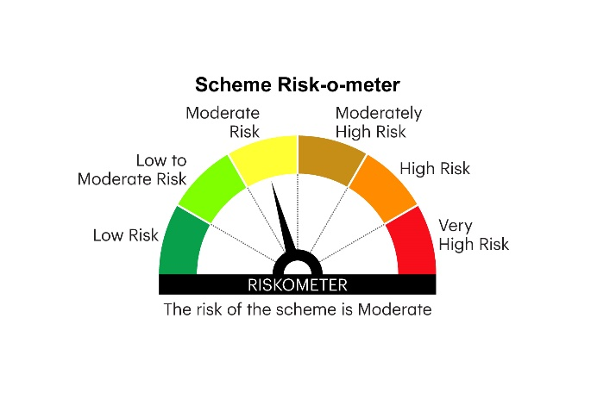

IMDF | INVESCO MUTUAL FUND
 | Monthly Portfolio Statement as on March 31, 2025
 | Invesco India Medium Duration Fund (An open ended medium term debt scheme investing in instruments such that the Macaulay duration of the portfolio is between 3 years and 4 years.A relatively high interest rate risk and moderate credit risk)

 | Name of the Instrument | ISIN | Rating | Quantity | Market/Fair Value (Rs. in Lakhs) | % to Net Assets | YTM
 | Debt Instruments
 | (a) Listed / awaiting listing on Stock Exchanges
GOI5196 | 7.18% Government of India 2037 | IN0020230077 | SOVEREIGN | 2,000,000 | 2,081.68 | 12.60 | 6.80%
GOI5833 | 7.02% Government of India 2031 | IN0020240076 | SOVEREIGN | 1,500,000 | 1,538.95 | 9.32 | 6.61%
GOI5228 | 7.18% Government of India 2033 | IN0020230085 | SOVEREIGN | 1,000,000 | 1,036.37 | 6.28 | 6.71%
NHBA331 | 7.59% National Housing Bank 2027 ** | INE557F08FZ1 | CRISIL AAA | 1,000,000 | 1,008.77 | 6.11 | 7.18%
CGPO21 | 9.90% Tata Power Company Limited 2028 ** | INE295J08022 | CARE AA+ | 500,000 | 529.16 | 3.20 | 7.61%
GOI4976 | 7.26% Government of India 2033 | IN0020220151 | SOVEREIGN | 500,000 | 519.92 | 3.15 | 6.71%
GOI5379 | 7.32% Government of India 2030 | IN0020230135 | SOVEREIGN | 500,000 | 519.14 | 3.14 | 6.60%
GOI5081 | 7.17% Government of India 2030 | IN0020230036 | SOVEREIGN | 500,000 | 514.44 | 3.11 | 6.59%
POWF411 | 7.85% Power Finance Corporation Limited 2028 ** | INE134E08JP5 | CRISIL AAA | 500,000 | 509.76 | 3.09 | 7.24%
NBAR772 | 7.62% National Bank For Agriculture and Rural Development 2029 ** | INE261F08EH1 | CRISIL AAA | 500,000 | 507.47 | 3.07 | 7.18%
GOI6156 | 6.79% Government of India 2034 | IN0020240126 | SOVEREIGN | 500,000 | 507.37 | 3.07 | 6.69%
RUPL50 | 7.90% Jamnagar Utilities & Power Private Limited 2028 ** | INE936D07182 | CRISIL AAA | 500,000 | 506.44 | 3.07 | 7.43%
SIDB566 | 7.68% Small Industries Dev Bank of India 2027 ** | INE556F08KQ2 | CRISIL AAA | 500,000 | 504.12 | 3.05 | 7.29%
CANH116 | 8.20% Can Fin Homes Limited 2027 ** | INE477A07423 | ICRA AAA | 500,000 | 503.25 | 3.05 | 7.87%
SIDB573 | 7.34% Small Industries Dev Bank of India 2029 ** | INE556F08KS8 | CRISIL AAA | 500,000 | 502.48 | 3.04 | 7.19%
TFSI49 | 8.0504% Toyota Financial Services India Limited 2028 ** | INE692Q07555 | ICRA AAA | 500,000 | 501.98 | 3.04 | 7.90%
NXST20 | 7.86% Nexus Select Trust - REIT 2026 ** | INE0NDH07019 | CRISIL AAA | 500,000 | 501.72 | 3.04 | 7.68%
BHFL98 | 7.83% Bajaj Housing Finance Limited 2025 ** | INE377Y07391 | CRISIL AAA | 500,000 | 500.94 | 3.03 | 7.38%
PGCI458 | 7.7% Power Grid Corporation of India Limited 2033 ** | INE752E08718 | CRISIL AAA | 500,000 | 458.44 | 2.78 | 7.16%
GODP225 | 8.30% Godrej Properties Limited 2027 ** | INE484J08055 | ICRA AA+ | 400,000 | 402.94 | 2.44 | 7.88%
CENT241 | 8.1% Aditya Birla Real Estate Limited 2026 ** | INE055A08037 | CRISIL AA | 400,000 | 400.78 | 2.43 | 7.89%
SUMM26 | 8.06% Summit Digitel Infrastructure Limited 2029 ** | INE507T07120 | CRISIL AAA | 300,000 | 307.21 | 1.86 | 7.54%
OPAL47 | 8.29% ONGC Petro Additions Limited 2027 ** | INE163N08289 | ICRA AA | 300,000 | 302.31 | 1.83 | 7.79%
GOI3734 | 6.54% Government of India 2032 | IN0020210244 | SOVEREIGN | 300,000 | 299.99 | 1.82 | 6.65%
 | Sub Total |  |  |  | 14,965.63 | 90.62
 | (b) Privately placed / Unlisted |  |  |  | Nil | Nil | Nil
 | Sub Total |  |  |  | Nil | Nil | Nil
 | Total |  |  |  | 14,965.63 | 90.62
 | Money Market Instruments
 | Commercial Paper
BHAT74 | Bharti Telecom Limited 2025 ** | INE403D14544 | CRISIL A1+ | 500,000 | 479.10 | 2.90 | 8.00%
 | Sub Total |  |  |  | 479.10 | 2.90
 | TREPS / Reverse Repo
TRP_020425 | Triparty Repo |  |  |  | 536.40 | 3.25 | 6.62%
 | Sub Total |  |  |  | 536.40 | 3.25
 | Total |  |  |  | 1,015.50 | 6.15
 | Others
 | Corporate Debt Market Development Fund
CDMD50ME | Corporate Debt Market Development Fund Class A2 | INF0RQ622028 |  | 748 | 82.56 | 0.50
 | Sub Total |  |  |  | 82.56 | 0.50
 | Total |  |  |  | 82.56 | 0.50
 | Net Receivables / (Payables) |  |  |  | 451.50 | 2.73
 | GRAND TOTAL |  |  |  | 16,515.19 | 100.00

 | Aggregate Investments by other schemes i.e. Inter - scheme investment in the portfolio is `15.88 Crores as on March 31, 2025
 | YTM - Yield To Maturity

 | ** Non Traded Security

 | Notes :
 | (1) Details of security in default beyond it's maturity date: Nil
 | (2) Total Value and percentage of illiquid equity shares: Nil
 | (3) Total outstanding exposure in derivative instruments as on March 31, 2025: Nil
 | (4) Total investments in Foreign Securities / Overseas ETFs as on March 31, 2025 and its percentage to NAV : Nil
 | (5) Deviation from the valuation prices given by valuation agencies during the month ended March 31, 2025: Nil
 |  |  |  |  | BENCHMARK NAME - NIFTY MEDIUM DURATION DEBT INDEX A-III
 | SCHEME RISK-O-METER |  |  |  | BENCHMARK RISK-O-METER

