Nifty G-sec Jul 2027
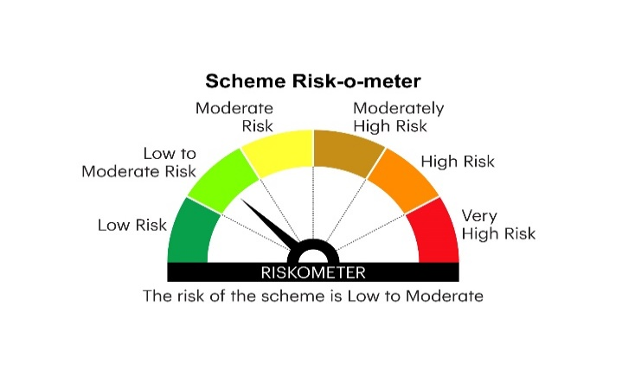

INGJ27 | INVESCO MUTUAL FUND
 | Monthly Portfolio Statement as on April 30, 2025
 | Invesco India Nifty G-sec Jul 2027 Index Fund (An open-ended Target Maturity Index Fund tracking Nifty G-sec Jul 2027 Index.A relatively high interest rate risk and relatively low credit risk.)

 | Name of the Instrument | ISIN | Rating | Quantity | Market/Fair Value (Rs. in Lakhs) | % to Net Assets | YTM
 | Debt Instruments
 | (a) Listed / awaiting listing on Stock Exchanges
GOI4485 | 7.38% Government of India 2027 | IN0020220037 | SOVEREIGN | 5,060,000 | 5,195.61 | 72.72 | 6.11%
GOI1864 | 6.79% Government of India 2027 | IN0020170026 | SOVEREIGN | 925,000 | 938.02 | 13.13 | 6.14%
GOI536 | 8.24% Government of India 2027 | IN0020060078 | SOVEREIGN | 755,500 | 783.02 | 10.96 | 6.14%
 | Sub Total |  |  |  | 6,916.65 | 96.81
 | (b) Privately placed / Unlisted |  |  |  | Nil | Nil | Nil
 | Sub Total |  |  |  | Nil | Nil | Nil
 | Total |  |  |  | 6,916.65 | 96.81
 | Money Market Instruments
 | TREPS / Reverse Repo
TRP_020525 | Triparty Repo |  |  |  | 40.09 | 0.56 | 5.95%
 | Sub Total |  |  |  | 40.09 | 0.56
 | Total |  |  |  | 40.09 | 0.56
 | Net Receivables / (Payables) |  |  |  | 188.24 | 2.63
 | GRAND TOTAL |  |  |  | 7,144.98 | 100.00

 | YTM - Yield To Maturity

 | Notes :
 | (1) Details of security in default beyond it's maturity date: Nil
 | (2) Total Value and percentage of illiquid equity shares: Nil
 | (3) Total outstanding exposure in derivative instruments as on April 30, 2025: Nil
 | (4) Total investments in Foreign Securities / Overseas ETFs as on April 30, 2025 and its percentage to NAV : Nil
 | (5) Deviation from the valuation prices given by valuation agencies during the month ended April 30, 2025: Nil

 | Name and exposure to top 7 issuers and stocks
 | Name of the Issuer / Stock | % to NAV
 | Government Security | 96.81%

 | Name and exposure to top 7 groups
 | Name of the Group | % to NAV
 | Sovereign | 96.81%

 | Name and exposure to top 4 Sectors
 | Name of the Sector | % to NAV
 | Sovereign | 96.81%

 | Debt Index Replication Factor (DIRF) | 96.81%
 |  |  |  |  | BENCHMARK NAME - NIFTY G-SEC JUL 2027 INDEX
 | SCHEME RISK-O-METER |  |  |  | BENCHMARK RISK-O-METER

