Credit Risk
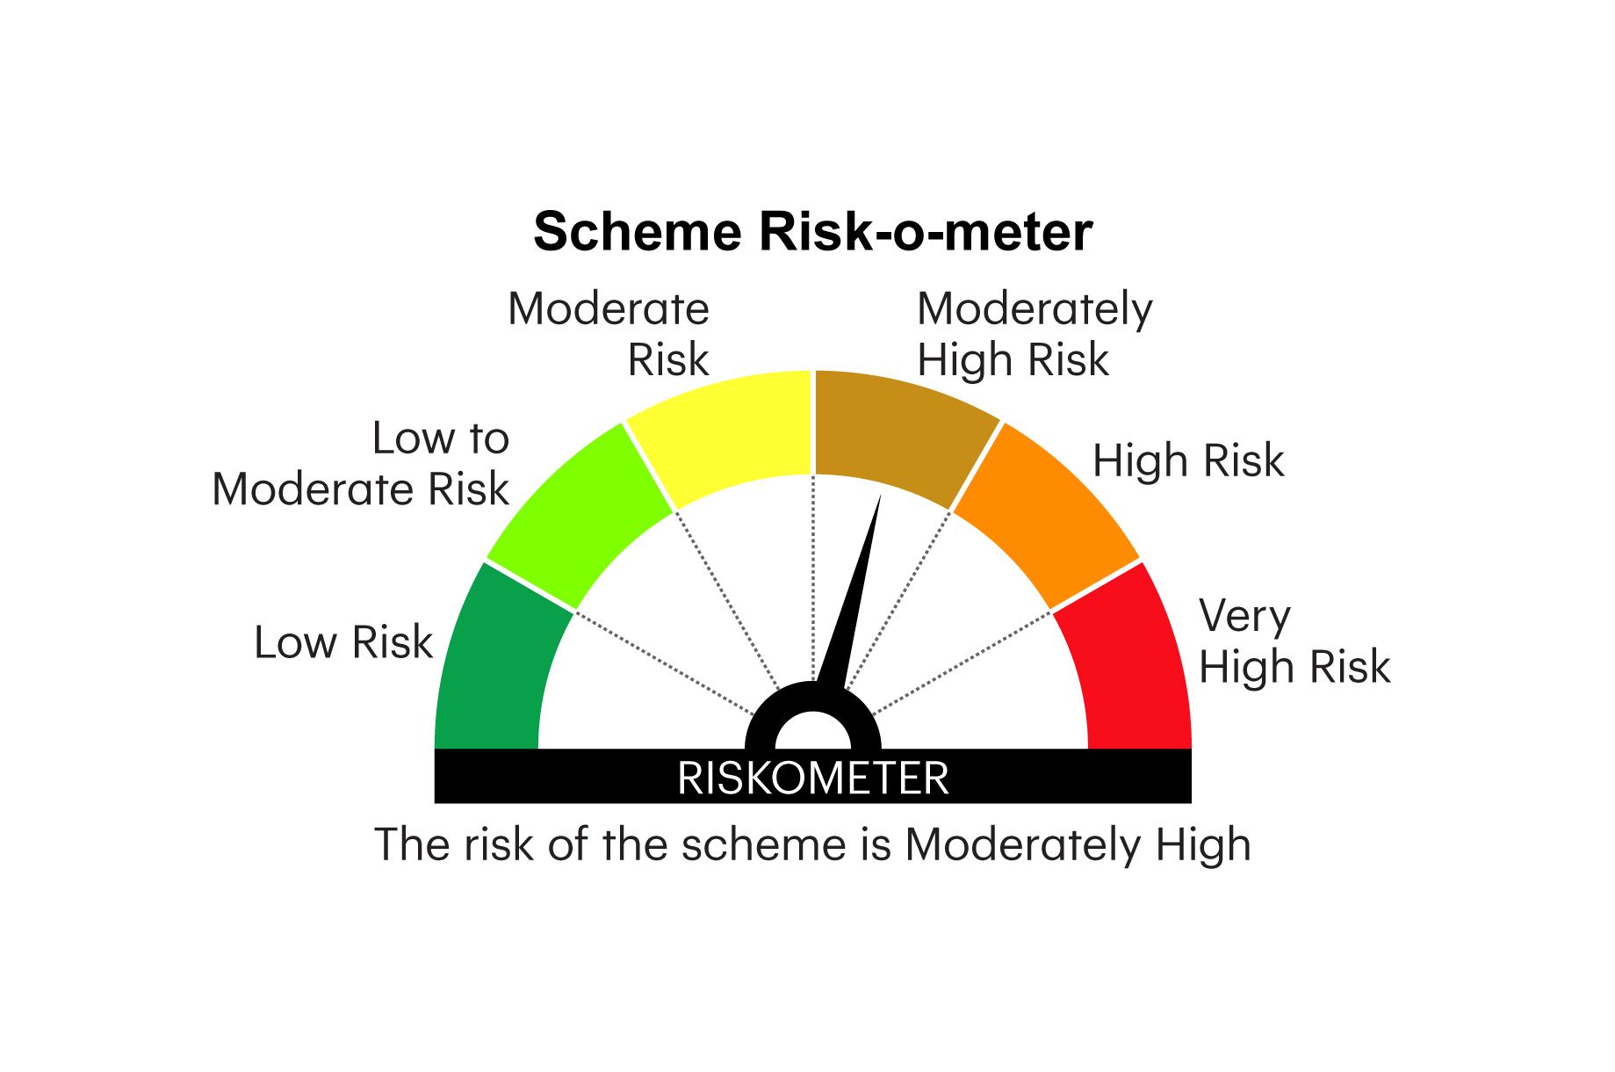
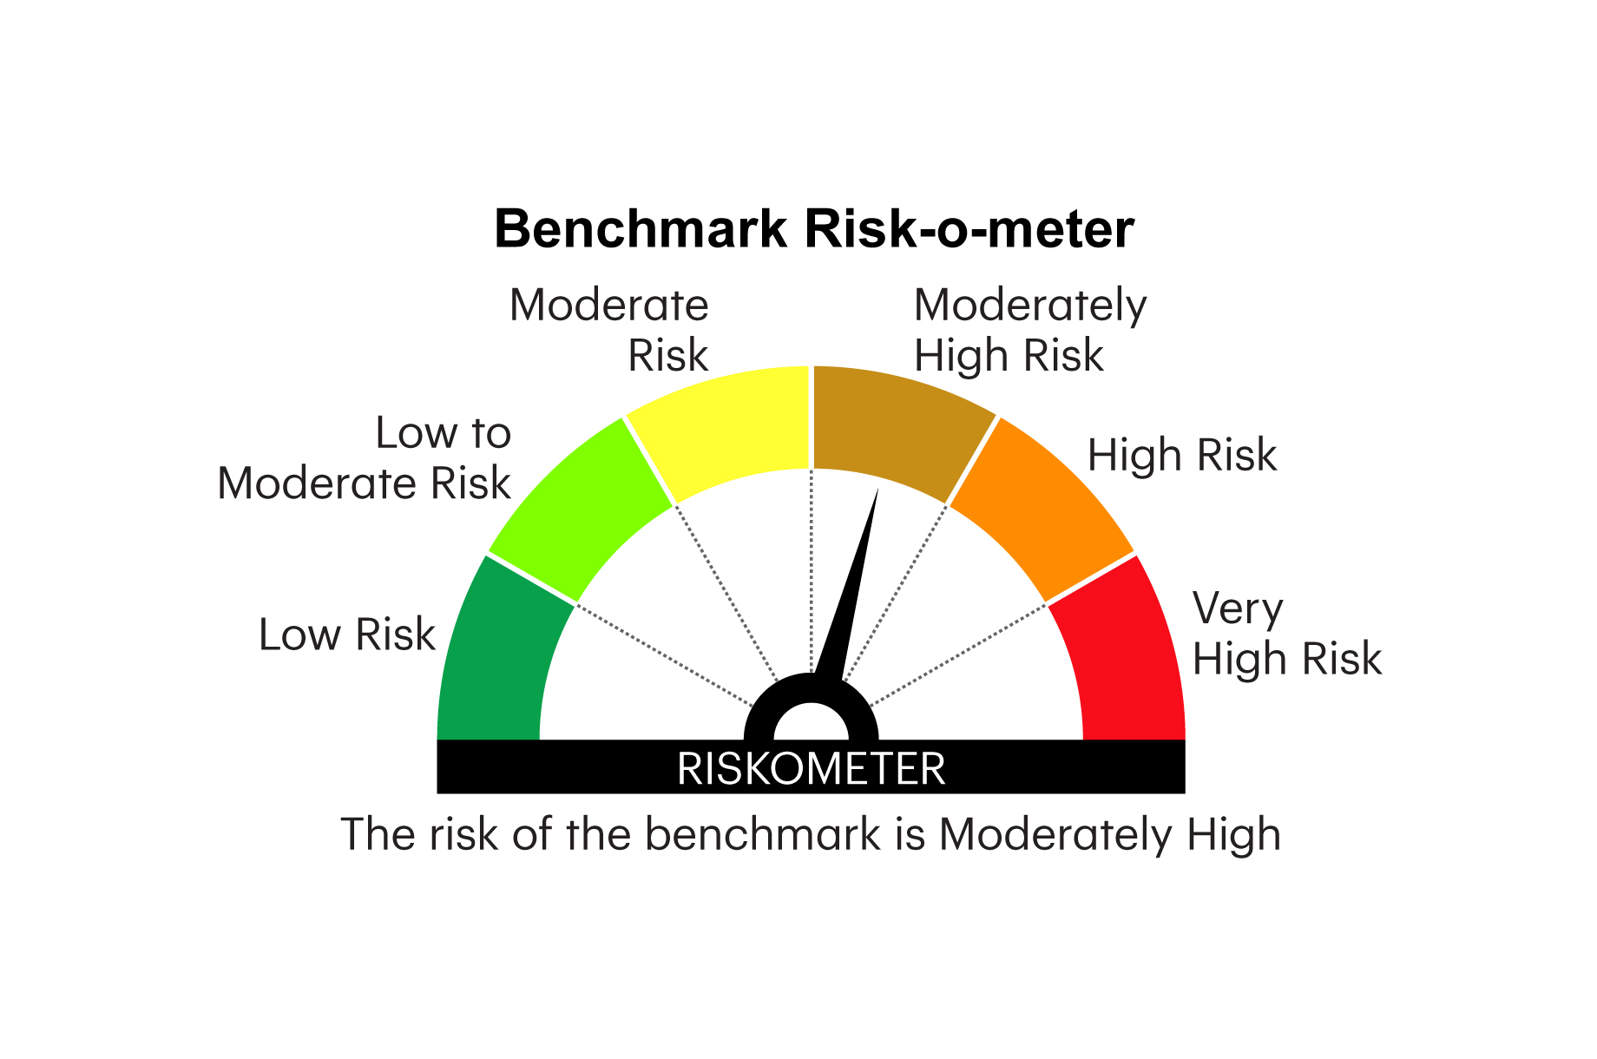
RICBOF | INVESCO MUTUAL FUND
 | Monthly Portfolio Statement as on May 31, 2026
 | Invesco India Credit Risk Fund (An open ended debt scheme predominantly investing in AA and below rated corporate bonds (excluding AA+ rated corporate bonds). A relatively high interest rate risk and moderate credit risk)

 | Name of the Instrument | ISIN | Industry* / Rating | Quantity | Market/Fair Value (Rs. in Lakhs) | % to Net Assets | YTM
 | Equity & Equity related
 | (a) Listed / awaiting listing on Stock Exchange |  |  |  | Nil | Nil | Nil
SINT04 | Sub Total |  |  |  | Nil | Nil | Nil
 | (b) Unlisted
SINT04 | Sintex Industries Ltd ** ^ # | INE429C01043 | Textiles & Apparels | 2,351,392 | 9.03 | 0.06
 | Sub Total |  |  |  | 9.03 | 0.06
 | Total |  |  |  | 9.03 | 0.06
 | InvITs Instruments
 | (a) Listed / awaiting listing on Stock Exchanges
ROAD01 | Roadstar Infra Investment Trust **@ | INE0JEI23010 |  | 125,000 | 78.16 | 0.49
 | Sub Total |  |  |  | 78.16 | 0.49
 | Total |  |  |  | 78.16 | 0.49
 | Debt Instruments
 | (a) Listed / awaiting listing on Stock Exchanges
GOI5228 | 7.18% Government of India 2033 | IN0020230085 | SOVEREIGN | 2,000,000 | 2,017.91 | 12.58 | 7.14%
GOI6889 | 6.68% Government of India 2040 | IN0020250042 | SOVEREIGN | 1,500,000 | 1,415.32 | 8.82 | 7.46%
THDC197 | 7.51% Tata Housing Development Company Limited 2028 ** | INE582L08078 | CARE AA | 1,400,000 | 1,374.10 | 8.56 | 8.32%
ADAP30 | 8% Adani Power Limited 2028 ** | INE814H07190 | CRISIL AA | 1,375,000 | 1,361.61 | 8.49 | 8.92%
AAHF90 | 8.65% Aadhar Housing Finance Limited 2027 ** | INE883F07330 | ICRA AA | 1,300,000 | 1,300.81 | 8.11 | 8.61%
MNGF320 | 9.10% Manappuram Finance Limited 2026 ** | INE522D07CH7 | CRISIL AA | 1,200,000 | 1,200.05 | 7.48 | 8.47%
OPAL47 | 8.29% ONGC Petro Additions Limited 2027 ** | INE163N08289 | CRISIL AA+ | 1,200,000 | 1,198.50 | 7.47 | 8.25%
MACR30 | 7.87% Lodha Developers Limited 2029 ** | INE670K07315 | CRISIL AA | 1,200,000 | 1,189.29 | 7.41 | 9.40%
IIFW338 | 8.75% 360 One Prime Limited 2027 ** | INE248U07GA9 | ICRA AA | 1,000,000 | 995.19 | 6.20 | 9.10%
GOI5379 | 7.32% Government of India 2030 | IN0020230135 | SOVEREIGN | 500,000 | 511.98 | 3.19 | 6.80%
GOI5713 | 7.1% Government of India 2034 | IN0020240019 | SOVEREIGN | 500,000 | 502.65 | 3.13 | 7.13%
ICFP137 | 9.85% IndoStar Capital Finance Limited 2026 ** | INE896L07934 | CRISIL AA- | 500,000 | 501.32 | 3.12 | 8.72%
CENT244 | 8.35% Aditya Birla Real Estate Limited 2027 ** | INE055A08052 | CRISIL AA | 500,000 | 498.20 | 3.10 | 8.61%
GOI7094 | 6.48% Government of India 2035 | IN0020250091 | SOVEREIGN | 500,000 | 482.17 | 3.00 | 7.13%
 | Sub Total |  |  |  | 14,549.10 | 90.66
 | (b) Privately placed / Unlisted |  |  |  | Nil | Nil | Nil
 | Sub Total |  |  |  | Nil | Nil | Nil
 | Total |  |  |  | 14,549.10 | 90.66
 | Money Market Instruments
 | TREPS / Reverse Repo
TRP_010626 | Triparty Repo |  |  |  | 938.50 | 5.85 | 5.34%
 | Sub Total |  |  |  | 938.50 | 5.85
 | Total |  |  |  | 938.50 | 5.85
 | Others
 | Corporate Debt Market Development Fund
CDMD50ME | Corporate Debt Market Development Fund Class A2 | INF0RQ622028 |  | 384 | 45.32 | 0.28
 | Sub Total |  |  |  | 45.32 | 0.28
 | Total |  |  |  | 45.32 | 0.28
 | Net Receivables / (Payables) |  |  |  | 426.46 | 2.66
 | GRAND TOTAL |  |  |  | 16,046.57 | 100.00

 | YTM - Yield To Maturity
 | * Industry Classification is as recommended by AMFI
 | ** Non Traded Security
 | # Unlisted Security
 | ^Pursuant to the approval of resolution plan for Sintex Industries Limited by the National Company Law Tribunal, Ahmedabad Bench on 10 February 2023, the Scheme had on 28 March 2023 received an amount of INR 4.79 Crores along-with 2,351,392 unlisted equity shares (FV INR 1 each) of Sintex Industries Limited ( ISIN: INE429C01043) as full and final settlement, performance and satisfaction, of all outstanding claims and dues from Sintex Industries Limited. The unlisted equity shares have been valued in line with valuation methodology prescribed pursuant to para 9.8 of SEBI master circular for Mutual funds dated June 27, 2024.

 | @ Pursuant to resolution plan for IL&FS Transportation Network Ltd. (‘ITNL’), the scheme received an amount of Rs 71.13 Lacs on February 27, 2025, and 4,00,000 units of Roadstar Infra Investment Trust (‘Roadstar InvITs’) having face value of Rs.100 each on March 07, 2025, as a part of the second interim distribution.

 | Notes :
 | (1) Details of security in default beyond it's maturity date: Nil
 | (2) Total Value and percentage of illiquid equity shares is ₹ 9.03 Lacs & 0.06% respectively.
 | (3) Net Assets Value per unit (in `) are as follows:
 | Sub- Plan / Option | As on May 31, 2026 | As on April 30, 2026
 | Regular - Growth | 2037.4081 | 2030.9147
 | Regular - Monthly IDCW | 1190.4566 | 1187.5782
 | Regular - Discretionary IDCW | 2036.7741 | 2030.2828
 | Direct - Growth | 2291.7185 | 2282.2780
 | Direct - Monthly IDCW | 1179.2175 | 1176.3280
 | Direct - Discretionary IDCW | 2308.8266 | 2299.3157

 | (4) Details of IDCW declared per unit (in `) during the Month ended as on May 31, 2026 are as follows:
 | Sub- Plan / Option | IDCW per unit
 | Regular - Monthly IDCW | 0.9172
 | Regular - Discretionary IDCW | NA
 | Direct - Monthly IDCW | 1.9733
 | Direct - Discretionary IDCW | NA

 | (5) Bonus declared during the Month ended as on May 31, 2026: Nil
 | (6) Total outstanding exposure in derivative instruments as on May 31, 2026: Nil
 | (7) Total investments in Foreign Securities / Overseas ETFs as on as on May 31, 2026 and its percentage to NAV: Nil
 | (8) Average maturity of the portfolio: 1318 days (3.61 years)
 | (9) Investment in Repo of Corporate Debt securities : Nil
 | (10) Deviation from the valuation prices given by valuation agencies during the Month ended as on May 31, 2026: Nil

 | In line with SEBI clarification, NAV as on May 29, 2026 were disclosed, due to non-business day on 30th & 31st May
 | The Face value per unit is ` 1000.
 | IDCW per unit as disclosed in the portfolios above is the aggregate of IDCW paid for all the record dates during the Month ended as on May 31, 2026. IDCW payouts/ re-investments are subject to deduction of TDS at the applicable rates.
 |  |  |  |  | BENCHMARK NAME - NIFTY CREDIT RISK BOND INDEX B-II
 | SCHEME RISK-O-METER |  |  |  | BENCHMARK RISK-O-METER

