Overnight Fund
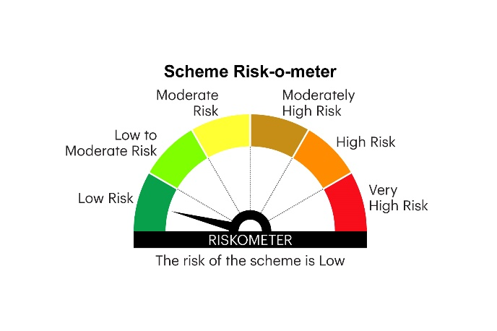
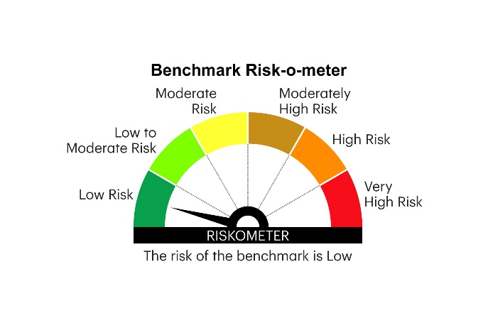
IOF | INVESCO MUTUAL FUND
 | Monthly Portfolio Statement as on January 31, 2026
 | Invesco India Overnight Fund (An open ended debt scheme investing in overnight securities.A relatively low interest rate risk and relatively low credit risk)

 | Name of the Instrument | ISIN | Rating | Quantity | Market/Fair Value (Rs. in Lakhs) | % to Net Assets | YTM
 | Money Market Instruments
 | Treasury Bill/Cash Management Bill
TBIL2545 | 182 Days Tbill (MD 05/02/2026) | IN002025Y198 | SOVEREIGN | 1,000,000 | 999.44 | 1.66 | 5.08%
TBIL2586 | 91 Days Tbill (MD 12/02/2026) | IN002025X331 | SOVEREIGN | 500,000 | 499.23 | 0.83 | 5.10%
TBIL2471 | 364 Days Tbill (MD 12/02/2026) | IN002024Z446 | SOVEREIGN | 500,000 | 499.23 | 0.83 | 5.10%
TBIL2475 | 364 Days Tbill (MD 20/02/2026) | IN002024Z453 | SOVEREIGN | 500,000 | 498.68 | 0.83 | 5.10%
 | Sub Total |  |  |  | 2,496.58 | 4.15
 | Reverse Repo
REP8_300126 | Reverse Repo |  |  | 17,999,801 | 17,999.80 | 29.89 | 5.40%
REP9_300126 | Reverse Repo |  |  | 10,470,997 | 10,471.00 | 17.39 | 5.25%
 | Sub Total |  |  |  | 28,470.80 | 47.28
 | TREPS / Reverse Repo
TRP_020226 | Triparty Repo |  |  |  | 29,048.40 | 48.24 | 5.15%
 | Sub Total |  |  |  | 29,048.40 | 48.24
 | Total |  |  |  | 60,015.78 | 99.67
 | Net Receivables / (Payables) |  |  |  | 200.94 | 0.33
 | GRAND TOTAL |  |  |  | 60,216.72 | 100.00

 | YTM - Yield To Maturity

 | Notes :
 | (1) Details of security in default beyond it's maturity date: Nil
 | (2) Total Value and percentage of illiquid equity shares: Nil
 | (3) Total outstanding exposure in derivative instruments as on January 31, 2026 Nil
 | (4) Total investments in Foreign Securities / Overseas ETFs as on January 31, 2026 Nil
 | (5) Deviation from the valuation prices given by valuation agencies during the month ended January 31, 2026: Nil
 |  |  |  |  | BENCHMARK NAME - NIFTY 1D RATE INDEX
 | SCHEME RISK-O-METER |  |  |  | BENCHMARK RISK-O-METER

