Overnight Fund
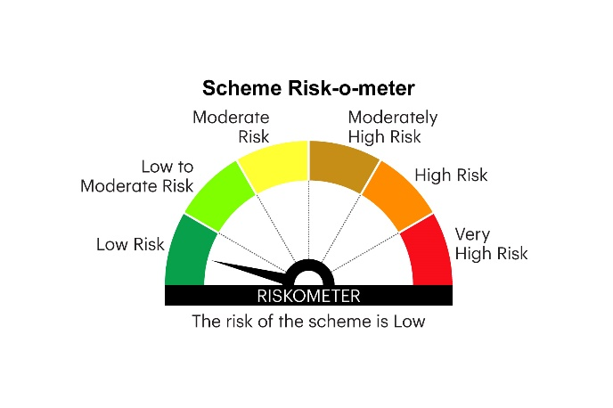
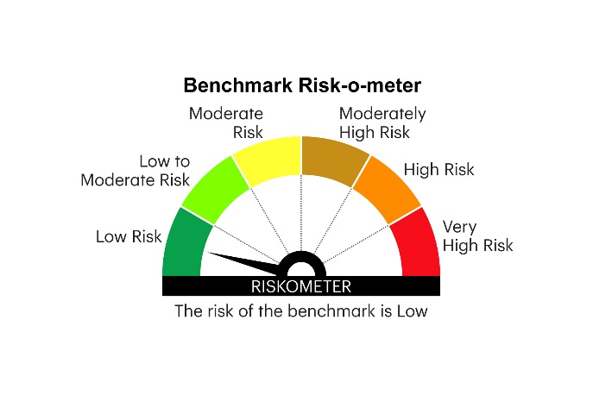
IOF | INVESCO MUTUAL FUND
 | Monthly Portfolio Statement as on February 28, 2026
 | Invesco India Overnight Fund (An open ended debt scheme investing in overnight securities. A relatively low interest rate risk and relatively low credit risk)

 | Name of the Instrument | ISIN | Rating | Quantity | Market/Fair Value (Rs. in Lakhs) | % to Net Assets | YTM
 | Money Market Instruments
 | Treasury Bill/Cash Management Bill
TBIL2483 | 364 Days Tbill (MD 12/03/2026) | IN002024Z487 | SOVEREIGN | 1,000,000 | 998.56 | 3.01 | 4.80%
TBIL2562 | 182 Days Tbill (MD 19/03/2026) | IN002025Y255 | SOVEREIGN | 1,000,000 | 997.74 | 3.01 | 4.60%
TBIL2599 | 91 Days Tbill (MD 12/03/2026) | IN002025X372 | SOVEREIGN | 300,000 | 299.57 | 0.90 | 4.80%
 | Sub Total |  |  |  | 2,295.87 | 6.92
 | Reverse Repo
REP14_270226 | Reverse Repo |  |  | 26,424,168 | 26,424.17 | 79.66 | 5.05%
 | Sub Total |  |  |  | 26,424.17 | 79.66
 | TREPS / Reverse Repo
TRP_020326 | Triparty Repo |  |  |  | 4,328.42 | 13.05 | 4.92%
 | Sub Total |  |  |  | 4,328.42 | 13.05
 | Total |  |  |  | 33,048.46 | 99.63
 | Net Receivables / (Payables) |  |  |  | 121.73 | 0.37
 | GRAND TOTAL |  |  |  | 33,170.19 | 100.00

 | YTM - Yield To Maturity

 | Notes :
 | (1) Details of security in default beyond it's maturity date: Nil
 | (2) Total Value and percentage of illiquid equity shares: Nil
 | (3) Total outstanding exposure in derivative instruments as on February 28, 2026 Nil
 | (4) Total investments in Foreign Securities / Overseas ETFs as on February 28, 2026 Nil
 | (5) Deviation from the valuation prices given by valuation agencies during the month ended February 28, 2026: Nil

 |  |  |  |  | BENCHMARK NAME - NIFTY 1D RATE INDEX
 | SCHEME RISK-O-METER |  |  |  | BENCHMARK RISK-O-METER

