Overnight Fund
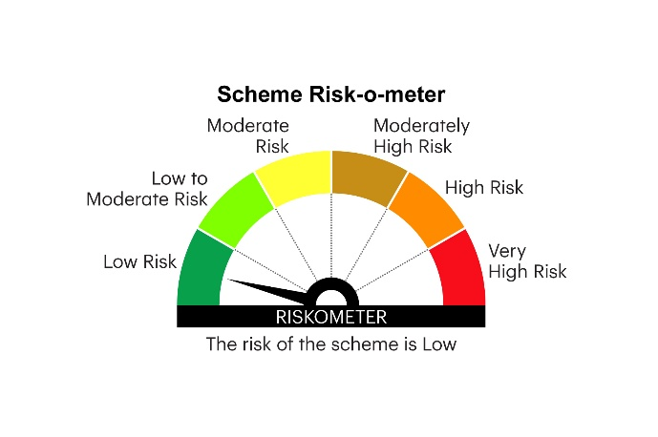
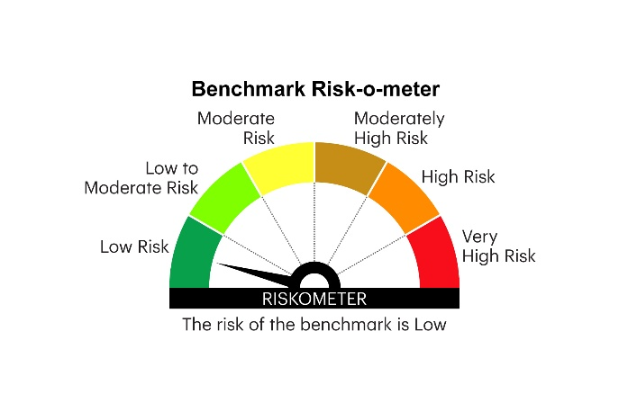
IOF | INVESCO MUTUAL FUND
 | Monthly Portfolio Statement as on March 31, 2026
 | Invesco India Overnight Fund (An open ended debt scheme investing in overnight securities. A relatively low interest rate risk and relatively low credit risk)

 | Name of the Instrument | ISIN | Rating | Quantity | Market/Fair Value (Rs. in Lakhs) | % to Net Assets | YTM
 | Money Market Instruments
 | Treasury Bill/Cash Management Bill
TBIL2615 | 91 Days Tbill (MD 23/04/2026) | IN002025X422 | SOVEREIGN | 1,300,000 | 1,295.86 | 4.10 | 5.30%
TBIL2499 | 364 Days Tbill (MD 16/04/2026) | IN002025Z039 | SOVEREIGN | 1,000,000 | 997.85 | 3.16 | 5.25%
TBIL2502 | 364 Days Tbill (MD 23/04/2026) | IN002025Z047 | SOVEREIGN | 1,000,000 | 996.82 | 3.15 | 5.30%
TBIL2575 | 182 Days Tbill (MD 16/04/2026) | IN002025Y297 | SOVEREIGN | 500,000 | 498.91 | 1.58 | 5.30%
TBIL2612 | 91 Days Tbill (MD 17/04/2026) | IN002025X414 | SOVEREIGN | 500,000 | 498.84 | 1.58 | 5.30%
 | Sub Total |  |  |  | 4,288.28 | 13.57
 | TREPS / Reverse Repo
ARCL14_300326 | 8% Repo in Corporate Debt Securities |  |  |  | 9,308.88 | 29.43 | 8.00%
TRP_020426 | Triparty Repo |  |  |  | 2,822.31 | 8.92 | 6.39%
REP7_300326 | Reverse Repo |  |  |  | 8,468.12 | 26.78 | 6.80%
REP8_300326 | Reverse Repo |  |  |  | 3,532.46 | 11.17 | 6.75%
REP6_300326 | Reverse Repo |  |  |  | 2,999.23 | 9.48 | 7.50%
 | Sub Total |  |  |  | 27,131.00 | 85.78
 | Total |  |  |  | 31,419.28 | 99.35
 | Net Receivables / (Payables) |  |  |  | 206.59 | 0.65
 | GRAND TOTAL |  |  |  | 31,625.87 | 100.00

 | YTM - Yield To Maturity

 | Notes :
 | (1) Details of security in default beyond it's maturity date: Nil
 | (2) Total Value and percentage of illiquid equity shares: Nil
 | (3) Total outstanding exposure in derivative instruments as on March 31, 2026 Nil
 | (4) Total investments in Foreign Securities / Overseas ETFs as on March 31, 2026 Nil
 | (5) Deviation from the valuation prices given by valuation agencies during the month ended March 31, 2026: Nil

 |  |  |  |  | BENCHMARK NAME - NIFTY 1D RATE INDEX
 | SCHEME RISK-O-METER |  |  |  | BENCHMARK RISK-O-METER

