Overnight Fund
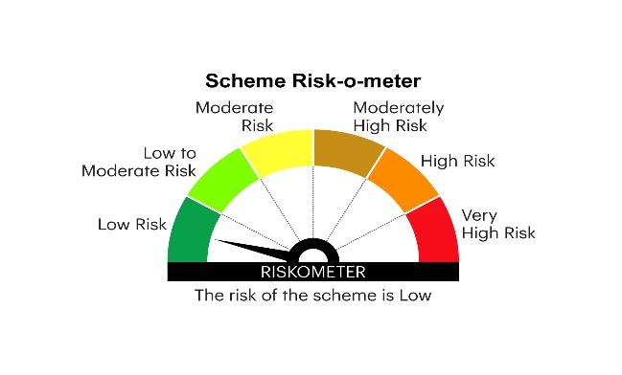
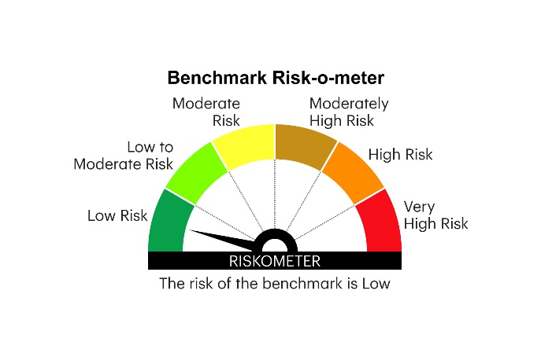
IOF | INVESCO MUTUAL FUND
 | Monthly Portfolio Statement as on May 31, 2026
 | Invesco India Overnight Fund (An open ended debt scheme investing in overnight securities. A relatively low interest rate risk and relatively low credit risk)

 | Name of the Instrument | ISIN | Rating | Quantity | Market/Fair Value (Rs. in Lakhs) | % to Net Assets | YTM
 | Money Market Instruments
 | Treasury Bill/Cash Management Bill
TBIL2519 | 364 Days Tbill (MD 11/06/2026) | IN002025Z112 | SOVEREIGN | 1,000,000 | 998.55 | 3.45 | 5.30%
TBIL2601 | 182 Days Tbill (MD 11/06/2026) | IN002025Y370 | SOVEREIGN | 500,000 | 499.28 | 1.73 | 5.30%
TBIL2641 | 91 Days Tbill (MD 19/06/2026) | IN002025X505 | SOVEREIGN | 500,000 | 498.72 | 1.72 | 5.22%
 | Sub Total |  |  |  | 1,996.55 | 6.90
 | Reverse Repo
REP1_290526 | Reverse Repo |  |  | 15,495,338 | 15,495.34 | 53.58 | 5.37%
 | Sub Total |  |  |  | 15,495.34 | 53.58
 | TREPS / Reverse Repo
TRP_010626 | Triparty Repo |  |  |  | 10,794.00 | 37.32 | 5.43%
 | Sub Total |  |  |  | 10,794.00 | 37.32
 | Total |  |  |  | 28,285.89 | 97.80
 | Net Receivables / (Payables) |  |  |  | 634.67 | 2.20
 | GRAND TOTAL |  |  |  | 28,920.56 | 100.00

 | YTM - Yield To Maturity

 | Notes :
 | (1) Details of security in default beyond it's maturity date: Nil
 | (2) Net Assets Value per unit (in `) are as follows:
 | Plan / Option | As on May 31, 2026 | As on April 30, 2026
 | Growth Option | 1367.4698 | 1361.6170
 | Daily IDCW Option | 1000.1395 | 1000.1395
 | Weekly IDCW Option | 1001.0805 | 1000.6405
 | Monthly IDCW Option | 1000.9647 | 1000.5115

 | Direct Plan
 | Growth Option | 1372.3937 | 1366.4519
 | Daily IDCW Option | 1000.5303 | 1000.5303
 | Weekly IDCW Option | NA | NA
 | Monthly IDCW Option | 1000.6220 | 1000.1902

 | (3) Details of IDCW declared per unit (in `) during the Month ended as on May 31, 2026 are as follows:
 | Plan / Option | IDCW per unit
 | Daily IDCW Option | 4.2976
 | Weekly IDCW Option | 3.8655
 | Monthly IDCW Option | 3.8487

 | Direct Plan
 | Daily IDCW Option | 4.5097
 | Weekly IDCW Option | NA
 | Monthly IDCW Option | 3.9164

 | (4) Bonus declared during the Month ended as on May 31, 2026: Nil
 | (5) Total outstanding exposure in derivative instruments as on May 31, 2026: Nil
 | (6) Total investments in Foreign Securities / Overseas ETFs as on as on May 31, 2026 and its percentage to NAV: Nil
 | (7) Average maturity of the portfolio: 2 days
 | (8) Investment in Repo of Corporate Debt securities are as follows:
 | Counterparty/Platform | Value of investment ( In lakhs) | Trade date | Maturity date | % to NAV
 | AMC Repo Clearing Limited | 5,997.37 | 2026-05-22 | 2026-05-22 | 11.10%

 | (9) Deviation from the valuation prices given by valuation agencies during the Month ended as on May 31, 2026: Nil

 | The face value per unit is ` 1,000.
 | IDCW per unit as disclosed in the portfolios above is the aggregate of IDCW paid for all the record dates during the Month ended as on May 31, 2026. IDCW payouts/ re-investments are subject to deduction of TDS at the applicable rates.
 |  |  |  |  | BENCHMARK NAME - NIFTY 1D RATE INDEX
 | SCHEME RISK-O-METER |  |  |  | BENCHMARK RISK-O-METER

