NJABF
NJABF | NJ Arbitrage Fund
 | (An open ended scheme investing in arbitrage opportunities)

 | Monthly Portfolio Statement as on January 31, 2023
 | Name of the Instrument | ISIN | Industry/ Rating | Quantity | Market/Fair Value (Rs. in Lakhs) | % to Net Assets | YTM~ | YTC^ | null
 | Equity & Equity related
 | (a) Listed / awaiting listing on Stock Exchanges
IBCL05 | ICICI Bank Limited | INE090A01021 | Banks | 49,700 | 413.45 | 7.46%
KOMA02 | Kotak Mahindra Bank Limited | INE237A01028 | Banks | 22,400 | 387.74 | 7.00%
SPIL03 | Sun Pharmaceutical Industries Limited | INE044A01036 | Pharmaceuticals & Biotechnology | 22,400 | 231.73 | 4.18%
HDFC03 | Housing Development Finance Corporation Limited | INE001A01036 | Finance | 8,100 | 212.46 | 3.83%
RIND01 | Reliance Industries Limited | INE002A01018 | Petroleum Products | 9,000 | 211.85 | 3.82%
MUND02 | Adani Ports and Special Economic Zone Limited | INE742F01042 | Transport Infrastructure | 33,750 | 206.77 | 3.73%
ACCL02 | ACC Limited | INE012A01025 | Cement & Cement Products | 10,000 | 196.83 | 3.55%
MCSP02 | United Spirits Limited | INE854D01024 | Beverages | 24,375 | 187.36 | 3.38%
UTIB02 | Axis Bank Limited | INE238A01034 | Banks | 20,400 | 177.81 | 3.21%
ZEET02 | Zee Entertainment Enterprises Limited | INE256A01028 | Entertainment | 72,000 | 163.30 | 2.95%
MAUD01 | Maruti Suzuki India Limited | INE585B01010 | Automobiles | 1,800 | 160.12 | 2.89%
TWAT02 | Titan Company Limited | INE280A01028 | Consumer Durables | 6,000 | 142.63 | 2.57%
HDFB03 | HDFC Bank Limited | INE040A01034 | Banks | 8,800 | 141.11 | 2.55%
TCSL01 | Tata Consultancy Services Limited | INE467B01029 | IT - Software | 4,200 | 141.07 | 2.55%
GUAM02 | Ambuja Cements Limited | INE079A01024 | Cement & Cement Products | 34,200 | 137.21 | 2.48%
ICEM01 | The India Cements Limited | INE383A01012 | Cement & Cement Products | 63,800 | 123.33 | 2.23%
ASHL02 | Ashok Leyland Limited | INE208A01029 | Agricultural, Commercial & Construction Vehicles | 80,000 | 119.60 | 2.16%
IIBL01 | IndusInd Bank Limited | INE095A01012 | Banks | 10,350 | 112.09 | 2.02%
HLEL02 | Hindustan Unilever Limited | INE030A01027 | Diversified FMCG | 4,200 | 108.22 | 1.95%
HCLT02 | HCL Technologies Limited | INE860A01027 | IT - Software | 7,700 | 86.41 | 1.56%
SBAI02 | State Bank of India | INE062A01020 | Banks | 10,500 | 58.12 | 1.05%
TCHE01 | Tata Chemicals Limited | INE092A01019 | Chemicals & Petrochemicals | 5,000 | 48.67 | 0.88%
DLFL01 | DLF Limited | INE271C01023 | Realty | 13,200 | 47.00 | 0.85%
SESA02 | Vedanta Limited | INE205A01025 | Diversified Metals | 14,000 | 46.54 | 0.84%
BTVL02 | Bharti Airtel Limited | INE397D01024 | Telecom - Services | 5,700 | 43.91 | 0.79%
VOLT02 | Voltas Limited | INE226A01021 | Consumer Durables | 5,400 | 43.34 | 0.78%
INFS02 | Infosys Limited | INE009A01021 | IT - Software | 2,400 | 36.81 | 0.66%
BAFL02 | Bajaj Finance Limited | INE296A01024 | Finance | 625 | 36.79 | 0.66%
BAND01 | Bandhan Bank Limited | INE545U01014 | Banks | 14,400 | 35.16 | 0.63%
AUPH03 | Aurobindo Pharma Limited | INE406A01037 | Pharmaceuticals & Biotechnology | 8,000 | 32.65 | 0.59%
BATA02 | Bata India Limited | INE176A01028 | Consumer Durables | 1,925 | 29.44 | 0.53%
TEMA02 | Tech Mahindra Limited | INE669C01036 | IT - Software | 2,400 | 24.36 | 0.44%
GAIL01 | GAIL (India) Limited | INE129A01019 | Gas | 18,300 | 17.41 | 0.31%
ILOM01 | ICICI Lombard General Insurance Company Limited | INE765G01017 | Insurance | 1,275 | 14.40 | 0.26%
LTFL01 | L&T Finance Holdings Limited | INE498L01015 | Finance | 8,924 | 7.93 | 0.14%
 | Sub Total |  |  |  | 4,183.60 | 75.50%
 | (b) Unlisted |  |  |  | NIL | NIL
 | Sub Total |  |  |  | NIL | NIL
 | Total |  |  |  | 4,183.60 | 75.50%
 | Derivatives
 | Index / Stock Futures
LTFHFEB23 | L&T Finance Holdings Limited February 2023 Future |  | Finance | -8,924 | (7.99) | (0.14)%
ILOMFEB23 | ICICI Lombard General Insurance Company Limited February 2023 Future |  | Insurance | -1,275 | (14.53) | (0.26)%
GAILFEB23 | GAIL (India) Limited February 2023 Future |  | Gas | -18,300 | (17.57) | (0.32)%
TEMAFEB23 | Tech Mahindra Limited February 2023 Future |  | IT - Software | -2,400 | (24.52) | (0.44)%
BATAFEB23 | Bata India Limited February 2023 Future |  | Consumer Durables | -1,925 | (29.65) | (0.54)%
AUPHFEB23 | Aurobindo Pharma Limited February 2023 Future |  | Pharmaceuticals & Biotechnology | -8,000 | (32.95) | (0.59)%
BANDFEB23 | Bandhan Bank Limited February 2023 Future |  | Banks | -14,400 | (35.47) | (0.64)%
INFSFEB23 | Infosys Limited February 2023 Future |  | IT - Software | -2,400 | (37.00) | (0.67)%
BAFLFEB23 | Bajaj Finance Limited February 2023 Future |  | Finance | -625 | (37.08) | (0.67)%
VOLTFEB23 | Voltas Limited February 2023 Future |  | Consumer Durables | -5,400 | (43.56) | (0.79)%
BTVLFEB23 | Bharti Airtel Limited February 2023 Future |  | Telecom - Services | -5,700 | (44.28) | (0.80)%
SESAFEB23 | Vedanta Limited February 2023 Future |  | Diversified Metals | -14,000 | (46.94) | (0.85)%
DLFLFEB23 | DLF Limited February 2023 Future |  | Realty | -13,200 | (47.43) | (0.86)%
TCHEFEB23 | Tata Chemicals Limited February 2023 Future |  | Chemicals & Petrochemicals | -5,000 | (49.08) | (0.89)%
SBAIFEB23 | State Bank of India February 2023 Future |  | Banks | -10,500 | (58.65) | (1.06)%
HCLTFEB23 | HCL Technologies Limited February 2023 Future |  | IT - Software | -7,700 | (87.03) | (1.57)%
HLELFEB23 | Hindustan Unilever Limited February 2023 Future |  | Diversified FMCG | -4,200 | (109.04) | (1.97)%
IIBLFEB23 | IndusInd Bank Limited February 2023 Future |  | Banks | -10,350 | (113.08) | (2.04)%
ASHLFEB23 | Ashok Leyland Limited February 2023 Future |  | Agricultural, Commercial & Construction Vehicles | -80,000 | (120.44) | (2.17)%
ICEMFEB23 | The India Cements Limited February 2023 Future |  | Cement & Cement Products | -63,800 | (124.35) | (2.24)%
GUAMFEB23 | Ambuja Cements Limited February 2023 Future |  | Cement & Cement Products | -34,200 | (137.89) | (2.49)%
TCSLFEB23 | Tata Consultancy Services Limited February 2023 Future |  | IT - Software | -4,200 | (142.23) | (2.57)%
HDFBFEB23 | HDFC Bank Limited February 2023 Future |  | Banks | -8,800 | (142.28) | (2.57)%
TWATFEB23 | Titan Company Limited February 2023 Future |  | Consumer Durables | -6,000 | (143.65) | (2.59)%
MAUDFEB23 | Maruti Suzuki India Limited February 2023 Future |  | Automobiles | -1,800 | (161.03) | (2.91)%
ZEETFEB23 | Zee Entertainment Enterprises Limited February 2023 Future |  | Entertainment | -72,000 | (164.30) | (2.97)%
UTIBFEB23 | Axis Bank Limited February 2023 Future |  | Banks | -20,400 | (179.36) | (3.24)%
MCSPFEB23 | United Spirits Limited February 2023 Future |  | Beverages | -24,375 | (188.88) | (3.41)%
ACCLFEB23 | ACC Limited February 2023 Future |  | Cement & Cement Products | -10,000 | (198.12) | (3.58)%
MUNDFEB23 | Adani Ports and Special Economic Zone Limited February 2023 Future |  | Transport Infrastructure | -33,750 | (207.97) | (3.75)%
RINDFEB23 | Reliance Industries Limited February 2023 Future |  | Petroleum Products | -9,000 | (213.53) | (3.85)%
HDFCFEB23 | Housing Development Finance Corporation Limited February 2023 Future |  | Finance | -8,100 | (214.25) | (3.87)%
SPILFEB23 | Sun Pharmaceutical Industries Limited February 2023 Future |  | Pharmaceuticals & Biotechnology | -22,400 | (232.10) | (4.19)%
KMBKFEB23 | Kotak Mahindra Bank Limited February 2023 Future |  | Banks | -22,400 | (390.07) | (7.04)%
IBCLFEB23 | ICICI Bank Limited February 2023 Future |  | Banks | -49,700 | (417.41) | (7.53)%
 | Sub Total |  |  |  | (4,213.69) | (76.04)%
 | Total |  |  |  | (4,213.69) | (76.04)%
 | Debt Instruments
 | (a) Listed / awaiting listing on Stock Exchange
GOI2040 | 7.37% Government of India (16/04/2023) | IN0020180025 | Sovereign | 100,000 | 100.19 | 1.81% | 6.48%
GOI1030 | 7.16% Government of India (20/05/2023) | IN0020130012 | Sovereign | 100,000 | 100.16 | 1.81% | 6.68%
 | Sub Total |  |  |  | 200.35 | 3.62%
 | (b) Privately placed / Unlisted |  |  |  | NIL | NIL
 | Sub Total |  |  |  | NIL | NIL
 | Total |  |  |  | 200.35 | 3.62%
 | Money Market Instruments
 | Treasury Bill
TBIL2010 | 364 Days Tbill (MD 16/02/2023) | IN002021Z483 | Sovereign | 100,000 | 99.74 | 1.80% | 6.25%
TBIL2101 | 182 Days Tbill (MD 16/03/2023) | IN002022Y252 | Sovereign | 100,000 | 99.26 | 1.79% | 6.33%
TBIL2121 | 182 Days Tbill (MD 04/05/2023) | IN002022Y328 | Sovereign | 100,000 | 98.38 | 1.78% | 6.54%
TBIL2063 | 364 Days Tbill (MD 15/06/2023) | IN002022Z119 | Sovereign | 100,000 | 97.62 | 1.76% | 6.65%
TBIL2146 | 182 Days Tbill (MD 29/06/2023) | IN002022Y401 | Sovereign | 100,000 | 97.38 | 1.76% | 6.65%
TBIL2148 | 182 Days Tbill (MD 06/07/2023) | IN002022Y419 | Sovereign | 100,000 | 97.19 | 1.75% | 6.81%
 | Sub Total |  |  |  | 589.57 | 10.64%
 | Total |  |  |  | 589.57 | 10.64%
 | Reverse Repo / TREPS
TRP_010223 | Clearing Corporation of India Ltd |  |  |  | 425.00 | 7.67% | 6.40%
 | Sub Total |  |  |  | 425.00 | 7.67%
 | (b) Privately placed / Unlisted |  |  |  | NIL | NIL
 | Sub Total |  |  |  | NIL | NIL
 | Total |  |  |  | 425.00 | 7.67%
 | Net Receivables / (Payables) |  |  |  | 142.61 | 2.57%
 | GRAND TOTAL |  |  |  | 5,541.13 | 100.00%

 | ~Annualised YTM as on January 31, 2023
 | ^ YTC represents Yield to Call provided by valuation agencies as on January 31, 2023. It is disclosed for Perpetual Bond issued by Banks (i.e. AT-1 Bond / Tier 1 Bond / Tier 2 Bond), as per AMFI Best Practices Guidelines Circular no. 135/BP/91/2020-21 read with SEBI circular No. SEBI/HO/IMD/DF4/CIR/P/2021/034 on Valuation of AT-1 Bonds and Tier 2 Bonds.
 | $$ NAV has been considered as on January 02,2023 since January 01,2023 being a non bussiness day.

 | Notes:
 | 1. Security in default beyond its maturiy date | NIL
 | 2. NAV at the beginning and end of the period (Rs. per unit)

 |  | NAV as on 02nd January 2023 $$ | NAV as on 31st January 2023
 | NJ Arbitrage Fund - Regular Growth | 10.2088 | 10.2419
 | NJ Arbitrage Fund - Direct Growth | 10.2400 | 10.2789

 | 3. Total Dividend (Net) declared during the month | NIL
 | 4. Bonus was declared during the month | NIL
 | 5. Investment in Repo of Corporate Debt Securities during the month | NIL
 | 6. Investment in foreign securities/ADRs/GDRs at the end of the month | NIL
 | 7. Portfolio Turnover Ratio | 0.95 Times
 | 8. Margin Deposits includes Margin money placed on derivatives other than margin money placed with bank | NIL
 | 9. Total value and percentage of Illiquid Equity shares | NIL
 | 10. Average Maturity for the debt securities held (as on January 31, 2023) | 63 days
 | 11. Instances of fair valuation of Securities or Deviation in valuation from what is provided by valuation agencies | NIL
 | 12. Deviation in the mandated asset allocation pursuant to SEBI Circular SEBI/HO/IMD/IMD-II DOF3/P/CIR/2022/39 dated March 30, 2022 | Nil

 | RISK-O-METER

 | NJ Arbitrage Fund
 | This product is suitable for investors who are seeking*:
 | - To generate income by investing in arbitrage opportunities - Predominantly investing in arbitrage opportunities in the cash and derivatives segment of the equity market. *Investors should consult their financial advisors if in doubt about whether the product is suitable for them. | 

 | Name of the Benchmark and its risk-o-meter:
 | NIFTY 50 Arbitrage Index | 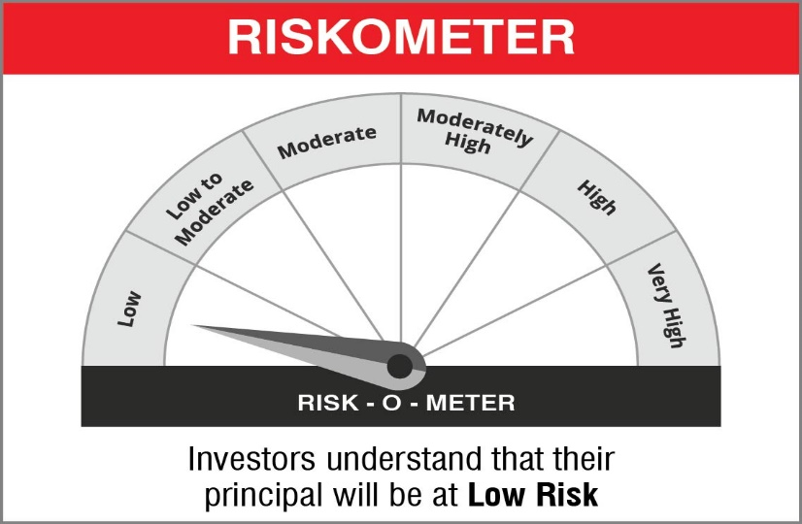

NJBAF
NJBAF | NJ Balanced Advantage Fund
 | (An open-ended Dynamic Asset Allocation Fund )

 | Monthly Portfolio Statement as on January 31, 2023
 | Name of the Instrument | ISIN | Industry/ Rating | Quantity | Market/Fair Value (Rs. in Lakhs) | % to Net Assets | YTM~ | YTC^ | null
 | Equity & Equity related
 | (a) Listed / awaiting listing on Stock Exchanges
IBCL05 | ICICI Bank Limited | INE090A01021 | Banks | 2,090,200 | 17,388.37 | 4.13%
IIBL01 | IndusInd Bank Limited | INE095A01012 | Banks | 1,040,850 | 11,271.89 | 2.68%
RIND01 | Reliance Industries Limited | INE002A01018 | Petroleum Products | 422,500 | 9,945.02 | 2.36%
LTIL01 | LTIMindtree Limited | INE214T01019 | IT - Software | 195,848 | 8,555.72 | 2.03%
TISC03 | Tata Steel Limited | INE081A01020 | Ferrous Metals | 6,351,368 | 7,602.59 | 1.80%
KOMA02 | Kotak Mahindra Bank Limited | INE237A01028 | Banks | 434,800 | 7,526.39 | 1.79%
SPIL03 | Sun Pharmaceutical Industries Limited | INE044A01036 | Pharmaceuticals & Biotechnology | 717,915 | 7,426.83 | 1.76%
TCSL01 | Tata Consultancy Services Limited | INE467B01029 | IT - Software | 209,306 | 7,029.96 | 1.67%
HDFB03 | HDFC Bank Limited | INE040A01034 | Banks | 419,100 | 6,720.27 | 1.60%
MUND02 | Adani Ports and Special Economic Zone Limited | INE742F01042 | Transport Infrastructure | 1,077,500 | 6,601.30 | 1.57%
JSPL03 | Jindal Steel & Power Limited | INE749A01030 | Ferrous Metals | 1,000,255 | 5,836.99 | 1.39%
BKBA02 | Bank of Baroda | INE028A01039 | Banks | 3,302,101 | 5,542.58 | 1.32%
IOIC01 | Indian Oil Corporation Limited | INE242A01010 | Petroleum Products | 6,623,112 | 5,414.39 | 1.29%
KCUL02 | Cummins India Limited | INE298A01020 | Industrial Products | 360,649 | 5,178.20 | 1.23%
CROM02 | CG Power and Industrial Solutions Limited | INE067A01029 | Electrical Equipment | 1,711,440 | 5,176.25 | 1.23%
SESA02 | Vedanta Limited | INE205A01025 | Diversified Metals | 1,544,662 | 5,134.46 | 1.22%
BRIT03 | Britannia Industries Limited | INE216A01030 | Food Products | 118,029 | 5,096.02 | 1.21%
BPCL01 | Bharat Petroleum Corporation Limited | INE029A01011 | Petroleum Products | 1,453,408 | 4,988.82 | 1.18%
MAHI02 | Mahindra & Mahindra Limited | INE101A01026 | Automobiles | 360,868 | 4,975.47 | 1.18%
GAIL01 | GAIL (India) Limited | INE129A01019 | Gas | 5,143,414 | 4,893.96 | 1.16%
HPEC01 | Hindustan Petroleum Corporation Limited | INE094A01015 | Petroleum Products | 2,044,879 | 4,864.77 | 1.15%
ONGC02 | Oil & Natural Gas Corporation Limited | INE213A01029 | Oil | 3,322,736 | 4,814.64 | 1.14%
JVSL04 | JSW Steel Limited | INE019A01038 | Ferrous Metals | 670,432 | 4,803.31 | 1.14%
HDFC03 | Housing Development Finance Corporation Limited | INE001A01036 | Finance | 180,600 | 4,737.05 | 1.12%
BALN01 | Bajaj Auto Limited | INE917I01010 | Automobiles | 123,967 | 4,733.37 | 1.12%
INFS02 | Infosys Limited | INE009A01021 | IT - Software | 307,775 | 4,720.50 | 1.12%
PLNG01 | Petronet LNG Limited | INE347G01014 | Gas | 2,169,286 | 4,712.77 | 1.12%
ITCL02 | ITC Limited | INE154A01025 | Diversified FMCG | 1,337,409 | 4,712.36 | 1.12%
MAUD01 | Maruti Suzuki India Limited | INE585B01010 | Automobiles | 52,700 | 4,687.82 | 1.11%
PGCI01 | Power Grid Corporation of India Limited | INE752E01010 | Power | 2,150,344 | 4,658.72 | 1.11%
NTPC01 | NTPC Limited | INE733E01010 | Power | 2,719,540 | 4,654.49 | 1.10%
YESB03 | Yes Bank Limited | INE528G01035 | Banks | 26,935,580 | 4,646.39 | 1.10%
HALT01 | Hindustan Aeronautics Limited | INE066F01012 | Aerospace & Defense | 181,590 | 4,635.72 | 1.10%
VNBL01 | Varun Beverages Limited | INE200M01013 | Beverages | 393,435 | 4,509.75 | 1.07%
NEST01 | Nestle India Limited | INE239A01016 | Food Products | 23,155 | 4,403.56 | 1.05%
COAL01 | Coal India Limited | INE522F01014 | Consumable Fuels | 1,938,589 | 4,358.92 | 1.03%
HZIN02 | Hindustan Zinc Limited | INE267A01025 | Non - Ferrous Metals | 1,294,126 | 4,307.50 | 1.02%
MARC02 | Marico Limited | INE196A01026 | Personal Products | 857,576 | 4,271.59 | 1.01%
SAEL02 | TVS Motor Company Limited | INE494B01023 | Automobiles | 411,926 | 4,270.64 | 1.01%
TLFH01 | Tube Investments of India Limited | INE974X01010 | Auto Components | 162,861 | 4,250.59 | 1.01%
COLG02 | Colgate Palmolive (India) Limited | INE259A01022 | Personal Products | 282,572 | 4,105.91 | 0.97%
TWAT02 | Titan Company Limited | INE280A01028 | Consumer Durables | 172,689 | 4,105.08 | 0.97%
NMDC01 | NMDC Limited | INE584A01023 | Minerals & Mining | 3,285,057 | 4,045.55 | 0.96%
BHEL02 | Bharat Electronics Limited | INE263A01024 | Aerospace & Defense | 4,225,916 | 4,012.51 | 0.95%
IHOT02 | The Indian Hotels Company Limited | INE053A01029 | Leisure Services | 1,309,223 | 3,940.76 | 0.94%
MCSP02 | United Spirits Limited | INE854D01024 | Beverages | 510,952 | 3,927.43 | 0.93%
IRCT02 | Indian Railway Catering And Tourism Corporation Limited | INE335Y01020 | Leisure Services | 607,801 | 3,869.26 | 0.92%
ASEA02 | ABB India Limited | INE117A01022 | Electrical Equipment | 135,551 | 3,848.97 | 0.91%
PIDI02 | Pidilite Industries Limited | INE318A01026 | Chemicals & Petrochemicals | 167,898 | 3,827.32 | 0.91%
SRFL01 | SRF Limited | INE647A01010 | Chemicals & Petrochemicals | 174,648 | 3,811.61 | 0.90%
DENI02 | Deepak Nitrite Limited | INE288B01029 | Chemicals & Petrochemicals | 202,607 | 3,809.11 | 0.90%
TAEL01 | Tata Elxsi Limited | INE670A01012 | IT - Software | 52,304 | 3,469.17 | 0.82%
BTVL02 | Bharti Airtel Limited | INE397D01024 | Telecom - Services | 438,900 | 3,380.85 | 0.80%
PAGE01 | Page Industries Limited | INE761H01022 | Textiles & Apparels | 8,391 | 3,359.46 | 0.80%
ADGL01 | Adani Total Gas Limited | INE399L01023 | Gas | 119,671 | 2,522.90 | 0.60%
UTIB02 | Axis Bank Limited | INE238A01034 | Banks | 222,000 | 1,934.95 | 0.46%
GUAM02 | Ambuja Cements Limited | INE079A01024 | Cement & Cement Products | 313,200 | 1,256.56 | 0.30%
SBAI02 | State Bank of India | INE062A01020 | Banks | 226,500 | 1,253.68 | 0.30%
ZEET02 | Zee Entertainment Enterprises Limited | INE256A01028 | Entertainment | 549,000 | 1,245.13 | 0.30%
BAFL02 | Bajaj Finance Limited | INE296A01024 | Finance | 19,750 | 1,162.56 | 0.28%
 | NMDC Steel Limited # | INE0NNS01018 | Metals & Minerals Trading | 4,155,894 | 1,099.23 | 0.26%
TEMA02 | Tech Mahindra Limited | INE669C01036 | IT - Software | 82,800 | 840.42 | 0.20%
GRAS02 | Grasim Industries Limited | INE047A01021 | Cement & Cement Products | 47,975 | 762.90 | 0.18%
ACCL02 | ACC Limited | INE012A01025 | Cement & Cement Products | 38,750 | 762.72 | 0.18%
TPOW02 | Tata Power Company Limited | INE245A01021 | Power | 300,375 | 639.50 | 0.15%
HLEL02 | Hindustan Unilever Limited | INE030A01027 | Diversified FMCG | 18,000 | 463.82 | 0.11%
CANB01 | Canara Bank | INE476A01014 | Banks | 137,700 | 418.54 | 0.10%
TCHE01 | Tata Chemicals Limited | INE092A01019 | Chemicals & Petrochemicals | 29,000 | 282.29 | 0.07%
HCLT02 | HCL Technologies Limited | INE860A01027 | IT - Software | 17,500 | 196.39 | 0.05%
LARS02 | Larsen & Toubro Limited | INE018A01030 | Construction | 7,500 | 159.33 | 0.04%
IFEL01 | Oracle Financial Services Software Limited | INE881D01027 | IT - Software | 4,400 | 134.06 | 0.03%
HINI02 | Hindalco Industries Limited | INE038A01020 | Non - Ferrous Metals | 11,200 | 52.46 | 0.01%
DRRL02 | Dr. Reddy's Laboratories Limited | INE089A01023 | Pharmaceuticals & Biotechnology | 375 | 16.22 | $0.00%
SECH03 | UPL Limited | INE628A01036 | Fertilizers & Agrochemicals | 1,300 | 9.84 | $0.00%
SUNT02 | Sun TV Network Limited | INE424H01027 | Entertainment | 1,500 | 6.93 | $0.00%
 | Sub Total |  |  |  | 302,793.33 | 71.87%
 | Total |  |  |  | 302,793.33 | 71.87%
 | Derivatives
 | Index / Stock Futures
NIFYFEB23 | Nifty 50 Index February 2023 Future |  | Index | 1,850 | 329.28 | 0.08%
SUNTFEB23 | Sun TV Network Limited February 2023 Future |  | Entertainment | -1,500 | (6.95) | $0.00%
SECHFEB23 | UPL Limited February 2023 Future |  | Fertilizers & Agrochemicals | -1,300 | (9.91) | $0.00%
DRRLFEB23 | Dr. Reddy's Laboratories Limited February 2023 Future |  | Pharmaceuticals & Biotechnology | -375 | (16.32) | $0.00%
NMDCFEB23 | NMDC Limited February 2023 Future |  | Minerals & Mining | -18,000 | (22.38) | (0.01)%
HINIFEB23 | Hindalco Industries Limited February 2023 Future |  | Non - Ferrous Metals | -11,200 | (52.90) | (0.01)%
SESAFEB23 | Vedanta Limited February 2023 Future |  | Diversified Metals | -20,000 | (67.05) | (0.02)%
TWATFEB23 | Titan Company Limited February 2023 Future |  | Consumer Durables | -3,000 | (71.82) | (0.02)%
IFELFEB23 | Oracle Financial Services Software Limited February 2023 Future |  | IT - Software | -4,400 | (135.06) | (0.03)%
LARSFEB23 | Larsen & Toubro Limited February 2023 Future |  | Construction | -7,500 | (160.33) | (0.04)%
HCLTFEB23 | HCL Technologies Limited February 2023 Future |  | IT - Software | -17,500 | (197.79) | (0.05)%
TCHEFEB23 | Tata Chemicals Limited February 2023 Future |  | Chemicals & Petrochemicals | -29,000 | (284.64) | (0.07)%
CANBFEB23 | Canara Bank February 2023 Future |  | Banks | -137,700 | (421.91) | (0.10)%
HLELFEB23 | Hindustan Unilever Limited February 2023 Future |  | Diversified FMCG | -18,000 | (467.30) | (0.11)%
TPOWFEB23 | Tata Power Company Limited February 2023 Future |  | Power | -300,375 | (645.21) | (0.15)%
ACCLFEB23 | ACC Limited February 2023 Future |  | Cement & Cement Products | -38,750 | (767.72) | (0.18)%
GRASFEB23 | Grasim Industries Limited February 2023 Future |  | Cement & Cement Products | -47,975 | (769.30) | (0.18)%
TEMAFEB23 | Tech Mahindra Limited February 2023 Future |  | IT - Software | -82,800 | (845.84) | (0.20)%
BAFLFEB23 | Bajaj Finance Limited February 2023 Future |  | Finance | -19,750 | (1,171.81) | (0.28)%
ZEETFEB23 | Zee Entertainment Enterprises Limited February 2023 Future |  | Entertainment | -549,000 | (1,252.82) | (0.30)%
GUAMFEB23 | Ambuja Cements Limited February 2023 Future |  | Cement & Cement Products | -313,200 | (1,262.82) | (0.30)%
SBAIFEB23 | State Bank of India February 2023 Future |  | Banks | -226,500 | (1,265.23) | (0.30)%
UTIBFEB23 | Axis Bank Limited February 2023 Future |  | Banks | -222,000 | (1,951.82) | (0.46)%
TCSLFEB23 | Tata Consultancy Services Limited February 2023 Future |  | IT - Software | -63,525 | (2,151.21) | (0.51)%
TISCFEB23 | Tata Steel Limited February 2023 Future |  | Ferrous Metals | -2,029,500 | (2,450.62) | (0.58)%
SPILFEB23 | Sun Pharmaceutical Industries Limited February 2023 Future |  | Pharmaceuticals & Biotechnology | -249,900 | (2,589.34) | (0.61)%
BTVLFEB23 | Bharti Airtel Limited February 2023 Future |  | Telecom - Services | -438,900 | (3,409.81) | (0.81)%
MAUDFEB23 | Maruti Suzuki India Limited February 2023 Future |  | Automobiles | -52,700 | (4,714.65) | (1.12)%
HDFCFEB23 | Housing Development Finance Corporation Limited February 2023 Future |  | Finance | -180,600 | (4,776.87) | (1.13)%
MUNDFEB23 | Adani Ports and Special Economic Zone Limited February 2023 Future |  | Transport Infrastructure | -1,077,500 | (6,639.56) | (1.58)%
HDFBFEB23 | HDFC Bank Limited February 2023 Future |  | Banks | -419,100 | (6,776.01) | (1.61)%
KMBKFEB23 | Kotak Mahindra Bank Limited February 2023 Future |  | Banks | -434,800 | (7,571.61) | (1.80)%
RINDFEB23 | Reliance Industries Limited February 2023 Future |  | Petroleum Products | -422,500 | (10,023.81) | (2.38)%
IIBLFEB23 | IndusInd Bank Limited February 2023 Future |  | Banks | -1,040,850 | (11,371.81) | (2.70)%
IBCLFEB23 | ICICI Bank Limited February 2023 Future |  | Banks | -2,090,200 | (17,554.54) | (4.17)%
 | Sub Total |  |  |  | (91,547.49) | (21.73)%
 | Total |  |  |  | (91,547.49) | (21.73)%
 | Debt Instruments
 | (a) Listed / awaiting listing on Stock Exchange
GOI2040 | 7.37% Government of India (16/04/2023) | IN0020180025 | Sovereign | 10,900,000 | 10,920.71 | 2.59% | 6.48%
GOI1030 | 7.16% Government of India (20/05/2023) | IN0020130012 | Sovereign | 6,900,000 | 6,911.10 | 1.64% | 6.68%
GOI417 | 6.30% Government of India (09/04/2023) | IN0020030014 | Sovereign | 5,000,000 | 4,998.50 | 1.19% | 6.52%
GOI1133 | 8.83% Government of India (25/11/2023) | IN0020130061 | Sovereign | 2,500,000 | 2,535.74 | 0.60% | 7.10%
GOI2186 | 7.32% Government of India (28/01/2024) | IN0020180488 | Sovereign | 2,500,000 | 2,509.30 | 0.60% | 7.04%
GOI990 | 8.64% State Government Securities (06/03/2023) | IN1020120201 | Sovereign | 2,500,000 | 2,505.96 | 0.59% | 6.42%
GOI983 | 8.67% State Government Securities (06/02/2023) | IN2220120090 | Sovereign | 2,500,000 | 2,500.73 | 0.59% | 6.38%
GOI2718 | 8.67% State Government Securities (06/02/2023) | IN3620120037 | Sovereign | 2,500,000 | 2,500.73 | 0.59% | 6.38%
GOI1011 | 8.25% State Government Securities (25/04/2023) | IN1020130010 | Sovereign | 2,000,000 | 2,006.86 | 0.48% | 6.78%
GOI1049 | 8.62% State Government Securities (06/03/2023) | IN2220120116 | Sovereign | 2,000,000 | 2,004.66 | 0.48% | 6.45%
GOI988 | 8.62% State Government Securities (20/02/2023) | IN1920120087 | Sovereign | 1,000,000 | 1,001.11 | 0.24% | 6.35%
GOI984 | 8.62% State Government Securities (20/02/2023) | IN2220120108 | Sovereign | 1,000,000 | 1,001.10 | 0.24% | 6.38%
GOI1515 | 8.39% State Government Securities (15/03/2023) | IN2920150322 | Sovereign | 500,000 | 501.14 | 0.12% | 6.71%
GOI3645 | 7.57% State Government Securities (27/03/2023) | IN3520180149 | Sovereign | 500,000 | 500.99 | 0.12% | 6.45%
GOI295 | 6.17% Government of India (12/06/2023) | IN0020030055 | Sovereign | 500,000 | 499.01 | 0.12% | 6.76%
 | Sub Total |  |  |  | 42,897.63 | 10.19%
 | (b) Privately placed / Unlisted |  |  |  | NIL | NIL
 | Sub Total |  |  |  | NIL | NIL
 | Total |  |  |  | 42,897.63 | 10.19%
 | Money Market Instruments
 | Treasury Bill
TBIL2148 | 182 Days Tbill (MD 06/07/2023) | IN002022Y419 | Sovereign | 7,400,000 | 7,192.02 | 1.71% | 6.81%
TBIL2122 | 91 Days Tbill (MD 09/02/2023) | IN002022X320 | Sovereign | 5,000,000 | 4,993.10 | 1.19% | 6.31%
TBIL2146 | 182 Days Tbill (MD 29/06/2023) | IN002022Y401 | Sovereign | 4,900,000 | 4,771.44 | 1.13% | 6.65%
TBIL2103 | 182 Days Tbill (MD 23/03/2023) | IN002022Y260 | Sovereign | 4,500,000 | 4,461.31 | 1.06% | 6.33%
TBIL2137 | 182 Days Tbill (MD 08/06/2023) | IN002022Y377 | Sovereign | 4,500,000 | 4,398.31 | 1.04% | 6.65%
TBIL2120 | 91 Days Tbill (MD 02/02/2023) | IN002022X312 | Sovereign | 3,000,000 | 2,999.48 | 0.71% | 6.35%
TBIL2067 | 364 Days Tbill (MD 22/06/2023) | IN002022Z127 | Sovereign | 3,000,000 | 2,924.92 | 0.69% | 6.65%
TBIL2142 | 91 Days Tbill (MD 23/03/2023) | IN002022X387 | Sovereign | 2,500,000 | 2,478.51 | 0.59% | 6.33%
TBIL2131 | 182 Days Tbill (MD 25/05/2023) | IN002022Y351 | Sovereign | 2,500,000 | 2,450.39 | 0.58% | 6.54%
TBIL2054 | 364 Days Tbill (MD 25/05/2023) | IN002022Z085 | Sovereign | 2,500,000 | 2,450.39 | 0.58% | 6.54%
TBIL2101 | 182 Days Tbill (MD 16/03/2023) | IN002022Y252 | Sovereign | 2,400,000 | 2,382.24 | 0.57% | 6.33%
TBIL2154 | 182 Days Tbill (MD 20/07/2023) | IN002022Y435 | Sovereign | 2,000,000 | 1,938.50 | 0.46% | 6.85%
TBIL2150 | 182 Days Tbill (MD 13/07/2023) | IN002022Y427 | Sovereign | 1,500,000 | 1,455.93 | 0.35% | 6.82%
TBIL2124 | 182 Days Tbill (MD 11/05/2023) | IN002022Y336 | Sovereign | 1,000,000 | 982.57 | 0.23% | 6.54%
TBIL2129 | 91 Days Tbill (MD 23/02/2023) | IN002022X346 | Sovereign | 500,000 | 498.11 | 0.12% | 6.30%
TBIL2068 | 364 Days Tbill (MD 29/06/2023) | IN002022Z135 | Sovereign | 500,000 | 486.88 | 0.12% | 6.65%
TBIL2010 | 364 Days Tbill (MD 16/02/2023) | IN002021Z483 | Sovereign | 400,000 | 398.98 | 0.09% | 6.25%
TBIL2121 | 182 Days Tbill (MD 04/05/2023) | IN002022Y328 | Sovereign | 400,000 | 393.51 | 0.09% | 6.54%
TBIL2063 | 364 Days Tbill (MD 15/06/2023) | IN002022Z119 | Sovereign | 400,000 | 390.47 | 0.09% | 6.65%
 | Sub Total |  |  |  | 48,047.05 | 11.40%
 | Total |  |  |  | 48,047.05 | 11.40%
 | Reverse Repo / TREPS
TRP_010223 | Clearing Corporation of India Ltd |  |  |  | 26,030.00 | 6.18% | 6.43%
 | Sub Total |  |  |  | 26,030.00 | 6.18%
 | (b) Privately placed / Unlisted |  |  |  | NIL | NIL
 | Sub Total |  |  |  | NIL | NIL
 | Total |  |  |  | 26,030.00 | 6.18%
 | Net Receivables / (Payables) |  |  |  | 1,511.45 | 0.36%
 | GRAND TOTAL |  |  |  | 421,279.46 | 100.00%

 | # Unlisted Security
 | $ Less Than 0.01% of Net Asset Value
 | ~ YTM as on January 31, 2023
 | ^ YTC represents Yield to Call provided by valuation agencies as on January 31, 2023. It is disclosed for Perpetual Bond issued by Banks (i.e. AT-1 Bond / Tier 1 Bond / Tier 2 Bond), as per AMFI Best Practices Guidelines Circular no. 135/BP/91/2020-21 read with SEBI circular No. SEBI/HO/IMD/DF4/CIR/P/2021/034 on Valuation of AT-1 Bonds and Tier 2 Bonds.
 | $$ NAV has been considered as on January 02,2023 since January 01,2023 being a non bussiness day.

 | Notes:
 | 1. Security in default beyond its maturiy date | NIL
 | 2. NAV at the beginning and end of the period (Rs. per unit)

 |  | NAV as on 02nd January 2023 $$ | NAV as on 31st January 2023
 | NJ Balanced Advantage Fund - Regular IDCW | 9.97 | 9.77
 | NJ Balanced Advantage Fund - Regular Growth | 9.97 | 9.77
 | NJ Balanced Advantage Fund - Direct IDCW | 10.13 | 9.94
 | NJ Balanced Advantage Fund - Direct Growth | 10.13 | 9.94

 | 3. Total Dividend (Net) declared during the month | NIL
 | 4. Bonus was declared during the month | NIL
 | 5. Investment in Repo of Corporate Debt Securities during the month | NIL
 | 6. Investment in foreign securities/ADRs/GDRs at the end of the month | NIL
 | 7. Portfolio Turnover Ratio | 0.37 Times
 | 8. Margin Deposits includes Margin money placed on derivatives other than margin money placed with bank | NIL
 | 9. Total value and percentage of Illiquid Equity shares | NIL
 | 10. Average Maturity for the debt securities held (as on January 31, 2023) | 76 days
 | 11. Instances of fair valuation of Securities or Deviation in valuation from what is provided by valuation agencies | NIL
 | 12. Deviation in the mandated asset allocation pursuant to SEBI Circular SEBI/HO/IMD/IMD-II DOF3/P/CIR/2022/39 dated March 30, 2022 | Nil

 | RISK-O-METER

 | NJ Balanced Advantage Fund
 | This product is suitable for investors who are seeking*:
 | • Long term capital Growth • Dynamic asset allocation between equity and specified debt securities *Investors should consult their financial advisors if in doubt about whether the product is suitable for them. | 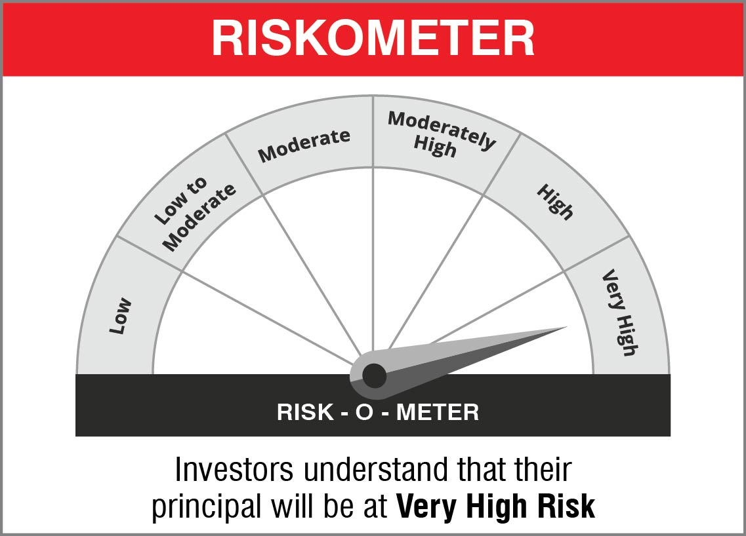

 | Name of the Benchmark and its risk-o-meter:
 | NIFTY 50 Hybrid Composite Debt 50:50 Index | 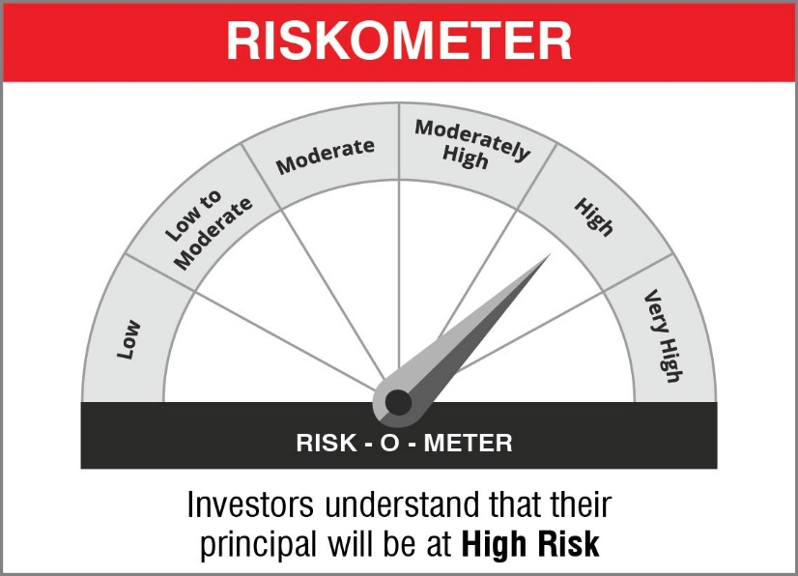

NJOVERFD
NJOVERFD | NJ Overnight Fund
 | (An open ended debt scheme investing in overnight securities with a relatively low interest rate risk and relatively low credit risk)

 | Monthly Portfolio Statement as on January 31, 2023
 | Name of the Instrument | ISIN | Industry / Rating | Quantity | Market/Fair Value (Rs. in Lakhs) | % to Net Assets | YTM~ | YTC^ | null
 | Reverse Repo / TREPS
TRP_010223 | Clearing Corporation of India Ltd |  |  |  | 3,470.00 | 98.92% | 6.44%
 | Sub Total |  |  |  | 3,470.00 | 98.92%
 | Total |  |  |  | 3,470.00 | 98.92%
 | Net Receivables / (Payables) |  |  |  | 37.99 | 1.08%
 | GRAND TOTAL |  |  |  | 3,507.99 | 100.00%

 | ~ YTM as on January 31, 2023
 | ^ YTC represents Yield to Call provided by valuation agencies as on January 31, 2023. It is disclosed for Perpetual Bond issued by Banks (i.e. AT-1 Bond / Tier 1 Bond / Tier 2 Bond), as per AMFI Best Practices Guidelines Circular no. 135/BP/91/2020-21 read with SEBI circular No. SEBI/HO/IMD/DF4/CIR/P/2021/034 on Valuation of AT-1 Bonds and Tier 2 Bonds.

 |  | Portfolio Information
 | Scheme Name : | NJ Overnight Fund
 | Description (if any) | An open ended debt scheme investing in overnight securities with a relatively low interest rate risk and relatively low credit risk

 | Annualised Portfolio YTM* : | 6.44%

 | Macaulay Duration | 01 Day
 | Residual Maturity | 01 Day

 | As on (Date) | 2023-01-31
 | * in case of semi annual YTM, it will be annualised

 | Notes:
 | 1. Security in default beyond its maturiy date | NIL
 | 2. NAV at the beginning and end of the period (Rs. per unit)
 |  | NAV as on 01st January 2023 | NAV as on 31st January 2023
 | NJ Overnight Fund - Regular Growth | 1023.6093 | 1028.6752
 | NJ Overnight Fund - Direct Growth | 1024.037 | 1029.1895

 | 3. Total Dividend (Net) declared during the period | NA
 | 4. Bonus was declared during the period | NA
 | 5. Investment in Repo of Corporate Debt Securities during the period | NIL
 | 6. Investment in foreign securities/ADRs/GDRs at the end of the period | NIL
 | 7. Margin Deposits includes Margin money placed on derivatives other than margin money placed with bank | NA
 | 8. Total value and percentage of Illiquid Equity shares | NA
 | 9. Average Maturity for the debt securities held (as on January 31, 2023) | 1 day
 | 10. Instances of fair valuation of Securities or Deviation in valuation from what is provided by valuation agencies | NIL

 | RISK-O-METER

 | NJ Overnight Fund
 | This product is suitable for investors who are seeking*:
 | - An overnight fund that aims to generate optimal returns in line with overnight rates and high liquidity - To invest in debt and money market instruments with maturity of 1 day *Investors should consult their financial advisors if in doubt about whether the product is suitable for them.

 | Name of the Benchmark and its risk-o-meter:
 | NIFTY 1D Rate Index

 |  | A Relatively Low Interest Rate Risk and Relatively Low Credit Risk

