NJABF
 | NJ Arbitrage Fund
 | (An open ended scheme investing in arbitrage opportunities)

 | Monthly Portfolio Statement as on December 31, 2022
 | Name of the Instrument | ISIN | Industry / Rating | Quantity | Market/Fair Value (Rs. in Lakhs) | % to Net Assets | YTM~ | YTC^
 | Equity & Equity related
 | (a) Listed / awaiting listing on Stock Exchanges
MUND02 | Adani Ports and Special Economic Zone Limited | INE742F01042 | Transport Infrastructure | 33,750 | 276.11 | 5.05%
KOMA02 | Kotak Mahindra Bank Limited | INE237A01028 | Banks | 14,400 | 263.12 | 4.81%
HDFB03 | ACC Limited | INE012A01025 | Cement & Cement Products | 10,000 | 244.16 | 4.46%
ACCL02 | Sun Pharmaceutical Industries Limited | INE044A01036 | Pharmaceuticals & Biotechnology | 22,400 | 224.31 | 4.10%
SPIL03 | HDFC Bank Limited | INE040A01034 | Banks | 13,750 | 223.87 | 4.09%
MCSP02 | United Spirits Limited | INE854D01024 | Beverages | 24,375 | 213.90 | 3.91%
IBCL05 | Housing Development Finance Corporation Limited | INE001A01036 | Finance | 8,100 | 213.65 | 3.91%
HDFC03 | ICICI Bank Limited | INE090A01021 | Banks | 23,800 | 212.02 | 3.88%
GUAM02 | Reliance Industries Limited | INE002A01018 | Petroleum Products | 7,750 | 197.41 | 3.61%
ZEET02 | Ambuja Cements Limited | INE079A01024 | Cement & Cement Products | 34,200 | 179.24 | 3.28%
RIND01 | Zee Entertainment Enterprises Limited | INE256A01028 | Entertainment | 72,000 | 172.84 | 3.16%
HCLT02 | Titan Company Limited | INE280A01028 | Consumer Durables | 6,000 | 155.85 | 2.85%
ICEM01 | Maruti Suzuki India Limited | INE585B01010 | Automobiles | 1,800 | 151.10 | 2.76%
IIBL01 | HCL Technologies Limited | INE860A01027 | IT - Software | 14,000 | 145.50 | 2.66%
ASHL02 | The India Cements Limited | INE383A01012 | Cement & Cement Products | 63,800 | 139.37 | 2.55%
FEBA02 | IndusInd Bank Limited | INE095A01012 | Banks | 10,350 | 126.28 | 2.31%
HLEL02 | Ashok Leyland Limited | INE208A01029 | Agricultural, Commercial & Construction Vehicles | 80,000 | 114.72 | 2.10%
MAUD01 | Hindustan Unilever Limited | INE030A01027 | Diversified FMCG | 4,200 | 107.56 | 1.97%
ITCL02 | Bharti Airtel Limited | INE397D01024 | Telecom - Services | 12,350 | 99.55 | 1.82%
DLFL01 | Tata Consultancy Services Limited | INE467B01029 | IT - Software | 2,975 | 96.89 | 1.77%
TCHE01 | ITC Limited | INE154A01025 | Diversified FMCG | 24,000 | 79.57 | 1.45%
SESA02 | DLF Limited | INE271C01023 | Realty | 13,200 | 49.50 | 0.91%
VOLT02 | Tata Chemicals Limited | INE092A01019 | Chemicals & Petrochemicals | 5,000 | 46.86 | 0.86%
BAFL02 | Voltas Limited | INE226A01021 | Consumer Durables | 5,400 | 43.19 | 0.79%
AUPH03 | Vedanta Limited | INE205A01025 | Diversified Metals | 14,000 | 43.18 | 0.79%
BAND01 | Bajaj Finance Limited | INE296A01024 | Finance | 625 | 41.10 | 0.75%
TELC03 | Aurobindo Pharma Limited | INE406A01037 | Pharmaceuticals & Biotechnology | 8,000 | 35.06 | 0.64%
GAIL01 | Bandhan Bank Limited | INE545U01014 | Banks | 14,400 | 33.72 | 0.62%
ILOM01 | SBI Cards and Payment Services Limited | INE018E01016 | Finance | 4,000 | 31.82 | 0.58%
HDLI01 | Bata India Limited | INE176A01028 | Consumer Durables | 1,925 | 31.75 | 0.58%
 | Tech Mahindra Limited | INE669C01036 | IT - Software | 2,400 | 24.39 | 0.45%
 | GAIL (India) Limited | INE129A01019 | Gas | 18,300 | 17.58 | 0.32%
 | ICICI Lombard General Insurance Company Limited | INE765G01017 | Insurance | 1,275 | 15.77 | 0.29%
 | Sub Total |  |  |  | 4,050.95 | 74.07%
 | (b) Unlisted |  |  |  | NIL | NIL
 | Sub Total |  |  |  | NIL | NIL
HDLIDEC22 | Total |  |  |  | 4,050.95 | 74.07%
 | Derivatives
 | Index / Stock Futures
 | ICICI Lombard General Insurance Company Limited January 2023 Future |  | Insurance | -1,275 | (15.88) | (0.29)%
 | GAIL (India) Limited January 2023 Future |  | Gas | -18,300 | (17.70) | (0.32)%
 | Tech Mahindra Limited January 2023 Future |  | IT - Software | -2,400 | (24.51) | (0.45)%
 | SBI Cards and Payment Services Limited January 2023 Future |  | Finance | -4,000 | (31.95) | (0.58)%
 | Bata India Limited January 2023 Future |  | Consumer Durables | -1,925 | (31.96) | (0.58)%
 | Bandhan Bank Limited January 2023 Future |  | Banks | -14,400 | (33.96) | (0.62)%
 | Aurobindo Pharma Limited January 2023 Future |  | Pharmaceuticals & Biotechnology | -8,000 | (35.24) | (0.64)%
 | Bajaj Finance Limited January 2023 Future |  | Finance | -625 | (41.39) | (0.76)%
 | Vedanta Limited January 2023 Future |  | Diversified Metals | -14,000 | (43.39) | (0.79)%
 | Voltas Limited January 2023 Future |  | Consumer Durables | -5,400 | (43.43) | (0.79)%
 | Tata Chemicals Limited January 2023 Future |  | Chemicals & Petrochemicals | -5,000 | (47.03) | (0.86)%
 | DLF Limited January 2023 Future |  | Realty | -13,200 | (49.80) | (0.91)%
 | ITC Limited January 2023 Future |  | Diversified FMCG | -24,000 | (79.98) | (1.46)%
 | Tata Consultancy Services Limited January 2023 Future |  | IT - Software | -2,975 | (97.29) | (1.78)%
 | Bharti Airtel Limited January 2023 Future |  | Telecom - Services | -12,350 | (100.21) | (1.83)%
 | Hindustan Unilever Limited January 2023 Future |  | Diversified FMCG | -4,200 | (108.23) | (1.98)%
 | Ashok Leyland Limited January 2023 Future |  | Agricultural, Commercial & Construction Vehicles | -80,000 | (115.48) | (2.11)%
 | IndusInd Bank Limited January 2023 Future |  | Banks | -10,350 | (126.91) | (2.32)%
 | The India Cements Limited January 2023 Future |  | Cement & Cement Products | -63,800 | (140.23) | (2.56)%
 | HCL Technologies Limited January 2023 Future |  | IT - Software | -14,000 | (144.69) | (2.65)%
 | Maruti Suzuki India Limited January 2023 Future |  | Automobiles | -1,800 | (151.71) | (2.77)%
 | Titan Company Limited January 2023 Future |  | Consumer Durables | -6,000 | (156.64) | (2.86)%
 | Zee Entertainment Enterprises Limited January 2023 Future |  | Entertainment | -72,000 | (173.59) | (3.17)%
 | Ambuja Cements Limited January 2023 Future |  | Cement & Cement Products | -34,200 | (180.51) | (3.30)%
 | Reliance Industries Limited January 2023 Future |  | Petroleum Products | -7,750 | (198.80) | (3.63)%
 | ICICI Bank Limited January 2023 Future |  | Banks | -23,800 | (213.51) | (3.90)%
 | Housing Development Finance Corporation Limited January 2023 Future |  | Finance | -8,100 | (215.17) | (3.93)%
 | United Spirits Limited January 2023 Future |  | Beverages | -24,375 | (215.22) | (3.94)%
 | HDFC Bank Limited January 2023 Future |  | Banks | -13,750 | (224.46) | (4.10)%
 | Sun Pharmaceutical Industries Limited January 2023 Future |  | Pharmaceuticals & Biotechnology | -22,400 | (225.28) | (4.12)%
 | ACC Limited January 2023 Future |  | Cement & Cement Products | -10,000 | (245.80) | (4.49)%
 | Kotak Mahindra Bank Limited January 2023 Future |  | Banks | -14,400 | (264.98) | (4.85)%
 | Adani Ports and Special Economic Zone Limited January 2023 Future |  | Transport Infrastructure | -33,750 | (277.98) | (5.08)%
 | Sub Total |  |  |  | (4,072.89) | (74.47)%
 | Total |  |  |  | (4,072.89) | (74.47)%
HDFCDEC22 | Debt Instruments
IBCLDEC22 | (a) Listed / awaiting listing on Stock Exchange
MCSPDEC22 | 7.37% Government of India (16/04/2023) | IN0020180025 | Sovereign | 100,000 | 100.23 | 1.83% | 6.56%
SPILDEC22 | 7.16% Government of India (20/05/2023) | IN0020130012 | Sovereign | 100,000 | 100.20 | 1.83% | 6.67%
ACCLDEC22 | Sub Total |  |  |  | 200.43 | 3.66%
KMBKDEC22 | (b) Privately placed / Unlisted |  |  |  | NIL | NIL
MUNDDEC22 | Sub Total |  |  |  | NIL | NIL
 | Total |  |  |  | 200.43 | 3.66%
 | Money Market Instruments
 | Treasury Bill
 | 182 Days Tbill (MD 26/01/2023) | IN002022Y179 | Sovereign | 300,000 | 298.80 | 5.46% | 5.87%
TBIL2064 | 182 Days Tbill (MD 19/01/2023) | IN002022Y161 | Sovereign | 200,000 | 199.40 | 3.65% | 6.10%
TBIL2079 | 364 Days Tbill (MD 15/06/2023) | IN002022Z119 | Sovereign | 100,000 | 97.07 | 1.77% | 6.68%
TBIL2078 | Sub Total |  |  |  | 595.27 | 10.88%
 | Total |  |  |  | 595.27 | 10.88%
 | Reverse Repo / TREPS
 | Clearing Corporation of India Ltd |  |  |  | 339.94 | 6.22% | 6.49%
TRP_011222 | Sub Total |  |  |  | 339.94 | 6.22%
 | (b) Privately placed / Unlisted |  |  |  | NIL | NIL
 | Sub Total |  |  |  | NIL | NIL
 | Total |  |  |  | 339.94 | 6.22%
 | Net Receivables / (Payables) |  |  |  | 282.48 | 5.17%
 | GRAND TOTAL |  |  |  | 5,469.07 | 100.00%

 | ~ Annualised YTM as on December 31, 2022
 | ^ Pursuant to AMFI circular no. 135/BP/91/2020-21, Yield to Call (YTC) for AT-1 bonds and Tier-2 bonds as on December 31, 2022.
 | $$ NAV has been considered as on December 30,2022 since December 31,2022 being a non bussiness day.

 | Notes:
 | 1. Security in default beyond its maturiy date | NIL
 | 2. NAV at the beginning and end of the period (Rs. per unit)

 |  | NAV as on 01st December 2022 | NAV as on 30th December 2022
 | NJ Arbitrage Fund - Regular Growth | 10.1337 | 10.205
 | NJ Arbitrage Fund - Direct Growth | 10.1584 | 10.2355

 | 3. Total Dividend (Net) declared during the month | NIL
 | 4. Bonus was declared during the month | NIL
 | 5. Investment in Repo of Corporate Debt Securities during the month | NIL
 | 6. Investment in foreign securities/ADRs/GDRs at the end of the month | NIL
 | 7. Portfolio Turnover Ratio | 0.96 Times
 | 8. Margin Deposits includes Margin money placed on derivatives other than margin money placed with bank | NIL
 | 9. Total value and percentage of Illiquid Equity shares | NIL
 | 10. Average Maturity for the debt securities held (as on December 31, 2022) | 47 days
 | 11. Instances of fair valuation of Securities or Deviation in valuation from what is provided by valuation agencies | NIL
 | 12. Deviation in the mandated asset allocation pursuant to SEBI Circular SEBI/HO/IMD/IMD-II DOF3/P/CIR/2022/39 dated March 30, 2022 | Nil

 | RISK-O-METER

 | NJ Arbitrage Fund
 | This product is suitable for investors who are seeking*:
 | - To generate income by investing in arbitrage opportunities - Predominantly investing in arbitrage opportunities in the cash and derivatives segment of the equity market. *Investors should consult their financial advisors if in doubt about whether the product is suitable for them. | 

 | Name of the Benchmark and its risk-o-meter:
 | NIFTY 50 Arbitrage Index

NJBAF
 | NJ Balanced Advantage Fund
 | (An open-ended Dynamic Asset Allocation Fund )

 | Monthly Portfolio Statement as on December 31, 2022
 | Name of the Instrument | ISIN | Industry / Rating | Quantity | Market/Fair Value (Rs. in Lakhs) | % to Net Assets | YTM~ | YTC^ | null
 | Equity & Equity related
 | (a) Listed / awaiting listing on Stock Exchanges
HDFB03 | IndusInd Bank Limited | INE095A01012 | Banks | 1,040,850 | 12,699.41 | 2.86%
IIBL01 | HDFC Bank Limited | INE040A01034 | Banks | 682,550 | 11,112.94 | 2.50%
LTIL01 | Reliance Industries Limited | INE002A01018 | Petroleum Products | 406,500 | 10,354.37 | 2.33%
MUND02 | LTIMindtree Limited | INE214T01019 | IT - Software | 226,702 | 9,896.45 | 2.23%
RIND01 | ICICI Bank Limited | INE090A01021 | Banks | 1,010,800 | 9,004.71 | 2.03%
SPIL03 | Adani Ports and Special Economic Zone Limited | INE742F01042 | Transport Infrastructure | 1,077,500 | 8,815.03 | 1.99%
ITCL02 | Tata Steel Limited | INE081A01020 | Ferrous Metals | 7,308,401 | 8,232.91 | 1.85%
ADAN02 | Sun Pharmaceutical Industries Limited | INE044A01036 | Pharmaceuticals & Biotechnology | 791,608 | 7,927.16 | 1.79%
BKBA02 | ITC Limited | INE154A01025 | Diversified FMCG | 2,261,868 | 7,499.22 | 1.69%
INFS02 | Bank of Baroda | INE028A01039 | Banks | 3,821,440 | 7,096.41 | 1.60%
TISC03 | Tata Consultancy Services Limited | INE467B01029 | IT - Software | 215,474 | 7,017.34 | 1.58%
JSPL03 | Jindal Steel & Power Limited | INE749A01030 | Ferrous Metals | 1,157,982 | 6,723.24 | 1.51%
IBCL05 | Yes Bank Limited | INE528G01035 | Banks | 31,174,184 | 6,421.88 | 1.45%
SESA02 | Adani Enterprises Limited | INE423A01024 | Metals & Minerals Trading | 157,763 | 6,087.05 | 1.37%
BRIT03 | Varun Beverages Limited | INE200M01013 | Beverages | 455,425 | 6,023.22 | 1.36%
KCUL02 | Adani Total Gas Limited | INE399L01023 | Gas | 162,345 | 5,995.16 | 1.35%
ADGL01 | JSW Steel Limited | INE019A01038 | Ferrous Metals | 776,022 | 5,960.24 | 1.34%
IOIC01 | Britannia Industries Limited | INE216A01030 | Food Products | 136,632 | 5,885.36 | 1.33%
HALT01 | Indian Oil Corporation Limited | INE242A01010 | Petroleum Products | 7,667,028 | 5,865.28 | 1.32%
JVSL04 | Mahindra & Mahindra Limited | INE101A01026 | Automobiles | 468,124 | 5,847.81 | 1.32%
BPCL01 | Cummins India Limited | INE298A01020 | Industrial Products | 417,459 | 5,762.60 | 1.30%
TCSL01 | GAIL (India) Limited | INE129A01019 | Gas | 5,954,488 | 5,719.29 | 1.29%
VNBL01 | Oil & Natural Gas Corporation Limited | INE213A01029 | Oil | 3,848,237 | 5,647.29 | 1.27%
HPEC01 | Hindustan Petroleum Corporation Limited | INE094A01015 | Petroleum Products | 2,367,004 | 5,566.01 | 1.25%
GAIL01 | Bharat Petroleum Corporation Limited | INE029A01011 | Petroleum Products | 1,682,476 | 5,560.58 | 1.25%
MAHI02 | Vedanta Limited | INE205A01025 | Diversified Metals | 1,785,887 | 5,507.68 | 1.24%
PGCI01 | Petronet LNG Limited | INE347G01014 | Gas | 2,511,513 | 5,411.05 | 1.22%
CROM02 | Infosys Limited | INE009A01021 | IT - Software | 356,292 | 5,373.60 | 1.21%
MCSP02 | CG Power and Industrial Solutions Limited | INE067A01029 | Electrical Equipment | 1,981,340 | 5,355.56 | 1.21%
ONGC02 | Hindustan Aeronautics Limited | INE066F01012 | Aerospace & Defense | 210,203 | 5,320.76 | 1.20%
NTPC01 | Power Grid Corporation of India Limited | INE752E01010 | Power | 2,489,370 | 5,319.78 | 1.20%
NEST01 | Nestle India Limited | INE239A01016 | Food Products | 26,789 | 5,252.25 | 1.18%
BALN01 | NTPC Limited | INE733E01010 | Power | 3,148,051 | 5,239.93 | 1.18%
YESB03 | Tube Investments of India Limited | INE974X01010 | Auto Components | 188,476 | 5,231.25 | 1.18%
PLNG01 | Bajaj Auto Limited | INE917I01010 | Automobiles | 143,520 | 5,189.76 | 1.17%
COLG02 | United Spirits Limited | INE854D01024 | Beverages | 591,332 | 5,189.23 | 1.17%
PIDI02 | Titan Company Limited | INE280A01028 | Consumer Durables | 199,380 | 5,178.90 | 1.17%
TLFH01 | TVS Motor Company Limited | INE494B01023 | Automobiles | 476,816 | 5,175.36 | 1.17%
TWAT02 | Marico Limited | INE196A01026 | Personal Products | 992,610 | 5,060.82 | 1.14%
IRCT02 | Coal India Limited | INE522F01014 | Consumable Fuels | 2,245,160 | 5,052.73 | 1.14%
BHEL02 | Colgate Palmolive (India) Limited | INE259A01022 | Personal Products | 327,055 | 5,024.55 | 1.13%
COAL01 | Pidilite Industries Limited | INE318A01026 | Chemicals & Petrochemicals | 194,305 | 4,955.07 | 1.12%
DENI02 | Bharat Electronics Limited | INE263A01024 | Aerospace & Defense | 4,890,961 | 4,886.07 | 1.10%
MARC02 | The Indian Hotels Company Limited | INE053A01029 | Leisure Services | 1,515,175 | 4,828.11 | 1.09%
SAEL02 | NMDC Limited | INE584A01023 | Minerals & Mining | 3,801,787 | 4,678.10 | 1.05%
AGEL01 | Deepak Nitrite Limited | INE288B01029 | Chemicals & Petrochemicals | 234,497 | 4,655.47 | 1.05%
IHOT02 | SRF Limited | INE647A01010 | Chemicals & Petrochemicals | 202,117 | 4,629.19 | 1.04%
SRFL01 | Adani Green Energy Limited | INE364U01010 | Power | 234,751 | 4,534.92 | 1.02%
ASEA02 | Indian Railway Catering And Tourism Corporation Limited | INE335Y01020 | Leisure Services | 703,492 | 4,500.24 | 1.01%
PAGE01 | Maruti Suzuki India Limited | INE585B01010 | Automobiles | 52,700 | 4,423.95 | 1.00%
ADTL01 | ABB India Limited | INE117A01022 | Electrical Equipment | 156,901 | 4,209.65 | 0.95%
NMDC01 | Hindustan Zinc Limited | INE267A01025 | Non - Ferrous Metals | 1,293,986 | 4,162.75 | 0.94%
UTIB02 | Page Industries Limited | INE761H01022 | Textiles & Apparels | 9,697 | 4,153.87 | 0.94%
TAEL01 | Adani Transmission Limited | INE931S01010 | Power | 157,868 | 4,087.60 | 0.92%
HZIN02 | Housing Development Finance Corporation Limited | INE001A01036 | Finance | 147,000 | 3,877.27 | 0.87%
HDFC03 | Bharti Airtel Limited | INE397D01024 | Telecom - Services | 479,750 | 3,867.26 | 0.87%
MAUD01 | Tata Elxsi Limited | INE670A01012 | IT - Software | 60,533 | 3,805.04 | 0.86%
GUAM02 | Ambuja Cements Limited | INE079A01024 | Cement & Cement Products | 313,200 | 1,641.48 | 0.37%
BAFL02 | Zee Entertainment Enterprises Limited | INE256A01028 | Entertainment | 549,000 | 1,317.87 | 0.30%
NMST01 | Bajaj Finance Limited | INE296A01024 | Finance | 18,125 | 1,191.76 | 0.27%
 | NMDC Steel Limited ** | INE0NNS01018 | Metals & Minerals Trading | 4,155,894 | 1,099.23 | 0.25%
ZEET02 | Kotak Mahindra Bank Limited | INE237A01028 | Banks | 54,000 | 986.72 | 0.22%
TEMA02 | Tech Mahindra Limited | INE669C01036 | IT - Software | 82,800 | 841.58 | 0.19%
GRAS02 | Grasim Industries Limited | INE047A01021 | Cement & Cement Products | 47,975 | 826.85 | 0.19%
HLEL02 | Tata Power Company Limited | INE245A01021 | Power | 300,375 | 623.88 | 0.14%
TPOW02 | Hindustan Unilever Limited | INE030A01027 | Diversified FMCG | 16,500 | 422.57 | 0.10%
TCHE01 | HCL Technologies Limited | INE860A01027 | IT - Software | 31,500 | 327.38 | 0.07%
LARS02 | Tata Chemicals Limited | INE092A01019 | Chemicals & Petrochemicals | 29,000 | 271.77 | 0.06%
KOMA02 | Tata Motors Limited | INE155A01022 | Automobiles | 58,425 | 226.66 | 0.05%
HINI02 | Larsen & Toubro Limited | INE018A01030 | Construction | 5,400 | 112.63 | 0.03%
TELC03 | Hindalco Industries Limited | INE038A01020 | Non - Ferrous Metals | 11,200 | 53.02 | 0.01%
SECH03 | ACC Limited | INE012A01025 | Cement & Cement Products | 1,250 | 30.52 | 0.01%
SUNT02 | Dr. Reddy's Laboratories Limited | INE089A01023 | Pharmaceuticals & Biotechnology | 375 | 15.89 | $0.00%
 | UPL Limited | INE628A01036 | Fertilizers & Agrochemicals | 1,300 | 9.31 | $0.00%
 | Sun TV Network Limited | INE424H01027 | Entertainment | 1,500 | 7.30 | $0.00%
 | Sub Total |  |  |  | 346,865.16 | 78.16%
 | (b) Unlisted |  |  |  | NIL | NIL
 | Sub Total |  |  |  | NIL | NIL
NIFYDEC22 | Total |  |  |  | 346,865.16 | 78.16%
SUNTJAN23 | Derivatives
SECHJAN23 | Index / Stock Futures
TELCJAN23 | Nifty 50 Index January 2023 Future |  | Index | 4,850 | 883.03 | 0.20%
MAHIJAN23 | Sun TV Network Limited January 2023 Future |  | Entertainment | -1,500 | (7.34) | $0.00%
KMBKDEC22 | UPL Limited January 2023 Future |  | Fertilizers & Agrochemicals | -1,300 | (9.38) | $0.00%
KMBKJAN23 | Dr. Reddy's Laboratories Limited January 2023 Future |  | Pharmaceuticals & Biotechnology | -375 | (15.98) | $0.00%
HINIJAN23 | NMDC Limited January 2023 Future |  | Minerals & Mining | -18,000 | (22.29) | (0.01)%
SESAJAN23 | ACC Limited January 2023 Future |  | Cement & Cement Products | -1,250 | (30.72) | (0.01)%
TEMADEC22 | Hindalco Industries Limited January 2023 Future |  | Non - Ferrous Metals | -11,200 | (53.24) | (0.01)%
LARSDEC22 | Vedanta Limited January 2023 Future |  | Diversified Metals | -20,000 | (61.99) | (0.01)%
MAHIDEC22 | Titan Company Limited January 2023 Future |  | Consumer Durables | -3,000 | (78.32) | (0.02)%
TCHEJAN23 | Larsen & Toubro Limited January 2023 Future |  | Construction | -5,400 | (113.44) | (0.03)%
TISCDEC22 | Tata Motors Limited January 2023 Future |  | Automobiles | -58,425 | (227.95) | (0.05)%
TPOWDEC22 | Tata Chemicals Limited January 2023 Future |  | Chemicals & Petrochemicals | -29,000 | (272.79) | (0.06)%
HLELDEC22 | HCL Technologies Limited January 2023 Future |  | IT - Software | -31,500 | (325.55) | (0.07)%
INFSDEC22 | Hindustan Unilever Limited January 2023 Future |  | Diversified FMCG | -16,500 | (425.21) | (0.10)%
SESADEC22 | Tata Power Company Limited January 2023 Future |  | Power | -300,375 | (628.08) | (0.14)%
TEMAJAN23 | Mahindra & Mahindra Limited January 2023 Future |  | Automobiles | -50,400 | (631.69) | (0.14)%
IIBLJAN23 | Grasim Industries Limited January 2023 Future |  | Cement & Cement Products | -47,975 | (831.02) | (0.19)%
TISCJAN23 | Tech Mahindra Limited January 2023 Future |  | IT - Software | -82,800 | (845.55) | (0.19)%
ITCLDEC22 | Kotak Mahindra Bank Limited January 2023 Future |  | Banks | -54,000 | (993.68) | (0.22)%
GRASDEC22 | Bajaj Finance Limited January 2023 Future |  | Finance | -18,125 | (1,200.22) | (0.27)%
GUAMJAN23 | Zee Entertainment Enterprises Limited January 2023 Future |  | Entertainment | -549,000 | (1,323.64) | (0.30)%
ADANDEC22 | Tata Consultancy Services Limited January 2023 Future |  | IT - Software | -46,725 | (1,527.98) | (0.34)%
GUAMDEC22 | Ambuja Cements Limited January 2023 Future |  | Cement & Cement Products | -313,200 | (1,653.07) | (0.37)%
ZEETDEC22 | ITC Limited January 2023 Future |  | Diversified FMCG | -713,600 | (2,378.07) | (0.54)%
BAFLJAN23 | Sun Pharmaceutical Industries Limited January 2023 Future |  | Pharmaceuticals & Biotechnology | -249,900 | (2,513.24) | (0.57)%
ITCLJAN23 | Tata Steel Limited January 2023 Future |  | Ferrous Metals | -2,304,500 | (2,614.46) | (0.59)%
MAUDJAN23 | Bharti Airtel Limited January 2023 Future |  | Telecom - Services | -479,750 | (3,892.69) | (0.88)%
HDFBJAN23 | Housing Development Finance Corporation Limited January 2023 Future |  | Finance | -147,000 | (3,904.98) | (0.88)%
MAUDDEC22 | Maruti Suzuki India Limited January 2023 Future |  | Automobiles | -52,700 | (4,441.71) | (1.00)%
SPILDEC22 | Adani Ports and Special Economic Zone Limited January 2023 Future |  | Transport Infrastructure | -1,077,500 | (8,874.83) | (2.00)%
HDFCDEC22 | ICICI Bank Limited January 2023 Future |  | Banks | -1,010,800 | (9,067.89) | (2.04)%
UTIBDEC22 | Reliance Industries Limited January 2023 Future |  | Petroleum Products | -406,500 | (10,427.13) | (2.35)%
IBCLDEC22 | HDFC Bank Limited January 2023 Future |  | Banks | -682,550 | (11,142.29) | (2.51)%
RINDDEC22 | IndusInd Bank Limited January 2023 Future |  | Banks | -1,040,850 | (12,762.90) | (2.88)%
MUNDDEC22 | Sub Total |  |  |  | (82,416.30) | (18.57)%
IIBLDEC22 | Total |  |  |  | (82,416.30) | (18.57)%
HDFBDEC22 | Debt Instruments
 | (a) Listed / awaiting listing on Stock Exchange
 | 7.37% Government of India (16/04/2023) | IN0020180025 | Sovereign | 10,900,000 | 10,924.96 | 2.46% | 6.56%
 | 6.30% Government of India (09/04/2023) | IN0020030014 | Sovereign | 5,000,000 | 4,994.87 | 1.13% | 6.68%
 | 7.16% Government of India (20/05/2023) | IN0020130012 | Sovereign | 3,400,000 | 3,406.80 | 0.77% | 6.67%
GOI2040 | 8.83% Government of India (25/11/2023) | IN0020130061 | Sovereign | 2,500,000 | 2,542.76 | 0.57% | 6.94%
GOI1644 | 8.64% State Government Securities (06/03/2023) | IN1020120201 | Sovereign | 2,500,000 | 2,510.11 | 0.57% | 6.39%
GOI417 | 7.32% Government of India (28/01/2024) | IN0020180488 | Sovereign | 2,500,000 | 2,509.42 | 0.57% | 7.06%
GOI1030 | 8.67% State Government Securities (06/02/2023) | IN3620120037 | Sovereign | 2,500,000 | 2,504.82 | 0.56% | 6.36%
GOI1133 | 8.67% State Government Securities (06/02/2023) | IN2220120090 | Sovereign | 2,500,000 | 2,504.82 | 0.56% | 6.36%
GOI990 | 8.59% State Government Securities (23/01/2023) | IN1020120177 | Sovereign | 2,500,000 | 2,503.34 | 0.56% | 6.25%
GOI2186 | 8.68% State Government Securities (09/01/2023) | IN1320120059 | Sovereign | 1,000,000 | 1,000.50 | 0.23% | 6.25%
GOI983 | 8.39% State Government Securities (15/03/2023) | IN2920150322 | Sovereign | 500,000 | 501.72 | 0.11% | 6.71%
GOI2718 | 8.63% State Government Securities (09/01/2023) | IN3120120123 | Sovereign | 427,200 | 427.41 | 0.10% | 6.25%
GOI1515 | Sub Total |  |  |  | 36,331.53 | 8.19%
 | (b) Privately placed / Unlisted |  |  |  | NIL | NIL
 | Sub Total |  |  |  | NIL | NIL
 | Total |  |  |  | 36,331.53 | 8.19%
 | Money Market Instruments
 | Treasury Bill
 | 364 Days Tbill (MD 05/01/2023) | IN002021Z426 | Sovereign | 5,000,000 | 4,996.72 | 1.13% | 6.00%
TBIL2061 | 364 Days Tbill (MD 19/01/2023) | IN002021Z442 | Sovereign | 5,000,000 | 4,985.25 | 1.12% | 6.00%
TBIL1993 | 91 Days Tbill (MD 09/02/2023) | IN002022X320 | Sovereign | 5,000,000 | 4,967.55 | 1.12% | 6.12%
TBIL1998 | 182 Days Tbill (MD 08/06/2023) | IN002022Y377 | Sovereign | 4,500,000 | 4,373.46 | 0.99% | 6.68%
TBIL2122 | 91 Days Tbill (MD 23/03/2023) | IN002022X387 | Sovereign | 2,500,000 | 2,465.44 | 0.56% | 6.32%
TBIL2055 | 364 Days Tbill (MD 25/05/2023) | IN002022Z085 | Sovereign | 2,500,000 | 2,436.56 | 0.55% | 6.60%
TBIL2070 | 182 Days Tbill (MD 23/03/2023) | IN002022Y260 | Sovereign | 500,000 | 493.09 | 0.11% | 6.32%
TBIL2103 | 364 Days Tbill (MD 22/06/2023) | IN002022Z127 | Sovereign | 500,000 | 484.81 | 0.11% | 6.65%
TBIL2078 | 364 Days Tbill (MD 15/06/2023) | IN002022Z119 | Sovereign | 400,000 | 388.27 | 0.09% | 6.68%
TBIL2079 | 182 Days Tbill (MD 19/01/2023) | IN002022Y161 | Sovereign | 300,000 | 299.10 | 0.07% | 6.10%
 | 182 Days Tbill (MD 26/01/2023) | IN002022Y179 | Sovereign | 200,000 | 199.20 | 0.04% | 5.87%
 | Sub Total |  |  |  | 26,089.43 | 5.89%
 | Total |  |  |  | 26,089.43 | 5.89%
TRP_011222 | Reverse Repo / TREPS
 | Clearing Corporation of India Ltd |  |  |  | 21,886.11 | 4.93% | 6.50%
 | Sub Total |  |  |  | 21,886.11 | 4.93%
 | (b) Privately placed / Unlisted |  |  |  | NIL | NIL
 | Sub Total |  |  |  | NIL | NIL
 | Total |  |  |  | 21,886.11 | 4.93%
 | Net Receivables / (Payables) |  |  |  | 12,742.63 | 2.83%
 | GRAND TOTAL |  |  |  | 443,914.86 | 100.00%

 | ** Unlisted Security
 | $ Less Than 0.01% of Net Asset Value
 | ~ Annualised YTM as on December 31, 2022
 | ^ Pursuant to AMFI circular no. 135/BP/91/2020-21, Yield to Call (YTC) for AT-1 bonds and Tier-2 bonds as on December 31, 2022.
 | $$ NAV has been considered as on December 30,2022 since December 31,2022 being a non bussiness day.

 | Notes:
 | 1. Security in default beyond its maturiy date | NIL
 | 2. NAV at the beginning and end of the period (Rs. per unit)

 |  | NAV as on 01st December 2022 | NAV as on 30th December 2022
 | NJ Balanced Advantage Fund - Regular IDCW | 10.08 | 9.95
 | NJ Balanced Advantage Fund - Regular Growth | 10.08 | 9.95
 | NJ Balanced Advantage Fund - Direct IDCW | 10.23 | 10.11
 | NJ Balanced Advantage Fund - Direct Growth | 10.23 | 10.11

 | 3. Total Dividend (Net) declared during the month | NIL
 | 4. Bonus was declared during the month | NIL
 | 5. Investment in Repo of Corporate Debt Securities during the month | NIL
 | 6. Investment in foreign securities/ADRs/GDRs at the end of the month | NIL
 | 7. Portfolio Turnover Ratio | 0.26 Times
 | 8. Margin Deposits includes Margin money placed on derivatives other than margin money placed with bank | NIL
 | 9. Total value and percentage of Illiquid Equity shares | NIL
 | 10. Average Maturity for the debt securities held (as on December 31, 2022) | 74 days
 | 11. Instances of fair valuation of Securities or Deviation in valuation from what is provided by valuation agencies | NIL
 | 12. Deviation in the mandated asset allocation pursuant to SEBI Circular SEBI/HO/IMD/IMD-II DOF3/P/CIR/2022/39 dated March 30, 2022 | Nil

 | RISK-O-METER

 | NJ Balanced Advantage Fund
 | This product is suitable for investors who are seeking*:
 | • Long term capital Growth • Dynamic asset allocation between equity and specified debt securities *Investors should consult their financial advisors if in doubt about whether the product is suitable for them. | 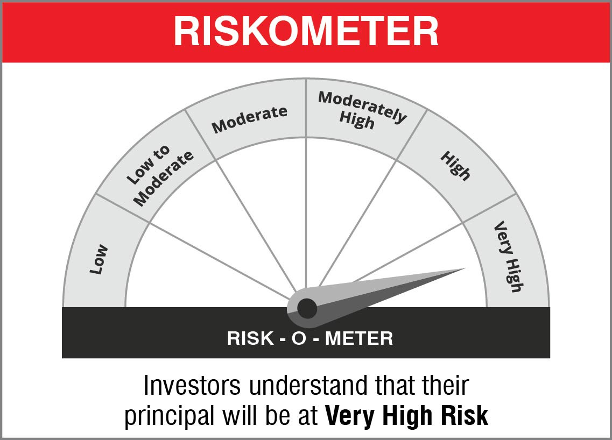

 | Name of the Benchmark and its risk-o-meter:
 | NIFTY 50 Hybrid Composite Debt 50:50 Index | 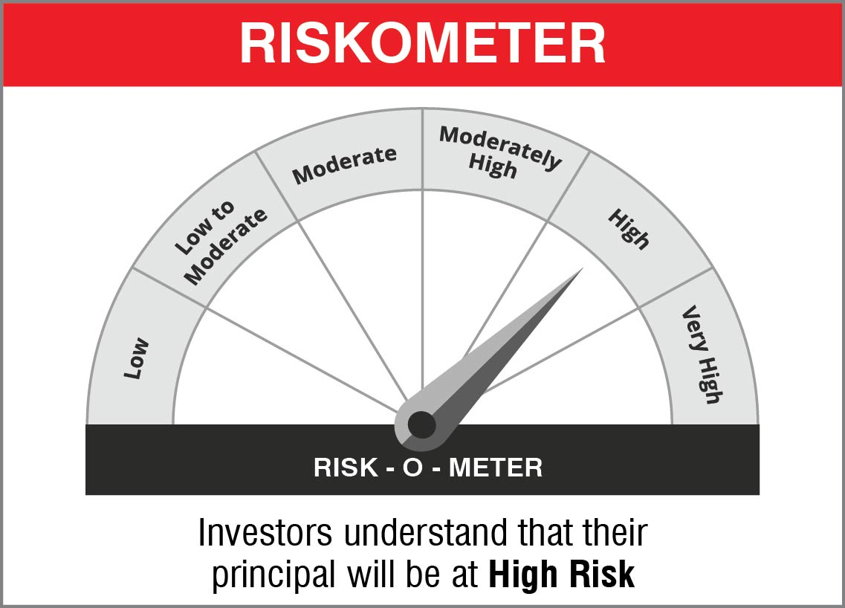

NJOVERFD
 | NJ Overnight Fund
 | (An open ended debt scheme investing in overnight securities with a relatively low interest rate risk and relatively low credit risk)

 | Monthly Portfolio Statement as on December 31, 2022
 | Name of the Instrument | ISIN | Industry / Rating | Quantity | Market/Fair Value (Rs. in Lakhs) | % to Net Assets | YTM~ | YTC^ | null
 | Reverse Repo / TREPS
TRP_011222 | Clearing Corporation of India Ltd |  |  |  | 3,124.44 | 99.00% | 6.50%
 | Sub Total |  |  |  | 3,124.44 | 99.00%
 | Total |  |  |  | 3,124.44 | 99.00%
 | Net Receivables / (Payables) |  |  |  | 31.72 | 1.00%
 | GRAND TOTAL |  |  |  | 3,156.16 | 100.00%

 | ~ Annualised YTM as on December 31, 2022
 | ^ Pursuant to AMFI circular no. 135/BP/91/2020-21, Yield to Call (YTC) for AT-1 bonds and Tier-2 bonds as on December 31, 2022.
 | $$ NAV has been considered as on December 30,2022 since December 31,2022 being a non bussiness day.

 |  | Portfolio Information
 | Scheme Name : | NJ Overnight Fund
 | Description (if any) | An open ended debt scheme investing in overnight securities with a relatively low interest rate risk and relatively low credit risk

 | Annualised Portfolio YTM* : | 6.50%

 | Macaulay Duration | 02 Days
 | Residual Maturity | 02 Days

 | As on (Date) | 2022-12-31
 | * in case of semi annual YTM, it will be annualised

 | Notes:
 | 1. Security in default beyond its maturiy date | NIL
 | 2. NAV at the beginning and end of the period (Rs. per unit)
 |  | NAV as on 01st December 2022 | NAV as on 30th December 2022
 | NJ Overnight Fund - Regular Growth | 1018.4687 | 1023.2576
 | NJ Overnight Fund - Direct Growth | 1018.8124 | 1023.6795

 | 3. Total Dividend (Net) declared during the period | NA
 | 4. Bonus was declared during the period | NA
 | 5. Investment in Repo of Corporate Debt Securities during the period | NIL
 | 6. Investment in foreign securities/ADRs/GDRs at the end of the period | NIL
 | 7. Margin Deposits includes Margin money placed on derivatives other than margin money placed with bank | NA
 | 8. Total value and percentage of Illiquid Equity shares | NA
 | 9. Average Maturity for the debt securities held (as on December 31, 2022) | 2 day
 | 10. Instances of fair valuation of Securities or Deviation in valuation from what is provided by valuation agencies | NIL

 | RISK-O-METER

 | NJ Overnight Fund
 | This product is suitable for investors who are seeking*:
 | - An overnight fund that aims to generate optimal returns in line with overnight rates and high liquidity - To invest in debt and money market instruments with maturity of 1 day *Investors should consult their financial advisors if in doubt about whether the product is suitable for them.

 | Name of the Benchmark and its risk-o-meter:
 | NIFTY 1D Rate Index

 |  | A Relatively Low Interest Rate Risk and Relatively Low Credit Risk

