NJABF
 | NJ Arbitrage Fund
 | (An open ended scheme investing in arbitrage opportunities)

 | Monthly Portfolio Statement as on November 30, 2022
 | Name of the Instrument | ISIN | Industry/ Rating | Quantity | Market/Fair Value (Rs. in Lakhs) | % to Net Assets | YTM~ | YTC^ | null
 | Equity & Equity related
 | (a) Listed / awaiting listing on Stock Exchanges
MUND02 | Adani Ports and Special Economic Zone Limited | INE742F01042 | Transport Infrastructure | 33,750 | 297.34 | 5.72%
KOMA02 | Kotak Mahindra Bank Limited | INE237A01028 | Banks | 14,400 | 280.38 | 5.39%
HDFB03 | HDFC Bank Limited | INE040A01034 | Banks | 15,950 | 256.55 | 4.94%
ACCL02 | ACC Limited | INE012A01025 | Cement & Cement Products | 10,000 | 256.33 | 4.93%
SPIL03 | Sun Pharmaceutical Industries Limited | INE044A01036 | Pharmaceuticals & Biotechnology | 22,400 | 234.32 | 4.51%
MCSP02 | United Spirits Limited | INE854D01024 | Beverages | 24,375 | 227.25 | 4.37%
IBCL05 | ICICI Bank Limited | INE090A01021 | Banks | 23,375 | 222.74 | 4.29%
HDFC03 | Housing Development Finance Corporation Limited | INE001A01036 | Finance | 8,100 | 218.10 | 4.20%
GUAM02 | Ambuja Cements Limited | INE079A01024 | Cement & Cement Products | 34,200 | 195.20 | 3.76%
ZEET02 | Zee Entertainment Enterprises Limited | INE256A01028 | Entertainment | 72,000 | 190.51 | 3.67%
RIND01 | Reliance Industries Limited | INE002A01018 | Petroleum Products | 6,000 | 163.88 | 3.15%
HCLT02 | HCL Technologies Limited | INE860A01027 | IT - Software | 14,000 | 156.91 | 3.02%
ICEM01 | The India Cements Limited | INE383A01012 | Cement & Cement Products | 63,800 | 153.12 | 2.95%
IIBL01 | IndusInd Bank Limited | INE095A01012 | Banks | 10,350 | 120.87 | 2.33%
ASHL02 | Ashok Leyland Limited | INE208A01029 | Agricultural, Commercial & Construction Vehicles | 80,000 | 119.04 | 2.29%
FEBA02 | The Federal Bank Limited | INE171A01029 | Banks | 75,000 | 98.59 | 1.90%
HLEL02 | Hindustan Unilever Limited | INE030A01027 | Diversified FMCG | 3,300 | 88.58 | 1.70%
MAUD01 | Maruti Suzuki India Limited | INE585B01010 | Automobiles | 800 | 71.79 | 1.38%
ITCL02 | ITC Limited | INE154A01025 | Diversified FMCG | 17,600 | 59.84 | 1.15%
DLFL01 | DLF Limited | INE271C01023 | Realty | 13,200 | 53.15 | 1.02%
TCHE01 | Tata Chemicals Limited | INE092A01019 | Chemicals & Petrochemicals | 5,000 | 51.78 | 1.00%
SESA02 | Vedanta Limited | INE205A01025 | Diversified Metals | 15,500 | 47.17 | 0.91%
VOLT02 | Voltas Limited | INE226A01021 | Consumer Durables | 5,500 | 45.07 | 0.87%
BAFL02 | Bajaj Finance Limited | INE296A01024 | Finance | 625 | 42.01 | 0.81%
AUPH03 | Aurobindo Pharma Limited | INE406A01037 | Pharmaceuticals & Biotechnology | 8,000 | 37.39 | 0.72%
BAND01 | Bandhan Bank Limited | INE545U01014 | Banks | 14,400 | 34.33 | 0.66%
TELC03 | Tata Motors Limited | INE155A01022 | Automobiles | 5,700 | 25.05 | 0.48%
GAIL01 | GAIL (India) Limited | INE129A01019 | Gas | 18,300 | 17.34 | 0.33%
ILOM01 | ICICI Lombard General Insurance Company Limited | INE765G01017 | Insurance | 1,275 | 15.44 | 0.30%
HDLI01 | HDFC Life Insurance Company Limited | INE795G01014 | Insurance | 1,100 | 6.50 | 0.13%
 | Sub Total |  |  |  | 3,786.57 | 72.88%
 | (b) Unlisted |  |  |  | NIL | NIL
 | Sub Total |  |  |  | NIL | NIL
 | Total |  |  |  | 3,786.57 | 72.88%
 | Derivatives
 | Index / Stock Futures
HDLIDEC22 | HDFC Life Insurance Company Limited December 2022 Future |  | Insurance | -1,100 | (6.53) | (0.13)%
ILOMDEC22 | ICICI Lombard General Insurance Company Limited December 2022 Future |  | Insurance | -1,275 | (15.53) | (0.30)%
GAILDEC22 | GAIL (India) Limited December 2022 Future |  | Gas | -18,300 | (17.44) | (0.34)%
TELCDEC22 | Tata Motors Limited December 2022 Future |  | Automobiles | -5,700 | (25.25) | (0.49)%
IIBLJAN23 | IndusInd Bank Limited January 2023 Future |  | Banks | -2,250 | (26.67) | (0.51)%
BANDDEC22 | Bandhan Bank Limited December 2022 Future |  | Banks | -14,400 | (34.51) | (0.66)%
AUPHJAN23 | Aurobindo Pharma Limited January 2023 Future |  | Pharmaceuticals & Biotechnology | -8,000 | (37.98) | (0.73)%
BAFLDEC22 | Bajaj Finance Limited December 2022 Future |  | Finance | -625 | (42.38) | (0.82)%
HDFBJAN23 | HDFC Bank Limited January 2023 Future |  | Banks | -2,750 | (44.85) | (0.86)%
VOLTDEC22 | Voltas Limited December 2022 Future |  | Consumer Durables | -5,500 | (45.45) | (0.87)%
SESADEC22 | Vedanta Limited December 2022 Future |  | Diversified Metals | -15,500 | (47.57) | (0.92)%
ZEETJAN23 | Zee Entertainment Enterprises Limited January 2023 Future |  | Entertainment | -18,000 | (48.31) | (0.93)%
TCHEDEC22 | Tata Chemicals Limited December 2022 Future |  | Chemicals & Petrochemicals | -5,000 | (52.25) | (1.01)%
DLFLDEC22 | DLF Limited December 2022 Future |  | Realty | -13,200 | (53.51) | (1.03)%
ITCLJAN23 | ITC Limited January 2023 Future |  | Diversified FMCG | -17,600 | (60.76) | (1.17)%
MAUDDEC22 | Maruti Suzuki India Limited December 2022 Future |  | Automobiles | -800 | (72.27) | (1.39)%
HLELDEC22 | Hindustan Unilever Limited December 2022 Future |  | Diversified FMCG | -3,300 | (89.03) | (1.71)%
IIBLDEC22 | IndusInd Bank Limited December 2022 Future |  | Banks | -8,100 | (95.36) | (1.83)%
FEBADEC22 | The Federal Bank Limited December 2022 Future |  | Banks | -75,000 | (99.45) | (1.91)%
ASHLDEC22 | Ashok Leyland Limited December 2022 Future |  | Agricultural, Commercial & Construction Vehicles | -80,000 | (120.12) | (2.31)%
ZEETDEC22 | Zee Entertainment Enterprises Limited December 2022 Future |  | Entertainment | -54,000 | (144.15) | (2.77)%
ICEMDEC22 | The India Cements Limited December 2022 Future |  | Cement & Cement Products | -63,800 | (154.33) | (2.97)%
HCLTDEC22 | HCL Technologies Limited December 2022 Future |  | IT - Software | -14,000 | (158.21) | (3.04)%
RINDDEC22 | Reliance Industries Limited December 2022 Future |  | Petroleum Products | -6,000 | (164.80) | (3.17)%
GUAMDEC22 | Ambuja Cements Limited December 2022 Future |  | Cement & Cement Products | -34,200 | (196.89) | (3.79)%
HDFBDEC22 | HDFC Bank Limited December 2022 Future |  | Banks | -13,200 | (214.12) | (4.12)%
HDFCDEC22 | Housing Development Finance Corporation Limited December 2022 Future |  | Finance | -8,100 | (219.23) | (4.22)%
IBCLDEC22 | ICICI Bank Limited December 2022 Future |  | Banks | -23,375 | (223.93) | (4.31)%
MCSPDEC22 | United Spirits Limited December 2022 Future |  | Beverages | -24,375 | (228.61) | (4.40)%
SPILDEC22 | Sun Pharmaceutical Industries Limited December 2022 Future |  | Pharmaceuticals & Biotechnology | -22,400 | (235.60) | (4.53)%
ACCLDEC22 | ACC Limited December 2022 Future |  | Cement & Cement Products | -10,000 | (257.70) | (4.96)%
KMBKDEC22 | Kotak Mahindra Bank Limited December 2022 Future |  | Banks | -14,400 | (282.00) | (5.43)%
MUNDDEC22 | Adani Ports and Special Economic Zone Limited December 2022 Future |  | Transport Infrastructure | -33,750 | (299.45) | (5.76)%
 | Sub Total |  |  |  | (3,814.24) | (73.39)%
 | Total |  |  |  | (3,814.24) | (73.39)%
 | Money Market Instruments
 | Treasury Bill
TBIL2064 | 182 Days Tbill (MD 15/12/2022) | IN002022Y112 | Sovereign | 500,000 | 498.88 | 9.60% | 5.87%
TBIL2079 | 182 Days Tbill (MD 26/01/2023) | IN002022Y179 | Sovereign | 300,000 | 297.18 | 5.72% | 6.18%
TBIL2078 | 182 Days Tbill (MD 19/01/2023) | IN002022Y161 | Sovereign | 200,000 | 198.35 | 3.82% | 6.19%
 | Sub Total |  |  |  | 994.41 | 19.14%
 | Total |  |  |  | 994.41 | 19.14%
 | Reverse Repo / TREPS
TRP_011222 | Clearing Corporation of India Ltd |  |  |  | 305.00 | 5.87% | 5.66%
 | Sub Total |  |  |  | 305.00 | 5.87%
 | Total |  |  |  | 305.00 | 5.87%
 | Net Receivables / (Payables) |  |  |  | 3,925.34 | 75.50%
 | GRAND TOTAL |  |  |  | 5,197.08 | 100.00%

 | ~ YTM as on November 30, 2022
 | ^ Pursuant to AMFI circular no. 135/BP/91/2020-21, Yield to Call (YTC) for AT-1 bonds and Tier-2 bonds as on November 30, 2022.

 | Notes:
 | 1. Security in default beyond its maturiy date | NIL
 | 2. NAV at the beginning and end of the period (Rs. per unit)

 |  | NAV as on 01st November 2022 | NAV as on 30th November 2022
 | NJ Arbitrage Fund - Direct Growth | 10.1269 | 10.1626
 | NJ Arbitrage Fund - Regular Growth | 10.1081 | 10.1381

 | 3. Total Dividend (Net) declared during the month | NIL
 | 4. Bonus was declared during the month | NIL
 | 5. Investment in Repo of Corporate Debt Securities during the month | NIL
 | 6. Investment in foreign securities/ADRs/GDRs at the end of the month | NIL
 | 7. Portfolio Turnover Ratio | 0.78 Times
 | 8. Margin Deposits includes Margin money placed on derivatives other than margin money placed with bank | NIL
 | 9. Total value and percentage of Illiquid Equity shares | NIL
 | 10. Average Maturity for the debt securities held (as on November 30, 2022) | 27 days
 | 11. Instances of fair valuation of Securities or Deviation in valuation from what is provided by valuation agencies | NIL
 | 12. Deviation in the mandated asset allocation pursuant to SEBI Circular SEBI/HO/IMD/IMD-II DOF3/P/CIR/2022/39 dated March 30, 2022 | Nil

 | RISK-O-METER

 | NJ Arbitrage Fund
 | This product is suitable for investors who are seeking*:
 | - To generate income by investing in arbitrage opportunities - Predominantly investing in arbitrage opportunities in the cash and derivatives segment of the equity market. *Investors should consult their financial advisors if in doubt about whether the product is suitable for them. | 

 | Name of the Benchmark and its risk-o-meter:
 | NIFTY 50 Arbitrage Index

NJBAF
 | NJ Balanced Advantage Fund
 | (An open-ended Dynamic Asset Allocation Fund )

 | Monthly Portfolio Statement as on November 30, 2022
 | Name of the Instrument | ISIN | Industry/ Rating | Quantity | Market/Fair Value (Rs. in Lakhs) | % to Net Assets | YTM~ | YTC^ | null
 | Equity & Equity related
 | (a) Listed / awaiting listing on Stock Exchanges
HDFB03 | HDFC Bank Limited | INE040A01034 | Banks | 800,800 | 12,880.47 | 2.74%
IIBL01 | IndusInd Bank Limited | INE095A01012 | Banks | 1,020,600 | 11,918.57 | 2.54%
LTIL01 | Larsen & Toubro Infotech Limited | INE214T01019 | IT - Software | 236,558 | 11,445.98 | 2.44%
MUND02 | Adani Ports and Special Economic Zone Limited | INE742F01042 | Transport Infrastructure | 1,077,500 | 9,492.78 | 2.02%
RIND01 | Reliance Industries Limited | INE002A01018 | Petroleum Products | 312,500 | 8,535.47 | 1.82%
SPIL03 | Sun Pharmaceutical Industries Limited | INE044A01036 | Pharmaceuticals & Biotechnology | 815,122 | 8,526.58 | 1.81%
ITCL02 | ITC Limited | INE154A01025 | Diversified FMCG | 2,209,434 | 7,512.08 | 1.60%
ADAN02 | Adani Enterprises Limited | INE423A01024 | Metals & Minerals Trading | 184,634 | 7,233.78 | 1.54%
BKBA02 | Bank of Baroda | INE028A01039 | Banks | 3,989,552 | 6,632.63 | 1.41%
INFS02 | Infosys Limited | INE009A01021 | IT - Software | 402,307 | 6,577.52 | 1.40%
TISC03 | Tata Steel Limited | INE081A01020 | Ferrous Metals | 6,086,576 | 6,552.20 | 1.39%
JSPL03 | Jindal Steel & Power Limited | INE749A01030 | Ferrous Metals | 1,209,105 | 6,477.78 | 1.38%
IBCL05 | ICICI Bank Limited | INE090A01021 | Banks | 677,875 | 6,459.47 | 1.37%
SESA02 | Vedanta Limited | INE205A01025 | Diversified Metals | 2,086,767 | 6,351.08 | 1.35%
BRIT03 | Britannia Industries Limited | INE216A01030 | Food Products | 142,578 | 6,219.68 | 1.32%
KCUL02 | Cummins India Limited | INE298A01020 | Industrial Products | 435,712 | 6,158.79 | 1.31%
ADGL01 | Adani Total Gas Limited | INE399L01023 | Gas | 169,396 | 6,153.73 | 1.31%
IOIC01 | Indian Oil Corporation Limited | INE242A01010 | Petroleum Products | 8,002,284 | 6,133.75 | 1.31%
HALT01 | Hindustan Aeronautics Limited | INE066F01012 | Aerospace & Defense | 219,448 | 6,043.71 | 1.29%
JVSL04 | JSW Steel Limited | INE019A01038 | Ferrous Metals | 810,168 | 6,022.79 | 1.28%
BPCL01 | Bharat Petroleum Corporation Limited | INE029A01011 | Petroleum Products | 1,756,035 | 5,990.71 | 1.27%
TCSL01 | Tata Consultancy Services Limited | INE467B01029 | IT - Software | 176,131 | 5,972.25 | 1.27%
VNBL01 | Varun Beverages Limited | INE200M01013 | Beverages | 475,506 | 5,942.64 | 1.26%
HPEC01 | Hindustan Petroleum Corporation Limited | INE094A01015 | Petroleum Products | 2,470,184 | 5,906.21 | 1.26%
GAIL01 | GAIL (India) Limited | INE129A01019 | Gas | 6,215,020 | 5,888.73 | 1.25%
MAHI02 | Mahindra & Mahindra Limited | INE101A01026 | Automobiles | 447,043 | 5,836.59 | 1.24%
PGCI01 | Power Grid Corporation of India Limited | INE752E01010 | Power | 2,600,139 | 5,824.31 | 1.24%
CROM02 | CG Power and Industrial Solutions Limited | INE067A01029 | Electrical Equipment | 2,068,840 | 5,784.48 | 1.23%
MCSP02 | United Spirits Limited | INE854D01024 | Beverages | 617,293 | 5,755.02 | 1.22%
ONGC02 | Oil & Natural Gas Corporation Limited | INE213A01029 | Oil | 4,025,954 | 5,680.62 | 1.21%
NTPC01 | NTPC Limited | INE733E01010 | Power | 3,285,855 | 5,658.24 | 1.20%
NEST01 | Nestle India Limited | INE239A01016 | Food Products | 27,955 | 5,642.40 | 1.20%
BALN01 | Bajaj Auto Limited | INE917I01010 | Automobiles | 149,800 | 5,618.55 | 1.20%
YESB03 | Yes Bank Limited | INE528G01035 | Banks | 32,566,335 | 5,585.13 | 1.19%
PLNG01 | Petronet LNG Limited | INE347G01014 | Gas | 2,623,405 | 5,578.67 | 1.19%
COLG02 | Colgate Palmolive (India) Limited | INE259A01022 | Personal Products | 341,425 | 5,572.57 | 1.19%
PIDI02 | Pidilite Industries Limited | INE318A01026 | Chemicals & Petrochemicals | 202,734 | 5,572.55 | 1.19%
TLFH01 | Tube Investments of India Limited | INE974X01010 | Auto Components | 196,720 | 5,451.80 | 1.16%
TWAT02 | Titan Company Limited | INE280A01028 | Consumer Durables | 204,961 | 5,437.62 | 1.16%
IRCT02 | Indian Railway Catering And Tourism Corporation Limited | INE335Y01020 | Leisure Services | 734,139 | 5,404.73 | 1.15%
BHEL02 | Bharat Electronics Limited | INE263A01024 | Aerospace & Defense | 5,105,615 | 5,366.00 | 1.14%
COAL01 | Coal India Limited | INE522F01014 | Consumable Fuels | 2,350,053 | 5,340.50 | 1.14%
DENI02 | Deepak Nitrite Limited | INE288B01029 | Chemicals & Petrochemicals | 244,824 | 5,326.27 | 1.13%
MARC02 | Marico Limited | INE196A01026 | Personal Products | 1,035,773 | 5,254.99 | 1.12%
SAEL02 | TVS Motor Company Limited | INE494B01023 | Automobiles | 497,775 | 5,217.43 | 1.11%
AGEL01 | Adani Green Energy Limited | INE364U01010 | Power | 244,936 | 5,184.07 | 1.10%
IHOT02 | The Indian Hotels Company Limited | INE053A01029 | Leisure Services | 1,581,591 | 5,087.19 | 1.08%
SRFL01 | SRF Limited | INE647A01010 | Chemicals & Petrochemicals | 210,924 | 4,989.83 | 1.06%
ASEA02 | ABB India Limited | INE117A01022 | Electrical Equipment | 163,785 | 4,914.70 | 1.05%
PAGE01 | Page Industries Limited | INE761H01022 | Textiles & Apparels | 10,108 | 4,792.87 | 1.02%
ADTL01 | Adani Transmission Limited | INE931S01010 | Power | 164,684 | 4,789.83 | 1.02%
NMDC01 | NMDC Limited | INE584A01023 | Minerals & Mining | 3,959,014 | 4,659.76 | 0.99%
UTIB02 | Axis Bank Limited | INE238A01034 | Banks | 498,000 | 4,488.23 | 0.95%
TAEL01 | Tata Elxsi Limited | INE670A01012 | IT - Software | 63,150 | 4,426.97 | 0.94%
HZIN02 | Hindustan Zinc Limited | INE267A01025 | Non - Ferrous Metals | 1,293,986 | 3,975.77 | 0.85%
HDFC03 | Housing Development Finance Corporation Limited | INE001A01036 | Finance | 147,000 | 3,958.05 | 0.84%
MAUD01 | Maruti Suzuki India Limited | INE585B01010 | Automobiles | 39,500 | 3,544.79 | 0.75%
GUAM02 | Ambuja Cements Limited | INE079A01024 | Cement & Cement Products | 313,200 | 1,787.59 | 0.38%
BAFL02 | Bajaj Finance Limited | INE296A01024 | Finance | 18,000 | 1,209.77 | 0.26%
NMST01 | NMDC Steel Limited ** | INE0NNS01018 | Metals & Minerals Trading | 4,155,894 | 1,099.23 | 0.23%
ZEET02 | Zee Entertainment Enterprises Limited | INE256A01028 | Entertainment | 399,000 | 1,055.75 | 0.22%
TEMA02 | Tech Mahindra Limited | INE669C01036 | IT - Software | 75,000 | 807.75 | 0.17%
GRAS02 | Grasim Industries Limited | INE047A01021 | Cement & Cement Products | 43,225 | 760.65 | 0.16%
HLEL02 | Hindustan Unilever Limited | INE030A01027 | Diversified FMCG | 15,300 | 410.71 | 0.09%
TPOW02 | Tata Power Company Limited | INE245A01021 | Power | 118,125 | 265.55 | 0.06%
TCHE01 | Tata Chemicals Limited | INE092A01019 | Chemicals & Petrochemicals | 15,000 | 155.33 | 0.03%
LARS02 | Larsen & Toubro Limited | INE018A01030 | Construction | 5,400 | 112.04 | 0.02%
KOMA02 | Kotak Mahindra Bank Limited | INE237A01028 | Banks | 4,000 | 77.88 | 0.02%
HINI02 | Hindalco Industries Limited | INE038A01020 | Non - Ferrous Metals | 11,200 | 50.48 | 0.01%
TELC03 | Tata Motors Limited | INE155A01022 | Automobiles | 5,700 | 25.05 | 0.01%
SECH03 | UPL Limited | INE628A01036 | Fertilizers & Agrochemicals | 1,300 | 10.27 | $0.00%
SUNT02 | Sun TV Network Limited | INE424H01027 | Entertainment | 1,500 | 7.38 | $0.00%
 | Sub Total |  |  |  | 356,585.34 | 75.86%
 | (b) Unlisted |  |  |  | NIL | NIL
 | Sub Total |  |  |  | NIL | NIL
 | Total |  |  |  | 356,585.34 | 75.86%
 | Derivatives
 | Index / Stock Futures
NIFYDEC22 | Nifty 50 Index December 2022 Future |  | Index | 5,800 | 1,094.72 | 0.23%
SUNTJAN23 | Sun TV Network Limited January 2023 Future |  | Entertainment | -1,500 | (7.49) | $0.00%
SECHJAN23 | UPL Limited January 2023 Future |  | Fertilizers & Agrochemicals | -1,300 | (10.38) | $0.00%
TELCJAN23 | Tata Motors Limited January 2023 Future |  | Automobiles | -5,700 | (25.41) | (0.01)%
MAHIJAN23 | Mahindra & Mahindra Limited January 2023 Future |  | Automobiles | -2,100 | (27.70) | (0.01)%
KMBKDEC22 | Kotak Mahindra Bank Limited December 2022 Future |  | Banks | -1,600 | (31.33) | (0.01)%
KMBKJAN23 | Kotak Mahindra Bank Limited January 2023 Future |  | Banks | -2,400 | (47.29) | (0.01)%
HINIJAN23 | Hindalco Industries Limited January 2023 Future |  | Non - Ferrous Metals | -11,200 | (51.07) | (0.01)%
SESAJAN23 | Vedanta Limited January 2023 Future |  | Diversified Metals | -20,000 | (61.79) | (0.01)%
TEMADEC22 | Tech Mahindra Limited December 2022 Future |  | IT - Software | -9,600 | (104.24) | (0.02)%
LARSDEC22 | Larsen & Toubro Limited December 2022 Future |  | Construction | -5,400 | (112.95) | (0.02)%
MAHIDEC22 | Mahindra & Mahindra Limited December 2022 Future |  | Automobiles | -9,100 | (119.34) | (0.03)%
TCHEJAN23 | Tata Chemicals Limited January 2023 Future |  | Chemicals & Petrochemicals | -15,000 | (157.94) | (0.03)%
TISCDEC22 | Tata Steel Limited December 2022 Future |  | Ferrous Metals | -191,250 | (207.51) | (0.04)%
TPOWDEC22 | Tata Power Company Limited December 2022 Future |  | Power | -118,125 | (267.26) | (0.06)%
HLELDEC22 | Hindustan Unilever Limited December 2022 Future |  | Diversified FMCG | -15,300 | (412.77) | (0.09)%
INFSDEC22 | Infosys Limited December 2022 Future |  | IT - Software | -30,300 | (498.71) | (0.11)%
SESADEC22 | Vedanta Limited December 2022 Future |  | Diversified Metals | -218,550 | (670.73) | (0.14)%
TEMAJAN23 | Tech Mahindra Limited January 2023 Future |  | IT - Software | -65,400 | (714.46) | (0.15)%
IIBLJAN23 | IndusInd Bank Limited January 2023 Future |  | Banks | -60,300 | (714.86) | (0.15)%
TISCJAN23 | Tata Steel Limited January 2023 Future |  | Ferrous Metals | -671,000 | (732.40) | (0.16)%
ITCLDEC22 | ITC Limited December 2022 Future |  | Diversified FMCG | -217,600 | (746.15) | (0.16)%
GRASDEC22 | Grasim Industries Limited December 2022 Future |  | Cement & Cement Products | -43,225 | (765.28) | (0.16)%
GUAMJAN23 | Ambuja Cements Limited January 2023 Future |  | Cement & Cement Products | -135,000 | (782.19) | (0.17)%
ADANDEC22 | Adani Enterprises Limited December 2022 Future |  | Metals & Minerals Trading | -20,000 | (788.49) | (0.17)%
GUAMDEC22 | Ambuja Cements Limited December 2022 Future |  | Cement & Cement Products | -178,200 | (1,025.90) | (0.22)%
ZEETDEC22 | Zee Entertainment Enterprises Limited December 2022 Future |  | Entertainment | -399,000 | (1,065.13) | (0.23)%
BAFLJAN23 | Bajaj Finance Limited January 2023 Future |  | Finance | -18,000 | (1,228.57) | (0.26)%
ITCLJAN23 | ITC Limited January 2023 Future |  | Diversified FMCG | -376,000 | (1,297.95) | (0.28)%
MAUDJAN23 | Maruti Suzuki India Limited January 2023 Future |  | Automobiles | -14,600 | (1,327.25) | (0.28)%
HDFBJAN23 | HDFC Bank Limited January 2023 Future |  | Banks | -97,900 | (1,596.80) | (0.34)%
MAUDDEC22 | Maruti Suzuki India Limited December 2022 Future |  | Automobiles | -24,900 | (2,249.27) | (0.48)%
SPILDEC22 | Sun Pharmaceutical Industries Limited December 2022 Future |  | Pharmaceuticals & Biotechnology | -249,900 | (2,628.45) | (0.56)%
HDFCDEC22 | Housing Development Finance Corporation Limited December 2022 Future |  | Finance | -147,000 | (3,978.70) | (0.85)%
UTIBDEC22 | Axis Bank Limited December 2022 Future |  | Banks | -498,000 | (4,509.89) | (0.96)%
IBCLDEC22 | ICICI Bank Limited December 2022 Future |  | Banks | -677,875 | (6,494.04) | (1.38)%
RINDDEC22 | Reliance Industries Limited December 2022 Future |  | Petroleum Products | -312,500 | (8,583.13) | (1.83)%
MUNDDEC22 | Adani Ports and Special Economic Zone Limited December 2022 Future |  | Transport Infrastructure | -1,077,500 | (9,560.12) | (2.03)%
IIBLDEC22 | IndusInd Bank Limited December 2022 Future |  | Banks | -960,300 | (11,305.61) | (2.41)%
HDFBDEC22 | HDFC Bank Limited December 2022 Future |  | Banks | -702,900 | (11,401.74) | (2.43)%
 | Sub Total |  |  |  | (75,215.57) | (16.03)%
 | Total |  |  |  | (75,215.57) | (16.03)%
 | Debt Instruments
 | (a) Listed / awaiting listing on Stock Exchange
GOI2040 | 7.37% Government of India (16/04/2023) | IN0020180025 | Sovereign | 10,500,000 | 10,527.30 | 2.24% | 6.64%
GOI1644 | 6.84% Government of India (19/12/2022) | IN0020160050 | Sovereign | 8,000,000 | 8,002.20 | 1.70% | 6.19%
GOI417 | 6.30% Government of India (09/04/2023) | IN0020030014 | Sovereign | 5,000,000 | 4,992.35 | 1.06% | 6.72%
GOI1030 | 7.16% Government of India (20/05/2023) | IN0020130012 | Sovereign | 3,000,000 | 3,006.53 | 0.64% | 6.72%
GOI1133 | 8.83% Government of India (25/11/2023) | IN0020130061 | Sovereign | 2,500,000 | 2,545.50 | 0.54% | 6.88%
GOI990 | 8.64% State Government Securities (06/03/2023) | IN1020120201 | Sovereign | 2,500,000 | 2,513.40 | 0.53% | 6.53%
GOI2186 | 7.32% Government of India (28/01/2024) | IN0020180488 | Sovereign | 2,500,000 | 2,513.11 | 0.53% | 6.83%
GOI983 | 8.67% State Government Securities (06/02/2023) | IN2220120090 | Sovereign | 2,500,000 | 2,508.54 | 0.53% | 6.47%
GOI2718 | 8.67% State Government Securities (06/02/2023) | IN3620120037 | Sovereign | 2,500,000 | 2,508.45 | 0.53% | 6.49%
GOI1515 | 8.39% State Government Securities (15/03/2023) | IN2920150322 | Sovereign | 500,000 | 502.23 | 0.11% | 6.79%
 | Sub Total |  |  |  | 39,619.61 | 8.41%
 | (b) Privately placed / Unlisted |  |  |  | NIL | NIL
 | Sub Total |  |  |  | NIL | NIL
 | Total |  |  |  | 39,619.61 | 8.41%
 | Money Market Instruments
 | Treasury Bill
TBIL2061 | 182 Days Tbill (MD 08/12/2022) | IN002022Y104 | Sovereign | 10,000,000 | 9,988.83 | 2.13% | 5.83%
TBIL1993 | 364 Days Tbill (MD 05/01/2023) | IN002021Z426 | Sovereign | 5,000,000 | 4,970.59 | 1.06% | 6.17%
TBIL1998 | 364 Days Tbill (MD 19/01/2023) | IN002021Z442 | Sovereign | 5,000,000 | 4,958.81 | 1.06% | 6.19%
TBIL2122 | 91 Days Tbill (MD 09/02/2023) | IN002022X320 | Sovereign | 5,000,000 | 4,940.31 | 1.05% | 6.30%
TBIL2055 | 182 Days Tbill (MD 01/12/2022) | IN002022Y096 | Sovereign | 2,500,000 | 2,500.00 | 0.53% | 5.82%
TBIL2070 | 182 Days Tbill (MD 29/12/2022) | IN002022Y138 | Sovereign | 2,500,000 | 2,488.55 | 0.53% | 6.00%
TBIL2103 | 182 Days Tbill (MD 23/03/2023) | IN002022Y260 | Sovereign | 500,000 | 490.37 | 0.10% | 6.40%
TBIL2078 | 182 Days Tbill (MD 19/01/2023) | IN002022Y161 | Sovereign | 300,000 | 297.53 | 0.06% | 6.19%
TBIL2079 | 182 Days Tbill (MD 26/01/2023) | IN002022Y179 | Sovereign | 200,000 | 198.12 | 0.04% | 6.18%
 | Sub Total |  |  |  | 30,833.11 | 6.56%
 | Total |  |  |  | 30,833.11 | 6.56%
 | Reverse Repo / TREPS
TRP_011222 | Clearing Corporation of India Ltd |  |  |  | 47,120.00 | 10.03% | 5.68%
 | Sub Total |  |  |  | 47,120.00 | 10.03%
 | (b) Privately placed / Unlisted |  |  |  | NIL | NIL
 | Sub Total |  |  |  | NIL | NIL
 | Total |  |  |  | 47,120.00 | 10.03%
 | Net Receivables / (Payables) |  |  |  | 71,049.17 | 15.17%
 | GRAND TOTAL |  |  |  | 469,991.66 | 100.00%

 | ** Unlisted Security
 | $ Less Than 0.01% of Net Asset Value
 | ~ YTM as on November 30, 2022
 | ^ Pursuant to AMFI circular no. 135/BP/91/2020-21, Yield to Call (YTC) for AT-1 bonds and Tier-2 bonds as on November 30, 2022.

 | Notes:
 | 1. Security in default beyond its maturiy date | NIL
 | 2. NAV at the beginning and end of the period (Rs. per unit)

 |  | NAV as on 01st November 2022 | NAV as on 30th November 2022
 | NJ Balanced Advantage Fund - Direct IDCW | 10.04 | 10.21
 | NJ Balanced Advantage Fund - Direct Growth | 10.04 | 10.21
 | NJ Balanced Advantage Fund - Regular IDCW | 9.9 | 10.06
 | NJ Balanced Advantage Fund - Regular Growth | 9.9 | 10.06

 | 3. Total Dividend (Net) declared during the month | NIL
 | 4. Bonus was declared during the month | NIL
 | 5. Investment in Repo of Corporate Debt Securities during the month | NIL
 | 6. Investment in foreign securities/ADRs/GDRs at the end of the month | NIL
 | 7. Portfolio Turnover Ratio | 0.27 Times
 | 8. Margin Deposits includes Margin money placed on derivatives other than margin money placed with bank | NIL
 | 9. Total value and percentage of Illiquid Equity shares | NIL
 | 10. Average Maturity for the debt securities held (as on November 30, 2022) | 55 days
 | 11. Instances of fair valuation of Securities or Deviation in valuation from what is provided by valuation agencies | NIL
 | 12. Deviation in the mandated asset allocation pursuant to SEBI Circular SEBI/HO/IMD/IMD-II DOF3/P/CIR/2022/39 dated March 30, 2022 | Nil

 | RISK-O-METER

 | NJ Balanced Advantage Fund
 | This product is suitable for investors who are seeking*:
 | • Long term capital Growth • Dynamic asset allocation between equity and specified debt securities *Investors should consult their financial advisors if in doubt about whether the product is suitable for them. | 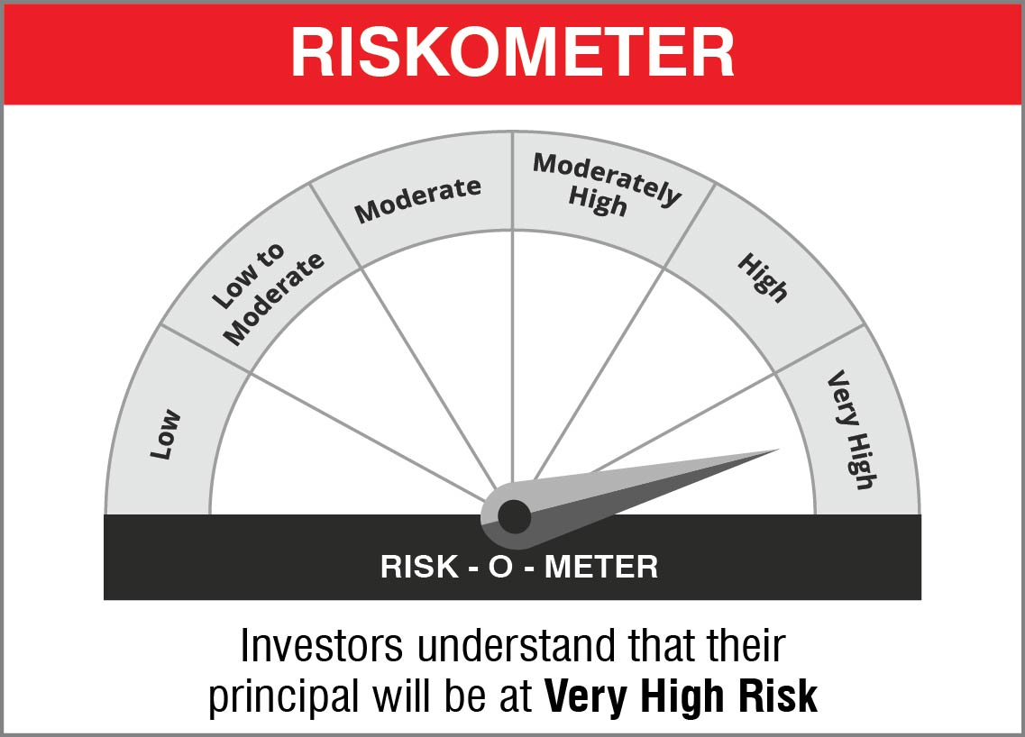

 | Name of the Benchmark and its risk-o-meter:
 | NIFTY 50 Hybrid Composite Debt 50:50 Index | 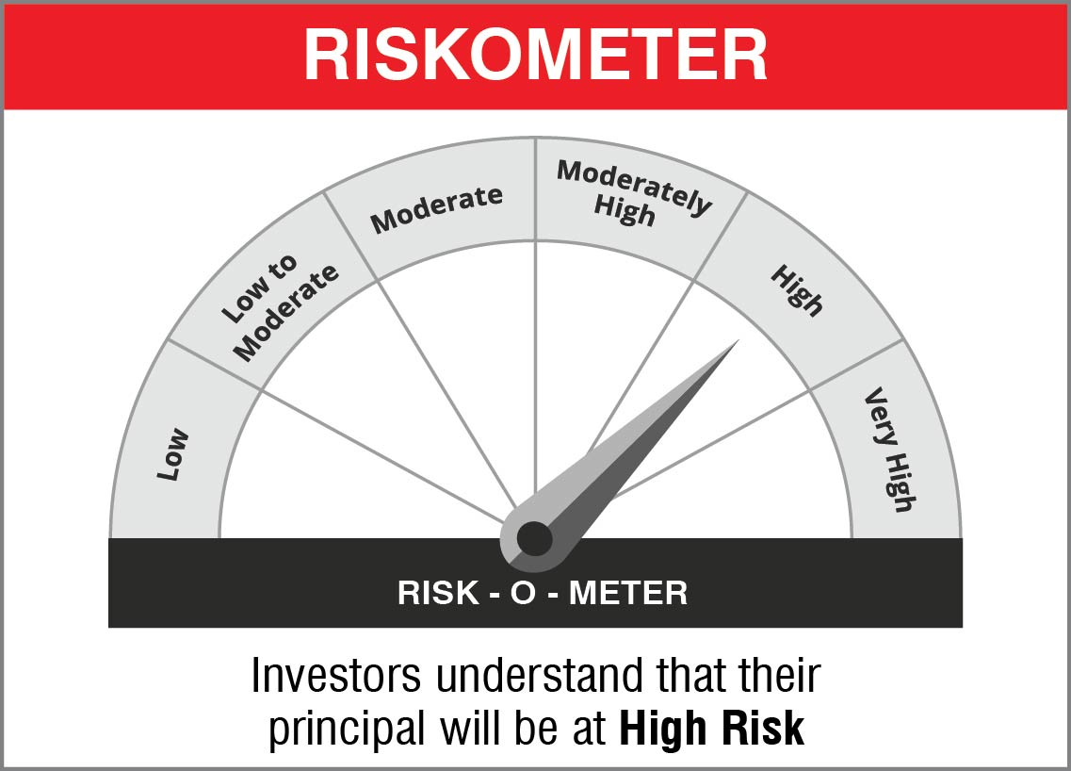

NJOVERFD
 | NJ Overnight Fund
 | (An open ended debt scheme investing in overnight securities with a relatively low interest rate risk and relatively low credit risk)

 | Monthly Portfolio Statement as on November 30, 2022
 | Name of the Instrument | ISIN | Industry/ Rating | Quantity | Market/Fair Value (Rs. in Lakhs) | % to Net Assets | YTM~ | YTC^ | null
 | Reverse Repo / TREPS
TRP_011222 | Clearing Corporation of India Ltd |  |  |  | 2,680.00 | 98.37% | 5.68%
 | Sub Total |  |  |  | 2,680.00 | 98.37%
 | Total |  |  |  | 2,680.00 | 98.37%
 | Net Receivables / (Payables) |  |  |  | 44.29 | 1.63%
 | GRAND TOTAL |  |  |  | 2,724.29 | 100.00%

 | ~ YTM as on November 30, 2022
 | ^ Pursuant to AMFI circular no. 135/BP/91/2020-21, Yield to Call (YTC) for AT-1 bonds and Tier-2 bonds as on November 30, 2022.

 | Notes:
 | 1. Security in default beyond its maturiy date | NIL
 | 2. NAV at the beginning and end of the period (Rs. per unit)
 |  | NAV as on 01st November 2022 | NAV as on 30th November 2022
 | NJ Overnight Fund - Direct Growth | 1014.0762 | 1018.659
 | NJ Overnight Fund - Regular Growth | 1013.818 | 1018.3181

 | 3. Total Dividend (Net) declared during the period | NA
 | 4. Bonus was declared during the period | NA
 | 5. Investment in Repo of Corporate Debt Securities during the period | NIL
 | 6. Investment in foreign securities/ADRs/GDRs at the end of the period | NIL
 | 7. Margin Deposits includes Margin money placed on derivatives other than margin money placed with bank | NA
 | 8. Total value and percentage of Illiquid Equity shares | NA
 | 9. Average Maturity for the debt securities held (as on November 30, 2022) | 1 day
 | 10. Instances of fair valuation of Securities or Deviation in valuation from what is provided by valuation agencies | NIL

 | RISK-O-METER

 | NJ Overnight Fund
 | This product is suitable for investors who are seeking*:
 | - An overnight fund that aims to generate optimal returns in line with overnight rates and high liquidity - To invest in debt and money market instruments with maturity of 1 day *Investors should consult their financial advisors if in doubt about whether the product is suitable for them.

 | Name of the Benchmark and its risk-o-meter:
 | NIFTY 1D Rate Index

 |  | A Relatively Low Interest Rate Risk and Relatively Low Credit Risk

