NJABF
 | NJ Arbitrage Fund
 | (An open ended scheme investing in arbitrage opportunities)

 | Monthly Portfolio Statement as on October 31, 2022
 | Name of the Instrument | ISIN | Industry/ Rating | Quantity | Market/Fair Value (Rs. in Lakhs) | % to Net Assets | YTM~ | YTC^ | null
 | Equity & Equity related
 | (a) Listed / awaiting listing on Stock Exchanges
MUND02 | Adani Ports and Special Economic Zone Limited | INE742F01042 | Transport Infrastructure | 33,750 | 277.95 | 5.63%
KOMA02 | Kotak Mahindra Bank Limited | INE237A01028 | Banks | 14,400 | 273.88 | 5.55%
ACCL02 | ACC Limited | INE012A01025 | Cement & Cement Products | 10,000 | 239.03 | 4.84%
SPIL03 | Sun Pharmaceutical Industries Limited | INE044A01036 | Pharmaceuticals & Biotechnology | 22,400 | 227.79 | 4.62%
MCSP02 | United Spirits Limited | INE854D01024 | Beverages | 24,375 | 218.49 | 4.43%
IBCL05 | ICICI Bank Limited | INE090A01021 | Banks | 23,375 | 212.41 | 4.30%
HDFC03 | Housing Development Finance Corporation Limited | INE001A01036 | Finance | 8,100 | 200.05 | 4.05%
HDFB03 | HDFC Bank Limited | INE040A01034 | Banks | 13,200 | 197.56 | 4.00%
GUAM02 | Ambuja Cements Limited | INE079A01024 | Cement & Cement Products | 34,200 | 182.27 | 3.69%
ICEM01 | The India Cements Limited | INE383A01012 | Cement & Cement Products | 63,800 | 153.82 | 3.12%
RIND01 | Reliance Industries Limited | INE002A01018 | Petroleum Products | 6,000 | 152.98 | 3.10%
HCLT02 | HCL Technologies Limited | INE860A01027 | IT - Software | 14,000 | 145.76 | 2.95%
FEBA02 | The Federal Bank Limited | INE171A01029 | Banks | 110,000 | 144.65 | 2.93%
ZEET02 | Zee Entertainment Enterprises Limited | INE256A01028 | Entertainment | 54,000 | 141.72 | 2.87%
ASHL02 | Ashok Leyland Limited | INE208A01029 | Agricultural, Commercial & Construction Vehicles | 80,000 | 122.64 | 2.48%
HINI02 | Hindalco Industries Limited | INE038A01020 | Non - Ferrous Metals | 27,950 | 113.38 | 2.30%
HLEL02 | Hindustan Unilever Limited | INE030A01027 | Diversified FMCG | 3,300 | 84.17 | 1.71%
IIBL01 | IndusInd Bank Limited | INE095A01012 | Banks | 6,750 | 77.13 | 1.56%
MAUD01 | Maruti Suzuki India Limited | INE585B01010 | Automobiles | 800 | 76.22 | 1.54%
TCHE01 | Tata Chemicals Limited | INE092A01019 | Chemicals & Petrochemicals | 5,000 | 56.64 | 1.15%
DLFL01 | DLF Limited | INE271C01023 | Realty | 13,200 | 50.89 | 1.03%
SESA02 | Vedanta Limited | INE205A01025 | Diversified Metals | 15,500 | 43.52 | 0.88%
BAND01 | Bandhan Bank Limited | INE545U01014 | Banks | 14,400 | 34.35 | 0.70%
SBAI02 | State Bank of India | INE062A01020 | Banks | 4,500 | 25.82 | 0.52%
TELC03 | Tata Motors Limited | INE155A01022 | Automobiles | 5,700 | 23.53 | 0.48%
GAIL01 | GAIL (India) Limited | INE129A01019 | Gas | 18,300 | 16.71 | 0.34%
ILOM01 | ICICI Lombard General Insurance Company Limited | INE765G01017 | Insurance | 1,275 | 14.92 | 0.30%
HDLI01 | HDFC Life Insurance Company Limited | INE795G01014 | Insurance | 1,100 | 5.94 | 0.12%
 | Sub Total |  |  |  | 3,514.22 | 71.19%
 | (b) Unlisted |  |  |  | NIL | NIL
 | Sub Total |  |  |  | NIL | NIL
 | Total |  |  |  | 3,514.22 | 71.19%
 | Derivatives
 | Index / Stock Futures
HDLINOV22 | HDFC Life Insurance Company Limited November 2022 Future |  | Insurance | -1,100 | (5.97) | (0.12)%
ILOMNOV22 | ICICI Lombard General Insurance Company Limited November 2022 Future |  | Insurance | -1,275 | (15.00) | (0.30)%
GAILNOV22 | GAIL (India) Limited November 2022 Future |  | Gas | -18,300 | (16.79) | (0.34)%
TELCNOV22 | Tata Motors Limited November 2022 Future |  | Automobiles | -5,700 | (23.64) | (0.48)%
SBAINOV22 | State Bank of India November 2022 Future |  | Banks | -4,500 | (25.94) | (0.53)%
BANDNOV22 | Bandhan Bank Limited November 2022 Future |  | Banks | -14,400 | (34.55) | (0.70)%
SESANOV22 | Vedanta Limited November 2022 Future |  | Diversified Metals | -15,500 | (43.79) | (0.89)%
DLFLNOV22 | DLF Limited November 2022 Future |  | Realty | -13,200 | (51.20) | (1.04)%
TCHENOV22 | Tata Chemicals Limited November 2022 Future |  | Chemicals & Petrochemicals | -5,000 | (56.93) | (1.15)%
MAUDNOV22 | Maruti Suzuki India Limited November 2022 Future |  | Automobiles | -800 | (76.43) | (1.55)%
IIBLNOV22 | IndusInd Bank Limited November 2022 Future |  | Banks | -6,750 | (77.57) | (1.57)%
HLELNOV22 | Hindustan Unilever Limited November 2022 Future |  | Diversified FMCG | -3,300 | (84.08) | (1.70)%
HININOV22 | Hindalco Industries Limited November 2022 Future |  | Non - Ferrous Metals | -27,950 | (113.62) | (2.30)%
ASHLNOV22 | Ashok Leyland Limited November 2022 Future |  | Agricultural, Commercial & Construction Vehicles | -80,000 | (123.08) | (2.49)%
ZEETNOV22 | Zee Entertainment Enterprises Limited November 2022 Future |  | Entertainment | -54,000 | (142.56) | (2.89)%
FEBANOV22 | The Federal Bank Limited November 2022 Future |  | Banks | -110,000 | (145.53) | (2.95)%
HCLTNOV22 | HCL Technologies Limited November 2022 Future |  | IT - Software | -14,000 | (146.25) | (2.96)%
RINDNOV22 | Reliance Industries Limited November 2022 Future |  | Petroleum Products | -6,000 | (153.41) | (3.11)%
ICEMNOV22 | The India Cements Limited November 2022 Future |  | Cement & Cement Products | -63,800 | (154.75) | (3.14)%
GUAMNOV22 | Ambuja Cements Limited November 2022 Future |  | Cement & Cement Products | -34,200 | (183.29) | (3.71)%
HDFBNOV22 | HDFC Bank Limited November 2022 Future |  | Banks | -13,200 | (198.43) | (4.02)%
HDFCNOV22 | Housing Development Finance Corporation Limited November 2022 Future |  | Finance | -8,100 | (200.82) | (4.07)%
IBCLNOV22 | ICICI Bank Limited November 2022 Future |  | Banks | -23,375 | (213.57) | (4.33)%
MCSPNOV22 | United Spirits Limited November 2022 Future |  | Beverages | -24,375 | (219.47) | (4.45)%
SPILNOV22 | Sun Pharmaceutical Industries Limited November 2022 Future |  | Pharmaceuticals & Biotechnology | -22,400 | (229.04) | (4.64)%
ACCLNOV22 | ACC Limited November 2022 Future |  | Cement & Cement Products | -10,000 | (240.45) | (4.87)%
KMBKNOV22 | Kotak Mahindra Bank Limited November 2022 Future |  | Banks | -14,400 | (274.63) | (5.56)%
MUNDNOV22 | Adani Ports and Special Economic Zone Limited November 2022 Future |  | Transport Infrastructure | -33,750 | (279.25) | (5.66)%
 | Sub Total |  |  |  | (3,530.04) | (71.52)%
 | Total |  |  |  | (3,530.04) | (71.52)%
 | Money Market Instruments
 | Treasury Bill
TBIL2064 | 182 Days Tbill (MD 15/12/2022) | IN002022Y112 | Sovereign | 500,000 | 496.32 | 10.06% | 6.15%
TBIL2079 | 182 Days Tbill (MD 26/01/2023) | IN002022Y179 | Sovereign | 300,000 | 295.57 | 5.99% | 6.37%
TBIL2078 | 182 Days Tbill (MD 19/01/2023) | IN002022Y161 | Sovereign | 200,000 | 197.26 | 4.00% | 6.42%
 | Sub Total |  |  |  | 989.15 | 20.05%
 | Total |  |  |  | 989.15 | 20.05%
 | Reverse Repo / TREPS
TRP_011122 | Clearing Corporation of India Ltd |  |  |  | 445.00 | 9.02% | 6.12%
 | Sub Total |  |  |  | 445.00 | 9.02%
 | Total |  |  |  | 445.00 | 9.02%
 | Net Receivables / (Payables) |  |  |  | 3,517.03 | 71.26%
 | GRAND TOTAL |  |  |  | 4,935.36 | 100.00%

 | ~ YTM as on October 31, 2022
 | ^ Pursuant to AMFI circular no. 135/BP/91/2020-21, Yield to Call (YTC) for AT-1 bonds and Tier-2 bonds as on October 31, 2022.

 | Notes:
 | 1. Security in default beyond its maturiy date | NIL
 | 2. NAV at the beginning and end of the period (Rs. per unit)

 |  | NAV as on 3rd October 2022 | NAV as on 31st October 2022
 | NJ Arbitrage Fund - Direct Growth | 10.1000 | 10.1274
 | NJ Arbitrage Fund - Regular Growth | 10.0870 | 10.1088

 | 3. Total Dividend (Net) declared during the month | NIL
 | 4. Bonus was declared during the month | NIL
 | 5. Investment in Repo of Corporate Debt Securities during the month | NIL
 | 6. Investment in foreign securities/ADRs/GDRs at the end of the month | NIL
 | 7. Portfolio Turnover Ratio | 0.76 Times
 | 8. Margin Deposits includes Margin money placed on derivatives other than margin money placed with bank | NIL
 | 9. Total value and percentage of Illiquid Equity shares | NIL
 | 10. Average Maturity for the debt securities held (as on October 31, 2022) | 45 days
 | 11. Instances of fair valuation of Securities or Deviation in valuation from what is provided by valuation agencies | NIL
 | 12. Deviation in the mandated asset allocation pursuant to SEBI Circular SEBI/HO/IMD/IMD-II DOF3/P/CIR/2022/39 dated March 30, 2022 | Nil

 | RISK-O-METER

 | NJ Arbitrage Fund
 | This product is suitable for investors who are seeking*:
 | - To generate income by investing in arbitrage opportunities - Predominantly investing in arbitrage opportunities in the cash and derivatives segment of the equity market. *Investors should consult their financial advisors if in doubt about whether the product is suitable for them. | 

 | Name of the Benchmark and its risk-o-meter:
 | NIFTY 50 Arbitrage Index

NJBAF
 | NJ Balanced Advantage Fund
 | (An open-ended Dynamic Asset Allocation Fund )

 | Monthly Portfolio Statement as on October 31, 2022
 | Name of the Instrument | ISIN | Industry/ Rating | Quantity | Market/Fair Value (Rs. in Lakhs) | % to Net Assets | YTM~ | YTC^ | null
 | Equity & Equity related
 | (a) Listed / awaiting listing on Stock Exchanges
HDFB03 | HDFC Bank Limited | INE040A01034 | Banks | 795,850 | 11,911.49 | 2.47%
IIBL01 | IndusInd Bank Limited | INE095A01012 | Banks | 975,600 | 11,147.69 | 2.31%
MUND02 | Adani Ports and Special Economic Zone Limited | INE742F01042 | Transport Infrastructure | 1,077,500 | 8,873.75 | 1.84%
SPIL03 | Sun Pharmaceutical Industries Limited | INE044A01036 | Pharmaceuticals & Biotechnology | 832,015 | 8,460.76 | 1.75%
RIND01 | Reliance Industries Limited | INE002A01018 | Petroleum Products | 306,250 | 7,808.15 | 1.62%
MAHI02 | Mahindra & Mahindra Limited | INE101A01026 | Automobiles | 553,505 | 7,464.57 | 1.55%
ADAN02 | Adani Enterprises Limited | INE423A01024 | Metals & Minerals Trading | 222,698 | 7,454.70 | 1.54%
TISC03 | Tata Steel Limited | INE081A01020 | Ferrous Metals | 6,499,539 | 6,600.28 | 1.37%
ADGL01 | Adani Total Gas Limited | INE399L01023 | Gas | 177,574 | 6,397.72 | 1.33%
MCSP02 | United Spirits Limited | INE854D01024 | Beverages | 702,931 | 6,300.72 | 1.31%
PGCI01 | Power Grid Corporation of India Limited | INE752E01010 | Power | 2,725,723 | 6,218.74 | 1.29%
BKBA02 | Bank of Baroda | INE028A01039 | Banks | 4,183,565 | 6,179.13 | 1.28%
KCUL02 | Cummins India Limited | INE298A01020 | Industrial Products | 456,942 | 6,159.12 | 1.28%
COAL01 | Coal India Limited | INE522F01014 | Consumable Fuels | 2,464,242 | 6,060.80 | 1.26%
INFS02 | Infosys Limited | INE009A01021 | IT - Software | 390,047 | 5,997.56 | 1.24%
SAEL02 | TVS Motor Company Limited | INE494B01023 | Automobiles | 521,765 | 5,979.69 | 1.24%
NEST01 | Nestle India Limited | INE239A01016 | Food Products | 29,296 | 5,965.66 | 1.24%
NTPC01 | NTPC Limited | INE733E01010 | Power | 3,445,139 | 5,963.54 | 1.24%
GAIL01 | GAIL (India) Limited | INE129A01019 | Gas | 6,517,402 | 5,950.39 | 1.23%
DENI02 | Deepak Nitrite Limited | INE288B01029 | Chemicals & Petrochemicals | 256,665 | 5,939.10 | 1.23%
TWAT02 | Titan Company Limited | INE280A01028 | Consumer Durables | 214,868 | 5,933.58 | 1.23%
ITCL02 | ITC Limited | INE154A01025 | Diversified FMCG | 1,694,212 | 5,907.72 | 1.22%
TCSL01 | Tata Consultancy Services Limited | INE467B01029 | IT - Software | 184,683 | 5,897.21 | 1.22%
MINT01 | MindTree Limited | INE018I01017 | IT - Software | 172,730 | 5,879.30 | 1.22%
COLG02 | Colgate Palmolive (India) Limited | INE259A01022 | Personal Products | 357,979 | 5,841.32 | 1.21%
JSPL03 | Jindal Steel & Power Limited | INE749A01030 | Ferrous Metals | 1,268,287 | 5,832.22 | 1.21%
HALT01 | Hindustan Aeronautics Limited | INE066F01012 | Aerospace & Defense | 230,124 | 5,822.25 | 1.21%
ADTL01 | Adani Transmission Limited | INE931S01010 | Power | 172,646 | 5,781.40 | 1.20%
LTIL01 | Larsen & Toubro Infotech Limited | INE214T01019 | IT - Software | 121,853 | 5,775.65 | 1.20%
BALN01 | Bajaj Auto Limited | INE917I01010 | Automobiles | 157,077 | 5,767.63 | 1.20%
JVSL04 | JSW Steel Limited | INE019A01038 | Ferrous Metals | 849,841 | 5,727.50 | 1.19%
IOIC01 | Indian Oil Corporation Limited | INE242A01010 | Petroleum Products | 8,391,940 | 5,727.50 | 1.19%
BHEL02 | Bharat Electronics Limited | INE263A01024 | Aerospace & Defense | 5,352,275 | 5,718.91 | 1.19%
IRCT02 | Indian Railway Catering And Tourism Corporation Limited | INE335Y01020 | Leisure Services | 769,856 | 5,706.17 | 1.18%
MARC02 | Marico Limited | INE196A01026 | Personal Products | 1,085,817 | 5,695.65 | 1.18%
ONGC02 | Oil & Natural Gas Corporation Limited | INE213A01029 | Oil | 4,222,577 | 5,660.36 | 1.17%
SRFL01 | SRF Limited | INE647A01010 | Chemicals & Petrochemicals | 221,073 | 5,656.48 | 1.17%
TLFH01 | Tube Investments of India Limited | INE974X01010 | Auto Components | 206,165 | 5,655.62 | 1.17%
PLNG01 | Petronet LNG Limited | INE347G01014 | Gas | 2,751,088 | 5,654.86 | 1.17%
CROM02 | CG Power and Industrial Solutions Limited | INE067A01029 | Electrical Equipment | 2,170,113 | 5,642.29 | 1.17%
BRIT03 | Britannia Industries Limited | INE216A01030 | Food Products | 149,522 | 5,631.82 | 1.17%
BPCL01 | Bharat Petroleum Corporation Limited | INE029A01011 | Petroleum Products | 1,841,368 | 5,591.31 | 1.16%
HPEC01 | Hindustan Petroleum Corporation Limited | INE094A01015 | Petroleum Products | 2,589,963 | 5,538.64 | 1.15%
IHOT02 | The Indian Hotels Company Limited | INE053A01029 | Leisure Services | 1,658,229 | 5,535.17 | 1.15%
PIDI02 | Pidilite Industries Limited | INE318A01026 | Chemicals & Petrochemicals | 212,588 | 5,494.12 | 1.14%
SESA02 | Vedanta Limited | INE205A01025 | Diversified Metals | 1,939,145 | 5,445.12 | 1.13%
AGEL01 | Adani Green Energy Limited | INE364U01010 | Power | 256,805 | 5,400.35 | 1.12%
YESB03 | Yes Bank Limited | INE528G01035 | Banks | 34,159,415 | 5,311.79 | 1.10%
PAGE01 | Page Industries Limited | INE761H01022 | Textiles & Apparels | 10,589 | 5,270.00 | 1.09%
ASEA02 | ABB India Limited | INE117A01022 | Electrical Equipment | 171,729 | 5,237.31 | 1.09%
VNBL01 | Varun Beverages Limited | INE200M01013 | Beverages | 498,601 | 5,230.57 | 1.08%
UTIB02 | Axis Bank Limited | INE238A01034 | Banks | 573,600 | 5,196.82 | 1.08%
HDFC03 | Housing Development Finance Corporation Limited | INE001A01036 | Finance | 205,500 | 5,075.44 | 1.05%
TAEL01 | Tata Elxsi Limited | INE670A01012 | IT - Software | 66,203 | 4,631.46 | 0.96%
NMDC01 | NMDC Limited | INE584A01023 | Minerals & Mining | 4,155,894 | 4,145.50 | 0.86%
HZIN02 | Hindustan Zinc Limited | INE267A01025 | Non - Ferrous Metals | 1,314,678 | 3,729.74 | 0.77%
SKFB02 | SKF India Limited | INE640A01023 | Industrial Products | 71,056 | 3,125.33 | 0.65%
IBCL05 | ICICI Bank Limited | INE090A01021 | Banks | 294,250 | 2,673.85 | 0.55%
BAYE02 | Bayer Cropscience Limited | INE462A01022 | Fertilizers & Agrochemicals | 56,013 | 2,620.54 | 0.54%
HLEL02 | Hindustan Unilever Limited | INE030A01027 | Diversified FMCG | 96,000 | 2,448.67 | 0.51%
LARS02 | Larsen & Toubro Limited | INE018A01030 | Construction | 57,600 | 1,165.31 | 0.24%
MAUD01 | Maruti Suzuki India Limited | INE585B01010 | Automobiles | 11,500 | 1,095.67 | 0.23%
ZEET02 | Zee Entertainment Enterprises Limited | INE256A01028 | Entertainment | 399,000 | 1,047.18 | 0.22%
KOMA02 | Kotak Mahindra Bank Limited | INE237A01028 | Banks | 48,000 | 912.94 | 0.19%
GRAS02 | Grasim Industries Limited | INE047A01021 | Cement & Cement Products | 43,225 | 744.20 | 0.15%
SOEL02 | Solar Industries India Limited | INE343H01029 | Chemicals & Petrochemicals | 18,837 | 734.99 | 0.15%
LUPL02 | Lupin Limited | INE326A01037 | Pharmaceuticals & Biotechnology | 17,850 | 124.77 | 0.03%
 | Sub Total |  |  |  | 357,275.79 | 74.08%
 | (b) Unlisted
NMST01 | NMDC Steel Limited # | INE0NNS01018 | Ferrous Metals | 4,155,894 | 1,099.23 | 0.23%
 | Sub Total |  |  |  | 1,099.23 | 0.23%
 | Total |  |  |  | 358,375.02 | 74.31%
 | Derivatives
 | Index / Stock Futures
LUPLNOV22 | Lupin Limited November 2022 Future |  | Pharmaceuticals & Biotechnology | -17,850 | (125.14) | (0.03)%
MCSPNOV22 | United Spirits Limited November 2022 Future |  | Beverages | -55,625 | (500.85) | (0.10)%
GRASNOV22 | Grasim Industries Limited November 2022 Future |  | Cement & Cement Products | -43,225 | (748.70) | (0.16)%
KMBKNOV22 | Kotak Mahindra Bank Limited November 2022 Future |  | Banks | -48,000 | (915.43) | (0.19)%
TISCNOV22 | Tata Steel Limited November 2022 Future |  | Ferrous Metals | -1,020,000 | (1,037.34) | (0.21)%
ZEETNOV22 | Zee Entertainment Enterprises Limited November 2022 Future |  | Entertainment | -399,000 | (1,053.36) | (0.22)%
MAUDNOV22 | Maruti Suzuki India Limited November 2022 Future |  | Automobiles | -11,500 | (1,098.67) | (0.23)%
LARSNOV22 | Larsen & Toubro Limited November 2022 Future |  | Construction | -57,600 | (1,171.87) | (0.24)%
MAHINOV22 | Mahindra & Mahindra Limited November 2022 Future |  | Automobiles | -96,600 | (1,307.38) | (0.27)%
ADANNOV22 | Adani Enterprises Limited November 2022 Future |  | Metals & Minerals Trading | -50,000 | (1,682.38) | (0.35)%
HLELNOV22 | Hindustan Unilever Limited November 2022 Future |  | Diversified FMCG | -96,000 | (2,445.98) | (0.51)%
SPILNOV22 | Sun Pharmaceutical Industries Limited November 2022 Future |  | Pharmaceuticals & Biotechnology | -239,400 | (2,447.87) | (0.51)%
IBCLNOV22 | ICICI Bank Limited November 2022 Future |  | Banks | -294,250 | (2,688.42) | (0.56)%
HDFCNOV22 | Housing Development Finance Corporation Limited November 2022 Future |  | Finance | -205,500 | (5,094.86) | (1.06)%
UTIBNOV22 | Axis Bank Limited November 2022 Future |  | Banks | -573,600 | (5,215.46) | (1.08)%
NIFYNOV22 | Nifty 50 Index November 2022 Future |  | Index Futures | -29,450 | (5,316.03) | (1.10)%
RINDNOV22 | Reliance Industries Limited November 2022 Future |  | Petroleum Products | -306,250 | (7,830.20) | (1.62)%
MUNDNOV22 | Adani Ports and Special Economic Zone Limited November 2022 Future |  | Transport Infrastructure | -1,077,500 | (8,915.24) | (1.85)%
IIBLNOV22 | IndusInd Bank Limited November 2022 Future |  | Banks | -975,600 | (11,212.08) | (2.32)%
HDFBNOV22 | HDFC Bank Limited November 2022 Future |  | Banks | -795,850 | (11,963.62) | (2.48)%
 | Sub Total |  |  |  | (72,770.88) | (15.09)%
 | Total |  |  |  | (72,770.88) | (15.09)%
 | Debt Instruments
 | (a) Listed / awaiting listing on Stock Exchange
GOI2040 | 7.37% Government of India (16/04/2023) | IN0020180025 | Sovereign | 5,500,000 | 5,513.96 | 1.14% | 6.83%
GOI417 | 6.30% Government of India (09/04/2023) | IN0020030014 | Sovereign | 5,000,000 | 4,988.18 | 1.03% | 6.88%
GOI1133 | 8.83% Government of India (25/11/2023) | IN0020130061 | Sovereign | 2,500,000 | 2,545.06 | 0.53% | 7.04%
GOI2186 | 7.32% Government of India (28/01/2024) | IN0020180488 | Sovereign | 2,500,000 | 2,506.66 | 0.52% | 7.08%
GOI1644 | 6.84% Government of India (19/12/2022) | IN0020160050 | Sovereign | 2,500,000 | 2,501.74 | 0.52% | 6.25%
GOI1030 | 7.16% Government of India (20/05/2023) | IN0020130012 | Sovereign | 500,000 | 500.65 | 0.10% | 6.91%
 | Sub Total |  |  |  | 18,556.25 | 3.84%
 | (b) Privately placed / Unlisted |  |  |  | NIL | NIL
 | Sub Total |  |  |  | NIL | NIL
 | Total |  |  |  | 18,556.25 | 3.84%
 | Money Market Instruments
 | Treasury Bill
TBIL2061 | 182 Days Tbill (MD 08/12/2022) | IN002022Y104 | Sovereign | 10,000,000 | 9,938.14 | 2.06% | 6.14%
TBIL1965 | 364 Days Tbill (MD 10/11/2022) | IN002021Z335 | Sovereign | 5,000,000 | 4,992.59 | 1.03% | 6.03%
TBIL1993 | 364 Days Tbill (MD 05/01/2023) | IN002021Z426 | Sovereign | 5,000,000 | 4,944.09 | 1.02% | 6.35%
TBIL1998 | 364 Days Tbill (MD 19/01/2023) | IN002021Z442 | Sovereign | 5,000,000 | 4,931.43 | 1.02% | 6.42%
TBIL2055 | 182 Days Tbill (MD 01/12/2022) | IN002022Y096 | Sovereign | 2,500,000 | 2,487.48 | 0.52% | 6.13%
TBIL2070 | 182 Days Tbill (MD 29/12/2022) | IN002022Y138 | Sovereign | 2,500,000 | 2,475.61 | 0.51% | 6.20%
TBIL2090 | 91 Days Tbill (MD 24/11/2022) | IN002022X213 | Sovereign | 1,000,000 | 996.22 | 0.21% | 6.02%
TBIL2078 | 182 Days Tbill (MD 19/01/2023) | IN002022Y161 | Sovereign | 300,000 | 295.89 | 0.06% | 6.42%
TBIL2079 | 182 Days Tbill (MD 26/01/2023) | IN002022Y179 | Sovereign | 200,000 | 197.05 | 0.04% | 6.37%
 | Sub Total |  |  |  | 31,258.50 | 6.47%
 | Total |  |  |  | 31,258.50 | 6.47%
 | Reverse Repo / TREPS
TRP_011122 | Clearing Corporation of India Ltd |  |  |  | 68,160.00 | 14.12% | 6.12%
 | Sub Total |  |  |  | 68,160.00 | 14.12%
 | (b) Privately placed / Unlisted |  |  |  | NIL | NIL
 | Sub Total |  |  |  | NIL | NIL
 | Total |  |  |  | 68,160.00 | 14.12%
 | Net Receivables / (Payables) |  |  |  | 79,008.72 | 16.35%
 | GRAND TOTAL |  |  |  | 482,587.61 | 100.00%

 | # Unlisted Security
 | ~ YTM as on October 31, 2022
 | ^ Pursuant to AMFI circular no. 135/BP/91/2020-21, Yield to Call (YTC) for AT-1 bonds and Tier-2 bonds as on October 31, 2022.

 | Notes:
 | 1. Security in default beyond its maturiy date | NIL
 | 2. NAV at the beginning and end of the period (Rs. per unit)

 |  | NAV as on 3rd October 2022 | NAV as on 31st October 2022
 | NJ Balanced Advantage Fund - Direct IDCW | 9.78 | 9.96
 | NJ Balanced Advantage Fund - Direct Growth | 9.78 | 9.96
 | NJ Balanced Advantage Fund - Regular IDCW | 9.66 | 9.82
 | NJ Balanced Advantage Fund - Regular Growth | 9.66 | 9.82

 | 3. Total Dividend (Net) declared during the month | NIL
 | 4. Bonus was declared during the month | NIL
 | 5. Investment in Repo of Corporate Debt Securities during the month | NIL
 | 6. Investment in foreign securities/ADRs/GDRs at the end of the month | NIL
 | 7. Portfolio Turnover Ratio | 0.74 Times
 | 8. Margin Deposits includes Margin money placed on derivatives other than margin money placed with bank | NIL
 | 9. Total value and percentage of Illiquid Equity shares | NIL
 | 10. Average Maturity for the debt securities held (as on October 31, 2022) | 48 days
 | 11. Instances of fair valuation of Securities or Deviation in valuation from what is provided by valuation agencies | NIL
 | 12. Deviation in the mandated asset allocation pursuant to SEBI Circular SEBI/HO/IMD/IMD-II DOF3/P/CIR/2022/39 dated March 30, 2022 | NIL

 | RISK-O-METER

 | NJ Balanced Advantage Fund
 | This product is suitable for investors who are seeking*:
 | • Long term capital Growth • Dynamic asset allocation between equity and specified debt securities *Investors should consult their financial advisors if in doubt about whether the product is suitable for them. | 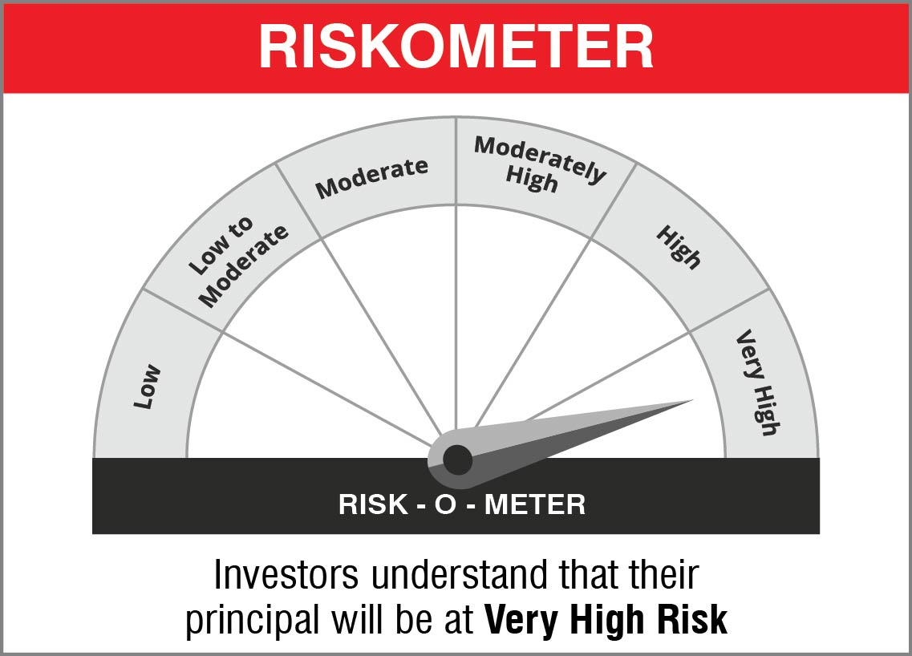

 | Name of the Benchmark and its risk-o-meter:
 | NIFTY 50 Hybrid Composite Debt 50:50 Index | 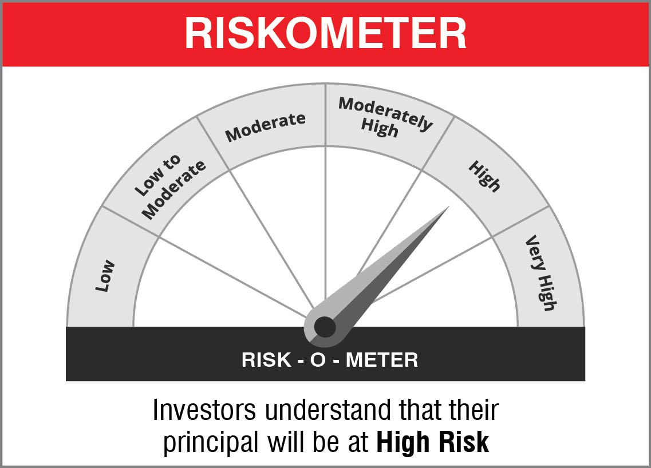

NJOVERFD
 | NJ Overnight Fund
 | (An open ended debt scheme investing in overnight securities with a relatively low interest rate risk and relatively low credit risk)

 | Monthly Portfolio Statement as on October 31, 2022
 | Name of the Instrument | ISIN | Industry / Rating | Quantity | Market/Fair Value (Rs. in Lakhs) | % to Net Assets | YTM~ | YTC^ | null
 | Reverse Repo / TREPS
TRP_011122 | Clearing Corporation of India Ltd |  |  |  | 2,695.00 | 98.96% | 6.12%
 | Sub Total |  |  |  | 2,695.00 | 98.96%
 | Total |  |  |  | 2,695.00 | 98.96%
 | Net Receivables / (Payables) |  |  |  | 28.31 | 1.04%
 | GRAND TOTAL |  |  |  | 2,723.31 | 100.00%

 | ~ YTM as on October 31, 2022
 | ^ Pursuant to AMFI circular no. 135/BP/91/2020-21, Yield to Call (YTC) for AT-1 bonds and Tier-2 bonds as on October 31, 2022.

 | Notes:
 | 1. Security in default beyond its maturiy date | NIL
 | 2. NAV at the beginning and end of the period (Rs. per unit)
 |  | NAV as on 2nd October 2022 | NAV as on 31st October 2022
 | NJ Overnight Fund - Direct Growth | 1009.1436 | 1013.9220
 | NJ Overnight Fund - Regular Growth | 1008.9696 | 1013.6666

 | 3. Total Dividend (Net) declared during the period | NA
 | 4. Bonus was declared during the period | NA
 | 5. Investment in Repo of Corporate Debt Securities during the period | NIL
 | 6. Investment in foreign securities/ADRs/GDRs at the end of the period | NIL
 | 7. Margin Deposits includes Margin money placed on derivatives other than margin money placed with bank | NA
 | 8. Total value and percentage of Illiquid Equity shares | NA
 | 9. Average Maturity for the debt securities held (as on October 31, 2022) | 1 day
 | 10. Instances of fair valuation of Securities or Deviation in valuation from what is provided by valuation agencies | NIL

 | RISK-O-METER

 | NJ Overnight Fund
 | This product is suitable for investors who are seeking*:
 | - An overnight fund that aims to generate optimal returns in line with overnight rates and high liquidity - To invest in debt and money market instruments with maturity of 1 day *Investors should consult their financial advisors if in doubt about whether the product is suitable for them.

 | Name of the Benchmark and its risk-o-meter:
 | NIFTY 1D Rate Index

 |  | A Relatively Low Interest Rate Risk and Relatively Low Credit Risk

