NJABF
 | NJ Arbitrage Fund
 | (An open ended scheme investing in arbitrage opportunities )
 | Monthly Portfolio Statement as on September 30, 2022
 | Name of the Instrument | ISIN | Industry/ Rating | Quantity | Market/Fair Value (Rs. in Lakhs) | % to Net Assets | YTM~ | YTC^ | null
 | Equity & Equity related
 | (a) Listed / awaiting listing on Stock Exchanges
MUND02 | Adani Ports and Special Economic Zone Limited | INE742F01042 | Transport Infrastructure | 33,750 | 276.97 | 5.57%
IBCL05 | ICICI Bank Limited | INE090A01021 | Banks | 31,625 | 272.61 | 5.48%
KOMA02 | Kotak Mahindra Bank Limited | INE237A01028 | Banks | 14,400 | 261.96 | 5.26%
ACCL02 | ACC Limited | INE012A01025 | Cement & Cement Products | 10,000 | 241.57 | 4.85%
SPIL03 | Sun Pharmaceutical Industries Limited | INE044A01036 | Pharmaceuticals & Biotechnology | 22,400 | 212.50 | 4.27%
MCSP02 | United Spirits Limited | INE854D01024 | Beverages | 24,375 | 205.31 | 4.13%
HDFB03 | HDFC Bank Limited | INE040A01034 | Banks | 13,200 | 187.62 | 3.77%
HDFC03 | Housing Development Finance Corporation Limited | INE001A01036 | Finance | 8,100 | 185.31 | 3.72%
FEBA02 | The Federal Bank Limited | INE171A01029 | Banks | 150,000 | 178.13 | 3.58%
GUAM02 | Ambuja Cements Limited | INE079A01024 | Cement & Cement Products | 34,200 | 176.34 | 3.54%
ICEM01 | The India Cements Limited | INE383A01012 | Cement & Cement Products | 63,800 | 171.69 | 3.45%
ZEET02 | Zee Entertainment Enterprises Limited | INE256A01028 | Entertainment | 54,000 | 139.40 | 2.80%
HCLT02 | HCL Technologies Limited | INE860A01027 | IT - Software | 14,000 | 130.53 | 2.62%
ASHL02 | Ashok Leyland Limited | INE208A01029 | Agricultural, Commercial & Construction Vehicles | 80,000 | 122.12 | 2.45%
HINI02 | Hindalco Industries Limited | INE038A01020 | Non - Ferrous Metals | 31,175 | 121.75 | 2.45%
RIND01 | Reliance Industries Limited | INE002A01018 | Petroleum Products | 4,000 | 95.11 | 1.91%
HLEL02 | Hindustan Unilever Limited | INE030A01027 | Diversified FMCG | 3,300 | 88.98 | 1.79%
MAUD01 | Maruti Suzuki India Limited | INE585B01010 | Automobiles | 800 | 70.63 | 1.42%
PUBA02 | Punjab National Bank | INE160A01022 | Banks | 192,000 | 70.18 | 1.41%
TCHE01 | Tata Chemicals Limited | INE092A01019 | Chemicals & Petrochemicals | 5,000 | 55.24 | 1.11%
GAIL01 | GAIL (India) Limited | INE129A01019 | Gas | 54,900 | 47.79 | 0.96%
DLFL01 | DLF Limited | INE271C01023 | Realty | 13,200 | 47.08 | 0.95%
SESA02 | Vedanta Limited | INE205A01025 | Diversified Metals | 15,500 | 41.86 | 0.84%
BAND01 | Bandhan Bank Limited | INE545U01014 | Banks | 14,400 | 38.39 | 0.77%
UTIB02 | Axis Bank Limited | INE238A01034 | Banks | 3,600 | 26.40 | 0.53%
ILOM01 | ICICI Lombard General Insurance Company Limited | INE765G01017 | Insurance | 1,275 | 14.68 | 0.29%
HDLI01 | HDFC Life Insurance Company Limited | INE795G01014 | Insurance | 1,100 | 5.83 | 0.12%
 | Sub Total |  |  |  | 3,485.98 | 70.04%
 | (b) Unlisted |  |  |  | NIL | NIL
 | Sub Total |  |  |  | NIL | NIL
 | Total |  |  |  | 3,485.98 | 70.04%
 | Derivatives
 | Index / Stock Futures
HDLIOCT22 | HDFC Life Insurance Company Limited October 2022 Future |  | Insurance | -1,100 | (5.85) | (0.12)%
ILOMOCT22 | ICICI Lombard General Insurance Company Limited October 2022 Future |  | Insurance | -1,275 | (14.72) | (0.30)%
HLELNOV22 | Hindustan Unilever Limited November 2022 Future |  | Diversified FMCG | -600 | (16.20) | (0.33)%
UTIBOCT22 | Axis Bank Limited October 2022 Future |  | Banks | -3,600 | (26.48) | (0.53)%
BANDOCT22 | Bandhan Bank Limited October 2022 Future |  | Banks | -14,400 | (38.48) | (0.77)%
SESAOCT22 | Vedanta Limited October 2022 Future |  | Diversified Metals | -15,500 | (42.09) | (0.85)%
DLFLOCT22 | DLF Limited October 2022 Future |  | Realty | -13,200 | (47.37) | (0.95)%
GAILOCT22 | GAIL (India) Limited October 2022 Future |  | Gas | -54,900 | (47.90) | (0.96)%
TCHEOCT22 | Tata Chemicals Limited October 2022 Future |  | Chemicals & Petrochemicals | -5,000 | (55.40) | (1.11)%
PUBAOCT22 | Punjab National Bank October 2022 Future |  | Banks | -192,000 | (70.46) | (1.42)%
MAUDOCT22 | Maruti Suzuki India Limited October 2022 Future |  | Automobiles | -800 | (70.84) | (1.42)%
HLELOCT22 | Hindustan Unilever Limited October 2022 Future |  | Diversified FMCG | -2,700 | (72.82) | (1.46)%
RINDOCT22 | Reliance Industries Limited October 2022 Future |  | Petroleum Products | -4,000 | (95.40) | (1.92)%
HINIOCT22 | Hindalco Industries Limited October 2022 Future |  | Non - Ferrous Metals | -31,175 | (122.30) | (2.46)%
ASHLOCT22 | Ashok Leyland Limited October 2022 Future |  | Agricultural, Commercial & Construction Vehicles | -80,000 | (122.92) | (2.47)%
HCLTOCT22 | HCL Technologies Limited October 2022 Future |  | IT - Software | -14,000 | (129.40) | (2.60)%
ZEETOCT22 | Zee Entertainment Enterprises Limited October 2022 Future |  | Entertainment | -54,000 | (140.32) | (2.82)%
ICEMOCT22 | The India Cements Limited October 2022 Future |  | Cement & Cement Products | -63,800 | (173.44) | (3.49)%
GUAMOCT22 | Ambuja Cements Limited October 2022 Future |  | Cement & Cement Products | -34,200 | (177.34) | (3.56)%
FEBAOCT22 | The Federal Bank Limited October 2022 Future |  | Banks | -150,000 | (178.65) | (3.59)%
HDFCOCT22 | Housing Development Finance Corporation Limited October 2022 Future |  | Finance | -8,100 | (186.27) | (3.74)%
HDFBOCT22 | HDFC Bank Limited October 2022 Future |  | Banks | -13,200 | (188.21) | (3.78)%
MCSPOCT22 | United Spirits Limited October 2022 Future |  | Beverages | -24,375 | (206.51) | (4.15)%
SPILOCT22 | Sun Pharmaceutical Industries Limited October 2022 Future |  | Pharmaceuticals & Biotechnology | -22,400 | (213.05) | (4.28)%
ACCLOCT22 | ACC Limited October 2022 Future |  | Cement & Cement Products | -10,000 | (242.24) | (4.87)%
KMBKOCT22 | Kotak Mahindra Bank Limited October 2022 Future |  | Banks | -14,400 | (262.77) | (5.28)%
IBCLOCT22 | ICICI Bank Limited October 2022 Future |  | Banks | -31,625 | (274.03) | (5.51)%
MUNDOCT22 | Adani Ports and Special Economic Zone Limited October 2022 Future |  | Transport Infrastructure | -33,750 | (278.66) | (5.60)%
 | Sub Total |  |  |  | (3,500.12) | (70.34)%
 | Total |  |  |  | (3,500.12) | (70.34)%
 | Money Market Instruments
 | Treasury Bill
TBIL2064 | 182 Days Tbill (MD 15/12/2022) | IN002022Y112 | Sovereign | 500,000 | 493.91 | 9.93% | 6.00%
TBIL2079 | 182 Days Tbill (MD 26/01/2023) | IN002022Y179 | Sovereign | 300,000 | 294.15 | 5.91% | 6.20%
TBIL2078 | 182 Days Tbill (MD 19/01/2023) | IN002022Y161 | Sovereign | 200,000 | 196.33 | 3.95% | 6.20%
 | Sub Total |  |  |  | 984.39 | 19.79%
 | Total |  |  |  | 984.39 | 19.79%
 | Reverse Repo / TREPS
TRP_031022 | Clearing Corporation of India Ltd |  |  |  | 434.86 | 8.74% | 5.75%
 | Sub Total |  |  |  | 434.86 | 8.74%
 | Total |  |  |  | 434.86 | 8.74%
 | Net Receivables / (Payables) |  |  |  | 3,570.65 | 71.77%
 | GRAND TOTAL |  |  |  | 4,975.76 | 100.00%

 | ~ YTM as on September 30, 2022
 | ^ Pursuant to AMFI circular no. 135/BP/91/2020-21, Yield to Call (YTC) for AT-1 bonds and Tier-2 bonds as on September 30, 2022.

 | Notes:
 | 1. Security in default beyond its maturiy date | NIL
 | 2. NAV at the beginning and end of the period (Rs. per unit)
 |  | NAV as on 1st September 2022 | NAV as on 30th September 2022
 | NJ Arbitrage Fund - Direct Growth | 10.0481 | 10.0896
 | NJ Arbitrage Fund - Regular Growth | 10.0414 | 10.0772

 | 3. Total Dividend (Net) declared during the month | NIL
 | 4. Bonus was declared during the month | NIL
 | 5. Investment in Repo of Corporate Debt Securities during the month | NIL
 | 6. Investment in foreign securities/ADRs/GDRs at the end of the month | NIL
 | 7. Portfolio Turnover Ratio | 1.03 Times
 | 8. Margin Deposits includes Margin money placed on derivatives other than margin money placed with bank | NIL
 | 9. Total value and percentage of Illiquid Equity shares | NIL
 | 10. Average Maturity for the debt securities held (as on September 30, 2022) | 67 days
 | 11. Instances of fair valuation of Securities or Deviation in valuation from what is provided by valuation agencies | NIL
 | 12. Deviation in the mandated asset allocation pursuant to SEBI Circular SEBI/HO/IMD/IMD-II DOF3/P/CIR/2022/39 dated March 30, 2022 | NIL

 | NJ Arbitrage Fund
 | This product is suitable for investors who are seeking*: | 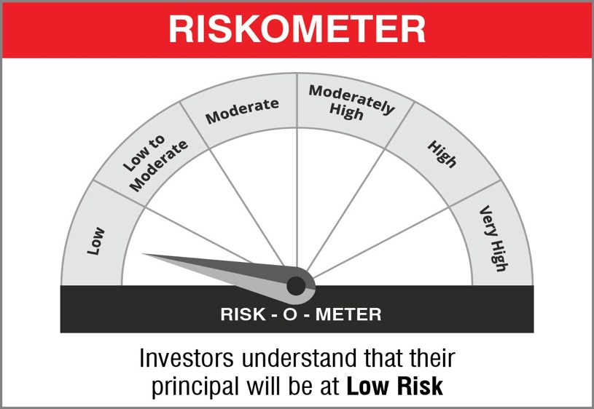
 | - To generate income by investing in arbitrage opportunities - Predominantly investing in arbitrage opportunities in the cash and derivatives segment of the equity market

 | Name of the Benchmark and its risk-o-meter:
 | NIFTY 50 Arbitrage

NJBAF
 | NJ Balanced Advantage Fund
 | (An open ended Dynamic Asset Allocation Fund)
 | Monthly Portfolio Statement as on September 30, 2022
 | Name of the Instrument | ISIN | Industry/ Rating | Quantity | Market/Fair Value (Rs. in Lakhs) | % to Net Assets | YTM~ | YTC^ | null
 | Equity & Equity related
 | (a) Listed / awaiting listing on Stock Exchanges
HDFB03 | HDFC Bank Limited | INE040A01034 | Banks | 1,014,022 | 14,412.80 | 2.97%
HLEL02 | Hindustan Unilever Limited | INE030A01027 | Diversified FMCG | 504,521 | 13,604.16 | 2.80%
IIBL01 | IndusInd Bank Limited | INE095A01012 | Banks | 1,108,800 | 13,141.50 | 2.71%
MUND02 | Adani Ports and Special Economic Zone Limited | INE742F01042 | Transport Infrastructure | 1,077,500 | 8,842.50 | 1.82%
PGCI01 | Power Grid Corporation of India Limited | INE752E01010 | Power | 3,942,033 | 8,364.99 | 1.72%
SOEL02 | Solar Industries India Limited | INE343H01029 | Chemicals & Petrochemicals | 208,167 | 8,153.49 | 1.68%
UTIB02 | Axis Bank Limited | INE238A01034 | Banks | 1,076,400 | 7,892.16 | 1.63%
RIND01 | Reliance Industries Limited | INE002A01018 | Petroleum Products | 306,250 | 7,281.86 | 1.50%
BRIT03 | Britannia Industries Limited | INE216A01030 | Food Products | 178,507 | 6,860.11 | 1.41%
SKFB02 | SKF India Limited | INE640A01023 | Industrial Products | 145,484 | 6,856.88 | 1.41%
LARS02 | Larsen & Toubro Limited | INE018A01030 | Construction | 362,944 | 6,706.12 | 1.38%
ADAN02 | Adani Enterprises Limited | INE423A01024 | Metals & Minerals Trading | 193,500 | 6,686.88 | 1.38%
TISC03 | Tata Steel Limited | INE081A01020 | Ferrous Metals | 6,632,545 | 6,586.12 | 1.36%
NEST01 | Nestle India Limited | INE239A01016 | Food Products | 32,553 | 6,232.21 | 1.28%
PROG01 | Procter & Gamble Hygiene and Health Care Limited | INE179A01014 | Personal Products | 43,108 | 5,985.61 | 1.23%
SOSO03 | Sonata Software Limited | INE269A01021 | IT - Software | 1,133,709 | 5,845.40 | 1.21%
SECH03 | UPL Limited | INE628A01036 | Fertilizers & Agrochemicals | 857,627 | 5,763.68 | 1.19%
ALKE01 | Alkem Laboratories Limited | INE540L01014 | Pharmaceuticals & Biotechnology | 173,999 | 5,702.30 | 1.18%
SPIL03 | Sun Pharmaceutical Industries Limited | INE044A01036 | Pharmaceuticals & Biotechnology | 583,948 | 5,539.62 | 1.14%
GSPL01 | Gujarat State Petronet Limited | INE246F01010 | Gas | 2,371,256 | 5,476.42 | 1.13%
COAL01 | Coal India Limited | INE522F01014 | Consumable Fuels | 2,578,472 | 5,472.81 | 1.13%
IBCL05 | ICICI Bank Limited | INE090A01021 | Banks | 634,871 | 5,472.59 | 1.13%
BALN01 | Bajaj Auto Limited | INE917I01010 | Automobiles | 154,893 | 5,464.24 | 1.13%
TOPL01 | Torrent Power Limited | INE813H01021 | Power | 1,103,816 | 5,374.48 | 1.11%
GUAM02 | Ambuja Cements Limited | INE079A01024 | Cement & Cement Products | 993,039 | 5,120.11 | 1.06%
TCSL01 | Tata Consultancy Services Limited | INE467B01029 | IT - Software | 164,092 | 4,930.23 | 1.02%
ACCL02 | ACC Limited | INE012A01025 | Cement & Cement Products | 199,300 | 4,814.39 | 0.99%
HDFC03 | Housing Development Finance Corporation Limited | INE001A01036 | Finance | 205,500 | 4,701.33 | 0.97%
ASPA02 | Asian Paints Limited | INE021A01026 | Consumer Durables | 134,634 | 4,500.07 | 0.93%
MAHI02 | Mahindra & Mahindra Limited | INE101A01026 | Automobiles | 310,125 | 3,933.01 | 0.81%
HDLI01 | HDFC Life Insurance Company Limited | INE795G01014 | Insurance | 731,986 | 3,882.82 | 0.80%
GRAS02 | Grasim Industries Limited | INE047A01021 | Cement & Cement Products | 231,709 | 3,880.78 | 0.80%
FEBA02 | The Federal Bank Limited | INE171A01029 | Banks | 3,168,453 | 3,762.54 | 0.78%
ASTP04 | Astral Limited | INE006I01046 | Industrial Products | 162,888 | 3,636.39 | 0.75%
HAIL03 | Havells India Limited | INE176B01034 | Consumer Durables | 269,382 | 3,632.75 | 0.75%
ESCO01 | Escorts Kubota Limited | INE042A01014 | Agricultural, Commercial & Construction Vehicles | 170,569 | 3,629.37 | 0.75%
BOOT01 | Abbott India Limited | INE358A01014 | Pharmaceuticals & Biotechnology | 17,838 | 3,414.04 | 0.70%
PIDI02 | Pidilite Industries Limited | INE318A01026 | Chemicals & Petrochemicals | 126,866 | 3,413.08 | 0.70%
TINV04 | Cholamandalam Financial Holdings Limited | INE149A01033 | Finance | 521,605 | 3,409.21 | 0.70%
LICH02 | LIC Housing Finance Limited | INE115A01026 | Finance | 808,852 | 3,347.43 | 0.69%
COLG02 | Colgate Palmolive (India) Limited | INE259A01022 | Personal Products | 204,927 | 3,339.08 | 0.69%
BTVL02 | Bharti Airtel Limited | INE397D01024 | Telecom - Services | 416,587 | 3,332.28 | 0.69%
DABU02 | Dabur India Limited | INE016A01026 | Personal Products | 575,422 | 3,296.88 | 0.68%
MARC02 | Marico Limited | INE196A01026 | Personal Products | 608,009 | 3,270.18 | 0.67%
PIIN03 | PI Industries Limited | INE603J01030 | Fertilizers & Agrochemicals | 107,806 | 3,232.40 | 0.67%
AJPH03 | Ajanta Pharma Limited | INE031B01049 | Pharmaceuticals & Biotechnology | 253,811 | 3,229.62 | 0.67%
MCSP02 | United Spirits Limited | INE854D01024 | Beverages | 381,875 | 3,216.53 | 0.66%
RELC01 | REC Limited | INE020B01018 | Finance | 3,419,599 | 3,214.42 | 0.66%
BATA02 | Bata India Limited | INE176A01028 | Consumer Durables | 174,710 | 3,182.34 | 0.66%
PRRC03 | Navin Fluorine International Limited | INE048G01026 | Chemicals & Petrochemicals | 70,818 | 3,180.33 | 0.66%
BAYE02 | Bayer Cropscience Limited | INE462A01022 | Fertilizers & Agrochemicals | 63,751 | 3,112.99 | 0.64%
PAGE01 | Page Industries Limited | INE761H01022 | Textiles & Apparels | 6,023 | 3,051.62 | 0.63%
VNBL01 | Varun Beverages Limited | INE200M01013 | Beverages | 291,398 | 3,042.78 | 0.63%
CCOI02 | Container Corporation of India Limited | INE111A01025 | Transport Services | 426,941 | 3,038.33 | 0.63%
SLIF01 | SBI Life Insurance Company Limited | INE123W01016 | Insurance | 239,452 | 2,994.23 | 0.62%
EIML02 | Eicher Motors Limited | INE066A01021 | Automobiles | 80,442 | 2,953.51 | 0.61%
NTPC01 | NTPC Limited | INE733E01010 | Power | 1,845,722 | 2,946.70 | 0.61%
ATUL01 | Atul Limited | INE100A01010 | Chemicals & Petrochemicals | 32,577 | 2,939.72 | 0.61%
FINI02 | Finolex Industries Limited | INE183A01024 | Industrial Products | 2,120,639 | 2,896.79 | 0.60%
CIPL03 | Cipla Limited | INE059A01026 | Pharmaceuticals & Biotechnology | 254,268 | 2,834.96 | 0.58%
BALI02 | Balkrishna Industries Limited | INE787D01026 | Auto Components | 150,050 | 2,826.42 | 0.58%
JVSL04 | JSW Steel Limited | INE019A01038 | Ferrous Metals | 440,438 | 2,782.03 | 0.57%
IPCA03 | IPCA Laboratories Limited | INE571A01038 | Pharmaceuticals & Biotechnology | 303,510 | 2,777.12 | 0.57%
IFEL01 | Oracle Financial Services Software Limited | INE881D01027 | IT - Software | 92,446 | 2,757.20 | 0.57%
BHEL02 | Bharat Electronics Limited | INE263A01024 | Aerospace & Defense | 2,707,509 | 2,733.23 | 0.56%
BERG03 | Berger Paints (I) Limited | INE463A01038 | Consumer Durables | 442,008 | 2,727.19 | 0.56%
HERO02 | Hero MotoCorp Limited | INE158A01026 | Automobiles | 106,315 | 2,710.18 | 0.56%
ITCL02 | ITC Limited | INE154A01025 | Diversified FMCG | 814,254 | 2,704.95 | 0.56%
DIVI02 | Divi's Laboratories Limited | INE361B01024 | Pharmaceuticals & Biotechnology | 72,111 | 2,671.86 | 0.55%
HDAM01 | HDFC Asset Management Company Limited | INE127D01025 | Capital Markets | 140,442 | 2,653.79 | 0.55%
ILOM01 | ICICI Lombard General Insurance Company Limited | INE765G01017 | Insurance | 229,466 | 2,641.50 | 0.54%
NHPC01 | NHPC Limited | INE848E01016 | Power | 7,356,247 | 2,626.18 | 0.54%
BPCL01 | Bharat Petroleum Corporation Limited | INE029A01011 | Petroleum Products | 850,263 | 2,591.60 | 0.53%
HPEC01 | Hindustan Petroleum Corporation Limited | INE094A01015 | Petroleum Products | 1,182,241 | 2,557.19 | 0.53%
MINT01 | MindTree Limited | INE018I01017 | IT - Software | 80,867 | 2,554.71 | 0.53%
SIEM02 | Siemens Limited | INE003A01024 | Electrical Equipment | 91,579 | 2,537.47 | 0.52%
LTIL01 | Larsen & Toubro Infotech Limited | INE214T01019 | IT - Software | 56,749 | 2,529.79 | 0.52%
KCUL02 | Cummins India Limited | INE298A01020 | Industrial Products | 211,136 | 2,524.87 | 0.52%
GAIL01 | GAIL (India) Limited | INE129A01019 | Gas | 2,799,810 | 2,437.23 | 0.50%
METR01 | Metropolis Healthcare Limited | INE112L01020 | Healthcare Services | 156,122 | 2,426.68 | 0.50%
TEMA02 | Tech Mahindra Limited | INE669C01036 | IT - Software | 239,795 | 2,418.57 | 0.50%
IOIC01 | Indian Oil Corporation Limited | INE242A01010 | Petroleum Products | 3,553,107 | 2,378.81 | 0.49%
COFE03 | Coromandel International Limited | INE169A01031 | Fertilizers & Agrochemicals | 239,092 | 2,377.05 | 0.49%
INFS02 | Infosys Limited | INE009A01021 | IT - Software | 167,664 | 2,369.85 | 0.49%
CHAM01 | Chambal Fertilizers & Chemicals Limited | INE085A01013 | Fertilizers & Agrochemicals | 727,723 | 2,324.71 | 0.48%
ONGC02 | Oil & Natural Gas Corporation Limited | INE213A01029 | Oil | 1,811,015 | 2,296.37 | 0.47%
MAUD01 | Maruti Suzuki India Limited | INE585B01010 | Automobiles | 25,000 | 2,207.04 | 0.45%
PSYL01 | Persistent Systems Limited | INE262H01013 | IT - Software | 66,644 | 2,160.07 | 0.45%
BFLS01 | MphasiS Limited | INE356A01018 | IT - Software | 100,331 | 2,094.56 | 0.43%
ZEET02 | Zee Entertainment Enterprises Limited | INE256A01028 | Entertainment | 792,000 | 2,044.55 | 0.42%
GLAN02 | Gland Pharma Limited | INE068V01023 | Pharmaceuticals & Biotechnology | 91,740 | 1,919.98 | 0.40%
KOMA02 | Kotak Mahindra Bank Limited | INE237A01028 | Banks | 98,000 | 1,782.82 | 0.37%
LUPL02 | Lupin Limited | INE326A01037 | Pharmaceuticals & Biotechnology | 227,800 | 1,548.70 | 0.32%
TCHE01 | Tata Chemicals Limited | INE092A01019 | Chemicals & Petrochemicals | 130,000 | 1,436.18 | 0.30%
TWAT02 | Titan Company Limited | INE280A01028 | Consumer Durables | 39,000 | 1,016.71 | 0.21%
BAFL02 | Bajaj Finance Limited | INE296A01024 | Finance | 12,000 | 880.29 | 0.18%
DLPL01 | Dr. Lal Path Labs Limited | INE600L01024 | Healthcare Services | 33,515 | 844.16 | 0.17%
TPOW02 | Tata Power Company Limited | INE245A01021 | Power | 330,750 | 716.07 | 0.15%
HALT01 | Hindustan Aeronautics Limited | INE066F01012 | Aerospace & Defense | 30,400 | 712.83 | 0.15%
ICEM01 | The India Cements Limited | INE383A01012 | Cement & Cement Products | 176,900 | 476.04 | 0.10%
DLFL01 | DLF Limited | INE271C01023 | Realty | 120,450 | 429.65 | 0.09%
TELC03 | Tata Motors Limited | INE155A01022 | Automobiles | 89,775 | 363.23 | 0.07%
JSPL03 | Jindal Steel & Power Limited | INE749A01030 | Ferrous Metals | 51,250 | 219.66 | 0.05%
GRAN02 | Granules India Limited | INE101D01020 | Pharmaceuticals & Biotechnology | 34,000 | 117.42 | 0.02%
SESA02 | Vedanta Limited | INE205A01025 | Diversified Metals | 26,350 | 71.16 | 0.01%
 | Sub Total |  |  |  | 392,009.84 | 80.82%
 | (b) Unlisted |  |  |  | NIL | NIL
 | Sub Total |  |  |  | NIL | NIL
 | Total |  |  |  | 392,009.84 | 80.82%
 | Derivatives
 | Index / Stock Futures
DLPLOCT22 | Dr. Lal Path Labs Limited October 2022 Future |  | Healthcare Services | 91,500 | 2,279.63 | 0.47%
SESAOCT22 | Vedanta Limited October 2022 Future |  | Diversified Metals | -26,350 | (71.55) | (0.01)%
GRANOCT22 | Granules India Limited October 2022 Future |  | Pharmaceuticals & Biotechnology | -34,000 | (117.98) | (0.02)%
JSPLOCT22 | Jindal Steel & Power Limited October 2022 Future |  | Ferrous Metals | -51,250 | (220.84) | (0.05)%
BATAOCT22 | Bata India Limited October 2022 Future |  | Consumer Durables | -18,150 | (332.44) | (0.07)%
TELCOCT22 | Tata Motors Limited October 2022 Future |  | Automobiles | -89,775 | (362.38) | (0.07)%
DLFLOCT22 | DLF Limited October 2022 Future |  | Realty | -120,450 | (432.30) | (0.09)%
SECHOCT22 | UPL Limited October 2022 Future |  | Fertilizers & Agrochemicals | -70,200 | (473.22) | (0.10)%
ICEMOCT22 | The India Cements Limited October 2022 Future |  | Cement & Cement Products | -176,900 | (480.90) | (0.10)%
HALTOCT22 | Hindustan Aeronautics Limited October 2022 Future |  | Aerospace & Defense | -30,400 | (715.78) | (0.15)%
TPOWOCT22 | Tata Power Company Limited October 2022 Future |  | Power | -330,750 | (720.21) | (0.15)%
GRASOCT22 | Grasim Industries Limited October 2022 Future |  | Cement & Cement Products | -43,225 | (726.94) | (0.15)%
HDLIOCT22 | HDFC Life Insurance Company Limited October 2022 Future |  | Insurance | -166,100 | (883.65) | (0.18)%
BAFLOCT22 | Bajaj Finance Limited October 2022 Future |  | Finance | -12,000 | (883.86) | (0.18)%
TWATOCT22 | Titan Company Limited October 2022 Future |  | Consumer Durables | -39,000 | (1,018.50) | (0.21)%
ASPAOCT22 | Asian Paints Limited October 2022 Future |  | Consumer Durables | -33,000 | (1,106.89) | (0.23)%
MAHIOCT22 | Mahindra & Mahindra Limited October 2022 Future |  | Automobiles | -96,600 | (1,230.39) | (0.25)%
ACCLOCT22 | ACC Limited October 2022 Future |  | Cement & Cement Products | -52,750 | (1,277.82) | (0.26)%
TCHEOCT22 | Tata Chemicals Limited October 2022 Future |  | Chemicals & Petrochemicals | -130,000 | (1,440.34) | (0.30)%
LUPLOCT22 | Lupin Limited October 2022 Future |  | Pharmaceuticals & Biotechnology | -227,800 | (1,554.17) | (0.32)%
KMBKOCT22 | Kotak Mahindra Bank Limited October 2022 Future |  | Banks | -98,000 | (1,788.30) | (0.37)%
ZEETOCT22 | Zee Entertainment Enterprises Limited October 2022 Future |  | Entertainment | -792,000 | (2,058.01) | (0.42)%
RINDNOV22 | Reliance Industries Limited November 2022 Future |  | Petroleum Products | -91,250 | (2,188.77) | (0.45)%
MAUDOCT22 | Maruti Suzuki India Limited October 2022 Future |  | Automobiles | -25,000 | (2,213.63) | (0.46)%
SPILOCT22 | Sun Pharmaceutical Industries Limited October 2022 Future |  | Pharmaceuticals & Biotechnology | -245,000 | (2,330.20) | (0.48)%
IBCLOCT22 | ICICI Bank Limited October 2022 Future |  | Banks | -294,250 | (2,549.68) | (0.53)%
HLELNOV22 | Hindustan Unilever Limited November 2022 Future |  | Diversified FMCG | -96,000 | (2,591.57) | (0.53)%
MCSPOCT22 | United Spirits Limited October 2022 Future |  | Beverages | -381,875 | (3,235.25) | (0.67)%
LARSOCT22 | Larsen & Toubro Limited October 2022 Future |  | Construction | -187,200 | (3,474.34) | (0.72)%
TISCOCT22 | Tata Steel Limited October 2022 Future |  | Ferrous Metals | -4,148,000 | (4,133.48) | (0.85)%
HDFCOCT22 | Housing Development Finance Corporation Limited October 2022 Future |  | Finance | -205,500 | (4,725.68) | (0.97)%
RINDOCT22 | Reliance Industries Limited October 2022 Future |  | Petroleum Products | -215,000 | (5,127.75) | (1.06)%
ADANOCT22 | Adani Enterprises Limited October 2022 Future |  | Metals & Minerals Trading | -193,500 | (6,718.42) | (1.39)%
UTIBOCT22 | Axis Bank Limited October 2022 Future |  | Banks | -1,076,400 | (7,916.38) | (1.63)%
MUNDOCT22 | Adani Ports and Special Economic Zone Limited October 2022 Future |  | Transport Infrastructure | -1,077,500 | (8,896.38) | (1.83)%
HDFBOCT22 | HDFC Bank Limited October 2022 Future |  | Banks | -806,300 | (11,496.23) | (2.37)%
IIBLOCT22 | IndusInd Bank Limited October 2022 Future |  | Banks | -1,108,800 | (13,203.59) | (2.72)%
 | Sub Total |  |  |  | (96,418.19) | (19.87)%
 | Total |  |  |  | (96,418.19) | (19.87)%
 | Debt Instruments
 | (a) Listed / awaiting listing on Stock Exchange
GOI2040 | 7.37% Government of India (16/04/2023) | IN0020180025 | Sovereign | 5,500,000 | 5,519.98 | 1.14% | 6.67%
GOI417 | 6.30% Government of India (09/04/2023) | IN0020030014 | Sovereign | 5,000,000 | 4,991.37 | 1.03% | 6.64%
GOI1133 | 8.83% Government of India (25/11/2023) | IN0020130061 | Sovereign | 2,500,000 | 2,549.74 | 0.53% | 6.98%
GOI2186 | 7.32% Government of India (28/01/2024) | IN0020180488 | Sovereign | 2,500,000 | 2,506.72 | 0.52% | 7.09%
GOI1644 | 6.84% Government of India (19/12/2022) | IN0020160050 | Sovereign | 2,500,000 | 2,503.54 | 0.52% | 6.07%
GOI1030 | 7.16% Government of India (20/05/2023) | IN0020130012 | Sovereign | 500,000 | 501.42 | 0.10% | 6.68%
 | Sub Total |  |  |  | 18,572.77 | 3.84%
 | (b) Privately placed / Unlisted |  |  |  | NIL | NIL
 | Sub Total |  |  |  | NIL | NIL
 | Total |  |  |  | 18,572.77 | 3.84%
 | Money Market Instruments
 | Treasury Bill
TBIL2061 | 182 Days Tbill (MD 08/12/2022) | IN002022Y104 | Sovereign | 10,000,000 | 9,889.45 | 2.04% | 6.00%
TBIL1958 | 364 Days Tbill (MD 27/10/2022) | IN002021Z319 | Sovereign | 5,000,000 | 4,979.25 | 1.03% | 5.85%
TBIL1965 | 364 Days Tbill (MD 10/11/2022) | IN002021Z335 | Sovereign | 5,000,000 | 4,967.81 | 1.02% | 5.91%
TBIL1993 | 364 Days Tbill (MD 05/01/2023) | IN002021Z426 | Sovereign | 5,000,000 | 4,920.92 | 1.01% | 6.11%
TBIL1998 | 364 Days Tbill (MD 19/01/2023) | IN002021Z442 | Sovereign | 5,000,000 | 4,908.29 | 1.01% | 6.20%
TBIL2055 | 182 Days Tbill (MD 01/12/2022) | IN002022Y096 | Sovereign | 2,500,000 | 2,475.18 | 0.51% | 6.00%
TBIL2070 | 182 Days Tbill (MD 29/12/2022) | IN002022Y138 | Sovereign | 2,500,000 | 2,463.83 | 0.51% | 6.02%
TBIL2072 | 91 Days Tbill (MD 06/10/2022) | IN002022X148 | Sovereign | 2,000,000 | 1,998.41 | 0.41% | 5.80%
TBIL2090 | 91 Days Tbill (MD 24/11/2022) | IN002022X213 | Sovereign | 1,000,000 | 991.34 | 0.20% | 5.90%
TBIL2078 | 182 Days Tbill (MD 19/01/2023) | IN002022Y161 | Sovereign | 300,000 | 294.50 | 0.06% | 6.20%
TBIL2079 | 182 Days Tbill (MD 26/01/2023) | IN002022Y179 | Sovereign | 200,000 | 196.10 | 0.04% | 6.20%
 | Sub Total |  |  |  | 38,085.08 | 7.84%
 | Total |  |  |  | 38,085.08 | 7.84%
 | Reverse Repo / TREPS
TRP_031022 | Clearing Corporation of India Ltd |  |  |  | 32,399.86 | 6.68% | 5.72%
 | Sub Total |  |  |  | 32,399.86 | 6.68%
 | (b) Privately placed / Unlisted |  |  |  | NIL | NIL
 | Sub Total |  |  |  | NIL | NIL
 | Total |  |  |  | 32,399.86 | 6.68%
 | Net Receivables / (Payables) |  |  |  | 100,429.97 | 20.69%
 | GRAND TOTAL |  |  |  | 485,079.33 | 100.00%

 | ~ YTM as on September 30, 2022
 | ^ Pursuant to AMFI circular no. 135/BP/91/2020-21, Yield to Call (YTC) for AT-1 bonds and Tier-2 bonds as on September 30, 2022.

 | Notes:
 | 1. Security in default beyond its maturiy date | NIL
 | 2. NAV at the beginning and end of the period (Rs. per unit)
 |  | NAV as on 1st September 2022 | NAV as on 30th September 2022
 | NJ Balanced Advantage Fund - Direct IDCW | 9.97 | 9.85
 | NJ Balanced Advantage Fund - Direct Growth | 9.97 | 9.85
 | NJ Balanced Advantage Fund - Regular IDCW | 9.85 | 9.73
 | NJ Balanced Advantage Fund - Regular Growth | 9.85 | 9.73

 | 3. Total Dividend (Net) declared during the month | NIL
 | 4. Bonus was declared during the month | NIL
 | 5. Investment in Repo of Corporate Debt Securities during the month | NIL
 | 6. Investment in foreign securities/ADRs/GDRs at the end of the month | NIL
 | 7. Portfolio Turnover Ratio | 0.40 Times
 | 8. Margin Deposits includes Margin money placed on derivatives other than margin money placed with bank | NIL
 | 9. Total value and percentage of Illiquid Equity shares | NIL
 | 10. Average Maturity for the debt securities held (as on September 30, 2022) | 83 days
 | 11. Instances of fair valuation of Securities or Deviation in valuation from what is provided by valuation agencies | NIL
 | 12. Deviation in the mandated asset allocation pursuant to SEBI Circular SEBI/HO/IMD/IMD-II DOF3/P/CIR/2022/39 dated March 30, 2022 | NIL

 | NJ Balanced Advantage Fund
 | This product is suitable for investors who are seeking*: | 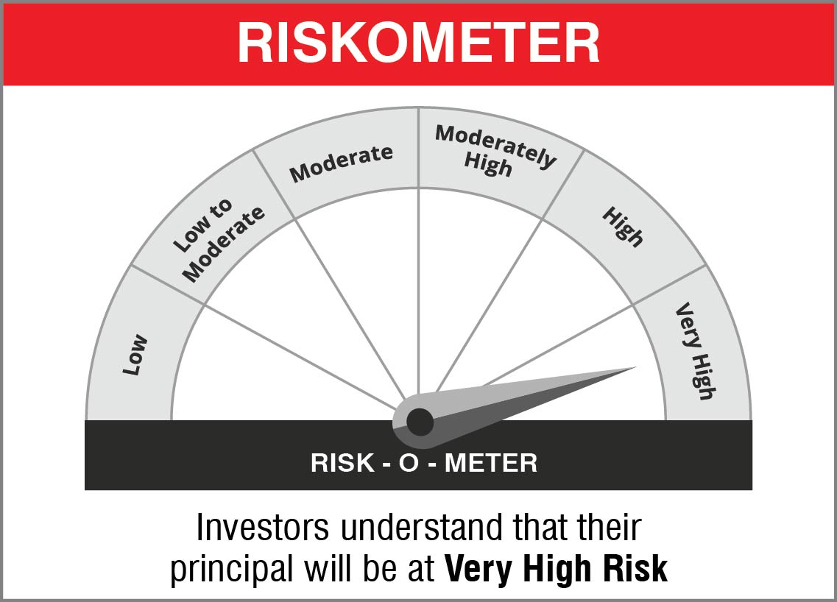
 | • Long term capital appreciation • Dynamic asset allocation between equity and specified debt securities

 | Name of the Benchmark and its risk-o-meter:
 | NIFTY 50 Hybrid Composite Debt 50:50 Index | 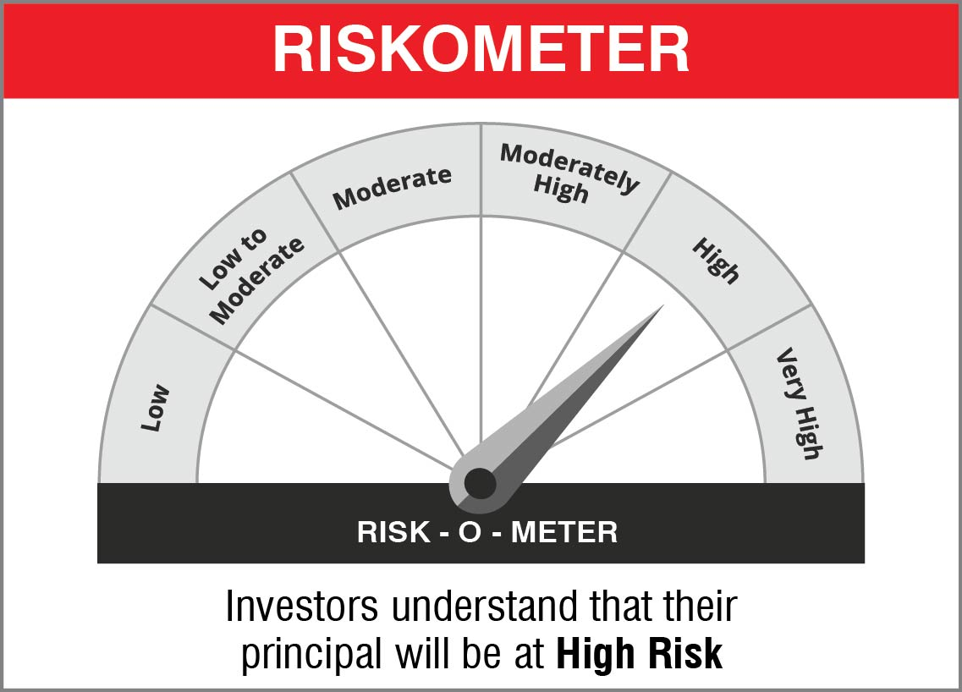

NJOVERFD
 | NJ Overnight Fund
 | (An open ended debt scheme investing in overnight securities with a relatively low interest rate risk and relatively low credit risk )
 | Monthly Portfolio Statement as on September 30, 2022
 | Name of the Instrument | ISIN | Industry / Rating | Quantity | Market/Fair Value (Rs. in Lakhs) | % to Net Assets | YTM~ | YTC^ | null
 | Reverse Repo / TREPS
TRP_031022 | Clearing Corporation of India Ltd |  |  |  | 2,434.24 | 98.85% | 5.73%
 | Sub Total |  |  |  | 2,434.24 | 98.85%
 | Total |  |  |  | 2,434.24 | 98.85%
 | Net Receivables / (Payables) |  |  |  | 28.40 | 1.15%
 | GRAND TOTAL |  |  |  | 2,462.64 | 100.00%

 | ~ YTM as on September 30, 2022
 | ^ Pursuant to AMFI circular no. 135/BP/91/2020-21, Yield to Call (YTC) for AT-1 bonds and Tier-2 bonds as on September 30, 2022.

 | Notes:
 | 1. Security in default beyond its maturiy date | NIL
 | 2. NAV at the beginning and end of the period (Rs. per unit)
 |  | As on 1st September 2022 | As on 30th September 2022
 | NJ Overnight Fund - Direct Growth | 1004.6995 | 1008.8368
 | NJ Overnight Fund - Regular Growth | 1004.6116 | 1008.6684

 | 3. Total Dividend (Net) declared during the period | NA
 | 4. Bonus was declared during the period | NA
 | 5. Investment in Repo of Corporate Debt Securities during the period | NIL
 | 6. Investment in foreign securities/ADRs/GDRs at the end of the period | NIL
 | 7. Margin Deposits includes Margin money placed on derivatives other than margin money placed with bank | NA
 | 8. Total value and percentage of Illiquid Equity shares | NA
 | 9. Average Maturity for the debt securities held (as on September 30, 2022) | 3 days
 | 10. Instances of fair valuation of Securities or Deviation in valuation from what is provided by valuation agencies | NIL

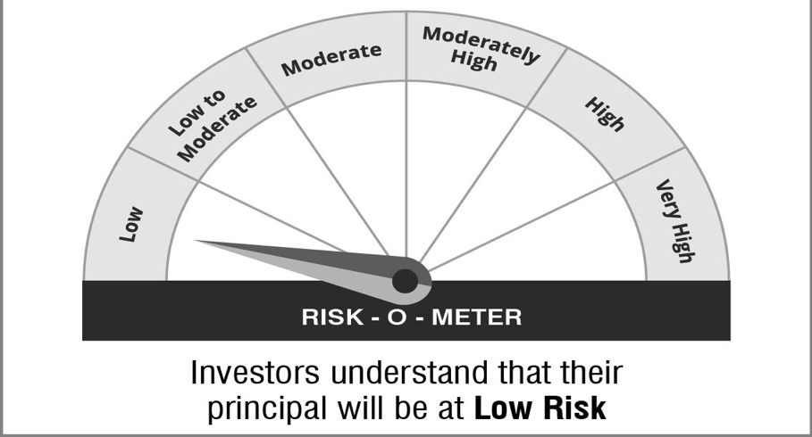
 | NJ Overnight Fund
 | This product is suitable for investors who are seeking*:
 | An overnight fund that aims to generate optimal returns in line with overnight rates and high liquidity To invest in debt and money market instruments with maturity of 1 day *Investors should consult their financial advisors if in doubt about whether the product is suitable for them.

 | Name of the Benchmark and its risk-o-meter:
 | NIFTY 1D Rate Index | 

 |  | A Relatively Low Interest Rate Risk and Relatively Low Credit Risk

