NJABF
NJ Mutual Fund
NJ Arbitrage Fund
(An open ended scheme investing in arbitrage opportunities)

Monthly Portfolio Statement as on October 31, 2025
Name of the Instrument | ISIN | Industry/ Rating | Quantity | Market/Fair Value(Rs. in Lakhs) | % to Net Assets | YTM~ | YTC^ | null
Equity & Equity related
(a) Listed / awaiting listing on Stock Exchanges
HDFC Bank Limited | INE040A01034 | Banks | 231,000 | 2,280.66 | 8.71%
Reliance Industries Limited | INE002A01018 | Petroleum Products | 143,500 | 2,132.98 | 8.14%
Bank of Baroda | INE028A01039 | Banks | 757,575 | 2,109.09 | 8.05%
Kotak Mahindra Bank Limited | INE237A01028 | Banks | 98,800 | 2,076.97 | 7.93%
Adani Enterprises Limited | INE423A01024 | Metals & Minerals Trading | 52,800 | 1,309.97 | 5.00%
United Spirits Limited | INE854D01024 | Beverages | 88,000 | 1,259.63 | 4.81%
Bajaj Finance Limited | INE296A01032 | Finance | 116,250 | 1,212.26 | 4.63%
Punjab National Bank | INE160A01022 | Banks | 792,000 | 973.29 | 3.72%
State Bank of India | INE062A01020 | Banks | 92,250 | 864.38 | 3.30%
Bharti Airtel Limited | INE397D01024 | Telecom - Services | 41,325 | 849.02 | 3.24%
Biocon Limited | INE376G01013 | Pharmaceuticals & Biotechnology | 215,000 | 800.02 | 3.05%
Tata Power Company Limited | INE245A01021 | Power | 189,950 | 769.11 | 2.94%
Axis Bank Limited | INE238A01034 | Banks | 45,000 | 554.76 | 2.12%
Hindustan Aeronautics Limited | INE066F01020 | Aerospace & Defense | 11,100 | 519.46 | 1.98%
Titan Company Limited | INE280A01028 | Consumer Durables | 9,800 | 367.18 | 1.40%
Godrej Properties Limited | INE484J01027 | Realty | 15,400 | 352.35 | 1.35%
ICICI Bank Limited | INE090A01021 | Banks | 21,000 | 282.51 | 1.08%
Larsen & Toubro Limited | INE018A01030 | Construction | 5,950 | 239.84 | 0.92%
Ambuja Cements Limited | INE079A01024 | Cement & Cement Products | 39,900 | 225.59 | 0.86%
Aditya Birla Capital Limited | INE674K01013 | Finance | 65,100 | 211.05 | 0.81%
Hindalco Industries Limited | INE038A01020 | Non - Ferrous Metals | 21,000 | 178.05 | 0.68%
Trent Limited | INE849A01020 | Retailing | 3,500 | 164.30 | 0.63%
GMR Airports Limited | INE776C01039 | Transport Infrastructure | 174,375 | 163.86 | 0.63%
Hindustan Unilever Limited | INE030A01027 | Diversified FMCG | 6,300 | 155.33 | 0.59%
SRF Limited | INE647A01010 | Chemicals & Petrochemicals | 5,000 | 146.53 | 0.56%
LIC Housing Finance Limited | INE115A01026 | Finance | 21,000 | 119.90 | 0.46%
Bandhan Bank Limited | INE545U01014 | Banks | 75,600 | 118.36 | 0.45%
Indus Towers Limited | INE121J01017 | Telecom - Services | 32,300 | 117.44 | 0.45%
Jio Financial Services Limited | INE758E01017 | Finance | 37,600 | 115.36 | 0.44%
NMDC Limited | INE584A01023 | Minerals & Mining | 148,500 | 112.55 | 0.43%
DLF Limited | INE271C01023 | Realty | 14,025 | 106.06 | 0.40%
Mahindra & Mahindra Limited | INE101A01026 | Automobiles | 2,800 | 97.64 | 0.37%
Cipla Limited | INE059A01026 | Pharmaceuticals & Biotechnology | 6,000 | 90.08 | 0.34%
HDFC Life Insurance Company Limited | INE795G01014 | Insurance | 11,000 | 80.50 | 0.31%
IndusInd Bank Limited | INE095A01012 | Banks | 9,800 | 77.89 | 0.30%
Grasim Industries Limited | INE047A01021 | Cement & Cement Products | 2,250 | 65.06 | 0.25%
Solar Industries India Limited | INE343H01029 | Chemicals & Petrochemicals | 375 | 52.04 | 0.20%
Bajaj Finserv Limited | INE918I01026 | Finance | 2,000 | 41.77 | 0.16%
ITC Limited | INE154A01025 | Diversified FMCG | 8,000 | 33.63 | 0.13%
Yes Bank Limited | INE528G01035 | Banks | 124,400 | 28.29 | 0.11%
JSW Energy Limited | INE121E01018 | Power | 5,000 | 26.37 | 0.10%
CG Power and Industrial Solutions Limited | INE067A01029 | Electrical Equipment | 3,400 | 25.05 | 0.10%
Bharat Heavy Electricals Limited | INE257A01026 | Electrical Equipment | 2,625 | 6.97 | 0.03%
Adani Ports and Special Economic Zone Limited | INE742F01042 | Transport Infrastructure | 475 | 6.89 | 0.03%
Torrent Power Limited | INE813H01021 | Power | 375 | 4.94 | 0.02%
Sub Total |  |  |  | 21,524.98 | 82.16%
(b) Unlisted |  |  |  | NIL | NIL
Sub Total |  |  |  | NIL | NIL
Total |  |  |  | 21,524.98 | 82.16%
Derivatives
Index / Stock Futures
HDFC Bank Limited November 2025 Future |  | Banks | -231,000 | (2,295.91) | (8.76)%
Bank of Baroda November 2025 Future |  | Banks | -757,575 | (2,118.94) | (8.09)%
Kotak Mahindra Bank Limited November 2025 Future |  | Banks | -98,800 | (2,090.81) | (7.98)%
Reliance Industries Limited November 2025 Future |  | Petroleum Products | -124,500 | (1,862.52) | (7.11)%
Adani Enterprises Limited November 2025 Future |  | Metals & Minerals Trading | -52,800 | (1,315.78) | (5.02)%
United Spirits Limited November 2025 Future |  | Beverages | -88,000 | (1,267.99) | (4.84)%
Bajaj Finance Limited November 2025 Future |  | Finance | -114,000 | (1,196.54) | (4.57)%
Punjab National Bank November 2025 Future |  | Banks | -792,000 | (976.93) | (3.73)%
Bharti Airtel Limited November 2025 Future |  | Telecom - Services | -41,325 | (854.44) | (3.26)%
Biocon Limited November 2025 Future |  | Pharmaceuticals & Biotechnology | -215,000 | (805.18) | (3.07)%
Tata Power Company Limited November 2025 Future |  | Power | -189,950 | (772.15) | (2.95)%
State Bank of India November 2025 Future |  | Banks | -79,500 | (749.57) | (2.86)%
Axis Bank Limited November 2025 Future |  | Banks | -45,000 | (558.27) | (2.13)%
Hindustan Aeronautics Limited November 2025 Future |  | Aerospace & Defense | -11,100 | (523.03) | (2.00)%
Titan Company Limited November 2025 Future |  | Consumer Durables | -9,800 | (369.35) | (1.41)%
Godrej Properties Limited November 2025 Future |  | Realty | -15,400 | (354.40) | (1.35)%
Reliance Industries Limited December 2025 Future |  | Petroleum Products | -19,000 | (285.91) | (1.09)%
ICICI Bank Limited November 2025 Future |  | Banks | -18,900 | (255.98) | (0.98)%
Larsen & Toubro Limited November 2025 Future |  | Construction | -5,950 | (241.22) | (0.92)%
Ambuja Cements Limited November 2025 Future |  | Cement & Cement Products | -39,900 | (226.93) | (0.87)%
Aditya Birla Capital Limited November 2025 Future |  | Finance | -65,100 | (212.45) | (0.81)%
Hindalco Industries Limited November 2025 Future |  | Non - Ferrous Metals | -21,000 | (179.21) | (0.68)%
Trent Limited November 2025 Future |  | Retailing | -3,500 | (164.92) | (0.63)%
GMR Airports Limited November 2025 Future |  | Transport Infrastructure | -174,375 | (164.71) | (0.63)%
Hindustan Unilever Limited November 2025 Future |  | Diversified FMCG | -6,300 | (155.13) | (0.59)%
SRF Limited November 2025 Future |  | Chemicals & Petrochemicals | -5,000 | (147.27) | (0.56)%
State Bank of India December 2025 Future |  | Banks | -12,750 | (120.93) | (0.46)%
LIC Housing Finance Limited November 2025 Future |  | Finance | -21,000 | (120.34) | (0.46)%
Bandhan Bank Limited November 2025 Future |  | Banks | -75,600 | (118.78) | (0.45)%
Indus Towers Limited November 2025 Future |  | Telecom - Services | -32,300 | (118.27) | (0.45)%
Jio Financial Services Limited November 2025 Future |  | Finance | -37,600 | (116.00) | (0.44)%
NMDC Limited November 2025 Future |  | Minerals & Mining | -148,500 | (112.96) | (0.43)%
DLF Limited November 2025 Future |  | Realty | -14,025 | (106.75) | (0.41)%
Mahindra & Mahindra Limited November 2025 Future |  | Automobiles | -2,800 | (98.29) | (0.38)%
Cipla Limited November 2025 Future |  | Pharmaceuticals & Biotechnology | -6,000 | (90.44) | (0.35)%
HDFC Life Insurance Company Limited November 2025 Future |  | Insurance | -11,000 | (81.00) | (0.31)%
IndusInd Bank Limited November 2025 Future |  | Banks | -9,800 | (78.23) | (0.30)%
Grasim Industries Limited November 2025 Future |  | Cement & Cement Products | -2,250 | (65.34) | (0.25)%
Solar Industries India Limited November 2025 Future |  | Chemicals & Petrochemicals | -375 | (52.43) | (0.20)%
Bajaj Finserv Limited November 2025 Future |  | Finance | -2,000 | (42.04) | (0.16)%
ITC Limited November 2025 Future |  | Diversified FMCG | -8,000 | (33.84) | (0.13)%
ICICI Bank Limited December 2025 Future |  | Banks | -2,100 | (28.63) | (0.11)%
Yes Bank Limited November 2025 Future |  | Banks | -124,400 | (28.43) | (0.11)%
JSW Energy Limited November 2025 Future |  | Power | -5,000 | (26.54) | (0.10)%
CG Power and Industrial Solutions Limited November 2025 Future |  | Electrical Equipment | -3,400 | (25.14) | (0.10)%
Bajaj Finance Limited December 2025 Future |  | Finance | -2,250 | (23.76) | (0.09)%
Bharat Heavy Electricals Limited November 2025 Future |  | Electrical Equipment | -2,625 | (7.00) | (0.03)%
Adani Ports and Special Economic Zone Limited November 2025 Future |  | Transport Infrastructure | -475 | (6.94) | (0.03)%
Torrent Power Limited November 2025 Future |  | Power | -375 | (4.96) | (0.02)%
Sub Total |  |  |  | (21,652.56) | (82.65)%
Total |  |  |  | (21,652.56) | (82.65)%
Debt Instruments
(a) Listed / awaiting listing on Stock Exchange
5.15% Government of India (09/11/2025) | IN0020200278 | Sovereign | 500,000 | 499.99 | 1.91% | 5.15%
5.63% Government of India (12/04/2026) | IN0020210012 | Sovereign | 306,000 | 305.99 | 1.17% | 5.67%
10.18% Government of India (11/09/2026) | IN0020010081 | Sovereign | 69,000 | 71.49 | 0.27% | 5.80%
Sub Total |  |  |  | 877.47 | 3.35%
(b) Privately placed / Unlisted |  |  |  | NIL | NIL
Sub Total |  |  |  | NIL | NIL
Total |  |  |  | 877.47 | 3.35%
Money Market Instruments
Treasury Bill
364 Days Tbill (MD 04/12/2025) | IN002024Z347 | Sovereign | 500,000 | 497.56 | 1.90% | 5.42%
364 Days Tbill (MD 01/01/2026) | IN002024Z388 | Sovereign | 500,000 | 495.51 | 1.89% | 5.42%
364 Days Tbill (MD 15/01/2026) | IN002024Z404 | Sovereign | 500,000 | 494.50 | 1.89% | 5.41%
364 Days Tbill (MD 27/11/2025) | IN002024Z339 | Sovereign | 250,000 | 249.04 | 0.95% | 5.39%
364 Days Tbill (MD 21/11/2025) | IN002024Z321 | Sovereign | 50,000 | 49.85 | 0.19% | 5.38%
Sub Total |  |  |  | 1,786.47 | 6.82%
Total |  |  |  | 1,786.47 | 6.82%
Reverse Repo / TREPS
Clearing Corporation of India Ltd |  |  |  | 1,319.60 | 5.04% | 5.60%
Sub Total |  |  |  | 1,319.60 | 5.04%
(b) Privately placed / Unlisted |  |  |  | NIL | NIL
Sub Total |  |  |  | NIL | NIL
Total |  |  |  | 1,319.60 | 5.04%
Net Receivables / (Payables) |  |  |  | 689.46 | 2.63%
GRAND_TOTAL |  |  |  | 26,197.98 | 100.00%

~ YTM as on October 31, 2025
^ YTC represents Yield to Call provided by valuation agencies as on October 31, 2025.. It is disclosed for Perpetual Bond issued by Banks (i.e. AT-1 Bond / Tier 1 Bond / Tier 2 Bond), as per AMFI Best Practices Guidelines Circular no. 135/BP/91/2020-21 read with SEBI circular No. SEBI/HO/IMD/IMD-PoD-1/P/CIR/2024/90 on Valuation of AT-1 Bonds and Tier 2 Bonds.

Notes:
1. There is no security which is in default beyond its maturity / Interest payment date.
2. Aggregate value of illiquid equity shares of the fund amounts to Rs. Nil and their percentage to Net Asset value is Nil
3. NAV at the beginning of the period
Direct Plan - Growth Option | 12.3930
Regular Plan - Growth Option | 12.1210
NAV at the end of the period
Direct Plan - Growth Option | 12.4492
Regular Plan - Growth Option | 12.1686
4. No dividend declared during the month ended October 31, 2025.
5. Total Market value of investments in Foreign Securities/American Depository Receipts/Global Depository Receipts as at October 31, 2025. is Rs. Nil.
6. Exposure to derivative instrument at the end of the month is (value in Lacs) | (21,652.56)

A. Hedging Positions through Futures as on October 31, 2025
Underlying | Long / Short | Futures Price when purchased | Current price of the contract | Margin maintained in Rs. Lakhs
Adani Enterprises Limited | Short | 2,522.84 | 2,492.00 | 333.65
Adani Ports and Special Economic Zone Limited | Short | 1,352.30 | 1,460.00 | 1.42
Aditya Birla Capital Limited | Short | 307.45 | 326.35 | 45.48
Ambuja Cements Limited | Short | 567.75 | 568.75 | 41.75
Axis Bank Limited | Short | 1,182.05 | 1,240.60 | 98.90
Bajaj Finance Limited | Short | 1,091.22 | 1,056.15 | 4.23
Bajaj Finance Limited | Short | 1,092.62 | 1,049.60 | 212.81
Bajaj Finserv Limited | Short | 1,958.73 | 2,102.00 | 7.50
Bandhan Bank Limited | Short | 171.95 | 157.11 | 31.70
Bank of Baroda | Short | 270.05 | 279.70 | 395.47
Bharat Heavy Electricals Limited | Short | 238.41 | 266.77 | 1.64
Bharti Airtel Limited | Short | 2,057.60 | 2,067.60 | 151.39
Biocon Limited | Short | 365.10 | 374.50 | 167.91
CG Power and Industrial Solutions Limited | Short | 706.76 | 739.40 | 5.45
Cipla Limited | Short | 1,603.93 | 1,507.30 | 16.38
DLF Limited | Short | 780.95 | 761.15 | 21.46
GMR Airports Limited | Short | 93.09 | 94.46 | 32.71
Godrej Properties Limited | Short | 2,000.69 | 2,301.30 | 81.12
Grasim Industries Limited | Short | 2,896.71 | 2,904.10 | 11.77
HDFC Bank Limited | Short | 1,013.90 | 993.90 | 409.13
HDFC Life Insurance Company Limited | Short | 785.45 | 736.40 | 14.56
Hindalco Industries Limited | Short | 818.04 | 853.40 | 32.94
Hindustan Aeronautics Limited | Short | 4,629.24 | 4,712.00 | 107.62
Hindustan Unilever Limited | Short | 2,511.28 | 2,462.40 | 27.54
ICICI Bank Limited | Short | 1,415.93 | 1,363.30 | 5.11
ICICI Bank Limited | Short | 1,390.80 | 1,354.40 | 45.68
Indus Towers Limited | Short | 364.53 | 366.15 | 25.36
IndusInd Bank Limited | Short | 774.41 | 798.30 | 19.04
ITC Limited | Short | 419.04 | 423.00 | 5.93
Jio Financial Services Limited | Short | 310.10 | 308.50 | 22.48
JSW Energy Limited | Short | 536.45 | 530.70 | 6.29
Kotak Mahindra Bank Limited | Short | 2,204.44 | 2,116.20 | 374.66
Larsen & Toubro Limited | Short | 3,942.49 | 4,054.10 | 42.01
LIC Housing Finance Limited | Short | 566.97 | 573.05 | 26.73
Mahindra & Mahindra Limited | Short | 3,599.30 | 3,510.20 | 18.14
NMDC Limited | Short | 75.00 | 76.07 | 23.55
Punjab National Bank | Short | 118.58 | 123.35 | 190.61
Reliance Industries Limited | Short | 1,476.76 | 1,504.80 | 50.47
Reliance Industries Limited | Short | 1,473.25 | 1,496.00 | 328.63
Solar Industries India Limited | Short | 14,324.40 | 13,981.00 | 11.15
SRF Limited | Short | 3,078.88 | 2,945.40 | 26.46
State Bank of India | Short | 908.05 | 948.45 | 21.26
State Bank of India | Short | 913.38 | 942.85 | 131.66
Tata Power Company Limited | Short | 401.99 | 406.50 | 141.81
Titan Company Limited | Short | 3,772.09 | 3,768.90 | 65.25
Torrent Power Limited | Short | 1,265.00 | 1,321.60 | 1.09
Trent Limited | Short | 5,307.29 | 4,712.00 | 38.43
United Spirits Limited | Short | 1,367.21 | 1,440.90 | 218.15
Yes Bank Limited | Short | 22.89 | 22.85 | 6.08

Total %age of existing assets hedged through futures : | -82.66%

For the period ended October 31, 2025 following details specified for hedging transactions through futures which have been squared off/expired:
Total Number of contracts where futures were bought : | 2,705
Total Number of contracts where futures were sold : | 0
Gross Notional Value of contracts where futures were bought : | 2,120,182,383
Gross Notional Value of contracts where futures were sold : | 0
Net Profit/(Loss) value on all contracts combined : | -91,598,934

B. Other than Hedging Positions through Futures as on October 31, 2025
Underlying | Long / Short | Futures Price when purchased | Current price of the contract | Margin maintained in Rs. Lakhs
NIL

Total exposure due to futures (non hedging positions) as a %age of net assets : | Nil
For the period ended October 31, 2025 following details specified for non-hedging transactions through futures which have been squared off/expired:
Total Number of contracts where futures were bought : | Nil
Total Number of contracts where futures were sold : | Nil
Gross Notional Value of contracts where futures were bought : | Nil
Gross Notional Value of contracts where futures were sold : | Nil
Net Profit/(Loss) value on all contracts combined : | Nil

C. Hedging Positions through Put Options as on October 31, 2025 | NIL
Underlying | Number of Contracts | Option Price when purchased | Current Option Price
Nil
Total % age of existing assets hedged through put options | Nil
For the period ended October 31, 2025 following details specified for hedging transactions through options which have already been exercised/expired :

Total Number of contracts entered into | Nil
Gross Notional value of contracts | Nil
Net Profit/(Loss) on all contracts (premium paid treated as (Loss) | Nil

D. Other than Hedging Positions through Options as on October 31, 2025 | NIL
Underlying | Call / put | Number of contracts | Option Price when purchased | Current Price
Nil
Total Exposure through options as a %age of net assets | Nil
For the period ended October 31, 2025 following details specified with regard to non-hedging transactions through options which have already been exercised/expired :

Total Number of contracts entered into | Nil
Gross Notional value of contracts | Nil
Net Profit/(Loss) on all contracts (premium paid treated as loss) | Nil

E. Hedging Positions through Swap as on October 31, 2025 | Nil
7. Investment in short term deposit at the end of the Month | Nil
8. Portfolio Turnover Ratio | 0.81 Times
9. The details of repo transactions of the scheme in corporate debt securities | Nil
10. Total Exposure to illiquid securities | Nil
11. Instances of fair valuation of Securities or Deviation in valuation from what is provided by valuation agencies | Nil
12. Bonus declared during the period ended October 31, 2025. | Nil
13. Deviation in the mandated asset allocation pursuant to SEBI Circular SEBI/HO/IMD/IMD-PoD-1/P/CIR/2024/90 dated June 27, 2024 | Nil

RISK-O-METER

NJ Arbitrage Fund
This product is suitable for investors who are seeking*:
- To generate income by investing in arbitrage opportunities - Predominantly investing in arbitrage opportunities in the cash and derivatives segment of the equity market. *Investors should consult their financial advisors if in doubt about whether the product is suitable for them. | 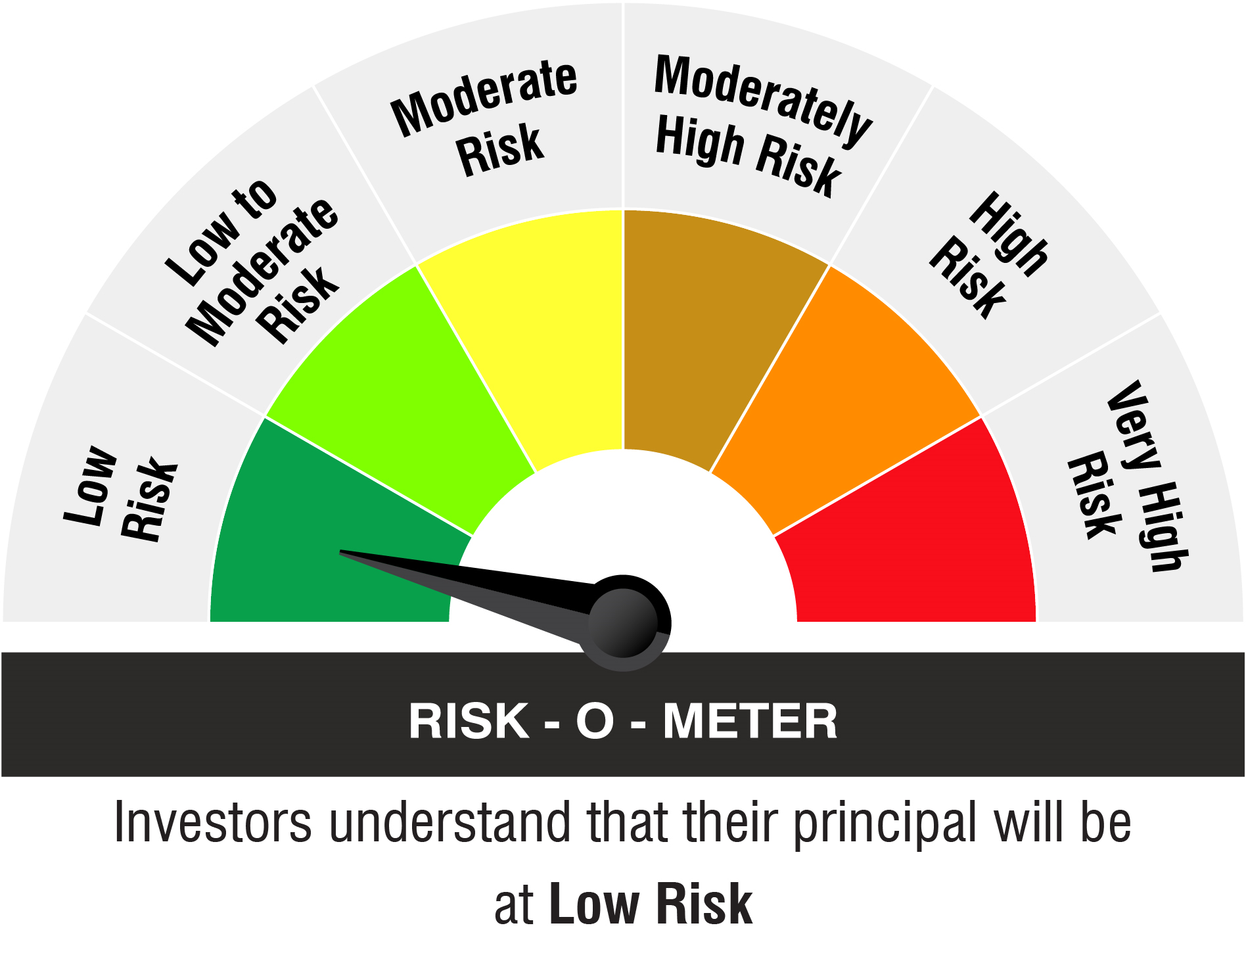

Name of the Benchmark and its risk-o-meter:
NIFTY 50 Arbitrage Index

