NJOVERFD
 | NJ Mutual Fund
 | NJ Overnight Fund
 | (An open ended debt scheme investing in overnight securities with a relatively low interest rate risk and relatively low credit risk)

 | Monthly Portfolio Statement as on September 30, 2025
 | Name of the Instrument | ISIN | Industry/ Rating | Quantity | Market/Fair Value(Rs. in Lakhs) | % to Net Assets | YTM~ | YTC^ | null
 | Reverse Repo / TREPS
TRP_030423 | Clearing Corporation of India Ltd |  |  |  | 30,515.00 | 99.34% | 5.38%
 | Sub Total |  |  |  | 30,515.00 | 99.34%
 | (b) Privately placed / Unlisted |  |  |  | NIL | NIL
 | Sub Total |  |  |  | NIL | NIL
 | Total |  |  |  | 30,515.00 | 99.34%
 | Net Receivables / (Payables) |  |  |  | 204.15 | 0.66%
 | GRAND_TOTAL |  |  |  | 30,719.15 | 100.00%

 | ~ YTM as on September 30, 2025
 | ^ YTC represents Yield to Call provided by valuation agencies as on September 30, 2025.. It is disclosed for Perpetual Bond issued by Banks (i.e. AT-1 Bond / Tier 1 Bond / Tier 2 Bond), as per AMFI Best Practices Guidelines Circular no. 135/BP/91/2020-21 read with SEBI circular No. SEBI/HO/IMD/IMD-PoD-1/P/CIR/2024/90 on Valuation of AT-1 Bonds and Tier 2 Bonds.

 | Notes:
 | 1. There is no security which is in default beyond its maturity / Interest payment date.
 | 2. Aggregate value of illiquid securities of the fund amounts to Rs. Nil and their percentage to Net Asset value is Nil
 | 3. NAV at the beginning of the period
 | Direct Plan - Growth Option | 1210.1096
 | Regular Plan - Growth Option | 1206.3506
 | NAV at the end of the period
 | Direct Plan - Growth Option | 1215.1833
 | Regular Plan - Growth Option | 1211.3123
 | 4. No dividend declared during the month ended September 30, 2025..
 | 5. Total Market value of investments in Foreign Securities/American Depository Receipts/Global Depository Receipts as at September 30, 2025. | Nil
 | 6. Exposure to derivative instrument at the end of the month is (value in Lacs) | Nil
 | 7. Investment in short term deposit at the end of the Month | Nil
 | 8. Average Portfolio Maturity | 1 day
 | 9. No Bonus declared during the period ended September 30, 2025. | Nil
 | 10. The details of repo transactions of the scheme in corporate debt securities | Nil
 | 11. Instances of fair valuation of Securities or Deviation in valuation from what is provided by valuation agencies | Nil
 | 12. Total Exposure to illiquid securities | Nil
 | 13. Deviation in the mandated asset allocation pursuant to SEBI Circular SEBI/HO/IMD/IMD-PoD-1/P/CIR/2024/90 dated June 27, 2024 | Nil

 |  | Portfolio Information
 | Scheme Name : | NJ Overnight Fund
 | Description (if any) | An open ended debt scheme investing in overnight securities with a relatively low interest rate risk and relatively low credit risk

 | Annualised Portfolio YTM* : | 5.38%

 | Macaulay Duration | 01 Day
 | Residual Maturity | 01 Day

 | As on (Date) | 30-Sep-25
 | * in case of semi annual YTM, it will be annualised

 | RISK-O-METER

 | NJ Overnight Fund
 | This product is suitable for investors who are seeking*:
 | - An overnight fund that aims to generate optimal returns in line with overnight rates and high liquidity - To invest in debt and money market instruments with maturity of 1 day *Investors should consult their financial advisors if in doubt about whether the product is suitable for them. | 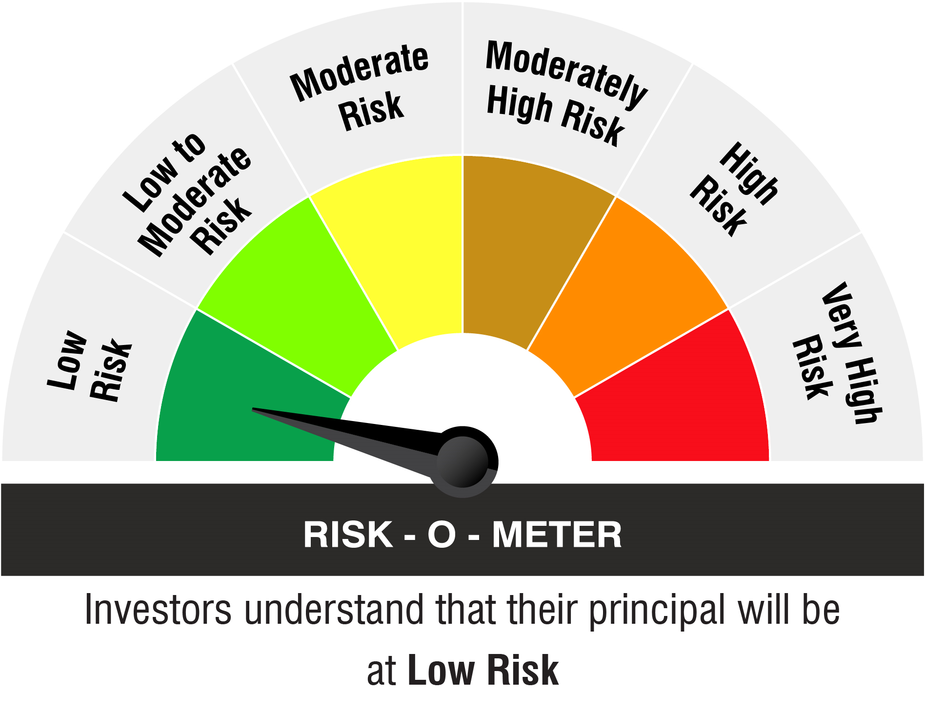

 | Name of the Benchmark and its risk-o-meter:
 | NIFTY 1D Rate Index

 |  | A Relatively Low Interest Rate Risk and Relatively Low Credit Risk

