Plot
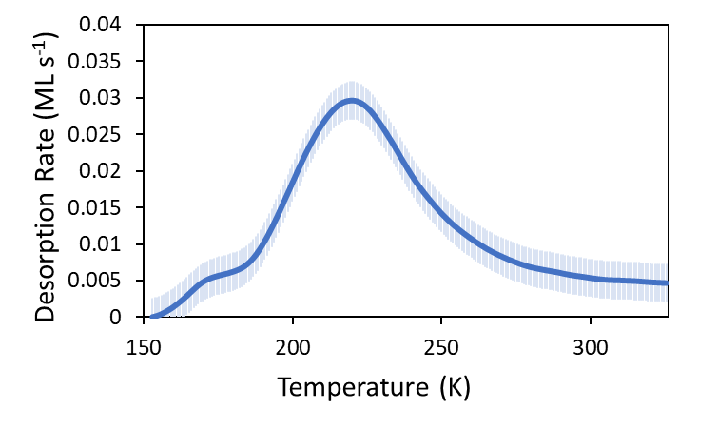
 | observed | uncertainty
600 | 160500 | 200000
1100 | 810500 | 300000
1400 | 1440500 | 200000

 | 0
600 | 160500
1100 | 810500
1400 | 1440500

