Sheet1
 | RAILWAY ACT ENTRY FORM

Sr No. | Heads | Description | Facility Type of option | Compulasary /Optional
1 | Railways Act Reg No | 00/2024 | Manual Entry | Compulasary
 |  | UNDER SECTION RLY ACT | Manual Entry | Compulasary
2 | Occurrence Date & Time | Between 14/07/2024 10:57 and 14/07/2024 11:04 | Auto Select from System | Compulasary
3 | Place of Occurrence Details | a) Incident occurred in train/Goods Train: | Manual entry | Compulasary
 |  | b) Railway Station and Premises: | Manual entry | Compulasary
4 | Case Reporting by | Name and Designation HQRS of Reporting Officer/Staff | Manual entry | Optional
 |  | Mode of Reporting | Manual entry | Optional
 |  | Auto Selection (Letter/Memo/Whatsaap Image | Manual entry | Optional
5 | Whether SOR? | Selectin Option (Yes/No) If, Yes Give Details in Giest | Auto Select | Optional
 |  | Giest of SOR with details of Police Station GRP etc | Manual entry | Optional
6 | Date of RPF Action leading to Registration | 7/14/24 | Auto Select from System | Compulasary
7 | Property Related Details | Rly Property | Manual entry | Optional
8 | Persons Involved in the Case | 1. Name : un-known, Parentage: un-known, Gender: -, Person Address: un-known, | Manual entry | Optional
9 | Violation of Rly Act Section, After evidance on hands | Sections: 141, | Auto Select from System | Optional
10 | Disposal of Arrested person | On Bail/On Notice/ | Manual entry | Optional
 |  | Date & Time | Auto Select from System | Optional
11 | Details of Enquiry Officer | 1. Name: XYZ , Designation: ASI/ SIPF/IPF Date:14/07/2024 | Auto Generate as per registration | Optional
 | Date of Enquiry Ordered | Between 14/07/2024 10:57 and 14/07/2024 11:04 | Auto Select from System | Optional
12 | Giest of Case in Details |  | Manual entry | Optional
13 | Date of completion of Enquiry | Between 14/07/2024 10:57 and 14/07/2024 11:04 | Auto Select from System | Optional
14 | Details of Complainant/Received on Transfer | Between 14/07/2024 10:57 and 14/07/2024 11:04 | Auto Select from System | Optional
15 | Current Status of Case | Registered under Railway's Act | Auto Select from System | Optional
16 | Efforts done by Enquiry Officer: | List Of Documents needs to be Examination |  | Optional
 |  | Add ROW Option Should be Provided | Manual entry
 |  | Documents Examined
 |  | Add ROW Option Should be Provided | Manual entry
 |  | Name Of Prosecution Witnesses needs to be Examination
 |  | Add ROW Option Should be Provided | Manual entry
 |  | Name of PWs Examined
 |  | Add ROW Option Should be Provided | Manual entry
17 | Detection Status |  |  | Optional
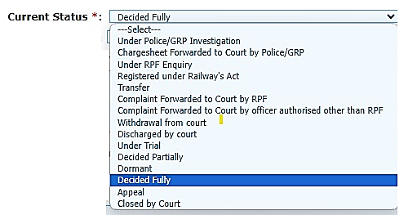
 |  |  | Auto Select from System

 |  | Other Entry Option also Provided | Manual Entry | Optional

18 | Reason for Pendency: - | Manual Entry |  | Optional
19 | Court Details | Court Name | Manual entry
 |  | CC No. | Manual entry
 |  | Admission Date | Auto Select from System
20 | Documents Upload | Firyad/Memo/Letter/Any Message | Manual Entry | Optional
 |  | Accused Photo | Manual Entry
 |  | Complaint | Manual Entry
 |  | Other Docu | Manual Entry

