harmonization assumption
skip
Anode paste composition
Parameter | Value | Unit | Source
graphite | 90% | n.a | RWTH, Produktionsprozess einer Lithium-Ionen-Batteriezelle
CMC-SBR | 5% | n.a | RWTH, Produktionsprozess einer Lithium-Ionen-Batteriezelle
carbon black | 5% | n.a | RWTH, Produktionsprozess einer Lithium-Ionen-Batteriezelle

Anode water-based binder
Parameter | Value | Unit | Source
CMC | 70% | n.a | Peters, et al. 2017, Life cycle assessment of sodium-ion battery
SBR | 30% | n.a | Peters, et al. 2017, Life cycle assessment of sodium-ion battery

Cathode paste composition
Parameter | Value | Unit | Source
electrode active material | 94% | n.a | RWTH, Produktionsprozess einer Lithium-Ionen-Batteriezelle
PVDF approximated by PVF | 4% | n.a | RWTH, Produktionsprozess einer Lithium-Ionen-Batteriezelle
carbon black | 2% | n.a | RWTH, Produktionsprozess einer Lithium-Ionen-Batteriezelle
NMC | 1 | kg/kWh battery | Peters JF, Weil M, 2017, Providing a common base for life cycle assessments of LiIon batteries

Electrolyte
Parameter | Value | Unit | Source
Portion of salt in electrolyte | 10.60% | Notter et al., 2011 | Notter 2011

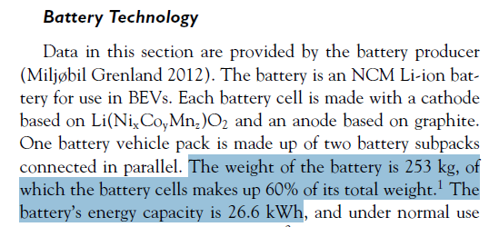
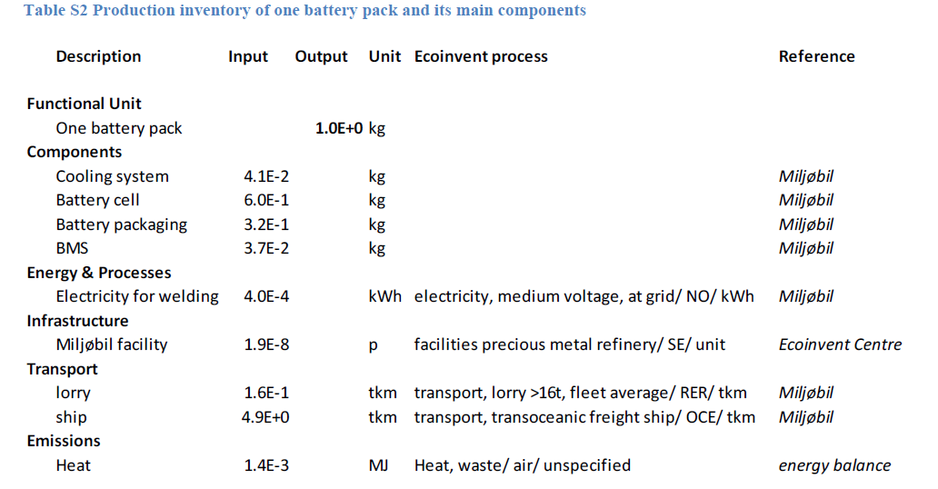
Water consumption
Parameter | Value | Unit | Source
Water consumption per kWh of battery capacity | 32.55 | kg/kWh battery capacity | Dai et al. 2017, Update of Life cycle analysis of lithium-ion batteries in the GREET model: 8.6 gallons/kWh battery produced

Energy consumption
Parameter | Value | Unit | Source
Electricity consumption from cell to pack | 0.00043 | kWh/kg pack | Ellingsen et al. 2014, Life Cycle Assessment of a Lithium-Ion Battery Vehicle Pack: 11.7604 kWh/kg of battery pack, in which 11.76 kWh/kg of battery pack for cell manufacturing (converted from 19.6 kWh/kg of cell = 28 kWH/kg of cell - 30%), and 0.0004/0.92=0.000434783 kWh/kg of battery pack processing energy from cell to pack;
Energy consumption of cell manufacturing | 19.6 | kWh/kg cell | baseline energy demand; Ellingsen et al. 2014, Life Cycle Assessment of a Lithium-Ion Battery Vehicle Pack: 11.7604 kWh/kg of battery pack, in which 11.76 kWh/kg of battery pack for cell manufacturing (converted from 19.6 kWh/kg of cell = 28 kWH/kg of cell - 30%), and 0.0004/0.92=0.000434783 kWh/kg of battery pack processing energy from cell to pack;
Contribution of heat from natural gas | 82.4% | n.a | Dai et al. 2017, Update of Life cycle analysis of lithium-ion batteries in the GREET model
Contribution of electricity | 17.6% | n.a | Dai et al. 2017, Update of Life cycle analysis of lithium-ion batteries in the GREET model
Specific energy at cell, original LCI | 175 | Wh/kg cell | Ellingsen et al. 2014, Life Cycle Assessment of a Lithium-Ion Battery Vehicle Pack
Specific energy at pack, original LCI, excluding BMS and cooling | 114 | Wh/kg pack | Ellingsen et al. 2014, Life Cycle Assessment of a Lithium-Ion Battery Vehicle Pack
Specific energy at cell, updated LCI, excluding BMS and cooling | 157 | Wh/kg pack | calculated based on updated LCI
Specific energy at pack, updated LCI, excluding BMS and cooling | 126 | Wh/kg pack | calculated based on updated LCI
Pessimistic energy consumption of cell manufacturing | 47 | kWh/kg cell | Ellingsen et al. 2014, Life Cycle Assessment of a Lithium-Ion Battery Vehicle Pack: asymptotic value
Lower value in GREET Model | 33 | kWh/kWh pack | Update of Life Cycle Analysis of Lithium-ion Batteries in the GREET Model
Higher value in GREET Model | 47 | kWh/kWh pack | Update of Life Cycle Analysis of Lithium-ion Batteries in the GREET Model
Average value in GREET Model/Optimistic energy consumption of cell manufacturing | 39.9 | kWh/kWh pack | optimistic energy demand; calculated based on Update of Life Cycle Analysis of Lithium-ion Batteries in the GREET Model
Reduction of energy consumption from baselineline to optimistic, per kg of pack | 68% | n.a | calculated
Increase of energy consumption from baselineline to pessimistic, per kg of pack | 138% | n.a | calculated
Pessimistic energy consumption, at pack level | 297.8 | kWh/kWh pack | calculated
Optimistic energy consumption, at pack level | 5.0 | kWh/kg of pack | calculated
Pessimistic energy consumption, at pack level | 37.6 | kWh/kg of pack | calculated

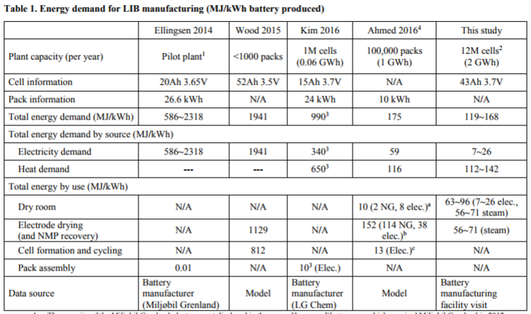
Weight composition in % in updated LCI
Parameter | Value | Unit | Source
Weight share of cell package in battery pack | 2.5% | n.a | Peters JF, Weil M, 2017, Providing a common base for life cycle assessments of LiIon batteries; excluding BMS
Weight share of pack housing in battery pack | 19.5% | n.a | Peters JF, Weil M, 2017, Providing a common base for life cycle assessments of LiIon batteries; excluding BMS
Weight share of cell excluding cell packaging in battery pack | 78.0% | n.a | calculated; excluding BMS

summary
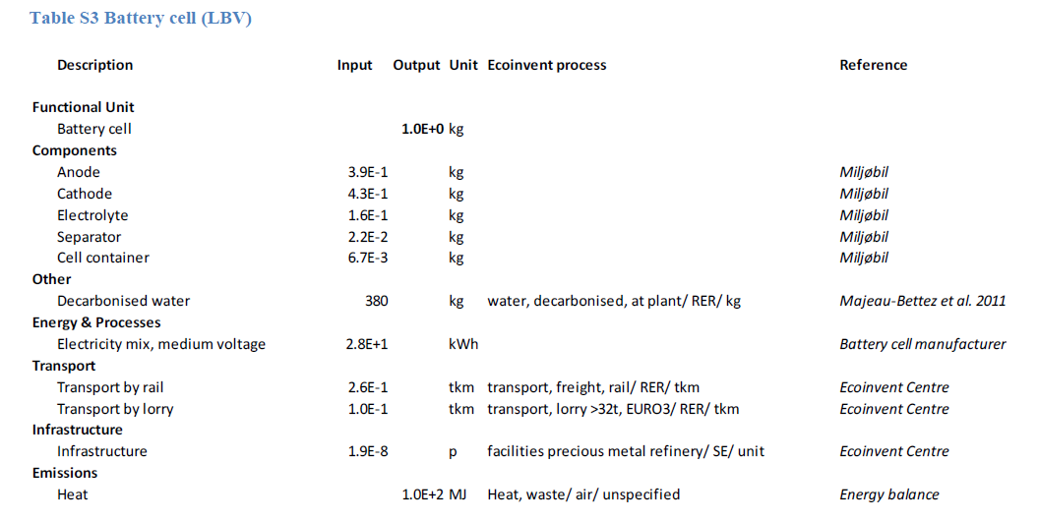
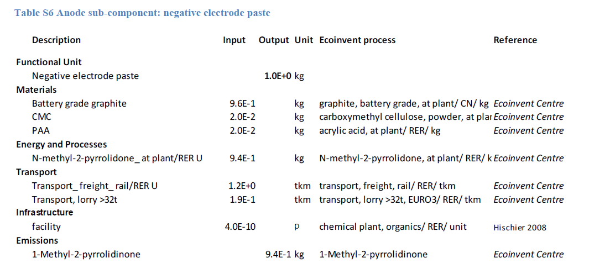
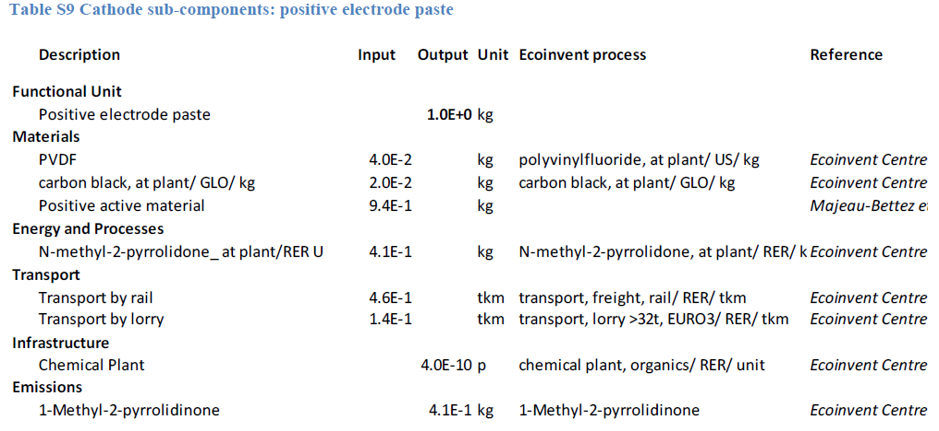
skip |  |  |  |  | NMC
 |  |  |  | Cathode Active Material | NMC
 |  |  |  | Anode Active Material | Graphite
 |  |  |  | Main Reference | Ellingsen, 2014, Life Cycle Assessment of a Lithium-IonBattery Vehicle Pack
 | Li-ion Battery Harmonization (material) | Li-ion Battery Harmonization (amount) | Unit | Justification and Reference | Material | Process | Value | Unit | Reference/Remark
Anode paste, battery technology |  |  |  |  | Anode paste, NMC
o Active material | graphite, except for LTO/NCA | 90% | wt%; of electrode material | RWTH, Produktionsprozess einer Lithium-Ionen-Batteriezelle | anode, graphite, for lithium-ion battery | market for anode, graphite, for lithium-ion battery | 0.919 | kilogram
o Binder | CMC-SBR, except for LTO/NCA | 5% | wt%; of electrode material | in which 70:30 mixture of carboxymethyl-cellulose (CMC) and styrene-butadiene rubber (SBR) is used based on Peter 2016, LCA of sodium-ion battery; RWTH, Produktionsprozess einer Lithium-Ionen-Batteriezelle | carboxymethyl cellulose, powder | market for carboxymethyl cellulose, powder | 0.036 | kilogram
 |  |  |  |  | styrene butadiene rubber (SBR) | market for styrene butadiene rubber (SBR) | 0.015 | kilogram

o Solvent | water | 0 |  | Wood 2015 et al, "in Japan and South Korea anodes are almost exclusively produced usin water-based chemistry"; assume it is included in water consumption for the whole battery pack production, based on Dai 2017
o Conductive Material | carbon black, except for LTO/NCA | 5% | wt%; of electrode material | RWTH, Produktionsprozess einer Lithium-Ionen-Batteriezelle | carbon black | market for carbon black | 0.051 | kilogram
o Other additive
Percentgae of active material in electrode material (wt%) |  |  |  |  |  |  | 90%
Percentgae of binder in electrode material (wt%) |  |  |  |  |  |  | 5%
Percentage of conductive material in electrode material (wt%) |  |  |  |  |  |  | 5%
Total weight of anode paste |  |  |  |  |  |  | 1.02 | kilogram
o Dispoal (excluding recycling), for Ultrabattery
Anode current collector, battery technology |  |  |  |  | Anode current collector, NMC
o Material | copper |  |  |  | copper | market for copper | 1.269 | kilogram
o Sheet rolling process | sheet rolling, copper |  |  |  | sheet rolling, copper | market for sheet rolling, copper | 1.269 | kilogram | processing

Total weight of anode current collector |  |  |  |  |  |  | 1.27 | kilogram
Cathode paste, battery technology |  |  |  |  | Cathode paste, NMC
o Active material |  |  |  |  | Li(Ni1/3Co1/3Mn1/3)O2 | Li(Ni1/3Co1/3Mn1/3)O2 | 2.307 | kilogram
o Binder | PVDF (approximated by PVF), except for LFP, LTO/NCA | 4%, | wt%; of electrode material | Ellingsen, et al. 2014; LFP requires more binder, thus original data is used. | polyvinylfluoride | market for polyvinylfluoride | 0.098 | kilogram

o Solvent | NMP, except for LFP, LTO/NCA |  |  | Ellingsen, et al. 2014; LFP requires more solvent then the other LIBs, thus original data is used. | N-methyl-2-pyrrolidone | market for N-methyl-2-pyrrolidone | 1.006 | kilogram
o Conductive Material | carbon black, except for LFP, LTO/NCA | 2% | wt%; of electrode material | Ellingsen, et al. 2014 | carbon black | market for carbon black | 0.049 | kilogram

Percentgae of active material in electrode material (wt%) |  |  |  |  |  |  | 94%
Percentgae of binder in electrode material (wt%) |  |  |  |  |  |  | 4%
Percentage of conductive material in electrode material (wt%) |  |  |  |  |  |  | 2%
Total weight of cathode paste |  |  |  |  |  |  | 2.45 | kilogram
o Dispoal (excluding recycling)
Cathode current collector, battery technology |  |  |  |  | Cathode current collector, NMC
o Material | aluminium |  |  |  | aluminium, primary, ingot | aluminium production, primary, ingot | 0.270 | kilogram
o Sheet rolling process | sheet rolling, aluminium |  |  |  | sheet rolling, aluminium | market for sheet rolling, aluminium | 0.270 | kilogram | processing
Total weight of cathode current collector |  |  |  |  |  |  | 0.27 | kilogram
Separator, battery technology |  |  |  |  | Separator, NMC
o Material | polyethylene | 50% | wt%; of separator |  | polypropylene, granulate | market for polypropylene, granulate | 0.063 | kilogram
 | polypropylene | 50% | wt%; of separator |  | polyethylene, low density, granulate | market for polyethylene, low density, granulate | 0.063 | kilogram

o Processing | extrusion, plastic film | equal to the amount of material consumed in separator production |  |  | extrusion, plastic film | market for extrusion, plastic film | 0.126 | kilogram | processing
o (Solvent, for NCA_LTO)
Total weight of seperator |  |  |  |  |  |  | 0.13 | kilogram
Electrolyte, battery technology |  |  |  |  | Electrolyte, NMC
o Salt | lithium hexafluorophosphate | 10.6% |  | Notter et al., 2011 | lithium hexafluorophosphate | market for lithium hexafluorophosphate | 0.110 | kilogram
o Solvent | ethylene carbonate | 89.4% |  | Notter et al., 2011 | ethylene carbonate | market for ethylene carbonate | 0.924 | kilogram
o Dispoal (excluding recycling)
Total weight of electrolye |  |  |  |  |  |  | 1.034 | kilogram
weight of rest of battery pack (excluding cell packaging and pack housing, BMS, cooling) |  |  |  |  |  |  | 6.173 | kg/kWh battery pack | calculated based on harmonized inventory
Packaging |  |  |  |  | Packaging, NMC
o Cell packaging | cell container (pouch) | 3% | wt%; of battery pack, excluding BMS, cooling; for li-ion battery only | Weight % referenced from Peters. et al 2017, while inventory upstream referred from Ellingsen, et al. 2014 | Cell container |  | 0.199 | kg/kWh battery pack | calculated
o Module and pack housing | module and pack housing | 20% | wt%; of battery pack, excluding BMS, cooling; for li-ion battery only | Weight % referenced from Peters. et al 2017, while inventory upstream referred from Ellingsen, et al. 2014 | Battery module and pack housing |  | 1.545 | kg/kWh battery pack | calculated
Specific energy at cell level, before harmonization |  |  |  |  |  |  | 175 | Wh/kg | Ellingsen, 2014
Specific energy at pack level (excluding BMS, cooling), before harmonization |  |  |  |  |  |  | 114 | Wh/kg | Ellingsen, 2014
harmonized specific energy at cell level |  |  |  |  |  |  | 157 | Wh/kg | calculated
harmonized specific energy at pack level (excluding BMS, cooling) |  |  |  |  |  |  | 126 | Wh/kg | calculated
o Container (except for application "increaste of self-cosumption")
o Dispoal (excluding recycling)
Water consumption and treatment |  |  |  |  | Water consumption and treatment, NMC
o Water consumption | decarbonized water | 32.55 | kg/kWh | Dai 2017, 8.6 gallons/kWh of battery pack; Water consumption in Ellingsen 2014 is based on an older study for battery for computers | water, decarbonised, at user | market for water, decarbonised, at user | 32.550 | kilogram
Energy consumption (cell manufacturing) |  |  |  |  | Energy consumption, NMC
Electricity - from cell to pack | medium-voltage electricity supply from country of manufacturing selected | 0.00043 | kWh/kg pack excluding BMS and cooling | Ellingsen, et al., 2014 | electricity, medium voltage | market for electricity, medium voltage, KR | 21.981 | kilowatt hour
Energy conusmption - cell manufacturing |  | 19.60 | kWh/kg cell | Ellingsen, et al., 2014 as baseline with contribution from electricity and natural gas referenced from Dai 2017
o Electricity - cell manufacturing | medium-voltage electricity supply from country of manufacturing selected | 18% |  | Ellingsen, et al., 2014 as baseline with contribution from electricity and natural gas referenced from Dai 2017
o Heat, from natural gas - cell manufacturing (Total heat) | heat from natural gas | 82% |  | Ellingsen, et al., 2014 as baseline with contribution from electricity and natural gas referenced from Dai 2017 | heat, district or industrial, natural gas | heat production, natural gas, at industrial furnace low-NOx >100kW | 370.481 | megajoule
Total energy consumption (kWh/kWh battery pack capacity) |  |  |  |  |  |  | 124.9 | kWh/kWh battery pack

 | Weight composition in % in original LCI
Parameter | Weight composition in % in original LCI | Weight in original LCI | Unit | Source | Weight composition in % in updated LCI | Weight in updatedLCI | Unit
Share and weight of anode paste in battery pack | 11% | 0.96 | kg/kWh pack | calculated based on Ellingsen et al 2014; pack weight excluding BMS, cooling | 13% | 1.02 | kg/kWh pack
Share and weight of anode current collector in battery pack | 15% | 1.27 | kg/kWh pack | calculated based on Ellingsen et al 2014; pack weight excluding BMS, cooling | 16% | 1.27 | kg/kWh pack
Share and weight of cathode paste in battery pack | 25% | 2.18 | kg/kWh pack | calculated based on Ellingsen et al 2014; pack weight excluding BMS, cooling | 31% | 2.45 | kg/kWh pack
Share and weight of cathode current collector in battery pack | 3% | 0.27 | kg/kWh pack | calculated based on Ellingsen et al 2014; pack weight excluding BMS, cooling | 3% | 0.27 | kg/kWh pack
Share and weight of separator in battery pack | 1% | 0.13 | kg/kWh pack | calculated based on Ellingsen et al 2014; pack weight excluding BMS, cooling | 2% | 0.13 | kg/kWh pack
Share and weight of electrolyte in battery pack | 10% | 0.91 | kg/kWh pack | calculated based on Ellingsen et al 2014; pack weight excluding BMS, cooling | 13% | 1.034 | kg/kWh pack
Share and weight of cell packaging | 0.44% | 0.04 | kg/kWh pack | calculated based on Ellingsen et al 2014; pack weight excluding BMS, cooling | 3% | 0.199 | kg/kWh pack
Share and weight of module and housing pack | 35% | 3.04 | kg/kWh pack | calculated based on Ellingsen et al 2014; pack weight excluding BMS, cooling | 20% | 1.545 | kg/kWh pack
Total weight of battery pack, excluding BMS, cooling | 101% | 8.80 | kg/kWh pack | calculated based on Ellingsen et al 2014; pack weight excluding BMS, cooling | 100% | 7.92 | kg/kWh pack
Weight of anode active material (graphite) in battery pack |  | 0.92 | kg/kWh pack | calculated based on Ellingsen et al 2014; pack weight excluding BMS, cooling |  |  | kg/kWh pack
Weight of cathode active material in battery pack |  | 2.05 | kg/kWh pack | calculated based on Ellingsen et al 2014; pack weight excluding BMS, cooling |  |  | kg/kWh pack

