Hoja1
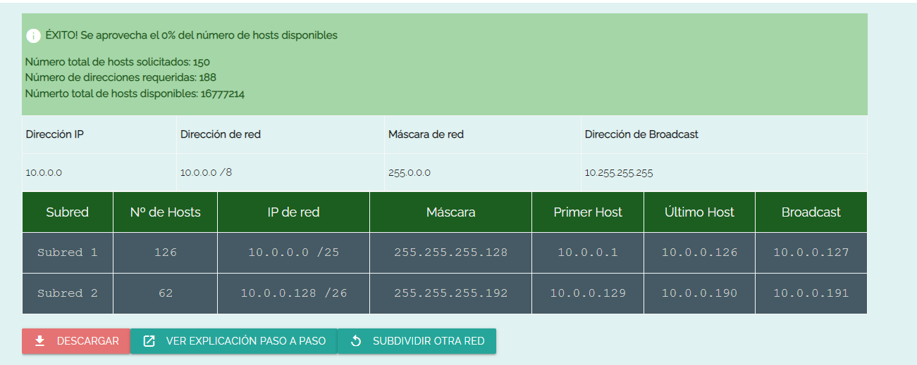
Red | Host solicitados | 128 | 64 | 32 | 16 | 8 | 4 | 2 | 1 | . | 128 | 64 | 32 | 16 | 8 | 4 | 2 | 1 | . | 128 | 64 | 32 | 16 | 8 | 4 | 2 | 1 | . | 128 | 64 | 32 | 16 | 8 | 4 | 2 | 1
10.0.0.0 | 100 | 1 | 1 | 1 | 1 | 1 | 1 | 1 | 1 |  | 1 | 1 | 1 | 1 | 1 | 1 | 1 | 1 |  | 1 | 1 | 1 | 1 | 1 | 1 | 1 | 1 |  | 1 | 0 | 0 | 0 | 0 | 0 | 0 | 0
 | 50 | 1 | 1 | 1 | 1 | 1 | 1 | 1 | 1 |  | 1 | 1 | 1 | 1 | 1 | 1 | 1 | 1 |  | 1 | 1 | 1 | 1 | 1 | 1 | 1 | 1 |  | 1 | 1 | 0 | 0 | 0 | 0 | 0 | 0

 |  | 2^0 | = | 1
100 HOST |  | 2^1 | = | 2
MASCARA POR DEFECTO: 255.255.255.255 |  | 2^2 | = | 4
MASCARA NUEVA: 255.255.255.128 |  | 2^3 | = | 8
------------------------------------------------------ |  | 2^4 | = | 16
MASCARA RESULTANTE: 0. 0. 0. 127 |  | 2^5 | = | 32
 |  | 2^6 | = | 64
10.0.0.0 HASTA 10.0.0.127 |  | 2^7 | = | 128
10.0.0.1 PRIMER HOST |  | 2^8 | = | 256
10.0.0.126 ULTIMO HOST |  | 2^9 | = | 512
10.0.0.127 BROADCAST |  | 2^10 | = | 1024
MASCARA DE SUBRED: /25 (32-7)

50 HOST
MASCARA POR DEFECTO: 255.255.255.255
MASCARA NUEVA: 255.255.255.192
------------------------------------------------------
MASCARA RESULTANTE: 0. 0. 0. 63

10.0.0.128 HASTA 10.0.0.191
10.0.0.129 PRIMER HOST
10.0.0.190 ULTIMO HOST
10.0.0.191 BROADCAST
MASCARA DE SUBRED /26 (32-6)

COMPROBACIÓN

