Nice to have 2017_02_17
First try - paste Json from cliboard the dev environement into Market Data Values: JPY10MD156N.json - the pasted json should start from the selected cell
The operation is ok when using a new empty sheet

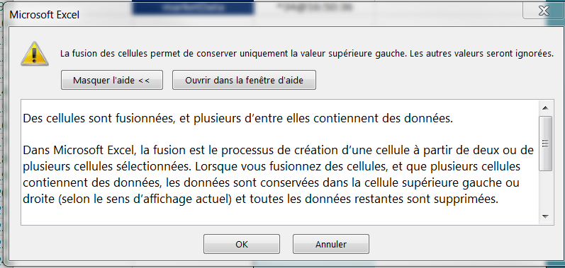
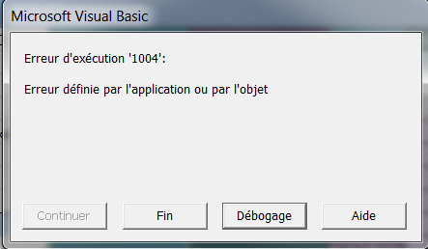

When transforming the item, points should be centered up, else the scrolling can get long.

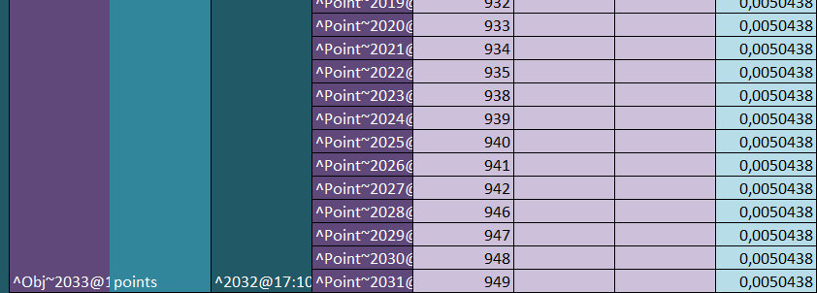

The videos - you should redo them, the quality of the sound is quite bad

The videos - the one that is doing them should write from 0, not delete and type the same text that was already there (give the impression that its a training)

The functions should have help on arguments:
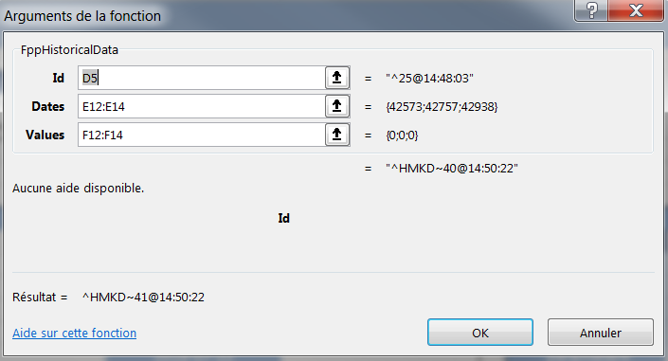

I think it is important to state that every FFP object is a Json and you can do a FppCommandViewJson to get more information

The users need excel examples with each function used (just like the ones that exist but for all functions). Ex: on a client, when you wrote a function, you also did an excel with an example of how to use the function and also you wrote the list of parameters with a small statement.
I am trying to use the function FppFromJson without any success I have passed the string { ""PriceIndex"": [ ""ONTD156N"" ] }

In the tutorial there should be the information of which call is connecting to the server, =FppRetrieveLibraryContent(B8) - does not work stand alone and I had to copy the full ServerConfig page to connect

I think you need to add some framework debuging messages, I call pricer, it gets somewhere but I have no clue what happends:
{
"errors": [],
"traceLog": [],
"results": [
{
"values": [
[]
],
"id": "622be1ca-1e3b-472a-95a1-6082c7978be3",
"type": "ARRAY"
}
]
}

You need to have a shortcut key to ViewJson

How to user FppData1D to get a multi scenario array?

Nice to have 2017_01_19
Firefox - at some point the interface is getting bugged with the image shifting to the left and no way of shifting it back (I had a full shifting at some point) - have no clue how to reproduce but I had this three times

You could move the "Creating the … file" into a single page and put a link somewhere to the page on the Coding the functions needed for example …

I could not find any reference in the api for dataxD and I had to go back and forward for different json with different get messages to understand what it does (it si related to the construction of PricingData)

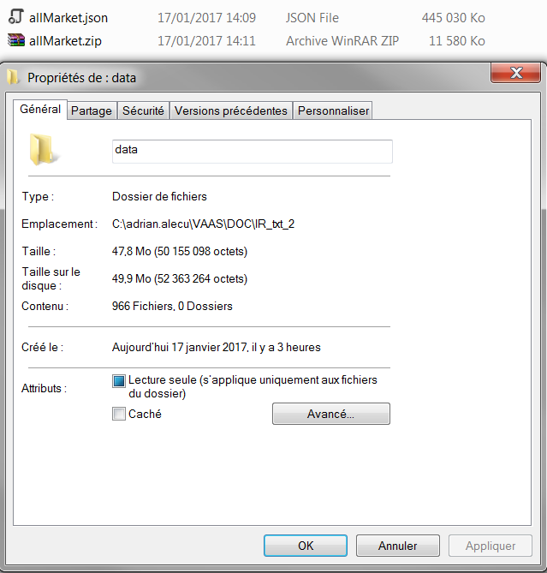
What about archiving the input (here are some figures, row data - 50 mega, json data 500 M, ziped data 13 mega), however archiving comes with a high CPU cost (yes I know not in the scope of this tutorial)

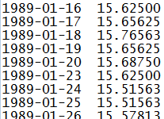

Lets say I want to use an already existing function: discountFactorInterpolator from InterestRate.module
From the documentation that I have, I have little way of knowing which parameter stands for what - all provided API should come with an example
discountDate - interpolation date // I will say that it will be the item that will be searched in maturities and the expression is in days
pointFloorIndex - floor index corresponding to discountDate // i am lost
maturities - vector of curve maturities (expressed as tenors in number of days) // as in the sample market data
values - vector of values containing the discount factors according to the maturities stored in the curveMaturities vector // ok the values that will be used for intepolation
interpolationMethod - interpolation method : can be linear or flat or cubicSpline // is it the string liner/flat/cubicSpline ?
dfInterpolParams - structure containing the parameters needed for interpolation and conversion to DF //and there, I have no clue

At some point the copy paste no longer works … it is fixed by reloading the environement
At some point the same run will do a Segmentation fault

[ws-machine] /bin/bash: line 1: 12192 Segmentation fault (core dumped) mvn clean install -DskipTests exec:java -Dexec.mainClass="com.trmsys.fpp.library.vaas.Runner" -Dexec.args="--script Tester1 --scenarioData src/main/resources/com/trmsys/fpp/library/pricingData/JPY_allMarket.json --documents src/main/resources/com/trmsys/fpp/library/documents/Tester1_OneIndex.json --dates 2010-10-10"

floatRandom is always the same … needs a seed option ?

1/ Firefox - at some point the interface is getting bugged with the image shifting to the left and no way of shifting it back (I had a full shifting at some point) - have no clue how to reproduce but I had this three times >>> Out of scope , there might be display issues with Firefox since no compatibility compliance.

2/ You could move the "Creating the … file" into a single page and put a link somewhere to the page on the Coding the functions needed for example … >>> Ok to merge "Creating..." parts in tutorial part 4 since repetitive.
3/ I could not find any reference in the api for dataxD and I had to go back and forward for different json with different get messages to understand what it does (it si related to the construction of PricingData) >>> Ok to create a documentation for dataxD.
4/ What about archiving the input (here are some figures, row data - 50 mega, json data 500 M, ziped data 13 mega), however archiving comes with a high CPU cost (yes I know not in the scope of this tutorial) >>> Out of scope.
5/ Lets say I want to use an already existing function: discountFactorInterpolator from InterestRate.module
From the documentation that I have, I have little way of knowing which parameter stands for what - all provided API should come with an example
discountDate - interpolation date // I will say that it will be the item that will be searched in maturities and the expression is in days
pointFloorIndex - floor index corresponding to discountDate // i am lost
maturities - vector of curve maturities (expressed as tenors in number of days) // as in the sample market data
values - vector of values containing the discount factors according to the maturities stored in the curveMaturities vector // ok the values that will be used for interpolation
interpolationMethod - interpolation method : can be linear or flat or cubicSpline // is it the string liner/flat/cubicSpline ?
dfInterpolParams - structure containing the parameters needed for interpolation and conversion to DF //and there, I have no clue
>>> Ok to create a symbolic link between all the functions of the tutorials and the Javadoc, and an example for each function should be implemented. The types of the input parameters should also be provided with real examples of the input parameters. However, low level function, should not be exposed. We need to decide when and how we will switch from public to private functions.
6/ At some point the copy paste no longer works … it is fixed by reloading the environement >>> Known issue, Che bug already reported to GitHub under https://github.com/eclipse/che/issues/3196.
7/ At some point the same run will do a Segmentation fault
[ws-machine] /bin/bash: line 1: 12192 Segmentation fault (core dumped) mvn clean install -DskipTests exec:java -Dexec.mainClass="com.trmsys.fpp.library.vaas.Runner" -Dexec.args="--script Tester1 --scenarioData src/main/resources/com/trmsys/fpp/library/pricingData/JPY_allMarket.json --documents src/main/resources/com/trmsys/fpp/library/documents/Tester1_OneIndex.json --dates 2010-10-10"
>>> Ok, issue to be fixed and reproduced while running a simulation (Tester1_MultipleScenarios for instance) several times in a row (4-5 times). We finally get the following error message:
[ws-machine] /bin/bash: line 1: 1367 Segmentation fault (core dumped) mvn clean install -DskipTests exec:java -Dexec.mainClass="com.trmsys.fpp.library.vaas.Runner" -Dexec.args="--script Tester1 --scenarioData src/main/resources/com/trmsys/fpp/library/pricingData/JPY_allMarketParallel.json --documents src/main/resources/com/trmsys/fpp/library/documents/Tester1_MultipleScenarios.json --dates 2010-10-10"
8/ floatRandom is always the same … needs a seed option ? >>> Already exists.
9/ Real parallelization impact? >>> Yes, there is a significant impact when you properly build your script. You need circa 30s to get prices in both simulations, with and without parallelization of the market data inputs. I have rebuilt your script and I get 8.966s to get prices with parallelized scenario values against 11.464s without. Enclosed, please find the script and results.

