Nice to have 2017_01_19
Firefox - at some point the interface is getting bugged with the image shifting to the left and no way of shifting it back (I had a full shifting at some point) - have no clue how to reproduce but I had this three times

You could move the "Creating the … file" into a single page and put a link somewhere to the page on the Coding the functions needed for example …

I could not find any reference in the api for dataxD and I had to go back and forward for different json with different get messages to understand what it does (it si related to the construction of PricingData)

What about archiving the input (here are some figures, row data - 50 mega, json data 500 M, ziped data 13 mega), however archiving comes with a high CPU cost (yes I know not in the scope of this tutorial)

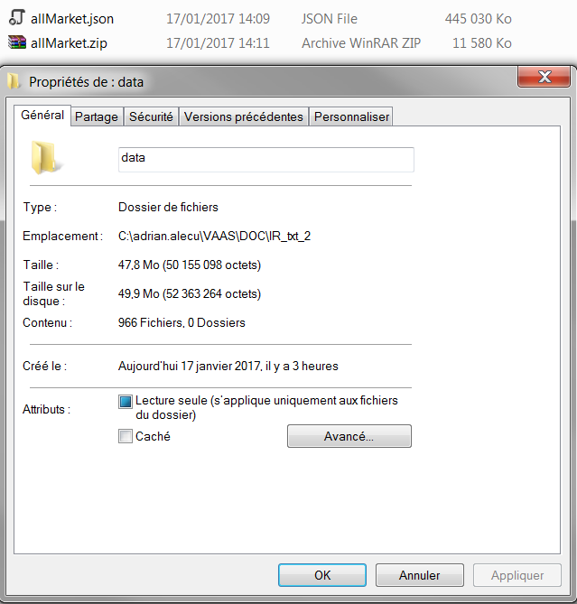
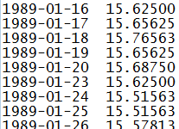

Lets say I want to use an already existing function: discountFactorInterpolator from InterestRate.module
From the documentation that I have, I have little way of knowing which parameter stands for what - all provided API should come with an example
discountDate - interpolation date // I will say that it will be the item that will be searched in maturities and the expression is in days
pointFloorIndex - floor index corresponding to discountDate // i am lost
maturities - vector of curve maturities (expressed as tenors in number of days) // as in the sample market data
values - vector of values containing the discount factors according to the maturities stored in the curveMaturities vector // ok the values that will be used for intepolation
interpolationMethod - interpolation method : can be linear or flat or cubicSpline // is it the string liner/flat/cubicSpline ?
dfInterpolParams - structure containing the parameters needed for interpolation and conversion to DF //and there, I have no clue

At some point the copy paste no longer works … it is fixed by reloading the environement
At some point the same run will do a Segmentation fault

[ws-machine] /bin/bash: line 1: 12192 Segmentation fault (core dumped) mvn clean install -DskipTests exec:java -Dexec.mainClass="com.trmsys.fpp.library.vaas.Runner" -Dexec.args="--script Tester1 --scenarioData src/main/resources/com/trmsys/fpp/library/pricingData/JPY_allMarket.json --documents src/main/resources/com/trmsys/fpp/library/documents/Tester1_OneIndex.json --dates 2010-10-10"

floatRandom is always the same … needs a seed option ?

