Nice to have 2017_01_19
Firefox - at some point the interface is getting bugged with the image shifting to the left and no way of shifting it back (I had a full shifting at some point) - have no clue how to reproduce but I had this three times

You could move the "Creating the … file" into a single page and put a link somewhere to the page on the Coding the functions needed for example …

I could not find any reference in the api for dataxD and I had to go back and forward for different json with different get messages to understand what it does (it si related to the construction of PricingData)

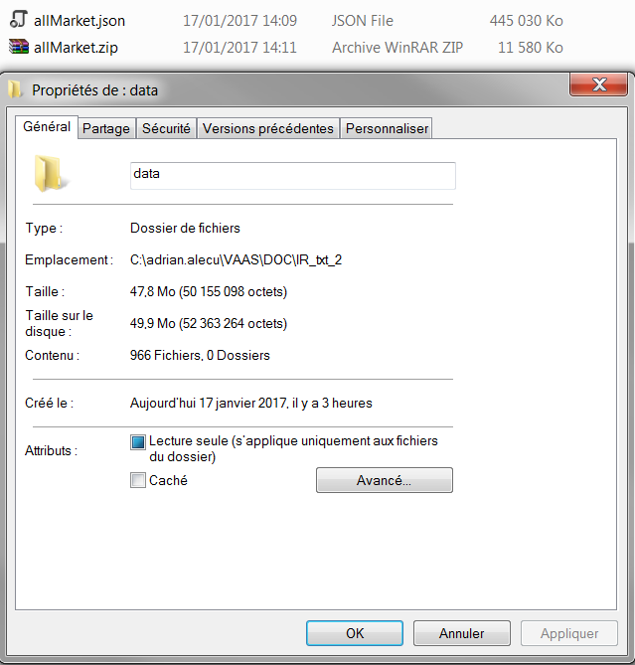
What about archiving the input (here are some figures, row data - 50 mega, json data 500 M, ziped data 13 mega), however archiving comes with a high CPU cost (yes I know not in the scope of this tutorial)

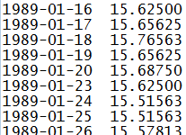

Lets say I want to use an already existing function: discountFactorInterpolator from InterestRate.module
From the documentation that I have, I have little way of knowing which parameter stands for what - all provided API should come with an example
discountDate - interpolation date // I will say that it will be the item that will be searched in maturities and the expression is in days
pointFloorIndex - floor index corresponding to discountDate // i am lost
maturities - vector of curve maturities (expressed as tenors in number of days) // as in the sample market data
values - vector of values containing the discount factors according to the maturities stored in the curveMaturities vector // ok the values that will be used for intepolation
interpolationMethod - interpolation method : can be linear or flat or cubicSpline // is it the string liner/flat/cubicSpline ?
dfInterpolParams - structure containing the parameters needed for interpolation and conversion to DF //and there, I have no clue

At some point the copy paste no longer works … it is fixed by reloading the environement
At some point the same run will do a Segmentation fault

[ws-machine] /bin/bash: line 1: 12192 Segmentation fault (core dumped) mvn clean install -DskipTests exec:java -Dexec.mainClass="com.trmsys.fpp.library.vaas.Runner" -Dexec.args="--script Tester1 --scenarioData src/main/resources/com/trmsys/fpp/library/pricingData/JPY_allMarket.json --documents src/main/resources/com/trmsys/fpp/library/documents/Tester1_OneIndex.json --dates 2010-10-10"

floatRandom is always the same … needs a seed option ?

1/ Firefox - at some point the interface is getting bugged with the image shifting to the left and no way of shifting it back (I had a full shifting at some point) - have no clue how to reproduce but I had this three times >>> Out of scope , there might be display issues with Firefox since no compatibility compliance.

2/ You could move the "Creating the … file" into a single page and put a link somewhere to the page on the Coding the functions needed for example … >>> Ok to merge "Creating..." parts in tutorial part 4 since repetitive.
3/ I could not find any reference in the api for dataxD and I had to go back and forward for different json with different get messages to understand what it does (it si related to the construction of PricingData) >>> Ok to create a documentation for dataxD.
4/ What about archiving the input (here are some figures, row data - 50 mega, json data 500 M, ziped data 13 mega), however archiving comes with a high CPU cost (yes I know not in the scope of this tutorial) >>> Out of scope.
5/ Lets say I want to use an already existing function: discountFactorInterpolator from InterestRate.module
From the documentation that I have, I have little way of knowing which parameter stands for what - all provided API should come with an example
discountDate - interpolation date // I will say that it will be the item that will be searched in maturities and the expression is in days
pointFloorIndex - floor index corresponding to discountDate // i am lost
maturities - vector of curve maturities (expressed as tenors in number of days) // as in the sample market data
values - vector of values containing the discount factors according to the maturities stored in the curveMaturities vector // ok the values that will be used for interpolation
interpolationMethod - interpolation method : can be linear or flat or cubicSpline // is it the string liner/flat/cubicSpline ?
dfInterpolParams - structure containing the parameters needed for interpolation and conversion to DF //and there, I have no clue
>>> Ok to create a symbolic link between all the functions of the tutorials and the Javadoc, and an example for each function should be implemented. The types of the input parameters should also be provided with real examples of the input parameters. However, low level function, should not be exposed. We need to decide when and how we will switch from public to private functions.
6/ At some point the copy paste no longer works … it is fixed by reloading the environement >>> Known issue, Che bug already reported to GitHub under https://github.com/eclipse/che/issues/3196.
7/ At some point the same run will do a Segmentation fault
[ws-machine] /bin/bash: line 1: 12192 Segmentation fault (core dumped) mvn clean install -DskipTests exec:java -Dexec.mainClass="com.trmsys.fpp.library.vaas.Runner" -Dexec.args="--script Tester1 --scenarioData src/main/resources/com/trmsys/fpp/library/pricingData/JPY_allMarket.json --documents src/main/resources/com/trmsys/fpp/library/documents/Tester1_OneIndex.json --dates 2010-10-10"
>>> Ok, issue to be fixed and reproduced while running a simulation (Tester1_MultipleScenarios for instance) several times in a row (4-5 times). We finally get the following error message:
[ws-machine] /bin/bash: line 1: 1367 Segmentation fault (core dumped) mvn clean install -DskipTests exec:java -Dexec.mainClass="com.trmsys.fpp.library.vaas.Runner" -Dexec.args="--script Tester1 --scenarioData src/main/resources/com/trmsys/fpp/library/pricingData/JPY_allMarketParallel.json --documents src/main/resources/com/trmsys/fpp/library/documents/Tester1_MultipleScenarios.json --dates 2010-10-10"
8/ floatRandom is always the same … needs a seed option ? >>> Already exists.
9/ Real parallelization impact? >>> Yes, there is a significant impact when you properly build your script. You need circa 30s to get prices in both simulations, with and without parallelization of the market data inputs. I have rebuilt your script and I get 8.966s to get prices with parallelized scenario values against 11.464s without. Enclosed, please find the script and results.

