Product Burndown
Time |  | Tasks
Day | Date | Planned | Actual
Wed | 2022-02-16 | 34 | 34
Thur | 2022-02-17 | 27 | 31
Product BurnDown Chart
 | Planned | Actual
 | 34 | 34
 | 27 | 31
 | 27 | 29
 | 27 | 28
 | 26 | 24
 | 25 | 23
 | 24 | 22
 | 23
 | 22
 | 21
 | 20
 | 19
 | 18
 | 18
 | 18
 | 18
 | 17
 | 16
 | 15
 | 14
 | 13
 | 12
 | 11
 | 11
 | 11
 | 11
 | 11
 | 11
 | 11
 | 11
 | 11
 | 10
 | 9
 | 8
 | 7
 | 6
 | 5
 | 4
 | 3
 | 2
 | 2
 | 2
 | 2
 | 2
 | 1
 | 1
 | 1
 | 1
 | 0
Fri | 2022-02-18 | 27 | 29
Sat | 2022-02-19 | 27 | 28
Sun | 2022-02-20 | 26 | 24
Mon | 2022-02-21 | 25 | 23
Tues | 2022-02-22 | 24 | 22
Wed | 2022-02-23 | 23
Thur | 2022-02-24 | 22
Fri | 2022-02-25 | 21
Sat | 2022-02-26 | 20
Sun | 2022-02-27 | 19
Mon | 2022-02-28 | 18
Tues | 2022-03-01 | 18
Wed | 2022-03-02 | 18
Thur | 2022-03-03 | 18
Fri | 2022-03-04 | 17
Sat | 2022-03-05 | 16
Sun | 2022-03-06 | 15
Mon | 2022-03-07 | 14
Tues | 2022-03-08 | 13
Wed | 2022-03-09 | 12
Thur | 2022-03-10 | 11
Fri | 2022-03-11 | 11
Sat | 2022-03-12 | 11
Sun | 2022-03-13 | 11
Mon | 2022-03-14 | 11
Tues | 2022-03-15 | 11
Wed | 2022-03-16 | 11
Thur | 2022-03-17 | 11
Fri | 2022-03-18 | 11
Sat | 2022-03-19 | 10
Sun | 2022-03-20 | 9
Mon | 2022-03-21 | 8
Tues | 2022-03-22 | 7
Wed | 2022-03-23 | 6
Thur | 2022-03-24 | 5
Fri | 2022-03-25 | 4
Sat | 2022-03-26 | 3
Sun | 2022-03-27 | 2
Mon | 2022-03-28 | 2
Tues | 2022-03-29 | 2
Wed | 2022-03-30 | 2
Thur | 2022-03-31 | 2
Fri | 2022-04-01 | 1
Sat | 2022-04-02 | 1
Sun | 2022-04-03 | 1
Mon | 2022-04-04 | 1
Tues | 2022-04-05 | 0

Sprint 1 Burndown
Burndown Chart
 | Planned | Actual
 | 17 | 17
 | 17 | 14
 | 14 | 12
 | 12 | 11
 | 11 | 7
 | 7 | 6
 | 6 | 6
 | 6
 | 5
 | 4
 | 3
 | 2
 | 1
 | 0
Time |  | Tasks |  |  |  |  |  | Jim Planned | Jim Actual | Sara Planned | Sara Actual | Adrian Planned | Adrian Actual | Team Planned | Team Actual
Day | Date | Planned | Actual |  |  |  | Total
Wed | 2022-02-17 | 17 | 17 |  |  |  | Wed | 8 | 0 | 5 | 0 | 4 | 0
Thurs | 2022-02-18 | 17 | 14 |  |  |  | Thu | 8 | 0 | 5 | 2 | 4 | 1
Fri | 2022-02-19 | 14 | 12 |  |  |  | Fri | 8 | 2 | 3 | 0 | 3 | 0
Sat | 2022-02-20 | 12 | 11 |  |  |  | Sat | 6 | 1 | 3 | 0 | 3 | 0
Sun | 2022-02-21 | 11 | 7 |  |  |  | Sun | 5 | 2 | 3 | 1 | 3 | 1
Mon | 2022-02-22 | 7 | 6 |  |  |  | Mon | 3 | 0 | 2 | 0 | 2 | 1
Tues | 2022-02-23 | 6 | 6 |  |  |  | Tue | 3 | 0 | 2 | 0 | 1 | 0
Wed | 2022-02-24 | 6 |  |  |  |  | Wed | 3 |  | 2 |  | 1
Thurs | 2022-02-25 | 5 |  |  |  |  | Thu | 3 |  | 2 |  | 1
Fri | 2022-02-26 | 4 |  |  |  |  | Fri | 3 |  | 2 |  | 1
Sat | 2022-02-27 | 3 |  |  |  |  | Sat | 3 |  | 2 |  | 1
Sun | 2022-02-28 | 2 |  |  |  |  | Sun | 3 |  | 2 |  | 1
Mon | 2022-03-01 | 1 |  |  |  |  | Mon | 3 |  | 2 |  | 1
Tues | 2022-03-02 | 0 |  |  |  |  | Tue | 3 |  | 2 |  | 1

Mid-Sprint
 |  | Planned | Actual | TODO | %
Velocity: |  | 17 | 11 | 6 | 64.71% | The remaining 6 should be done before end of sprint.

Testing
3 tasks fully tested and passed.

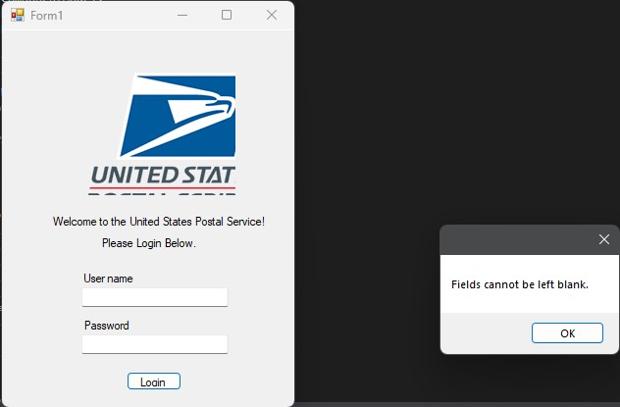
Screenshots
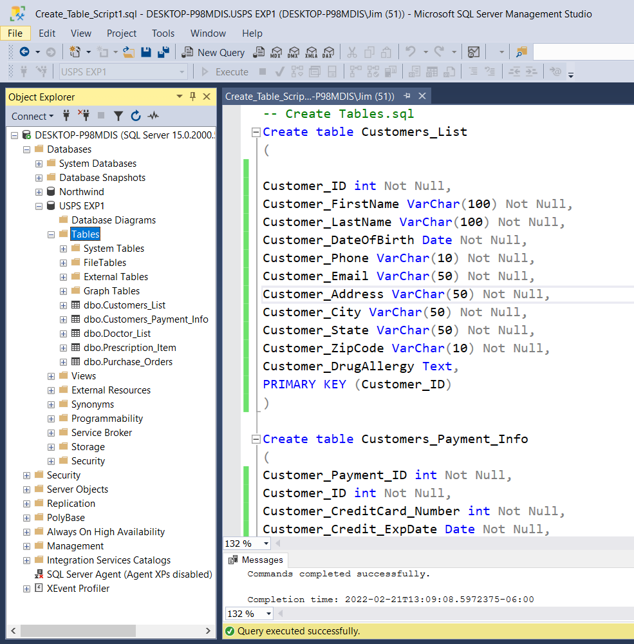
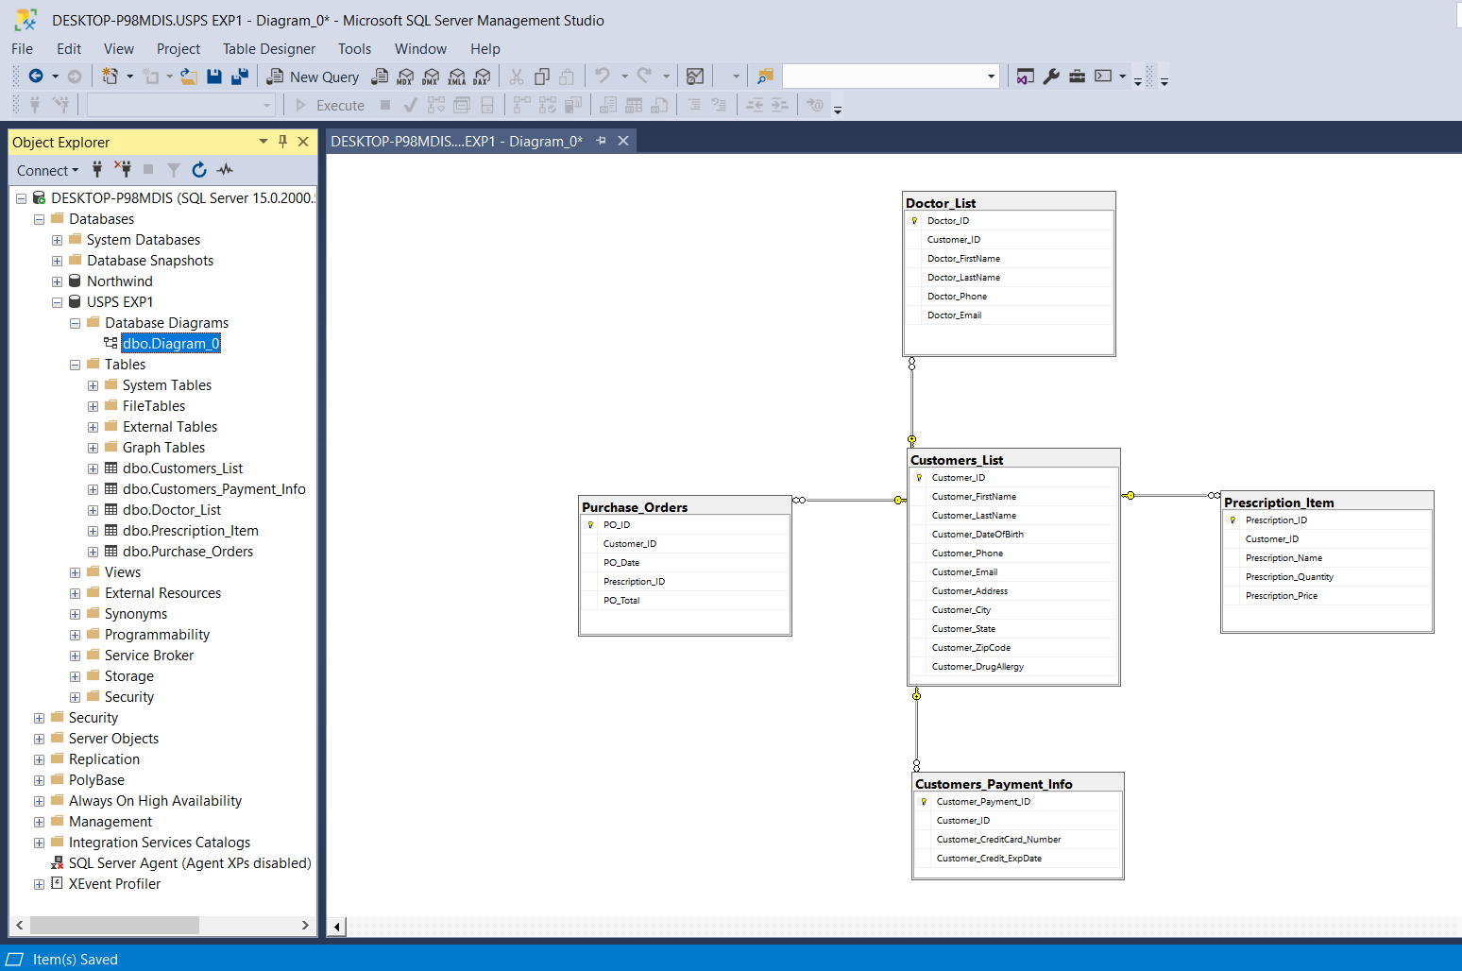
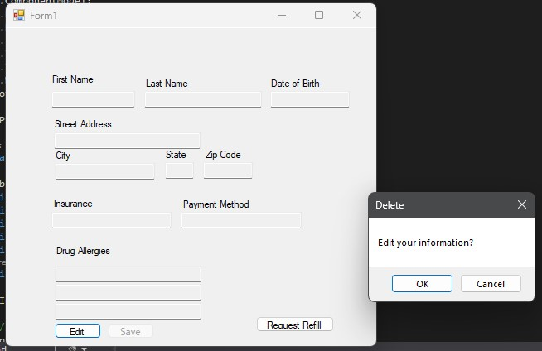

Code
https://github.com/JimSoy/SM-Consultants

