Product Burndown
Time |  | Tasks
Day | Date | Planned | Actual
Wed | 2022-02-16 | 36 | 36
Thur | 2022-02-17 | 29 | 33
Product BurnDown Chart
Fri | 2022-02-18 | 29 | 31
Sat | 2022-02-19 | 29 | 30
Sun | 2022-02-20 | 28 | 26
Mon | 2022-02-21 | 27 | 25
Tues | 2022-02-22 | 26 | 25
Wed | 2022-02-23 | 26 | 24
Thur | 2022-02-24 | 24 | 24
Fri | 2022-02-25 | 21 | 22
Sat | 2022-02-26 | 20 | 20
Sun | 2022-02-27 | 19 | 18
Mon | 2022-02-28 | 18 | 17
Tues | 2022-03-01 | 18 | 16
Wed | 2022-03-02 | 26 | 24
Thur | 2022-03-03 | 25 | 23
Fri | 2022-03-04 | 20 | 18
Sat | 2022-03-05 | 16 | 15
Sun | 2022-03-06 | 15 | 13
Mon | 2022-03-07 | 15 | 13
Tues | 2022-03-08 | 15 | 13
Wed | 2022-03-09 | 15 | 13
Thur | 2022-03-10 | 15 | 13
Fri | 2022-03-11 | 14 | 12
Sat | 2022-03-12 | 12 | 10
Sun | 2022-03-13 | 10 | 8
Mon | 2022-03-14 | 10 | 8
Tues | 2022-03-15 | 10 | 8
Wed | 2022-03-16 | 10
Thur | 2022-03-17 | 10
Fri | 2022-03-18 | 10
Sat | 2022-03-19 | 10
Sun | 2022-03-20 | 9
Mon | 2022-03-21 | 8
Tues | 2022-03-22 | 7
Wed | 2022-03-23 | 6
Thur | 2022-03-24 | 5
Fri | 2022-03-25 | 4
Sat | 2022-03-26 | 3
Sun | 2022-03-27 | 2
Mon | 2022-03-28 | 2
Tues | 2022-03-29 | 2
Wed | 2022-03-30 | 2
Thur | 2022-03-31 | 2
Fri | 2022-04-01 | 1
Sat | 2022-04-02 | 1
Sun | 2022-04-03 | 1
Mon | 2022-04-04 | 1
Tues | 2022-04-05 | 0

Sprint 1 Burndown
Burndown Chart
Time |  | Tasks |  |  |  |  | Jim Planned | Jim Daily | Sara Planned | Sara Daily | Adrian Planned | Adrian Daily | Team Planned | Team Daily
Day | Date | Planned | Actual |  |  | Total
Wed | 2022-02-17 | 19 | 19 |  |  | Wed | 8 | 0 | 5 | 0 | 6 | 0 | 19 | 0
Thurs | 2022-02-18 | 19 | 16 |  |  | Thu | 8 | 0 | 5 | 2 | 6 | 1 | 19 | 3
Fri | 2022-02-19 | 16 | 14 |  |  | Fri | 8 | 2 | 3 | 0 | 5 | 0 | 16 | 2
Sat | 2022-02-20 | 14 | 13 |  |  | Sat | 6 | 1 | 3 | 0 | 5 | 0 | 14 | 1
Sun | 2022-02-21 | 13 | 9 |  |  | Sun | 5 | 2 | 3 | 1 | 5 | 1 | 13 | 4
Mon | 2022-02-22 | 9 | 8 |  |  | Mon | 3 | 0 | 2 | 0 | 4 | 1 | 9 | 1
Tues | 2022-02-23 | 8 | 8 |  |  | Tue | 3 | 0 | 2 | 0 | 3 | 0 | 8 | 0
Wed | 2022-02-24 | 8 | 8 |  |  | Wed | 3 | 0 | 2 | 0 | 3 | 0 | 8 | 0
Thurs | 2022-02-25 | 8 | 6 |  |  | Thu | 3 | 0 | 2 | 0 | 3 | 2 | 8 | 2
Fri | 2022-02-26 | 4 | 4 |  |  | Fri | 2 | 1 | 1 | 1 | 1 | 0 | 4 | 2
Sat | 2022-02-27 | 2 | 2 |  |  | Sat | 1 | 1 | 0 | 1 | 1 | 0 | 2 | 2
Sun | 2022-02-28 | 1 | 1 |  |  | Sun | 0 | 1 | 0 | 0 | 1 | 0 | 1 | 1
Mon | 2022-03-01 | 1 | 1 |  |  | Mon | 0 | 0 | 0 | 0 | 1 | 1 | 1 | 1
Tues | 2022-03-02 | 0 | 0 |  |  | Tue | 0 | 0 | 0 | 0 | 0 | 0 | 0 | 0

Mid-Sprint
 |  | Planned | Actual | TODO | %
Velocity: |  | 19 | 19 | 0 | 100.00%

Testing
3 tasks fully tested and passed.

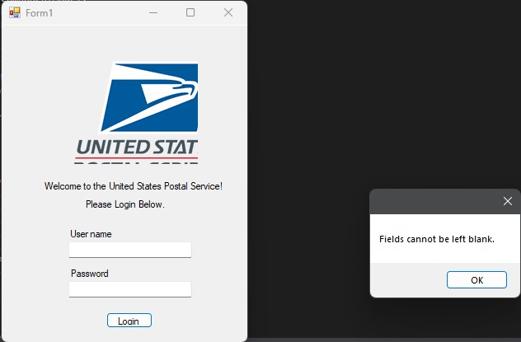
Screenshots
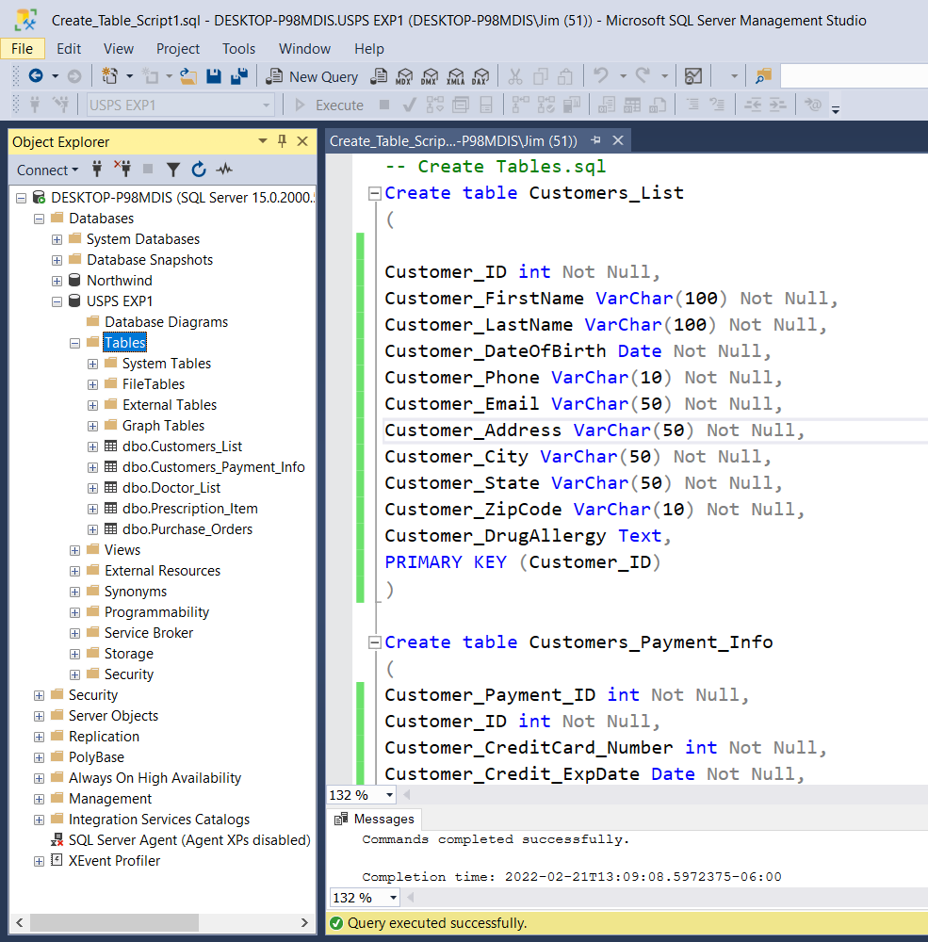
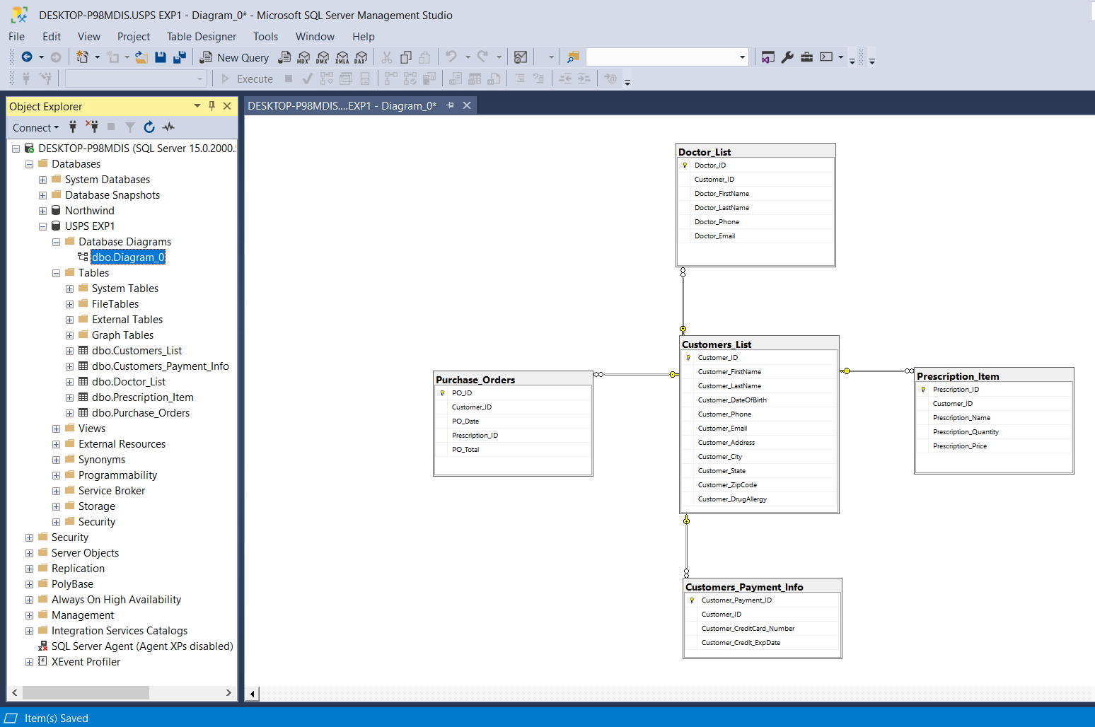
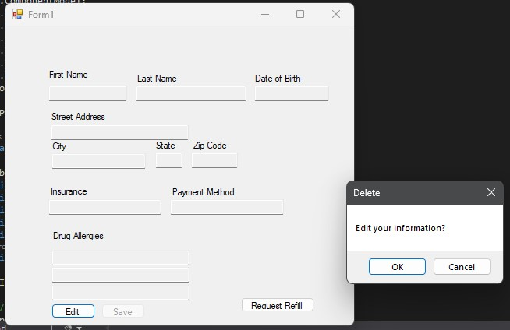

Code
https://github.com/JimSoy/SM-Consultants

Sprint 1 Demo
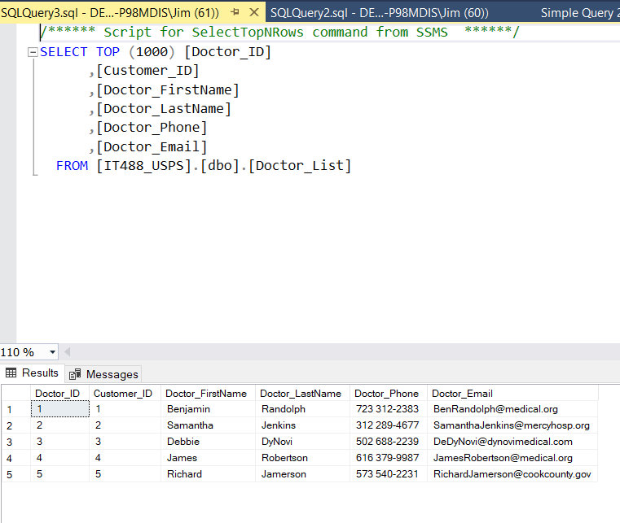
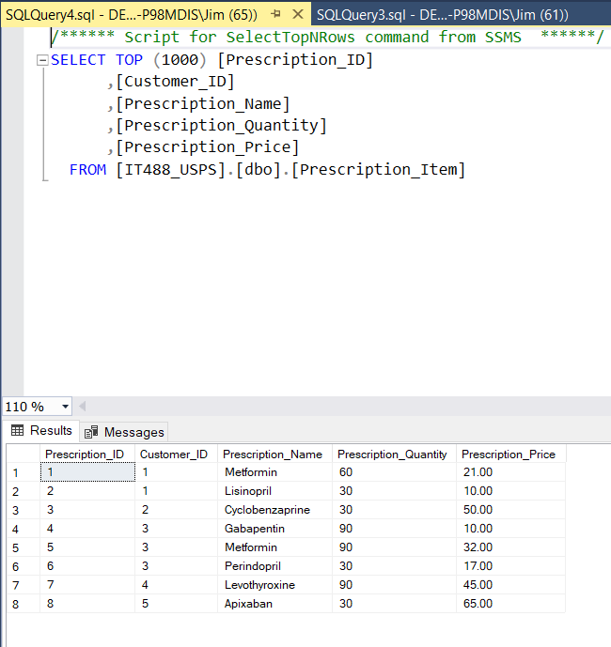
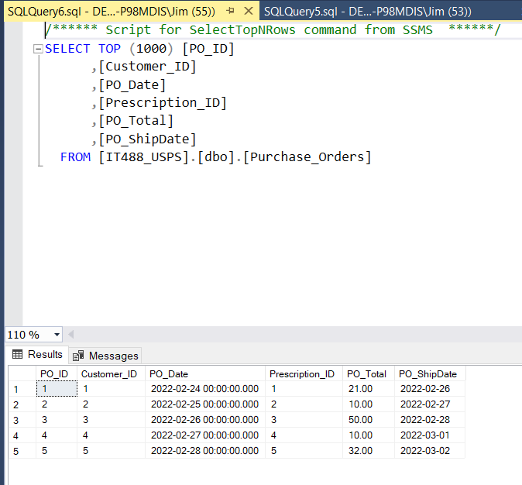
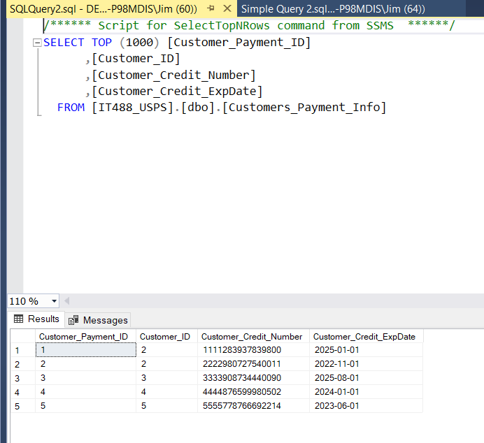
Task | By | Accepted | Notes
Create Database Model | Jim | Yes
Create a relational database | Jim | Yes
Validate data input | Jim | Yes
Ensure Primary keys are present | Jim | Yes
Ensure Forgein keys are present | Jim | Yes
Enter customer data | Jim | Yes
Enter prescription data | Jim | Yes
Enter doctor contact information | Jim | Yes
Create connection string | Adrian | Yes
Create Login Page | Sara | Yes
Verify username and Password | Adrian | Yes
Create Customer form for data entry | Sara | Yes
Create textboxes for each data field | Sara | Yes
Create save function to insert user data | Adrian | Yes
Create save button in UI | Sara | Yes
Create edit function to update data | Adrian | Yes
Create edit button in UI | Sara | Yes
Create logout function | Adrian | Yes | Added after mid-sprint
Create logout button in UI | Adrian | Yes | Added after mid-sprint

Sprint 1 Review
Done | Updated | Notes
2022-03-01 | Product backlog updated for new design concepts | None
 | PO satisifed with demo and sprint 1 | None
Changes for next sprint |  |  |  |  | Remarks
1 | The DOB field has the time in it for some reason. I'm not sure if that's a C# issue or a SQL issue, but it looks silly and is causing some problems code-wise. |  |  |  | Changes will be made
2 | We need phone and email textboxes for panel 2 (general user panel). We have them in panel 3, but not 2. |  |  |  | Changes will be made
3 | The extra resources in the repo need to be deleted because they're causing conflicts when I pull from the repo. The form doesn't know which file to use sometimes. They are the form1.cs, form1.designer.cs, and form1.resx and were added when we were figuring out Sara's merge. I have all that in the code now, so no data will be lost |  |  |  | Deleted Screenshot
4 | We have 1 allergy field in the database, but three in the UI. I think we need to decide whether to add more to the database or have just one large text area for the allergy field in the UI |  |  |  | I used one large text field to list allergies. I thought that was easier than multiple
5 | We need to decide for sure how we're going to handle customer lookup. I know it's more work on the db, but I think the easiest option for cleaner code would be to have another column for username in Customers_List. Right now, just to test the code I have it so that I'm looking it up by customer ID, but that could get quite tedious keeping track of which IDs are administrative, etc. |  |  |  | I can add username. I am also thinking of combining name into one bx instead of separate boxes for first and last name. The reason for this is when searching for customer names, you just need to list one column instead of two as it is now
6 | Do you think we need a 4th panel for the customer refill options? Because I'm not quite sure how we're going to handle that at the moment. |  |  |  | can make a 4th panel, will it be easier for you adrian? logically, it could work. Customers would need to input their data first before submitting a refill request.
7 | Sara - if you get bored, you should mess around with the color scheme of the form to set it apart from generic forms. Not terribly important, but it makes it prettier to look at |  |  |  | if only I had the time to be bored xD but yes I will set some time on the side to look into color schemes and such.
Velocity
End-Sprint

Sprint velocity consisted of 19 tasks assigned and 19 tasks completed. No adjustments needed. |  |  | Tasks Assigned | Tasks Completed
 |  |  | 19 | 19

Testing Strategy

All 19 tasks passed testing.

Screenshots
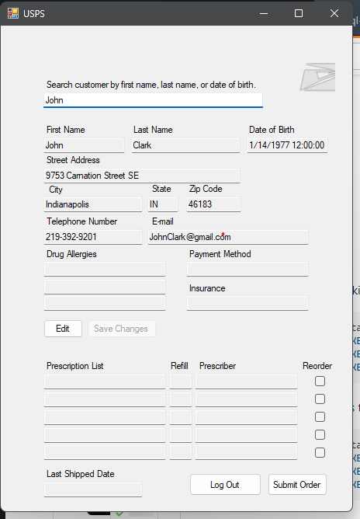

Code
https://github.com/JimSoy/SM-Consultants

Sprint 2 Burndown
Burndown Chart
Time |  | Tasks |  |  |  |  |  |  | Jim Planned | Jim Daily | Sara Planned | Sara Daily | Adrian Planned | Adrian Daily | Team Planned | Team Daily
Day | Date | Planned | Actual |  |  |  |  | Total
Wed | 2022-03-02 | 16 | 16 |  |  |  |  | Wed | 8 | 0 | 5 | 0 | 3 | 0 | 16 | 0
Thurs | 2022-03-03 | 16 | 15 |  |  |  |  | Thu | 8 | 0 | 5 | 0 | 3 | 1 | 16 | 1
Fri | 2022-03-04 | 15 | 10 |  |  |  |  | Fri | 8 | 3 | 5 | 2 | 2 | 0 | 15 | 5
Sat | 2022-03-05 | 10 | 7 |  |  |  |  | Sat | 5 | 2 | 3 | 0 | 2 | 1 | 10 | 3
Sun | 2022-03-06 | 7 | 5 |  |  |  |  | Sun | 3 | 0 | 3 | 2 | 1 | 0 | 7 | 2
Mon | 2022-03-07 | 5 | 5 |  |  |  |  | Mon | 3 | 0 | 1 | 0 | 1 | 0 | 5 | 0
Tues | 2022-03-08 | 5 | 5 |  |  |  |  | Tue | 3 | 0 | 1 | 0 | 1 | 0 | 5 | 0
Wed | 2022-03-09 | 5 | 5 |  |  |  |  | Wed | 3 | 0 | 1 | 0 | 1 | 0 | 5 | 0
Thurs | 2022-03-10 | 5 | 5 |  |  |  |  | Thu | 3 | 0 | 1 | 0 | 1 | 0 | 5 | 0
Fri | 2022-03-11 | 5 | 4 |  |  |  |  | Fri | 3 | 0 | 1 | 0 | 1 | 1 | 5 | 1
Sat | 2022-03-12 | 4 | 2 |  |  |  |  | Sat | 3 | 2 | 1 | 0 | 0 | 0 | 4 | 2
Sun | 2022-03-13 | 2 | 2 |  |  |  |  | Sun | 1 | 1 | 1 | 1 | 0 | 0 | 2 | 2
Mon | 2022-03-14 | 0 | 0 |  |  |  |  | Mon | 0 | 0 | 0 | 0 | 0 | 0 | 0 | 0
Tues | 2022-03-15 | 0 | 0 |  |  |  |  | Tue | 0 | 0 | 0 | 0 | 0 | 0 | 0 | 0

Mid-Sprint |  |  |  |  |  | Demo Video:
 |  | Planned | Actual | TODO | %
Velocity: |  | 16 | 16 | 0 | 100.00%

Testing
3 test on database completed
3 test on form validation completed
Screenshots
 |  |  |  |  |  |  | Sprint 2 Demo Video
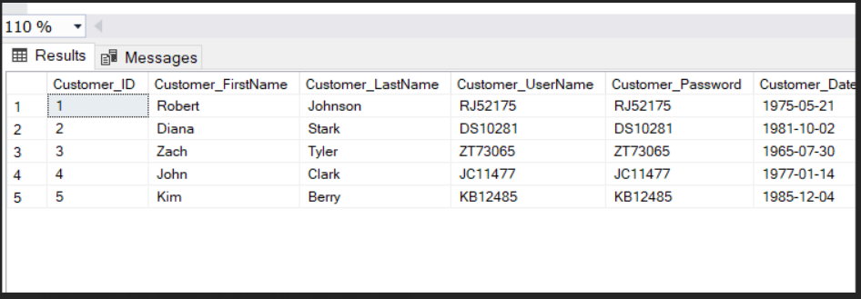
 |  |  |  |  |  |  | https://youtu.be/oKUQP-lwgm4

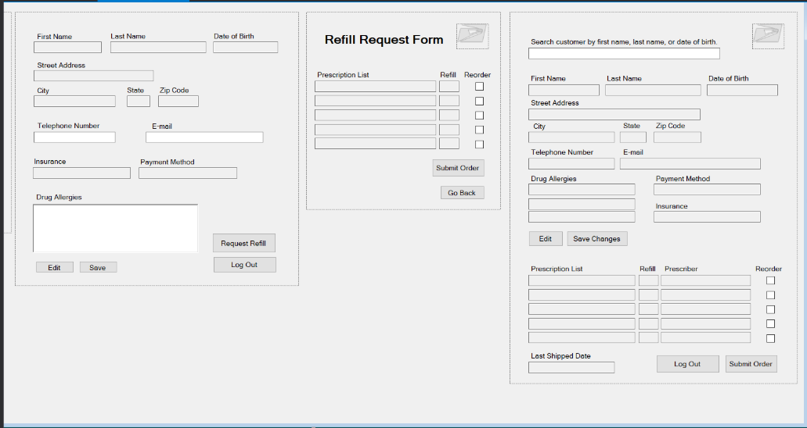

Code
https://github.com/JimSoy/SM-Consultants

Sprint 2 Review
Done | Updated | Notes
2022-03-14 | All Good
Velocity
Changes Requested
Panel 2, 4, 5
 | -Change payment method to Credit Card Number
 | -add expiration date
panel 1
 | -add checkbox for new user

End-Sprint

Sprint velocity consisted of 16 tasks assigned and 16 tasks completed. No adjustments needed. |  |  | Tasks Assigned | Tasks Completed
 |  |  | 16 | 16

Testing Strategy

All 16 tasks passed testing.

Screenshots

See Demo Video in Demo Tab

Code
https://github.com/JimSoy/SM-Consultants

Sprint 3 Burndown
Burndown Chart
 | Planned | Actual
 | 14 | 11
 | 11 | 11
 | 11 | 10
 | 10 | 8
 | 7 | 6
 | 6 | 6
 | 6 | 6
 | 0
 | 0
 | 0
 | 0
 | 0
 | 0
 | 0
Time |  | Tasks |  |  |  |  |  |  | Jim Planned | Jim Daily | Sara Planned | Sara Daily | Adrian Planned | Adrian Daily | Team Planned | Team Daily
Day | Date | Planned | Actual |  |  |  |  | Total
Wed | 2022-03-16 | 14 | 11 |  |  |  |  | Wed | 3 | 0 | 4 | 0 | 7 | 3 | 14 | 3
Thurs | 2022-03-17 | 11 | 11 |  |  |  |  | Thu | 3 | 0 | 4 | 0 | 4 | 0 | 11 | 0
Fri | 2022-03-18 | 11 | 10 |  |  |  |  | Fri | 3 | 0 | 4 | 1 | 4 | 0 | 11 | 1
Sat | 2022-03-19 | 10 | 8 |  |  |  |  | Sat | 3 | 2 | 3 | 0 | 4 | 0 | 10 | 2
Sun | 2022-03-20 | 7 | 6 |  |  |  |  | Sun | 1 | 0 | 2 | 2 | 4 | 0 | 7 | 2
Mon | 2022-03-21 | 6 | 6 |  |  |  |  | Mon | 1 | 0 | 1 | 0 | 4 | 0 | 6 | 0
Tues | 2022-03-22 | 6 | 6 |  |  |  |  | Tue | 1 | 0 | 1 | 0 | 4 | 0 | 6 | 0
Wed | 2022-03-23 | 0 |  |  |  |  |  | Wed | 0 | 0 | 0 | 0 | 0 | 0 | 0 | 0
Thurs | 2022-03-24 | 0 |  |  |  |  |  | Thu | 0 | 0 | 0 | 0 | 0 | 0 | 0 | 0
Fri | 2022-03-25 | 0 |  |  |  |  |  | Fri | 0 | 0 | 0 | 0 | 0 | 0 | 0 | 0
Sat | 2022-03-26 | 0 |  |  |  |  |  | Sat | 0 | 0 | 0 | 0 | 0 | 0 | 0 | 0
Sun | 2022-03-27 | 0 |  |  |  |  |  | Sun | 0 | 0 | 0 | 0 | 0 | 0 | 0 | 0
Mon | 2022-03-28 | 0 |  |  |  |  |  | Mon | 0 | 0 | 0 | 0 | 0 | 0 | 0 | 0
Tues | 2022-03-29 | 0 |  |  |  |  |  | Tue | 0 | 0 | 0 | 0 | 0 | 0 | 0 | 0

Mid-Sprint |  |  |  |  |  |  | Demo Video:
 |  | Planned | Actual | TODO | %
Velocity: |  | 17 | 8 | 9 | 47.06% | Remaining 6 to be finished by end of sprint

Testing
3 test on database completed
3 test on form validation completed
Screenshots

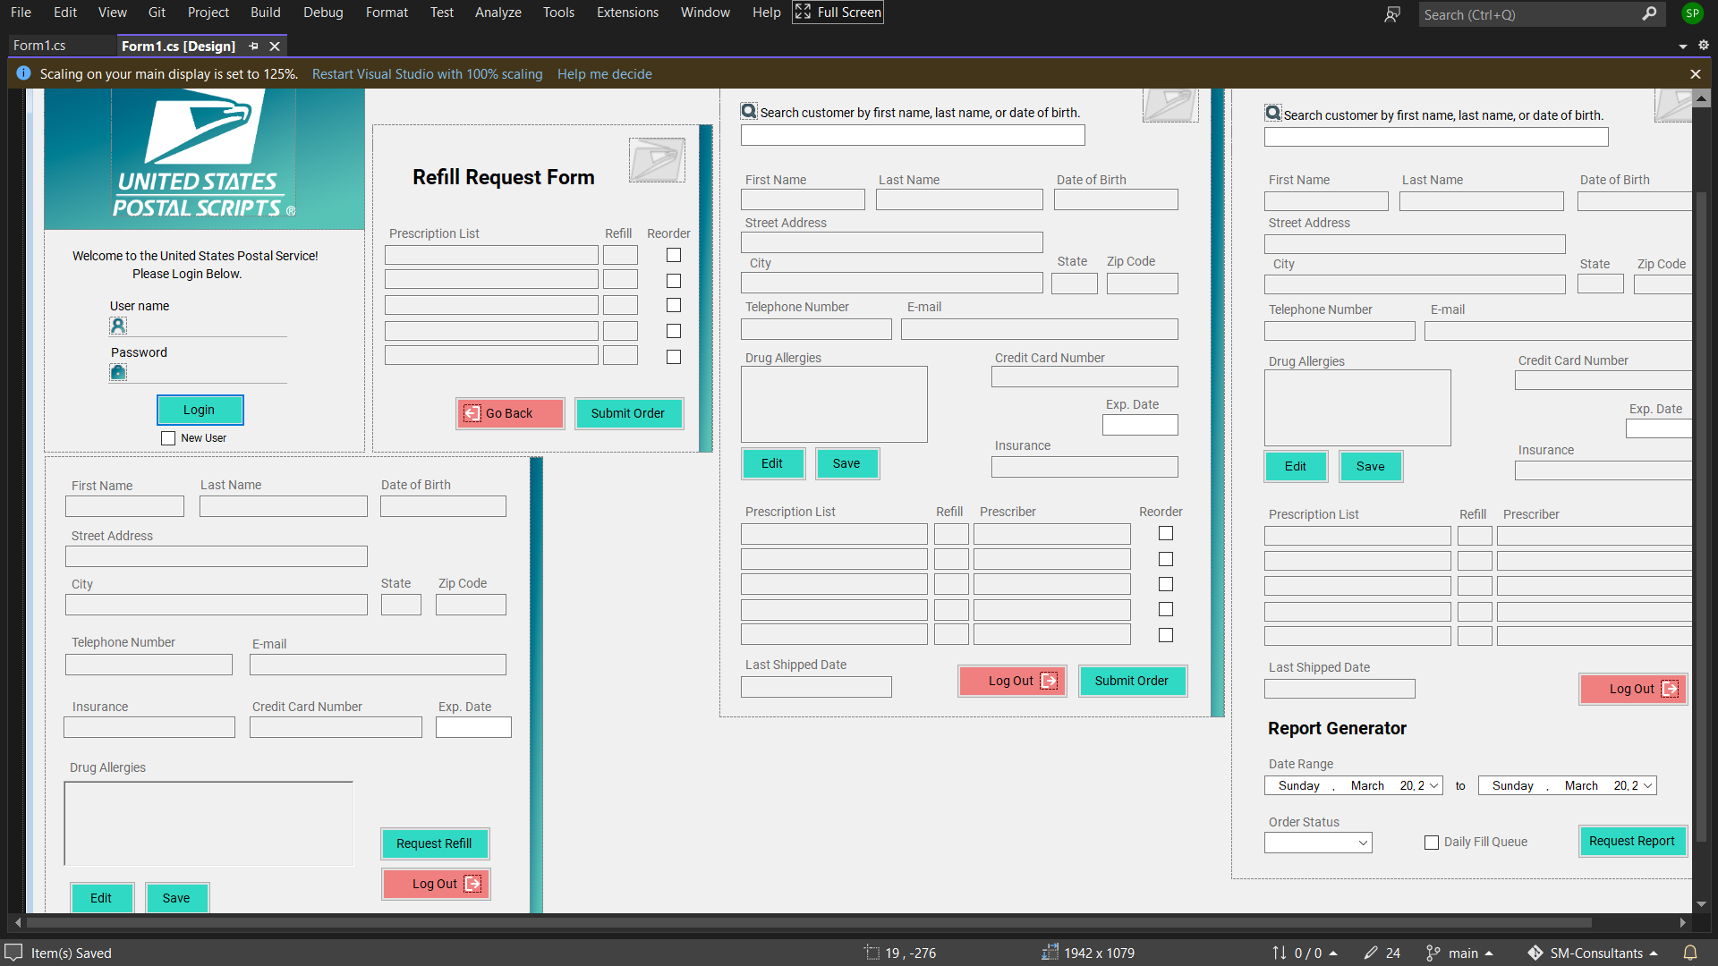

Code
https://github.com/JimSoy/SM-Consultants

