controlability_data
Item | Value | Units | Source | Description
C_m_ac |  |  |  | moment around aerodynamic centre
A_h | 16967.056539 | [-] | lecture 8
C_L_h | -8.9936682966 | [-] | lecture 8
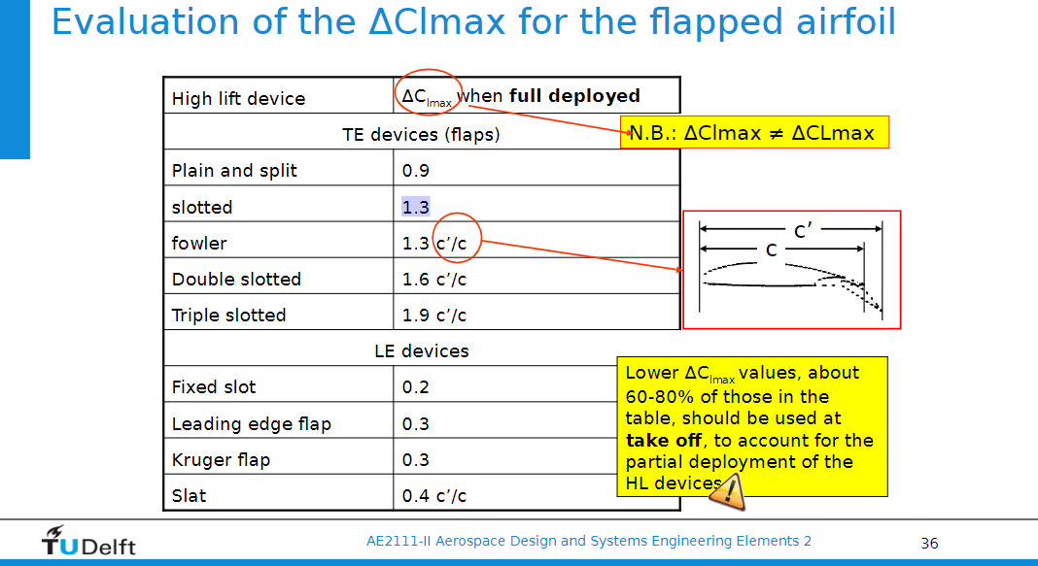
C_L_A-h
SM |  |  |  | stability margin
C_m_ac_w
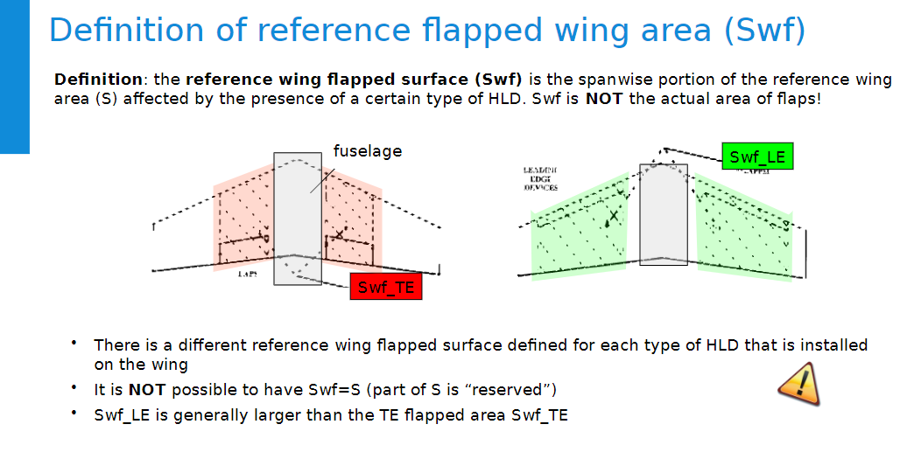
C_m-0-airfoil | -0.14 | [-] | http://airfoiltools.com/airfoil/details?airfoil=nasasc2-0714-il#polars
Re_approach | 1.85E+07 | [-]
Re_stall | 1.42E+07 | [-]
V_approach | 64.819999944 | m/s
V_stall | 49.861538418 | m/s
M_approach | 0.1904998983 | [-]
M_stall | 0.14653838331 | [-]
a | 340.26264855 | m/s
T | 288.15 | K
R | 287 | ?
gamma | 1.4 | [-]
c_bar | 3.402 | m/s
rho | 1.225 | kg/m^3
mu | 0.0000146 | m^2/s |  | kinematic viscocity
C_L_alpha-0 | python |  |  | the lift coefficient of the flapped wing at zero angle of attack
Swf_TE | 47.3 | m^2 |  | wing area of trailing edge flaps
Swf_LE | 63.5 | m^2 |  | wing area of leading edge flaps
delta_Clmax_TE | 1.3 | [-] | slide 36 2nd year ADSEE | slotted simple flap
delta_CLmax_LE | 0.3 | [-] | slide 36 2nd year ADSEE | LE flap
delta_alpha0l_airfoil | -15 | deg | slide 38 2nd year ADSEE
sweep | 0.46949356879 | rad |  | sweep of hinge line (same as c/4 sweep (estimate))
S | 77.39 | m^2
alpha_L=0 | -4.9 | deg | http://airfoiltools.com/airfoil/details?airfoil=nasasc2-0714-il#polars
eta | 0.95 | [-] | slides
A | 8.8495787569 | [-]
beta_stall | 0.98920498493 | [-]

