Tabelle1
Version | NUM_EPOCHS | LEARNING_RATE | BATCH_SIZE | ANZAHL DATEN | ANZAHL TRAIN_DATA | ANZAHL VAL DATA | MODEL | LOSS CRITERION | OPTIMIZER | ACCURACY TRAIN | ACCURACY VAL | ACCURACY | LOSS | CONFUSION MATRIX | Trainingszeit pro Epoche ca.
01 | 5 | 0.0001 | 12 | 25,000 | 20,000 | 5,000 | VGG16 | CrossEntropy | Adam | 93.92% | 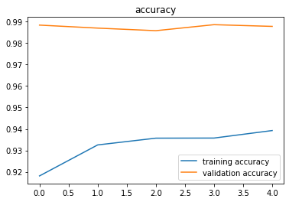 98.78% |  | 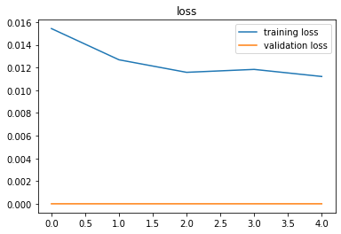 | 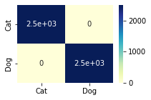 | 0:04:40
02 | 5 | 0.0001 | 50 | 25,000 | 20,000 | 5,000 | VGG16 | CrossEntropy | Adam | 94.34% | 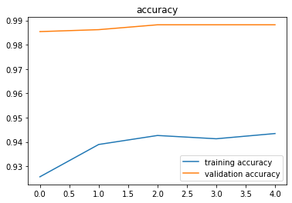 98.82% |  | 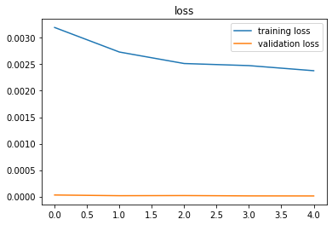 | 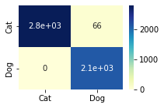 | 0:04:20
03 | 5 | 0.0001 | 100 | 25,000 | 20,000 | 5,000 | VGG16 | CrossEntropy | Adam | 94.44% | 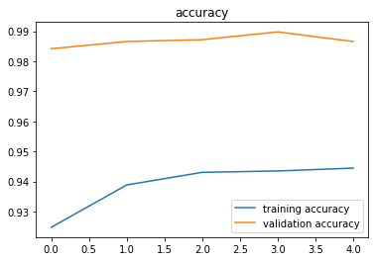 98.66% |  | 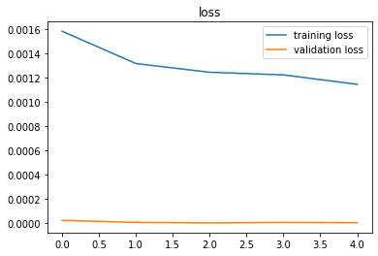 | 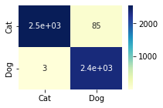 | 0:03:45
04 | 5 | 0.0001 | 70 | 25,000 | 20,000 | 5,000 | VGG16 | CrossEntropy | Adam | 94.47% | 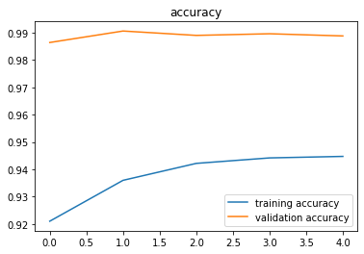 98.88% |  | 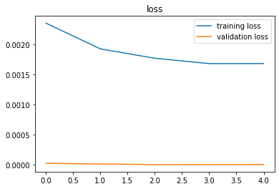 | 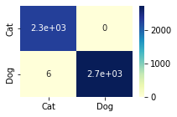 | 0:03:50
05 | 5 | 0.001 | 70 | 25,000 | 20,000 | 5,000 | VGG16 | CrossEntropy | Adam | 93.32% | 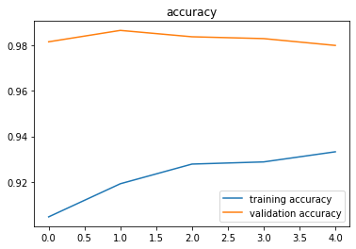 98.00% |  | 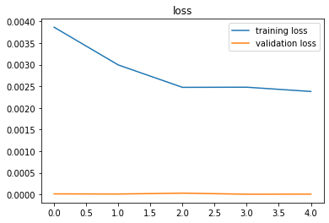 | 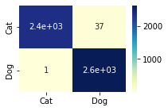 | 0:04:10
06 | 5 | 0.0001 | 70 | 25,000 | 20,000 | 5,000 | alexnet | CrossEntropy | Adam | 89.58% | 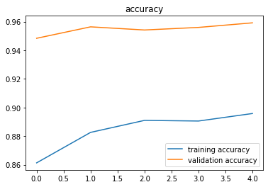 95.92% |  | 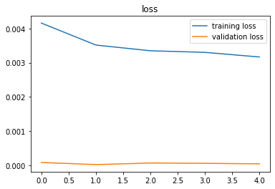 | 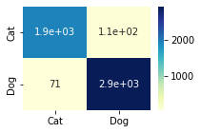 | 0:03:00
07 | 5 | 0.0001 | 70 | 25,000 | 20,000 | 5,000 | ResNet18 | CrossEntropy | Adam | 89.65% | 96.54% | 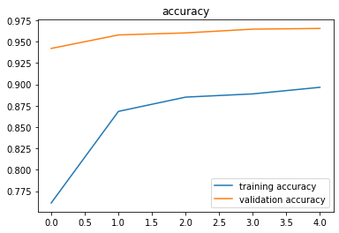 | 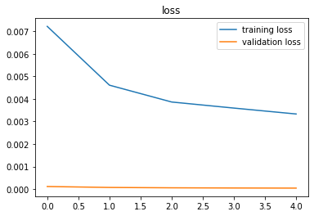 |  | 0:03:15
08 | 5 | 0.0001 | 70 | 25,000 | 20,000 | 5,000 | ResNet18 | CrossEntropy | SGD momentum 0.9 | 89.30% | 97.38% | XX | 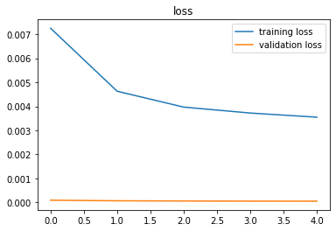 | 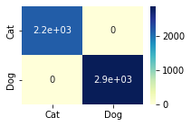 | 0:02:51
09 | 5 | 0.0001 | 70 | 25,000 | 20,000 | 5,000 | ShuffleNet | CrossEntropy | Adam | 85.10% | 92.66% | 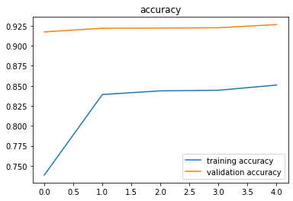 | 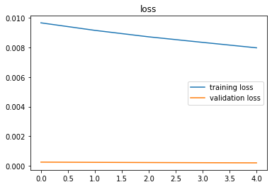 | 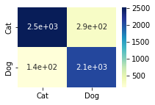 | 0:02:50
10 | 5 | 0.0001 | 70 | 25,000 | 20,000 | 5,000 | GoogleNet | CrossEntropy | Adam | 89.97% | 96.78% | 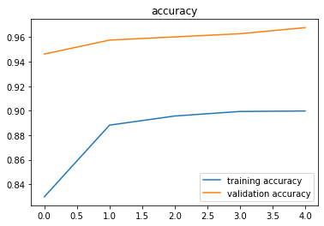 | XX | 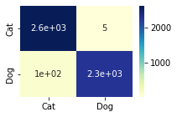 | 0:02:55
11 | 5 | 0.0001 | 70 | 25,000 | 20,000 | 5,000 | VGG16 | CrossEntropy | SGD momentum 0.9 | 91.96% | 98.20% | 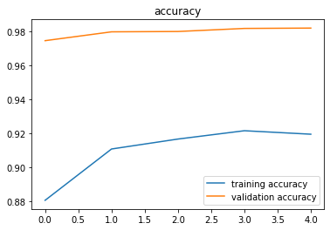 | 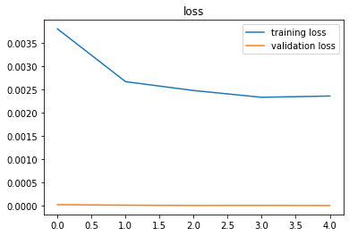 | 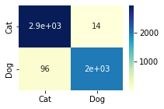 | 0:04:00
12 | 5 | 0.0001 | 70 | 25,000 | 20,000 | 5,000 | VGG16 | TV | Adam
13 | 5 | 0.00001 | 70 | 25,000 | 20,000 | 5,000 | VGG16 | CrossEntropy | Adam | 94.15% | 98.56% | 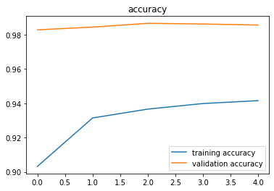 | 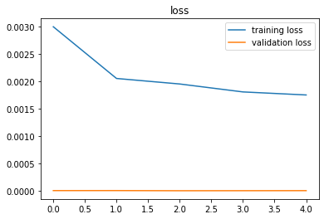 |  | 0:03:46
14 | 10 | 0.0001 | 70 | 25,000 | 20,000 | 5,000 | VGG16 | CrossEntropy | Adam | 95.24% | 98.96% | 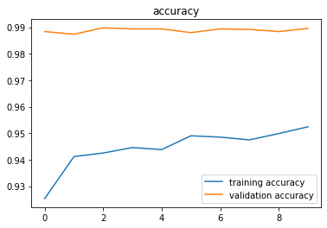 | 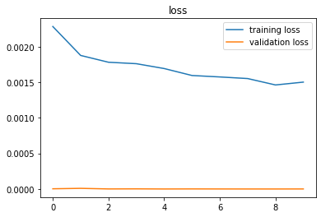 | 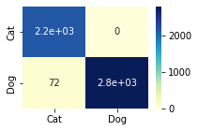 | 0:03:50
15 | 15 | 0.0001 | 70 | 25,000 | 20,000 | 5,000 | VGG16 | CrossEntropy | Adam | 95.78% | 99.04% | 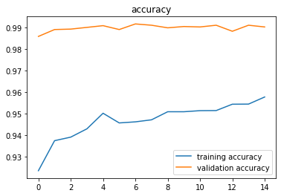 | 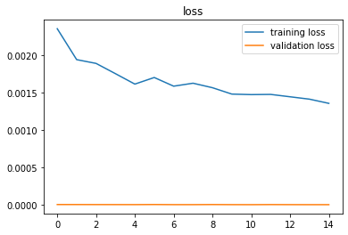 | 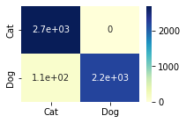 | 0:03:58
16 | 20 | 0.0001 | 70 | 25,000 | 20,000 | 5,000 | VGG16 | CrossEntropy | Adam | 95.65% | 98.78% | 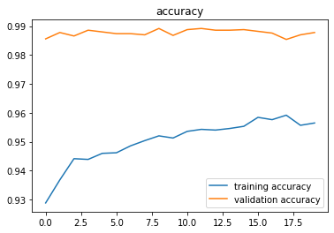 | 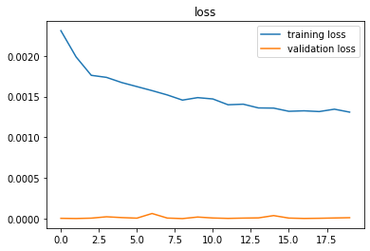 |  | 0:03:50

