Sheet1
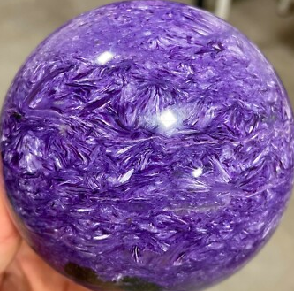

Unpressed | Unpressed
QUIT
REGENERATE
Metal

Goods
Pressed | Unpressed
QUIT
REGENERATE

Food

