Case02
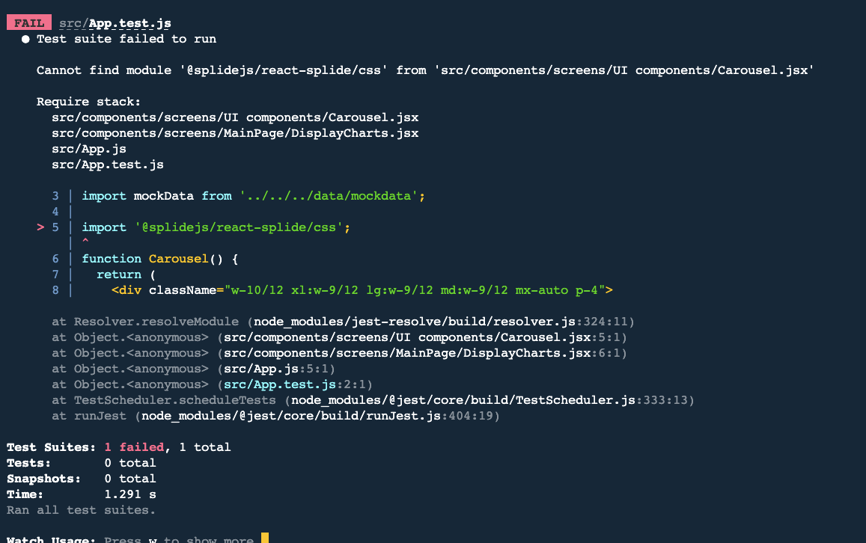
ID: | 1
Name: | Jest encountered an unexpected token
Reporter: | Bao Tran
Date: | 2022-11-21

Summary
URL
Platform | VsCode
Operating system | iOS
Browser
Severity (low/medium/high)
Assigned to:
Priority:

Description : Jest failed to parse a file

Steps to reproduce

Expected result : Pass

Actual result: Fail

Notes: screen shots added

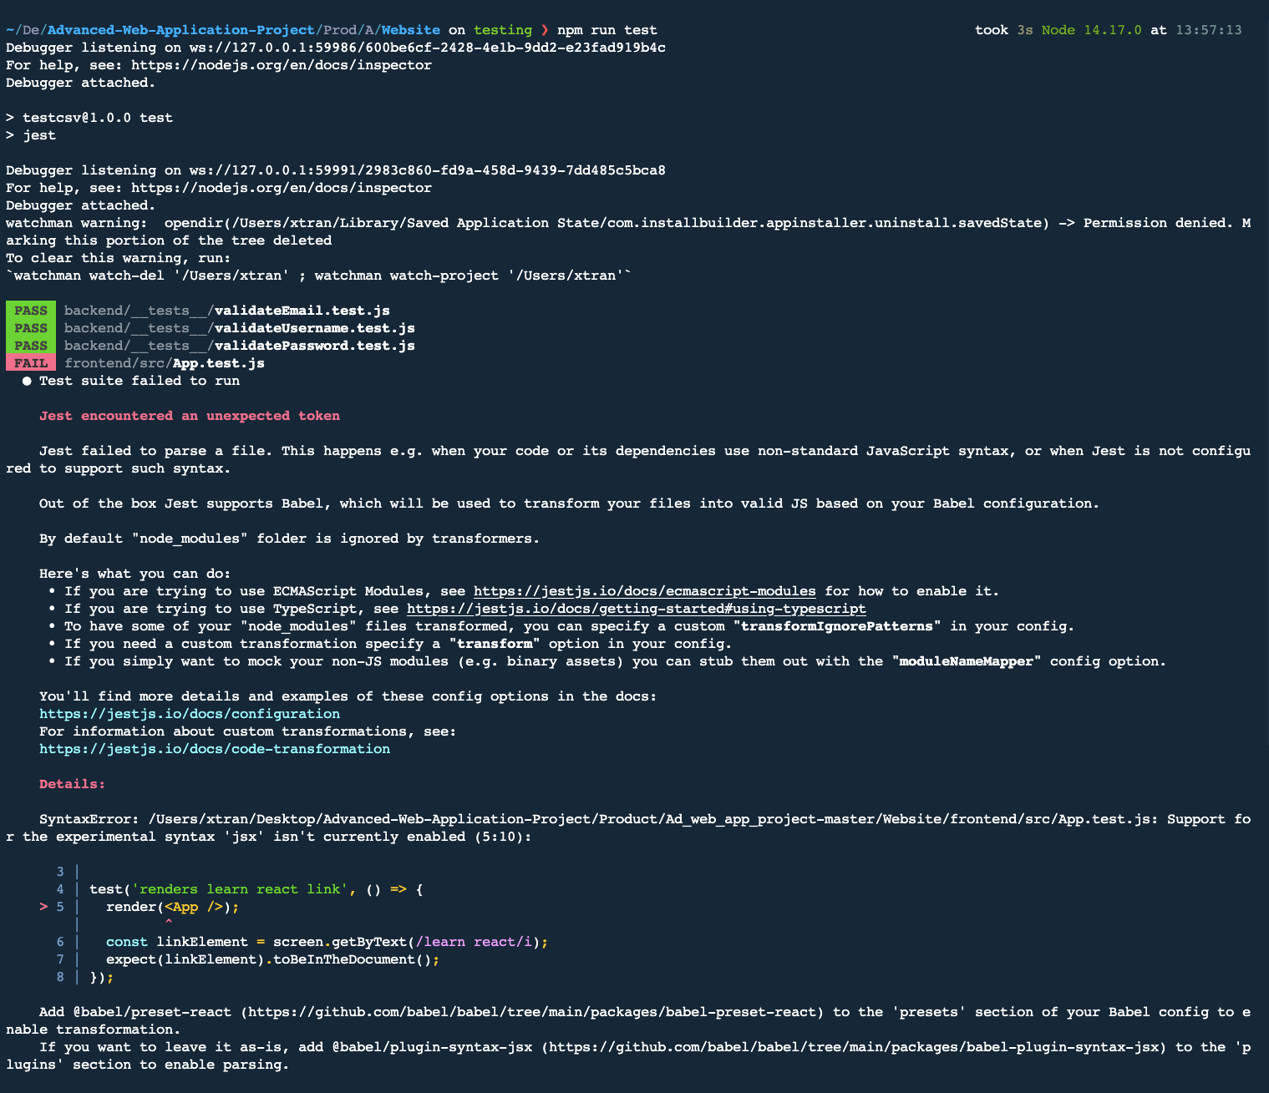

run test from frontend folder.

