TestCase01
Test Case ID: 2.2.1
Test Priority (Low/Medium/High):

Module Name: server , unit testing
Test Title: Password validation
Description: Password should contain at least 8 characters and numbers

Test Designed by: Bao Tran
Test Designed date: 18.11.2022

Test Executed by: Bao Tran

Pre-conditions: Dependencies: jest 29.3.1

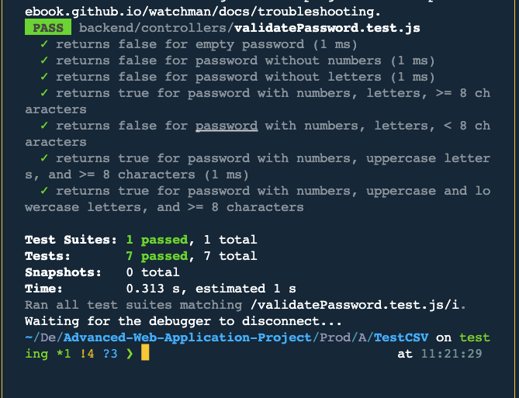
Step | Test Steps | Test Data | Expected Result | Actual Result | Status (pass/fail) | Notes
1
2
3
4
5
6
7
8
9
10

Post-conditions:

test condition |  | passed

TestCase02
Test Case ID: 2.2.2
Test Priority (Low/Medium/High):

Module Name: Email address validation
Test Title: Email Validation
Description: The valid email should contain numbers, letters and @ symbol

Test Designed by: Bao Tran
Test Designed date: 19.11.2022

Test Executed by: Bao Tran
Test Execution date: 19.11.2022

Pre-conditions: Dependencies: jest 29.3.1

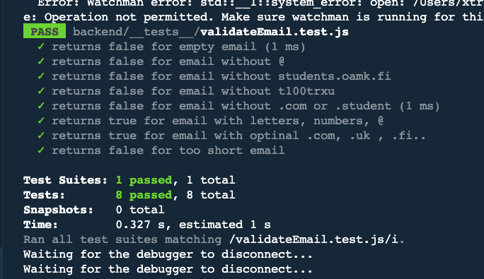
Step | Test Steps | Test Data | Expected Result | Actual Result | Status (pass/fail) | Notes
1
2
3
4
5
6
7
8
9
10

Post-conditions:

post-condition |  | passed

