Case01
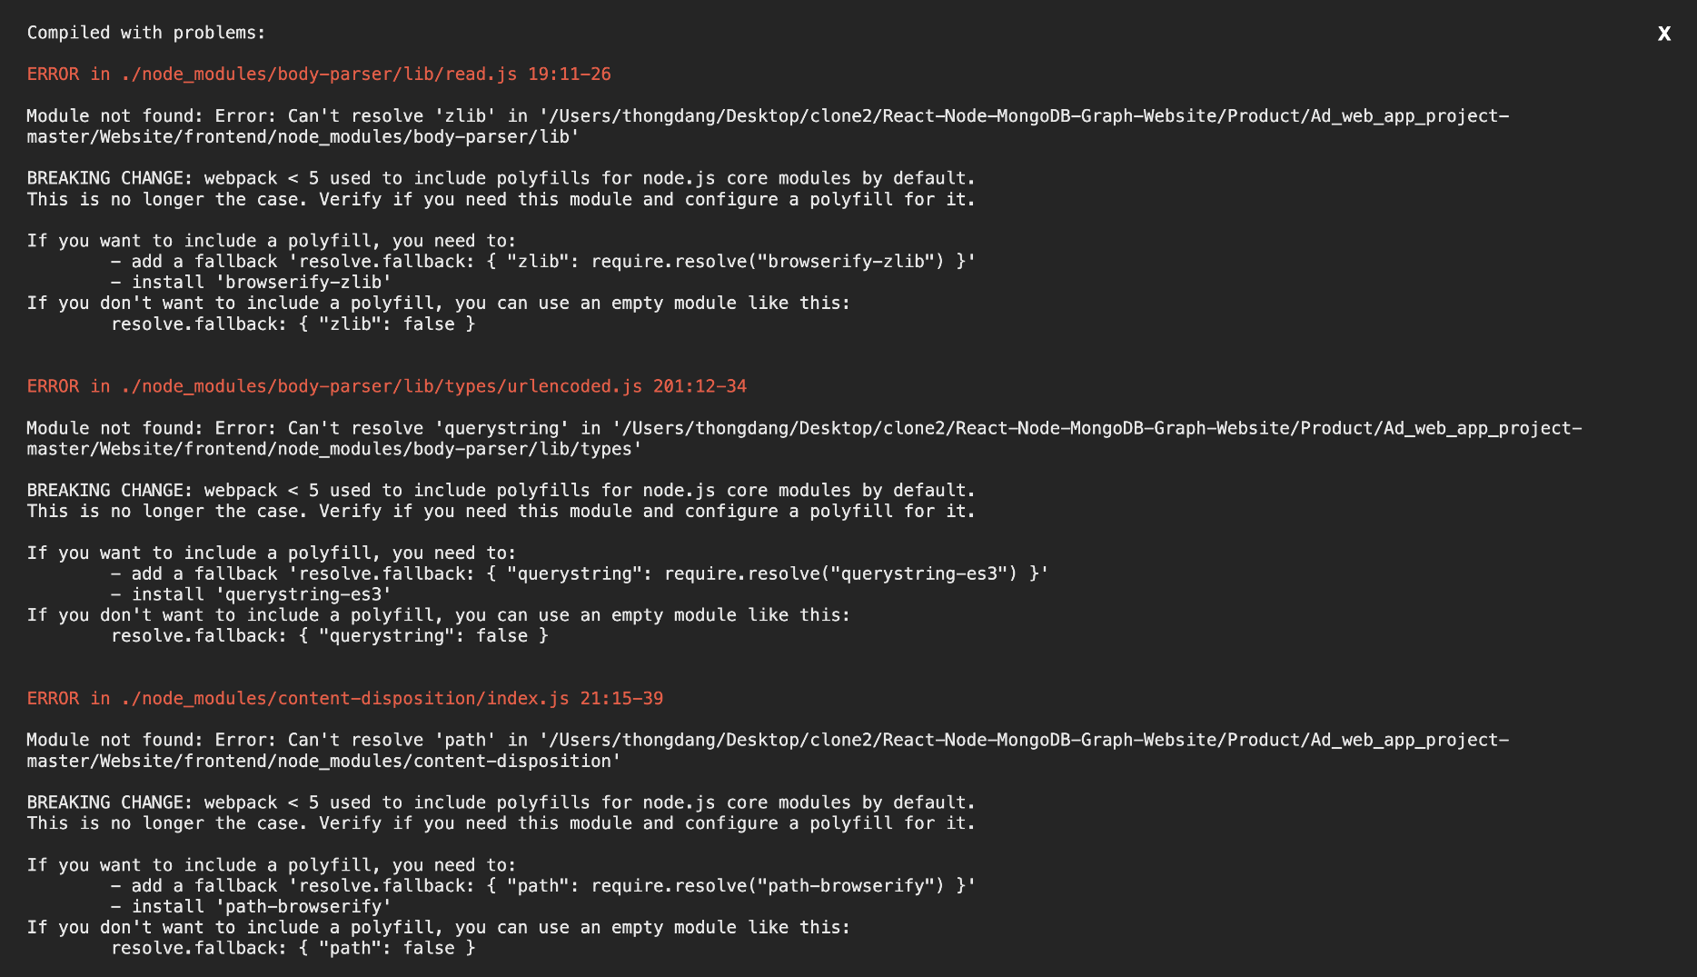
ID:
Name: | Compiled with problems
Reporter: | Thong Dang
Date: | 29.11.2022

Summary
URL
Platform | VsCode
Operating system
Browser
Severity (low/medium/high)
Assigned to:
Priority:

Description: Project failed to compile with errors

Steps to reproduce: npm run dev command

Expected result: Normal run of the project file with npm run dev

Actual result: Run error with missing modules

Notes:

Case02
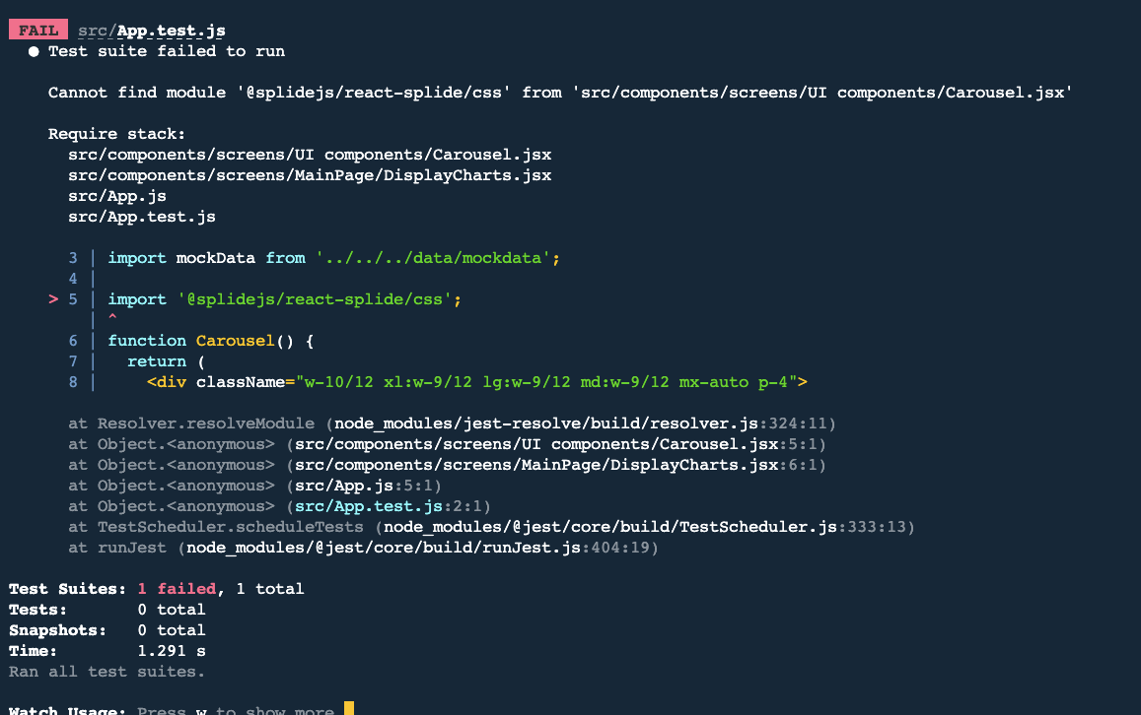
ID: | 1
Name: | Jest encountered an unexpected token
Reporter: | Bao Tran
Date: | 2022-11-21

Summary
URL
Platform | VsCode
Operating system | iOS
Browser
Severity (low/medium/high)
Assigned to:
Priority:

Description : Jest failed to parse a file

Steps to reproduce

Expected result : Pass

Actual result: Fail

Notes: screen shots added

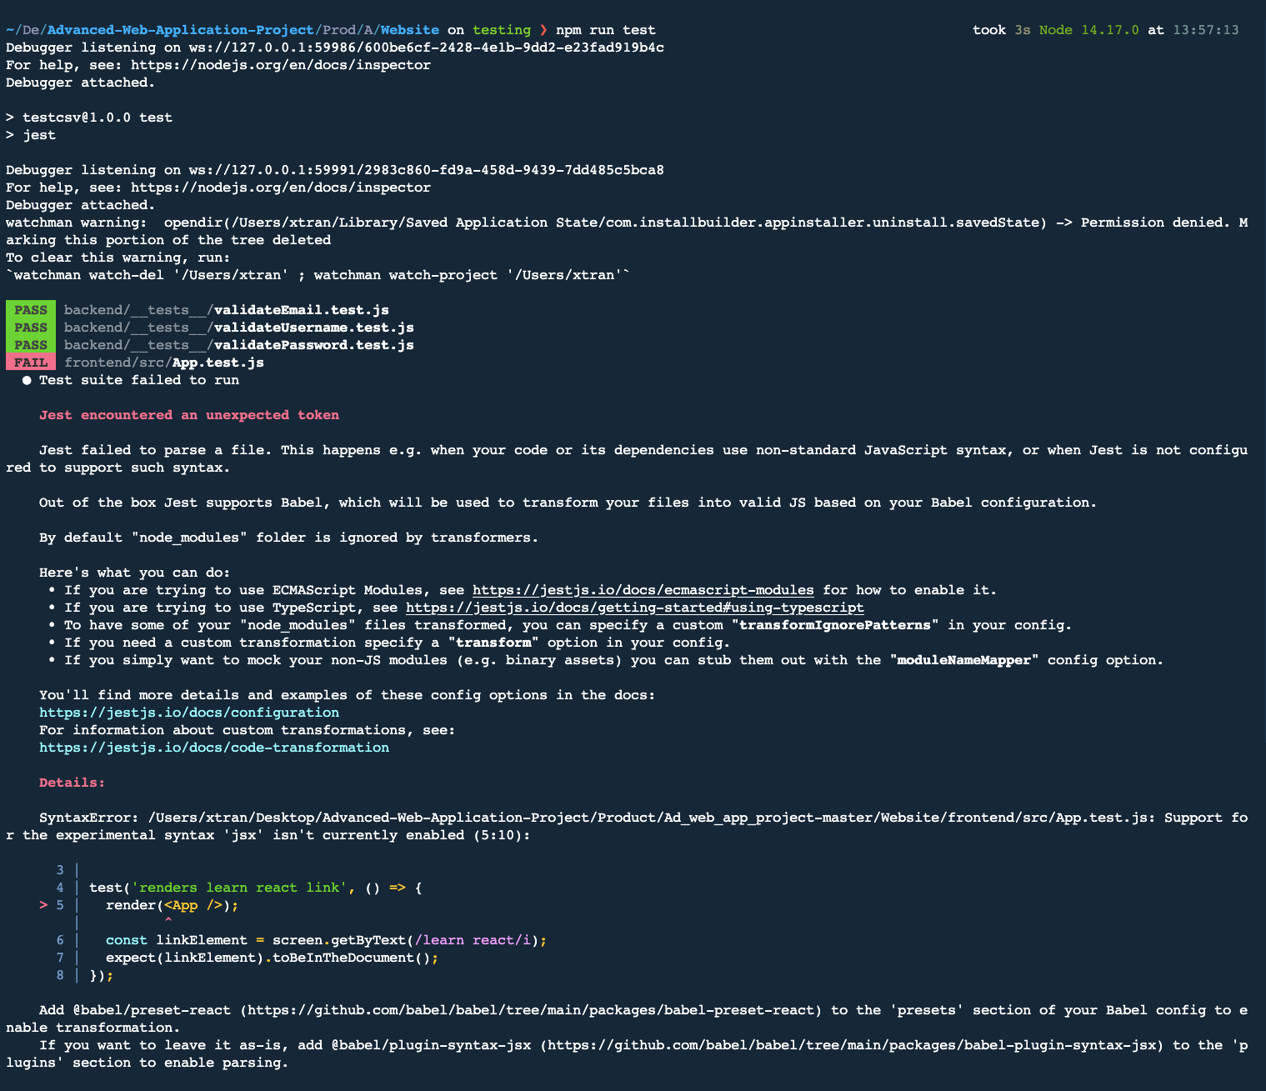

run test from frontend folder.

Case03
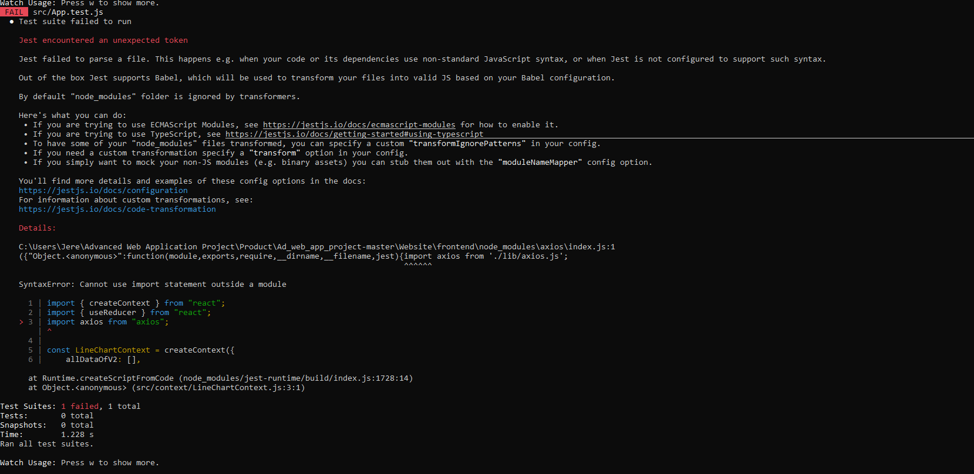
ID: | 1
Name: | Unexpected token Jest
Reporter: | Jere Muikku
Date: | 2022-11-29

Summary
URL
Platform | VsCode
Operating system
Browser
Severity (low/medium/high)
Assigned to:
Priority:

Description : Automatic test failed to parse a file

Steps to reproduce: npm run test in Frontend

Expected result : Pass

Actual result: Fail

Notes: screen shots added

Case04
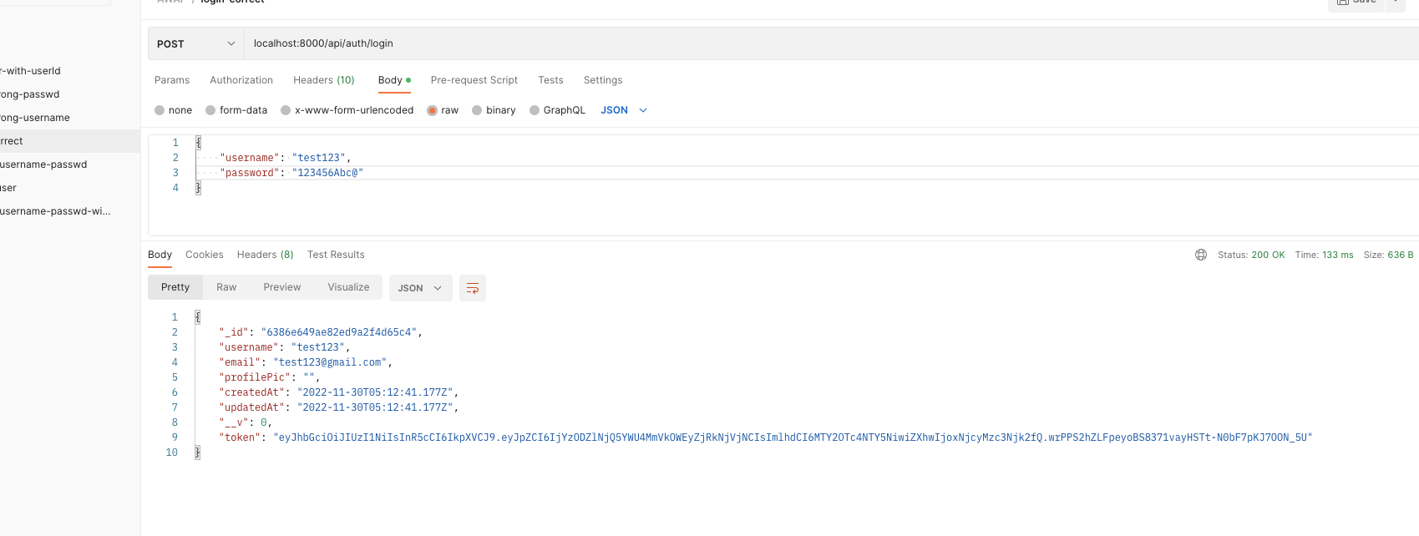
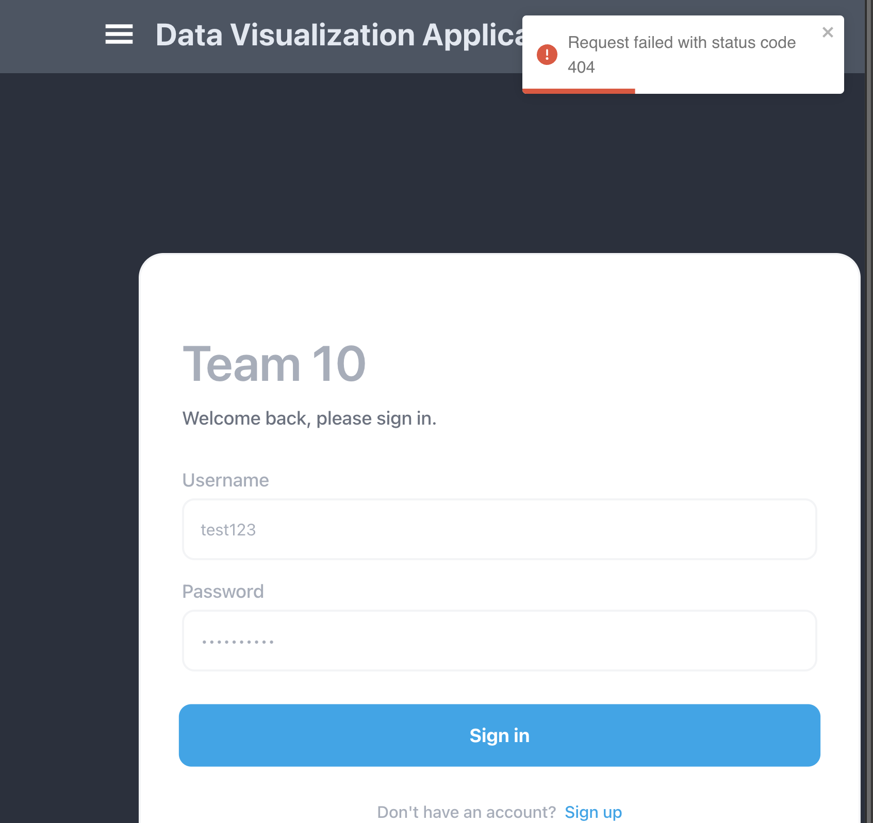
ID:
Name: | Login functionality
Reporter: | Bao Tran
Date: | 29.11.2022

Summary
URL
Platform | VsCode
Operating system
Browser
Severity (low/medium/high)
Assigned to: | Thong Dang
Priority:

Description: fail to login from frontend, but success to login via postan

Steps to reproduce: Register and login from frontend

Expected result: successfully

Actual result: failed

Notes: bugs in frontend.

