TestCase01
Test Case ID: 2.2.1
Test Priority (Low/Medium/High):

Module Name: server , unit testing
Test Title: Password validation
Description: Password should contain at least 8 characters and numbers

Test Designed by: Bao Tran
Test Designed date: 18.11.2022

Test Executed by: Bao Tran

Pre-conditions: Dependencies: jest 29.3.1

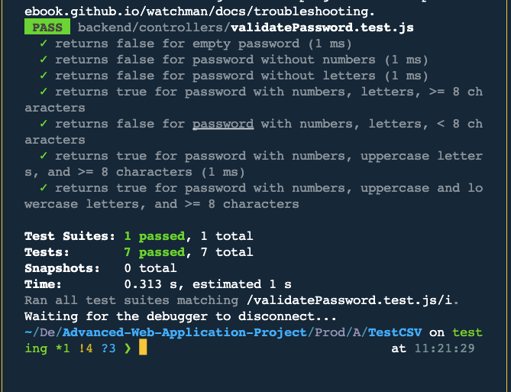
Step | Test Steps | Test Data | Expected Result | Actual Result | Status (pass/fail) | Notes
1
2
3
4
5
6
7
8
9
10

Post-conditions:

test condition |  | passed

TestCase02
Test Case ID: 2.2.2
Test Priority (Low/Medium/High):

Module Name: Email address validation
Test Title: Email Validation
Description: The valid email should contain numbers, letters and @ symbol

Test Designed by: Bao Tran
Test Designed date: 19.11.2022

Test Executed by: Bao Tran
Test Execution date: 19.11.2022

Pre-conditions: Dependencies: jest 29.3.1

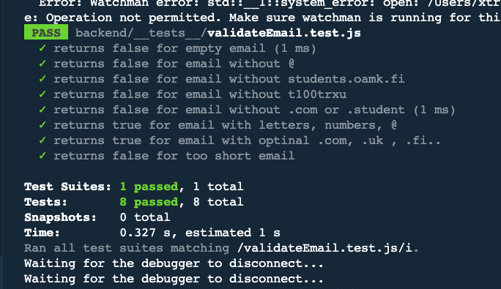
Step | Test Steps | Test Data | Expected Result | Actual Result | Status (pass/fail) | Notes
1
2
3
4
5
6
7
8
9
10

Post-conditions:

post-condition |  | passed

TestCase04
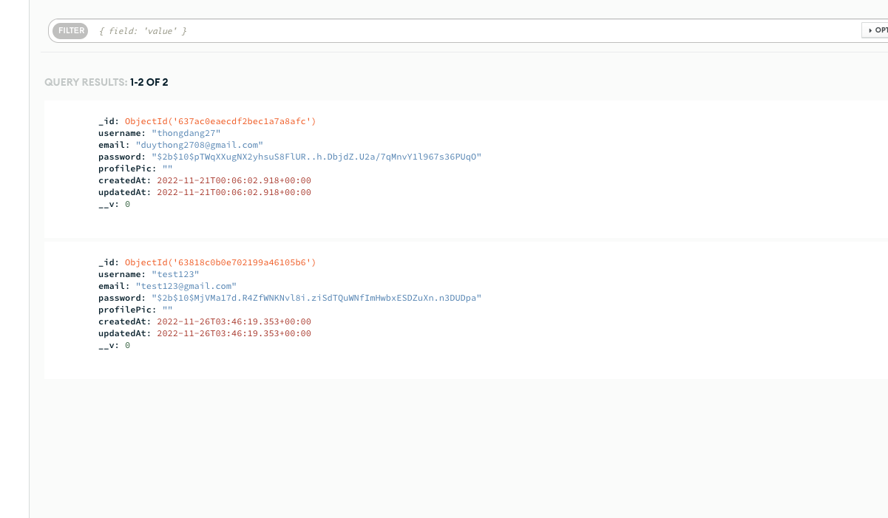
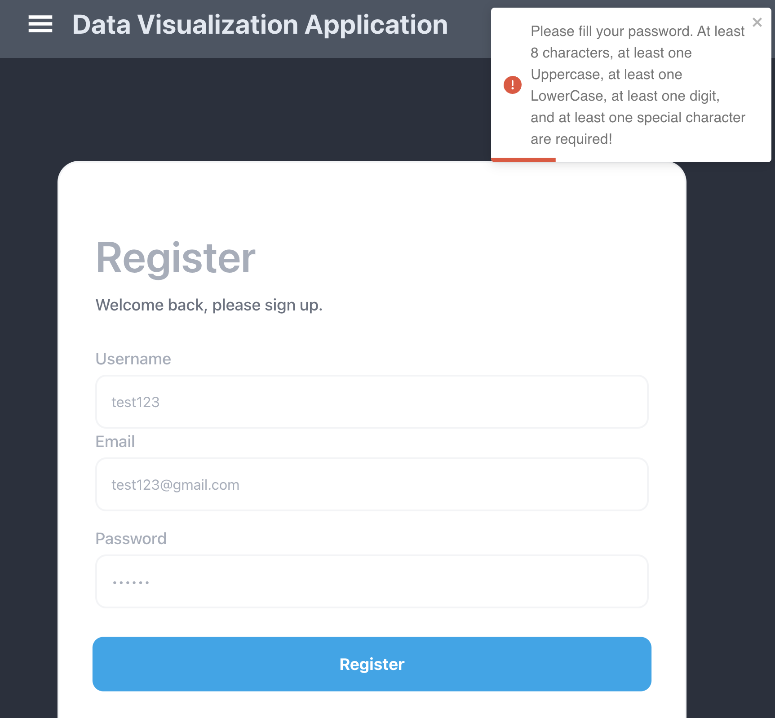
Test Case ID: 2.3.1
Test Priority (Low/Medium/High):

Module Name: password
Test Title: hashed password
Description: Check that created password is hashed

Test Designed by: Bao Tran
Test Designed date: 19.11.2022

Test Executed by: Bao Tran
Test Execution date: 19.11.2022

Pre-conditions: Dependencies:

Step | Test Steps | Test Data | Expected Result | Actual Result | Status (pass/fail) | Notes
1 | create a user's account |  |  |  | passed | screenshot added
2 | check database |  |  |  | passed | screenshot added
3
4
5
6
7
8
9
10

Post-conditions: passed

TestCase05
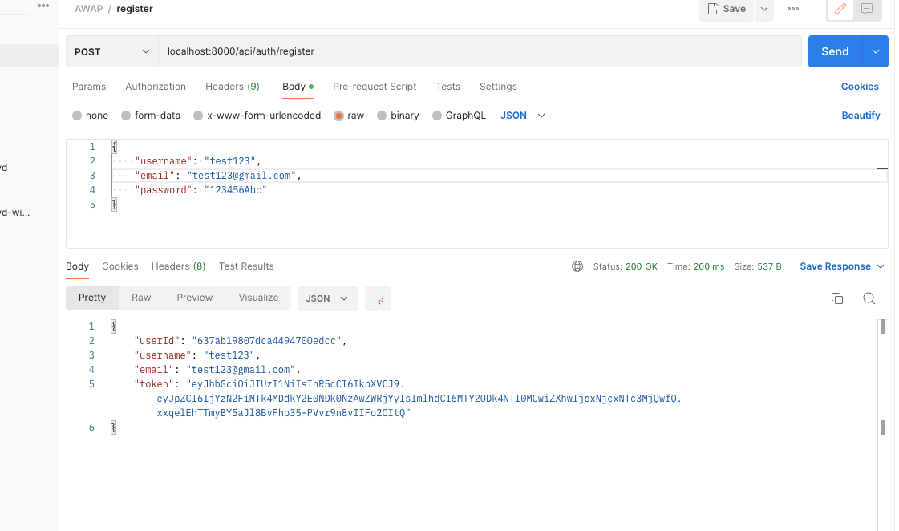
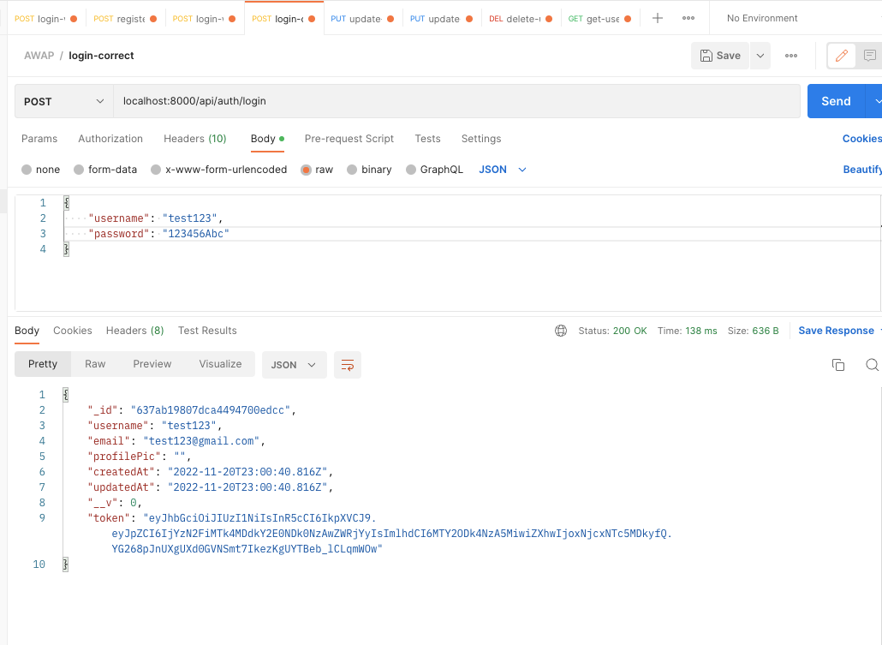
Test Case ID: 2.3.2
Test Priority (Low/Medium/High):

Module Name: jsonwebtoken
Test Title: jwt validation
Description: jsonwebtoken created

Test Designed by: Bao Tran
Test Designed date: 18.11.2022

Test Executed by: Bao Tran

Pre-conditions: Dependencies: postman

Step | Test Steps | Test Data | Expected Result | Actual Result | Status (pass/fail) | Notes
1 | register new user |  | jsonwebtoken created | pass | pass | screenshot added
2 | login with username and pwd |  | jsonwebtoken created | pass | pass | screenshot added
3
4
5
6
7
8
9
10

Post-conditions: passed

TestCase06
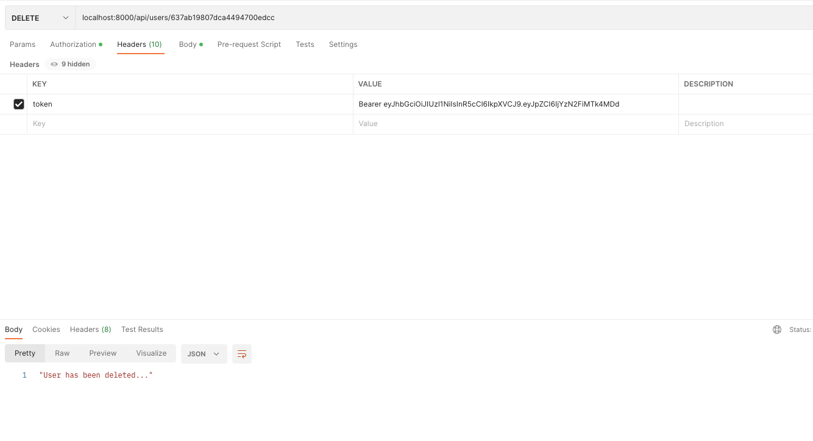
Test Case ID: 2.3.3
Test Priority (Low/Medium/High):

Module Name:
Test Title: delete user
Description: user can delete own account with jsonwebtoken

Test Designed by: Bao Tran
Test Designed date: 18.11.2022

Test Executed by: Bao Tran

Pre-conditions: Dependencies: postman

Step | Test Steps | Test Data | Expected Result | Actual Result | Status (pass/fail) | Notes
1 | login |  | jsonwebtoken created | pass | pass
2 | delete account |  | user has been deleted | pass | pass | screen shot added
3
4
5
6
7
8
9
10

Post-conditions:

TestCase07
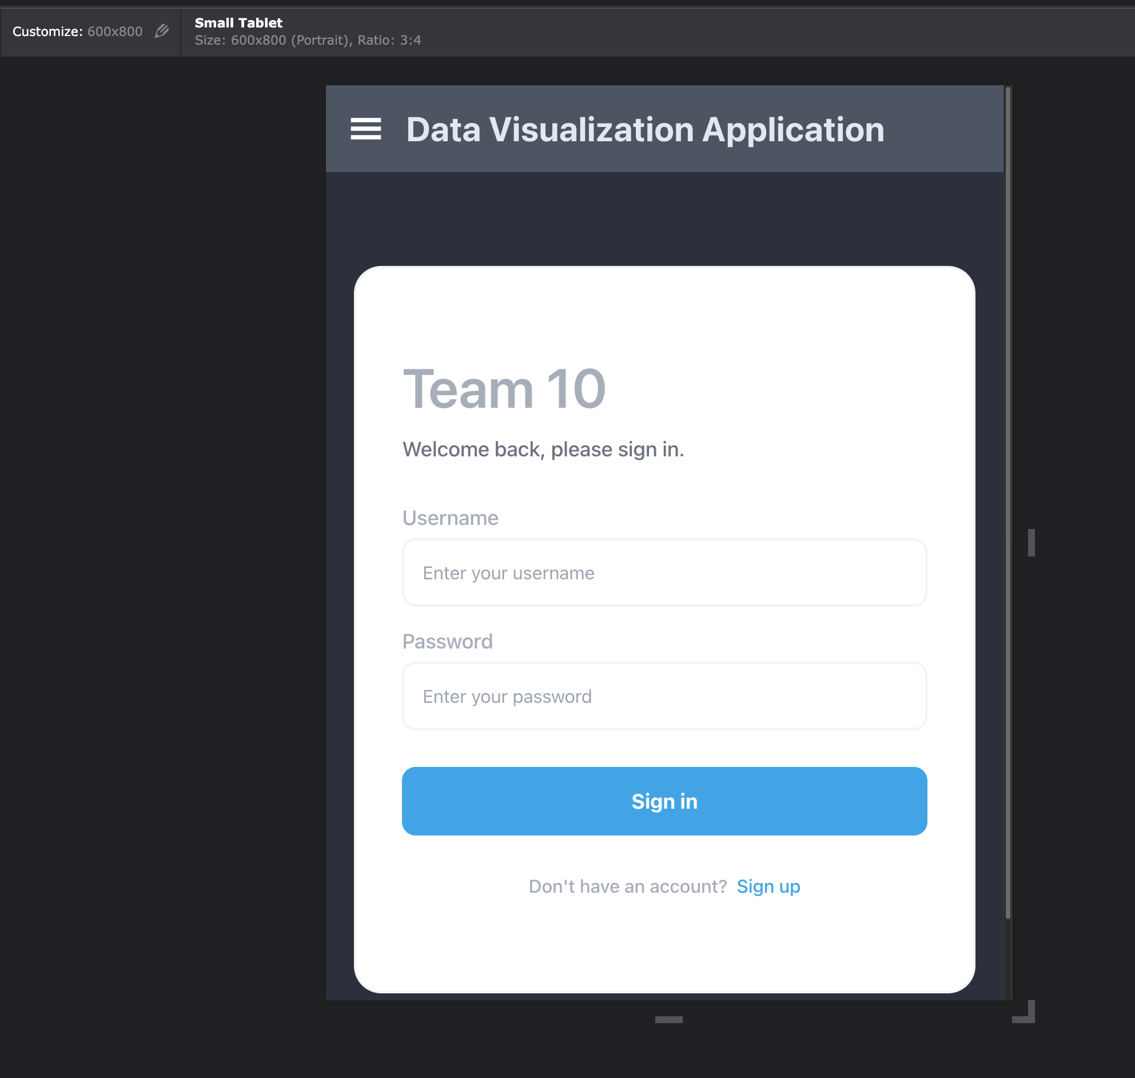
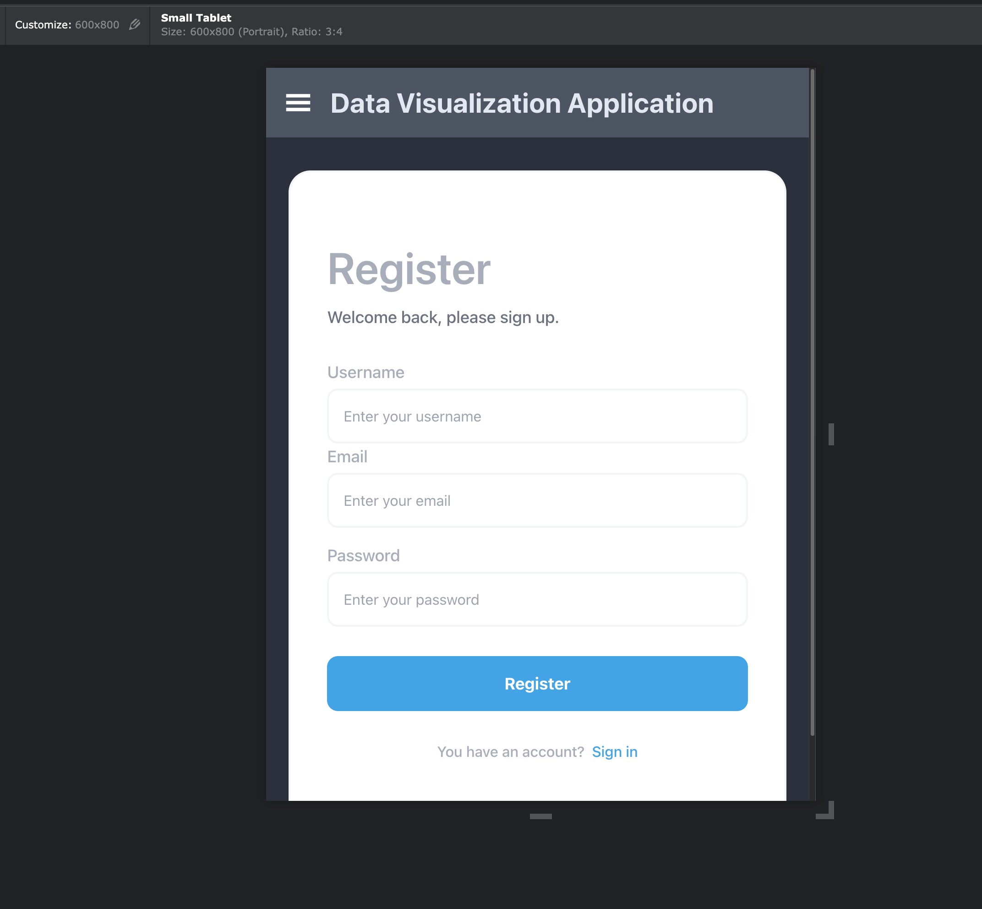
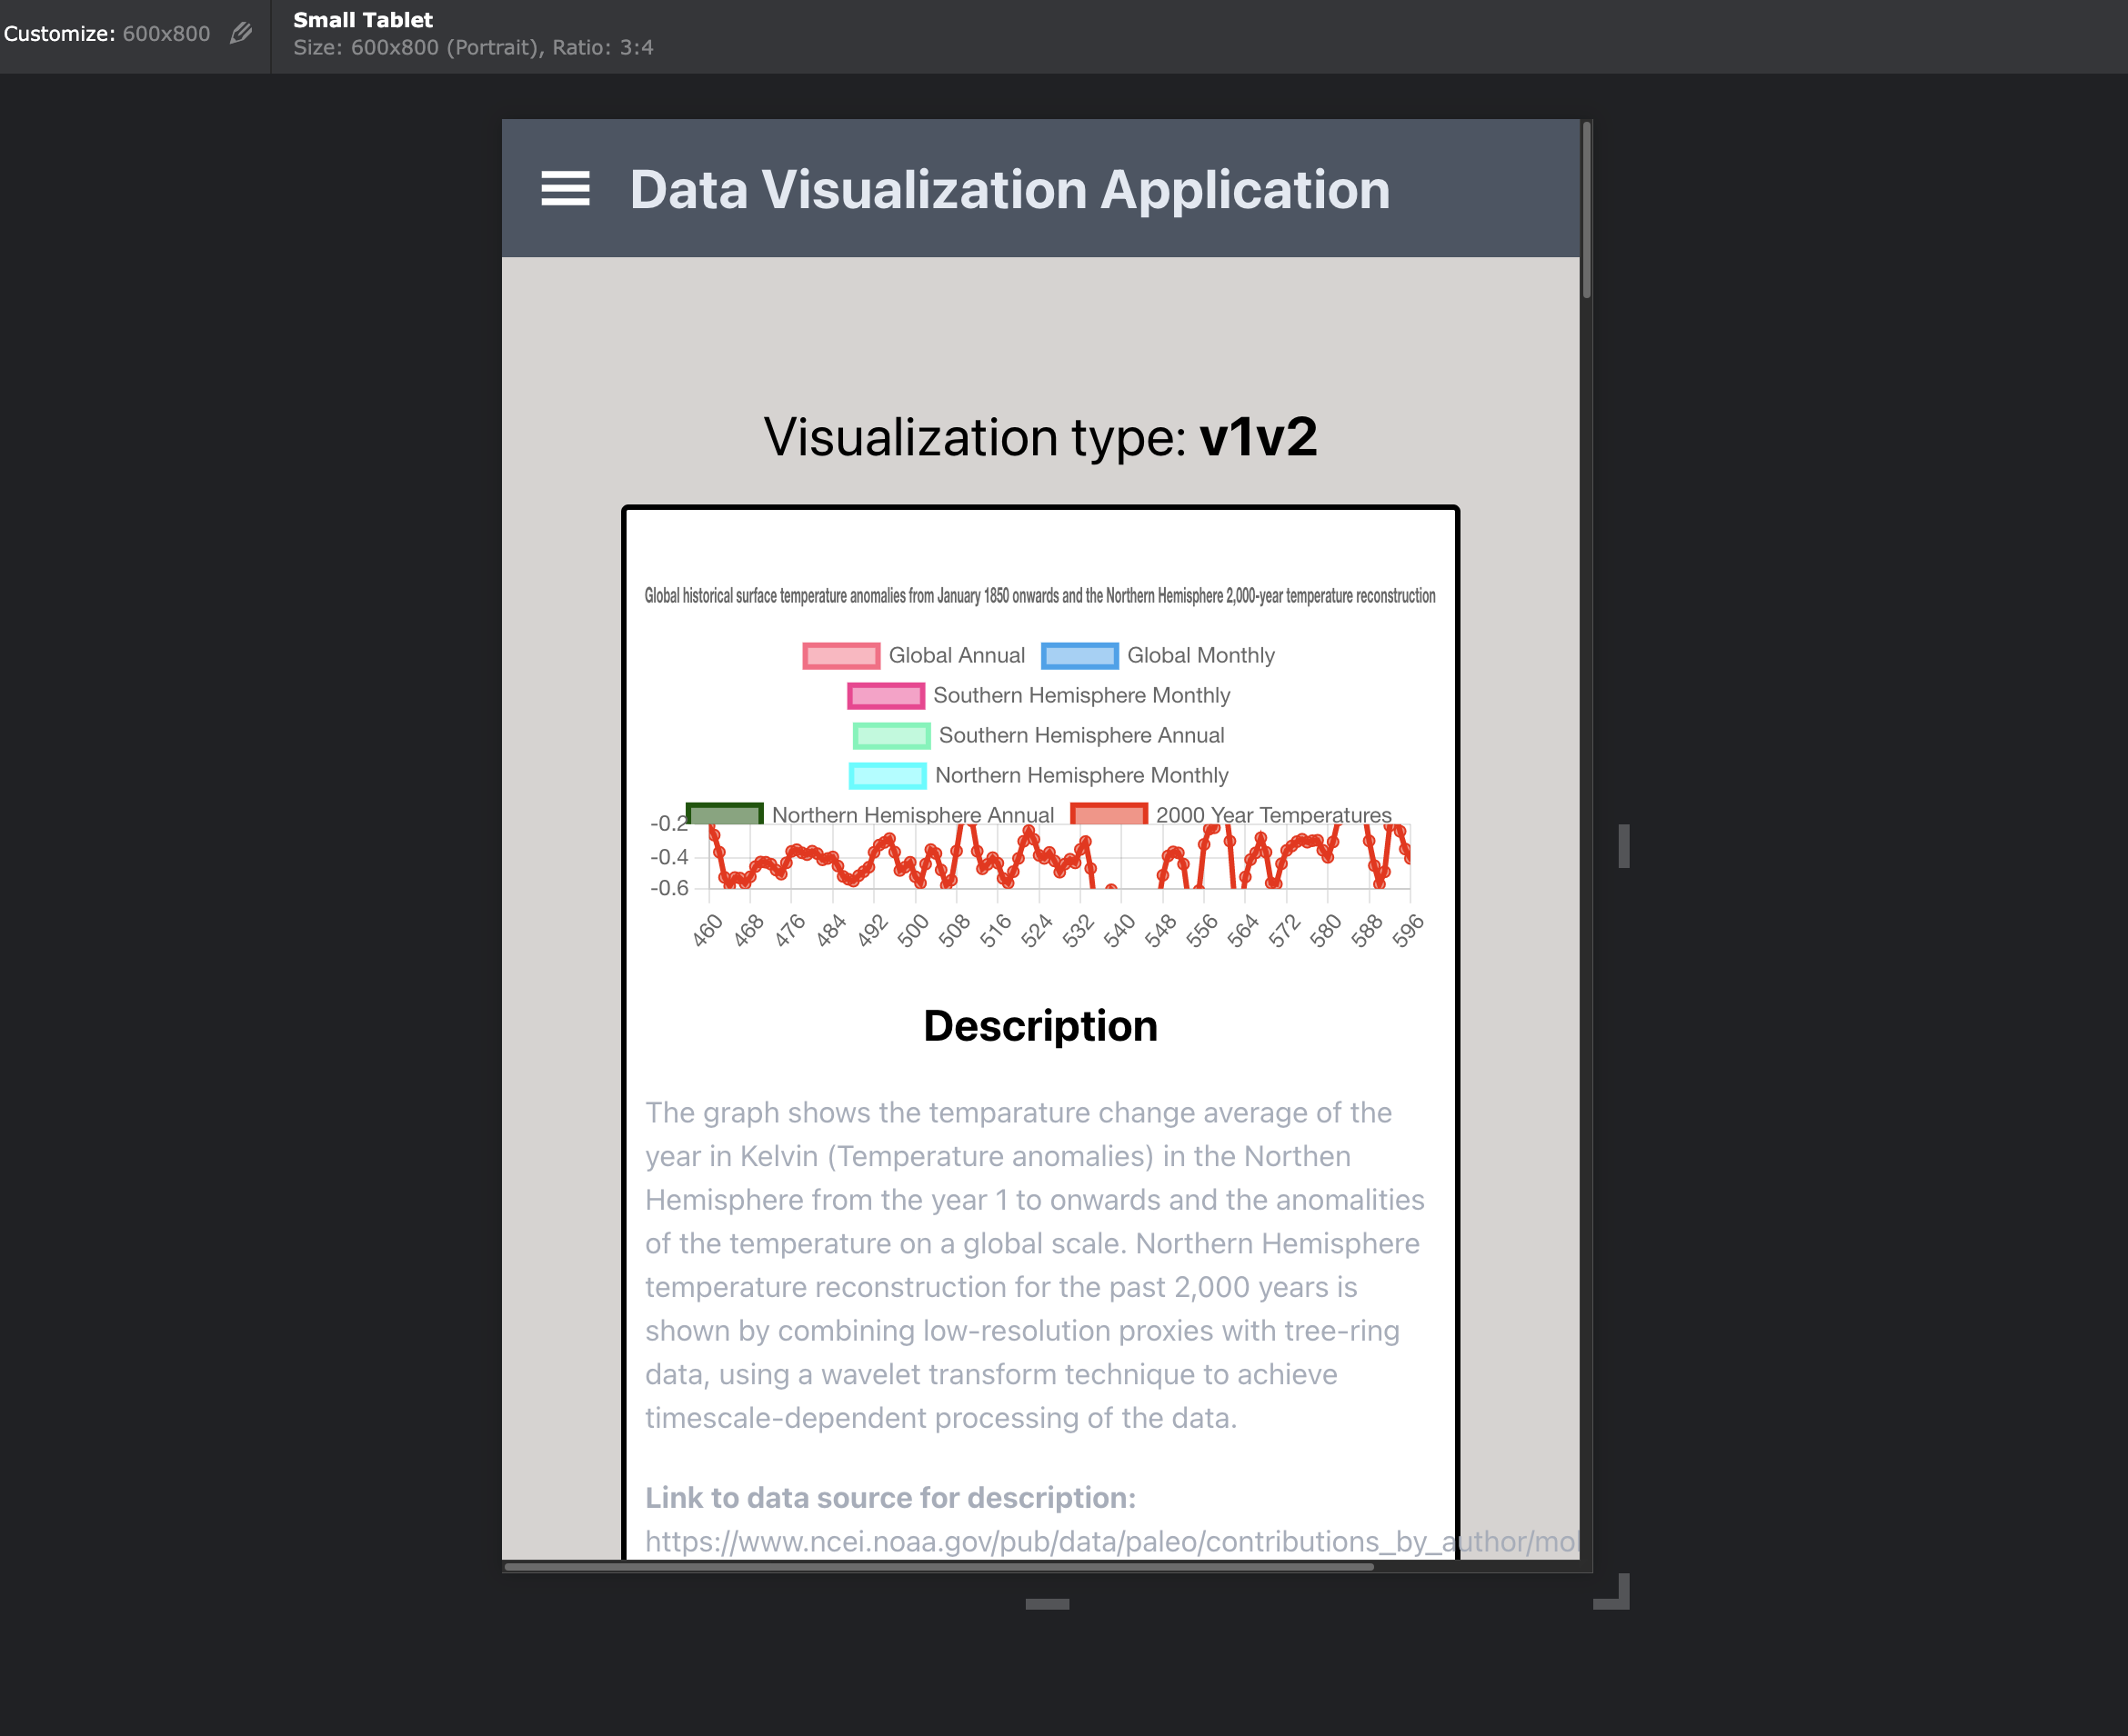
Test Case ID: 2.3.4
Test Priority (Low/Medium/High):

Module Name: UI/UX
Test Title: responsiveness
Description: UI should scale if the window is resized, and smallest supported window is 600px horizontal.

Test Designed by: Bao Tran
Test Designed date: 25.11.2022

Test Executed by: Bao Tran

Pre-conditions: Dependencies: Viewport resizer

Step | Test Steps | Test Data | Expected Result | Actual Result | Status (pass/fail) | Notes
1 | register field | 600px | text readable | pass | pass | screen shot added
2 | login field | 600px view | text readable | pass | pass | screen shot added
3 | main page | 600px view | visualizations readable | pass | pass | screen shot added
4
5
6
7
8
9
10

Post-conditions:

TestCase08
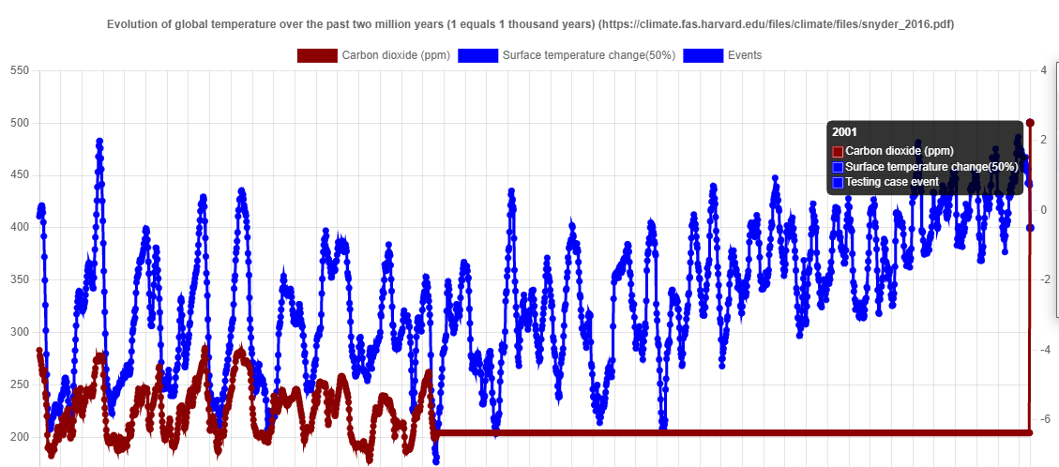
Test Case ID: 2.1.1
Test Priority (Low/Medium/High):

Module Name: Chart 7
Test Title: Database change effect on chart
Description: Chart data should change according to the data changed from DB

Test Designed by: Jere Muikku
Test Designed date: 26.11.2022

Test Executed by: Jere Muikku

Pre-conditions: Dependencies:

Step | Test Steps | Test Data | Expected Result | Actual Result | Status (pass/fail) | Notes
1 | Putting new event to Database | Event: Random event | The data is able to be created to DB | The result is the same as expected | pass | Picture added
2 | Checking the chart | Data from the database with the new event | Will show up on the year placed, or to the new year added | The result is the same as expected | pass | Picture added
3 | Deleting the data from database | The new data that was put in the DB | The test data will be gone from db and the chart | The result is the same as expected | pass
4
5
6
7
8
9
10

Post-conditions:

TestCase09
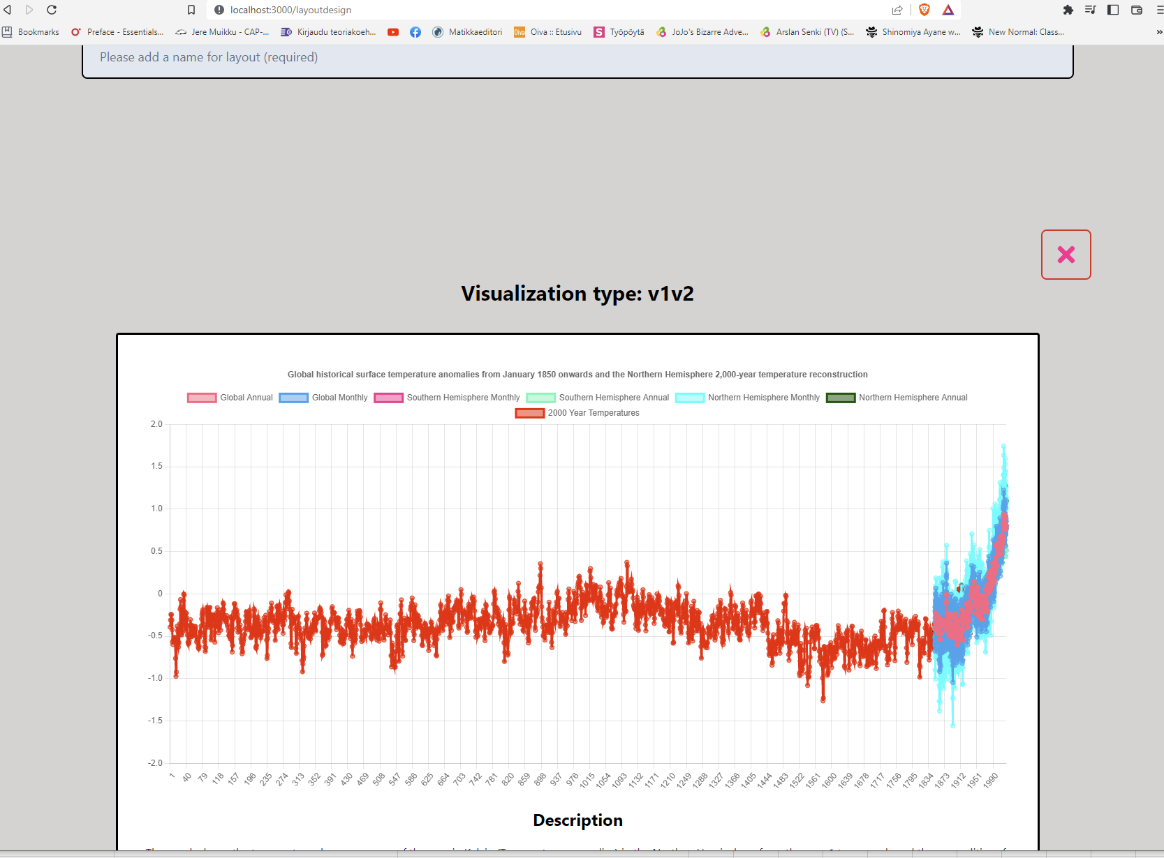
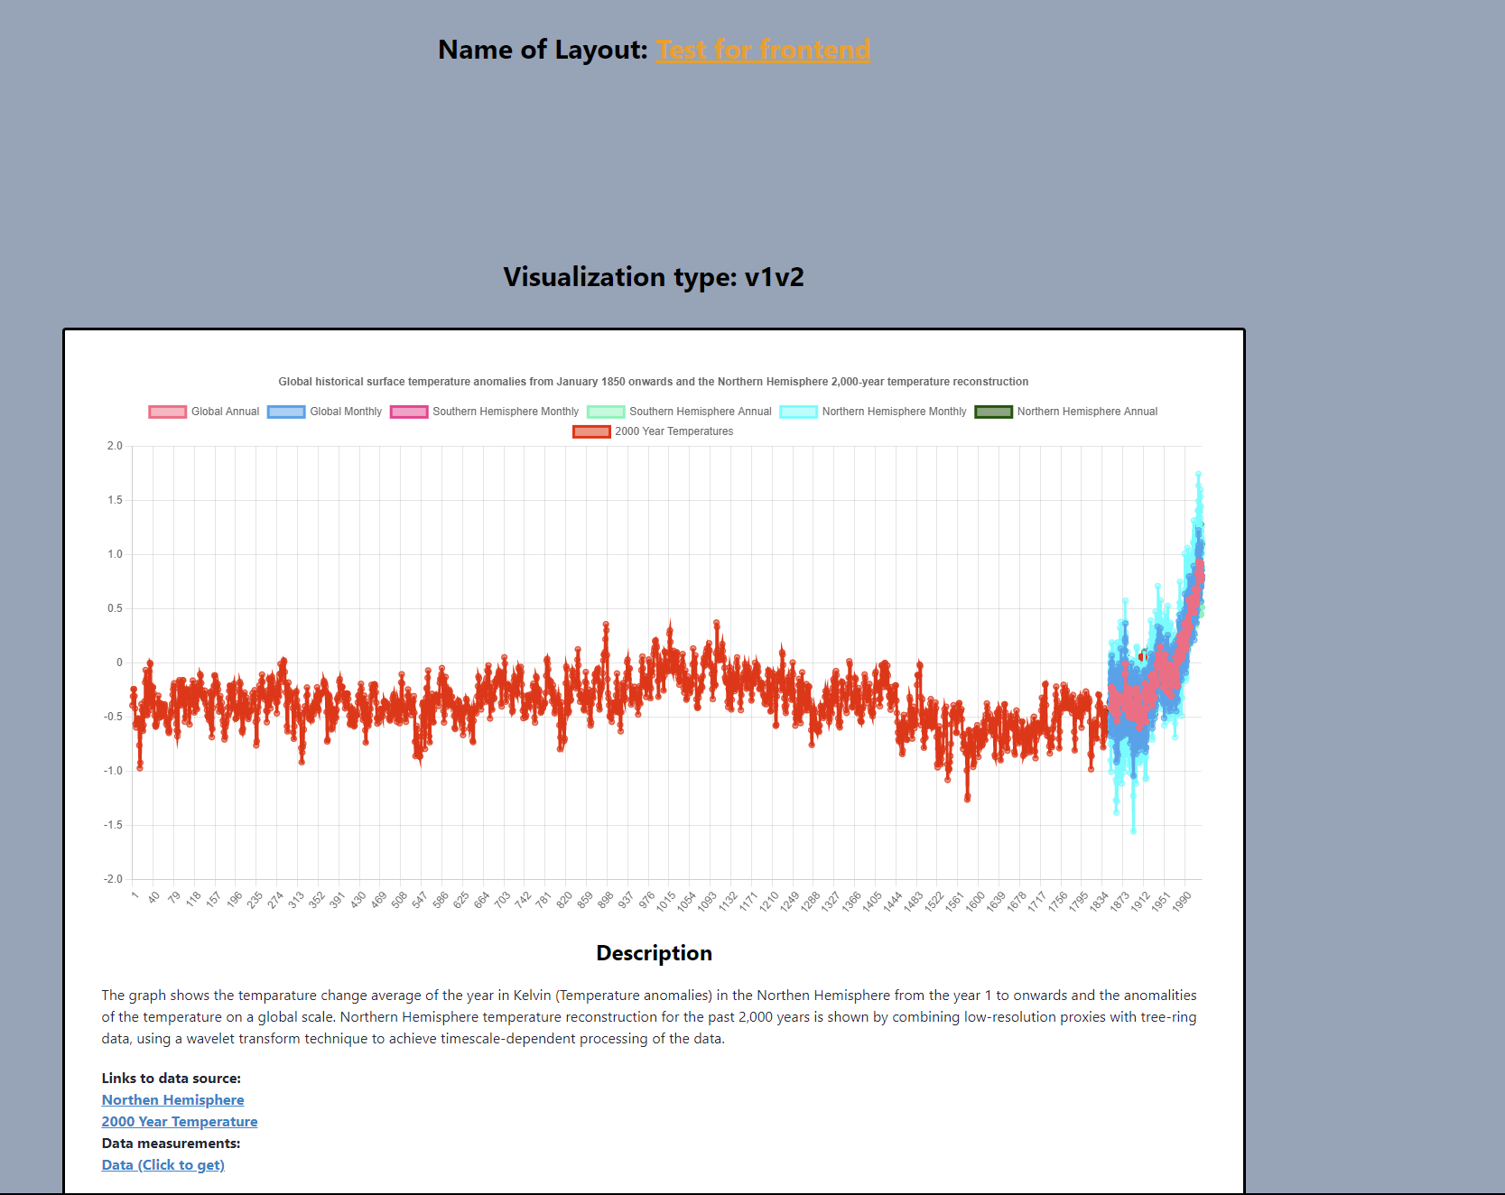
Module Name: AddChart
Test Title: Chart data to database and Frontend
Description: Chart data should change according to the data changed from DB

Test Designed by: Jere Muikku
Test Designed date: 29.11.2022

Test Executed by: Jere Muikku

Pre-conditions: Dependencies:

Step | Test Steps | Test Data | Expected Result | Actual Result | Status (pass/fail) | Notes
1 | Adding chart to layout page | Selected data | Chart will show up in layout page | The result is the same as expected | pass | Picture added
2 | Testing if no name prevents making of a chart | Chart data | Data from the user wont go to the database | The result is the same as expected | pass | Picture added
3 | Selected chart is able to be put in DB | Chart data | Chart data, user ID and the new charts name are in DB | The result is the same as expected | pass | Pictures added
4 | Will put the selected chart to the DB even if a second chart was added but was deleted | Chart data | Only the chart that was left is in the database | The deleted chart is still passed to DB | fail | Pictures added
5 | Step 4 again | Chart data | Only the chart that was left is in the database | Result is as expected | pass
6 | Chart shows up on the frontend | New chart array data | Chart shows on the frontend with the new id when searched | Result is as expected | pass | Pictures added
7
8
9
10

Post-conditions:

TestCase10
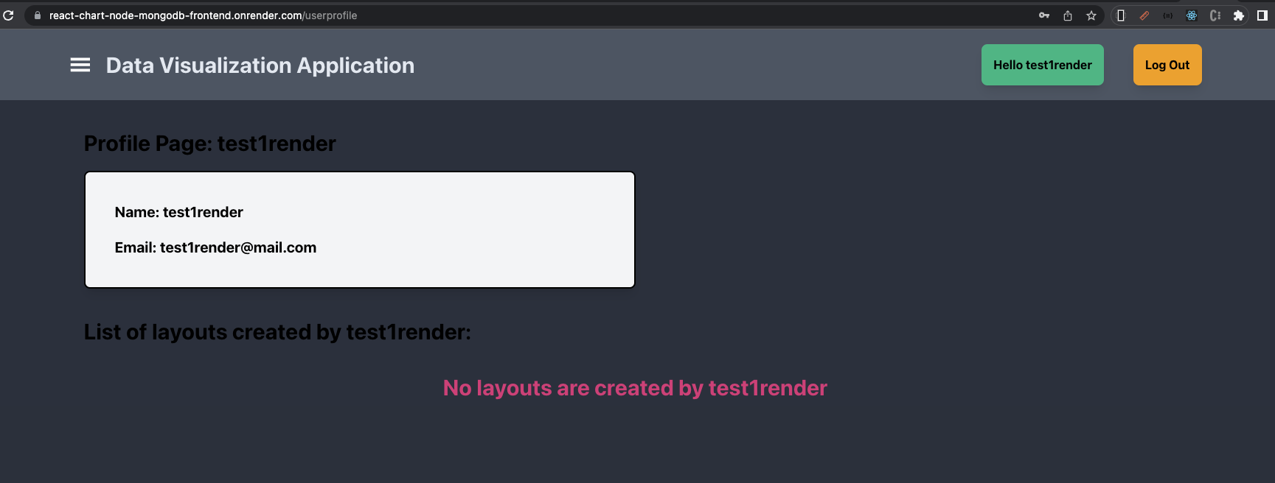
Test Case ID: 2.2.
Test Priority (Low/Medium/High):

Module Name: Register/Login from Render
Test Title: Register/Login
Description: : Register/Login when application deployed to Render

Test Designed by: Bao Tran
Test Designed date: 18.11.2022

Test Executed by: Bao Tran

Pre-conditions: Dependencies:

Step | Test Steps | Test Data | Expected Result | Actual Result | Status (pass/fail) | Notes
1 | Register new user |  | success | success | pass | database screen shot added
2 | login with registed account |  | success | success | pass | screen shot added
3
4
5
6
7
8
9
10

Post-conditions:

test condition |  | passed

