Descriptive Stats
PMFL Close
 |  | GRAPHS HERE
Measures of Risk and Return |  | Considering the exceptionally low volatility, minimal market correlation, and negative return measures, this stock is likely a: Stable-Value Stock: These stocks are known for their low volatility and reliable dividends. The minimal correlation with the market and low average daily return suggest this could be the case. However, the negative alpha and Sharpe Ratio indicate underperformance, which is not ideal for a value stock. Cash Equivalent: This is a possibility if the stock price barely moves and offers a return close to the risk-free rate (represented by the market return in this case). However, companies typically don't issue stock that behaves like a cash equivalent. Sharpe ratio (0.030) suggests a positive but modest risk-adjusted performance for the stock. This means the investment's returns are exceeding the risk-free rate, but the margin relative to its volatility is lower. A beta(0.082) this close to zero suggests the stock's price movements have minimal correlation with the market (represented by the market return) Standard Deviation (0.0294): This is exceptionally low, indicating extremely low volatility in the daily stock price movements. The difference in beta values for monthly (0.121) and daily sampling (0.081) suggests the stock's risk profile might be more sensitive to short-term market noise compared to its long-term fundamentals.
Standard Deviation | 0.02936241988
Annualised Standard Deviation | 5.358641629
Mean | 0.001265667721
Beta Daily Sampling | 0.935143176
Beta Monthly Sampling | 1.674468665
Sharpe Ratio | 0.03016020094
Alpha | -0.4492789278
Average Annual Return | 0.2310002427
Coefficient of Variation | 23.19915362
Average Return | 0.001263957359
Market return | 0.0005879346135
Risk free rate | 6.938253444

Descriptive Stats on Close of the Company |  | The standard deviation is 48.19, which is less than half the mean closing price of 133.42. This suggests that the stock may be relatively stable, with prices not fluctuating dramatically.
Mean | 133.4169594
Min Value | 68.300003
Max Value | 280.549988
Standard Deviation | 48.18648277

Correlation Between NIFTY 50 and Parag Milk Foods Stock Prices
Descriptive Stats on correlation of NIFTY 50 and Company's Stock Price |  | Based on the correlation of 0.739, the company's stock price has a strong positive correlation with NIFTY 50. A correlation coefficient closer to 1 signifies a stronger positive correlation, meaning the stock price mostly moves in tandem with the NIFTY 50. Given the strong positive correlation, this stock appears to be a cyclical stock. Cyclical stocks tend to amplify the market's movements.
Correlation | 0.7383570122

Daily Movement in stock price (Spread: High-Low) | ( Sentiment Analysis) | Moderate Volatility: The stock exhibits moderate volatility, suggesting it's not a low-risk, stable investment but also not an extremely risky, high-fluctuation stock. Limited Sentiment Impact: The negligible correlation between sentiment analysis and price movement indicates that short-term price movements are likely driven by factors other than immediate corporate announcements. Based on the analysis, this stock could be: Growth Stock: These aim for high capital appreciation and might experience moderate volatility due to potential for high future earnings but uncertainty in the short term. Sectoral Stock: Its performance might be more tied to its industry's health than overall market sentiment.
Mean | 6.007567126
Median | 4.9000015
Max Value | 35.399994
Min Value | 0.949997
Standard Deviation | 4.313430865
Correlation between corporate announcements and volatility in a day | 0.02737489089

 |  | DATE
Lifetime High | 289.75 | 2024-02-12
Lifetime Low | 65.5 | 2022-07-01
52 Week High | 289.75 | 2024-02-12
52 Week Low | 74.400002 | 2022-07-13

Volatility of Stock Price in a Day
Volatility of Stock |  | In this case, with a weak positive correlation, the stock's price movements might be influenced by a combination of factors: Company Fundamentals, Industry Trends, Overall Market Conditions
Correlation btw Volume and Change occurred in Stock Price | 0.4896629981

TIme | Daily Sampling | Monthly Sampling | 2021-2022: High daily beta (1.049) and a negative monthly beta (-0.003) indicate a complex relationship with the market. The investment might have been somewhat independent in the long term (negative monthly beta) but still susceptible to short-term market movements (high daily beta). The investment might have been in a growth phase or undergoing significant changes, leading to price movements not fully reflected in the overall market. 2022-2023 & 2023-2024: Both daily and monthly betas are very close to zero. This suggests the investment's price movements became largely independent of the market during these periods. The investment's fundamentals might have matured, or the market sector it operates in might have become less volatile. This could explain the near-zero beta, indicating minimal correlation with the market.
2021-2024 | 0.935143176 | 1.674468665
2021-2022 | 1.049451971 | -0.003254493708
2022-2023 | 0.008999607971 | 1.066836406E-09
2023-2024 | 0.03189388852 | 0.02784930997

Changing Beta
Volume
min | 57361
Max | 17834293

Daily Range
min | 0.949997
max | 35.399994

CHG%
min | -10.34778472
max | 16.25488368

CHG% in Stock Price

Technical Analysis
 |  |  | Date | 10 SMA of Close | Std Dev of Close | EMA (26) | EMA (12) | MACD | Signal Line | MACD-Signal Line | Upper Band | Lower Band
STRATEGY | TA Strategy |  | 2021-04-01 |  |  | 111.449997 | 111.449997 | 0 | 0 | 0
 |  |  | 2021-04-05 |  |  | 111.7685157 | 112.1115359 | 0.3430201823 | 0.06860403647 | 0.2744161459
 |  |  | 2021-04-06 |  |  | 112.0597366 | 112.6636069 | 0.6038702832 | 0.1756572858 | 0.4282129974
 |  |  | 2021-04-07 |  |  | 112.2701266 | 113.0076676 | 0.7375410428 | 0.2880340372 | 0.4495070056
 |  |  | 2021-04-08 |  |  | 112.5575248 | 113.4911037 | 0.9335789195 | 0.4171430137 | 0.5164359058
 |  |  | 2021-04-09 |  |  | 112.8458561 | 113.9463181 | 1.100461998 | 0.5538068104 | 0.5466551871
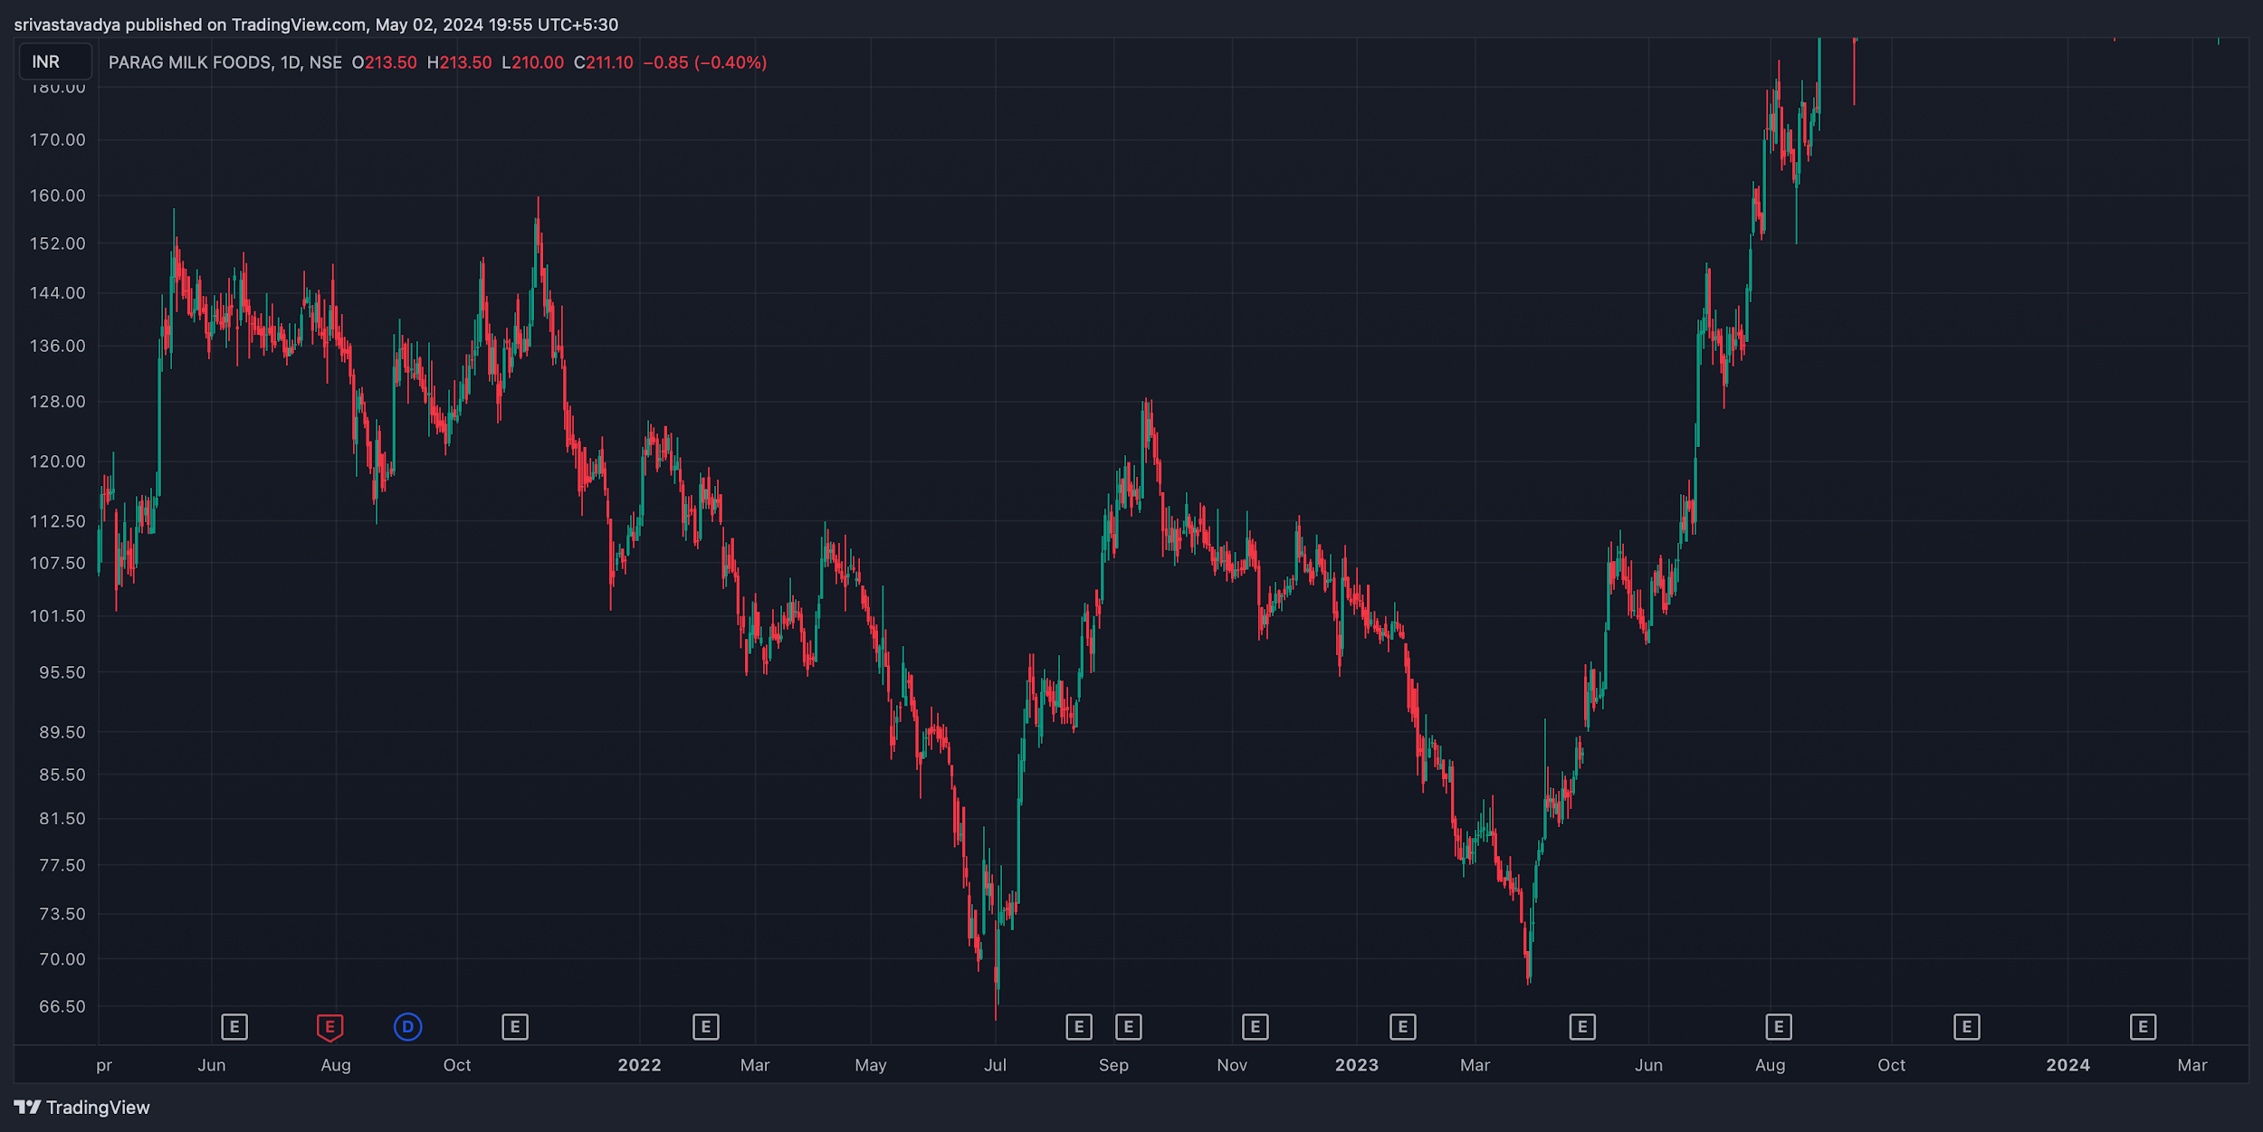
 |  | PRICE MOVEMENT CHART | 2021-04-12 |  |  | 112.2202372 | 112.477654 | 0.2574168081 | 0.49452881 | -0.2371120019
 |  |  | 2021-04-13 |  |  | 111.9965157 | 111.9733991 | -0.02311662313 | 0.3909997234 | -0.4141163465
 |  |  | 2021-04-15 |  |  | 111.6338107 | 111.2236451 | -0.4101656234 | 0.230766654 | -0.6409322774
 |  |  | 2021-04-16 | 112.3399995 | 4.243085798 | 111.6831583 | 111.3892386 | -0.2939196763 | 0.125829388 | -0.4197490642 | 120.8261711 | 103.8538279
 |  |  | 2021-04-19 | 112.0500001 | 4.406623377 | 111.4510727 | 110.9524331 | -0.498639579 | 0.0009355945673 | -0.4995751735 | 120.8632469 | 103.2367533
Bollinger Bands(10)
 |  |  | 2021-04-20 | 111.1650003 | 4.469218189 | 111.1139564 | 110.3289822 | -0.7849741742 | -0.1562463592 | -0.628727815 | 120.1034367 | 102.2265639
 |  |  | 2021-04-22 | 110.2750009 | 4.350366754 | 110.7944043 | 109.7860623 | -1.008341949 | -0.3266654772 | -0.6816764719 | 118.9757344 | 101.5742674
 |  |  | 2021-04-23 | 109.9600007 | 4.084169356 | 110.8651891 | 110.0882066 | -0.7769825596 | -0.4167288937 | -0.360253666 | 118.1283394 | 101.791662
 |  |  | 2021-04-26 | 109.7750008 | 3.804985154 | 111.1196198 | 110.7361753 | -0.3834445359 | -0.4100720221 | 0.02662748622 | 117.3849711 | 102.1650305
 |  |  | 2021-04-27 | 109.3200013 | 3.130335775 | 111.1774259 | 110.9152255 | -0.2622003573 | -0.3804976892 | 0.1182973318 | 115.5806729 | 103.0593297
 |  |  | 2021-04-28 | 110.2950013 | 2.940281208 | 111.3976167 | 111.4128834 | 0.01526673821 | -0.3013448037 | 0.3166115419 | 116.1755637 | 104.4144389
 |  |  | 2021-04-29 | 110.5800019 | 2.960405854 | 111.4459416 | 111.5109018 | 0.06496022061 | -0.2280837988 | 0.2930440194 | 116.5008136 | 104.6591902
 |  |  | 2021-04-30 | 111.0400018 | 2.706042378 | 111.4647605 | 111.5399934 | 0.07523286669 | -0.1674204657 | 0.2426533324 | 116.4520866 | 105.627917
 |  |  | 2021-05-03 | 111.2050012 | 2.838470034 | 111.6488521 | 111.9107632 | 0.261911061 | -0.08155416037 | 0.3434652214 | 116.8819413 | 105.5280611
 |  |  | 2021-05-04 | 111.8850007 | 2.944301445 | 111.9230111 | 112.4398762 | 0.5168651556 | 0.03812970282 | 0.4787354528 | 117.7736036 | 105.9963978
 |  |  | 2021-05-05 | 114.6050011 | 7.247163627 | 113.5657514 | 115.7722039 | 2.206452447 | 0.4717942517 | 1.734658196 | 129.0993284 | 100.1106738
 |  |  | 2021-05-06 | 117.8150002 | 9.994332662 | 115.442362 | 119.3303254 | 3.887963443 | 1.15502809 | 2.732935353 | 137.8036655 | 97.82633488
 |  |  | 2021-05-07 | 120.1900002 | 11.14823807 | 116.928113 | 121.8179677 | 4.889854719 | 1.901993416 | 2.987861303 | 142.4864763 | 97.89352406
 |  |  | 2021-05-10 | 122.5349999 | 12.18934051 | 118.470475 | 124.2690496 | 5.798574611 | 2.681309655 | 3.117264956 | 146.9136809 | 98.15631888
 |  |  | 2021-05-11 | 126.0050003 | 13.67411386 | 120.5541439 | 127.7045813 | 7.150437403 | 3.575135204 | 3.575302198 | 153.353228 | 98.65677258
 |  |  | 2021-05-12 | 129.5549995 | 14.81497856 | 122.7093921 | 131.0807987 | 8.371406583 | 4.53438948 | 3.837017103 | 159.1849566 | 99.92504237
 |  |  | 2021-05-14 | 132.9249992 | 14.21124933 | 124.4161038 | 133.3375989 | 8.92149509 | 5.411810602 | 3.509684488 | 161.3474979 | 104.5025005
 |  |  | 2021-05-17 | 136.4299995 | 12.62896197 | 126.0704665 | 135.4010452 | 9.330578734 | 6.195564229 | 3.135014506 | 161.6879234 | 111.1720756
 |  |  | 2021-05-18 | 139.3950004 | 9.964170827 | 127.3689509 | 136.6624238 | 9.293472909 | 6.815145965 | 2.478326944 | 159.3233421 | 119.4666587
 |  |  | 2021-05-19 | 142.275 | 5.323596833 | 128.6119911 | 137.8143577 | 9.202366557 | 7.292590083 | 1.909776474 | 152.9221937 | 131.6278063
MACD and Signal Line
 |  |  | 2021-05-20 | 142.9549988 | 4.539974059 | 129.5222135 | 138.2890709 | 8.766857403 | 7.587443547 | 1.179413856 | 152.0349469 | 133.8750507
 |  |  | 2021-05-21 | 143.1199997 | 4.404176907 | 130.3390868 | 138.6369066 | 8.29781981 | 7.7295188 | 0.5683010105 | 151.9283535 | 134.3116459
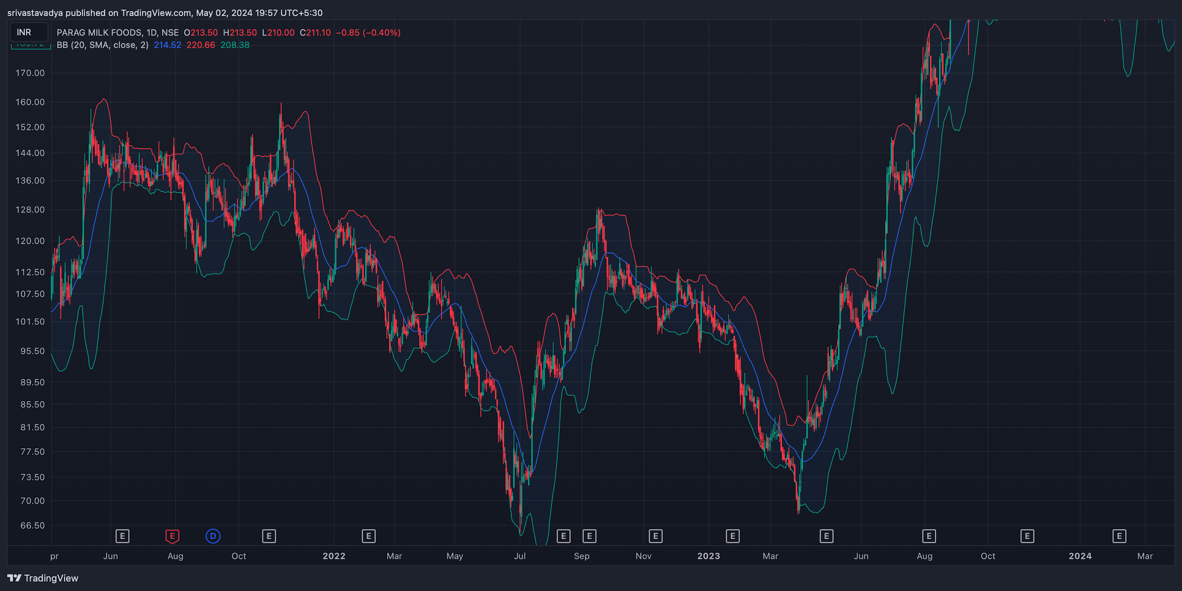
 |  |  | 2021-05-24 | 143.7149994 | 3.586320231 | 131.1621172 | 139.0696898 | 7.907572559 | 7.765129551 | 0.1424430074 | 150.8876399 | 136.5423589
 |  | Bollinger Bands | 2021-05-25 | 144.4799988 | 2.928044158 | 132.2167748 | 140.0435827 | 7.826807977 | 7.777465237 | 0.04934274018 | 150.3360871 | 138.6239105
 |  |  | 2021-05-26 | 143.8799988 | 3.057248162 | 132.8377549 | 140.1291863 | 7.291431464 | 7.680258482 | -0.3888270181 | 149.9944951 | 137.7655025
 |  |  | 2021-05-27 | 143.0299988 | 2.381782211 | 133.4534763 | 140.2862337 | 6.832757382 | 7.510758262 | -0.6780008803 | 147.7935632 | 138.2664344
 |  |  | 2021-05-28 | 142.2449982 | 2.662752582 | 133.782848 | 139.9191199 | 6.136271905 | 7.235860991 | -1.099589085 | 147.5705034 | 136.919493
 |  |  | 2021-05-31 | 141.0799988 | 2.999924038 | 133.8804152 | 139.1777177 | 5.297302511 | 6.848149295 | -1.550846784 | 147.0798469 | 135.0801507
 |  |  | 2021-06-01 | 140.6799988 | 2.891286536 | 134.3040886 | 139.2426852 | 4.938596546 | 6.466238745 | -1.527642199 | 146.4625719 | 134.8974257
 |  |  | 2021-06-02 | 140.3049988 | 2.621855291 | 134.7556372 | 139.4207327 | 4.665095513 | 6.106010099 | -1.440914585 | 145.5487094 | 135.0612882
 |  |  | 2021-06-03 | 140.1849991 | 2.619056979 | 135.121886 | 139.4636964 | 4.341810379 | 5.753170155 | -1.411359776 | 145.4231131 | 134.9468851
 |  |  | 2021-06-04 | 140.0549988 | 2.631162181 | 135.4276723 | 139.43082 | 4.003147788 | 5.403165681 | -1.400017893 | 145.3173232 | 134.7926744
 |  |  | 2021-06-07 | 139.7849991 | 2.610558334 | 135.6737706 | 139.3260785 | 3.652307892 | 5.052994123 | -1.400686232 | 145.0061158 | 134.5638824
 |  |  | 2021-06-08 | 139.3300003 | 1.791056988 | 136.0571954 | 139.5605289 | 3.503333433 | 4.743061985 | -1.239728552 | 142.9121143 | 135.7478863
 |  |  | 2021-06-09 | 139.1599991 | 1.736981836 | 136.2677731 | 139.4589081 | 3.191135012 | 4.432676591 | -1.241541579 | 142.6339628 | 135.6860354
 |  |  | 2021-06-10 | 139.2300003 | 1.837299009 | 136.6812719 | 139.8267693 | 3.14549749 | 4.175240771 | -1.02974328 | 142.9045983 | 135.5554023
 |  |  | 2021-06-11 | 140.1150009 | 2.931253561 | 137.4271036 | 140.8918817 | 3.464778185 | 4.033148253 | -0.5683700687 | 145.977508 | 134.2524938
 |  |  | 2021-06-14 | 140.4550003 | 2.441135552 | 137.5065774 | 140.5238999 | 3.017322567 | 3.829983116 | -0.8126605491 | 145.3372714 | 135.5727292
 |  |  | 2021-06-15 | 141.1050003 | 2.991513165 | 138.1431276 | 141.3817624 | 3.238634769 | 3.711713447 | -0.4730786777 | 147.0880266 | 135.121974
 |  |  | 2021-06-16 | 141.2700012 | 2.993810326 | 138.4325258 | 141.4845687 | 3.052042839 | 3.579779325 | -0.5277364865 | 147.2576219 | 135.2823805
 |  |  | 2021-06-17 | 141.4150009 | 2.944021094 | 138.6338198 | 141.4330956 | 2.799275875 | 3.423678635 | -0.62440276 | 147.3030431 | 135.5269587
 |  |  | 2021-06-18 | 141.5650009 | 2.858424957 | 138.7905738 | 141.328004 | 2.537430147 | 3.246428937 | -0.7089987903 | 147.2818508 | 135.848151
 |  |  | 2021-06-21 | 141.6100006 | 2.81235573 | 138.8209015 | 141.0006183 | 2.179716815 | 3.033086513 | -0.8533696983 | 147.2347121 | 135.9852891
 |  |  | 2021-06-22 | 141.3699997 | 2.981724509 | 138.7934271 | 140.608215 | 1.814787944 | 2.789426799 | -0.9746388554 | 147.3334487 | 135.4065507
 |  |  | 2021-06-23 | 141.2550003 | 3.107112816 | 138.7161362 | 140.1684896 | 1.45235345 | 2.522012129 | -1.069658679 | 147.4692259 | 135.0407747
 |  |  | 2021-06-24 | 140.8349991 | 3.295879229 | 138.6371627 | 139.7810288 | 1.143866078 | 2.246382919 | -1.102516841 | 147.4267576 | 134.2432406
 |  |  | 2021-06-25 | 139.7449997 | 2.901097736 | 138.4307066 | 139.176256 | 0.7455493952 | 1.946216214 | -1.200666819 | 145.5471952 | 133.9428042
 |  |  | 2021-06-28 | 139.65 | 2.961325707 | 138.3654693 | 138.9260633 | 0.5605939271 | 1.669091757 | -1.10849783 | 145.5726514 | 133.7273486
 |  |  | 2021-06-29 | 138.8349991 | 1.931327052 | 138.3346936 | 138.7758992 | 0.4412056153 | 1.423514528 | -0.9823089132 | 142.6976532 | 134.972345
 |  |  | 2021-06-30 | 138.2899994 | 1.675274935 | 138.2061982 | 138.4411464 | 0.2349481902 | 1.185801261 | -0.9508530706 | 141.6405493 | 134.9394495
 |  |  | 2021-07-01 | 137.7949997 | 1.452859589 | 138.0575907 | 138.0963542 | 0.03876347034 | 0.9563937027 | -0.9176302324 | 140.7007189 | 134.8892805
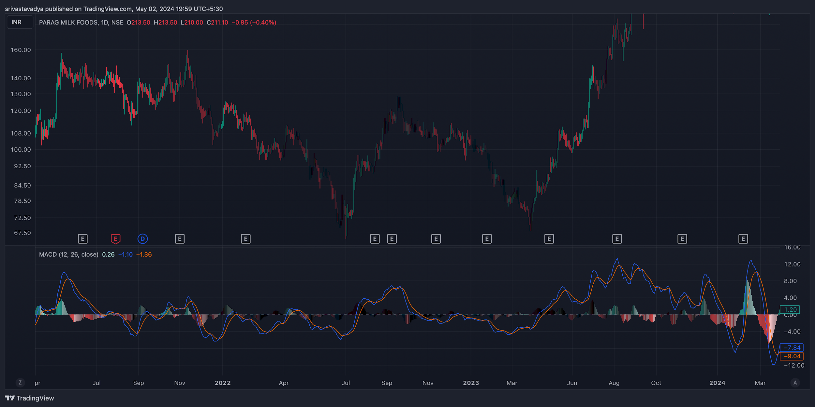
 |  |  | 2021-07-02 | 137.5149994 | 1.027683727 | 138.0496208 | 137.9940225 | -0.05559834685 | 0.7539952928 | -0.8095936397 | 139.5703669 | 135.4596319
 |  | MACD | 2021-07-05 | 137.3050003 | 0.8430902792 | 137.979279 | 137.7771569 | -0.2021221199 | 0.5627718103 | -0.7648939302 | 138.9911809 | 135.6188197
 |  |  | 2021-07-06 | 136.9700012 | 0.9902833164 | 137.7659995 | 137.2871203 | -0.4788792342 | 0.3544416014 | -0.8333208356 | 138.9505678 | 134.9894346
 |  |  | 2021-07-07 | 136.6450012 | 1.21391045 | 137.5240736 | 136.7805127 | -0.743560925 | 0.1348410961 | -0.8784020211 | 139.0728221 | 134.2171803
 |  |  | 2021-07-08 | 136.4400024 | 1.198330625 | 137.3815501 | 136.5204403 | -0.8611098119 | -0.0643490855 | -0.7967607264 | 138.8366636 | 134.0433412
 |  |  | 2021-07-09 | 136.3550018 | 1.272671151 | 137.205139 | 136.2084178 | -0.9967211983 | -0.2508235081 | -0.7458976902 | 138.9003441 | 133.8096595
 |  |  | 2021-07-12 | 136.2150009 | 1.201629659 | 137.1269801 | 136.1206543 | -1.006325815 | -0.4019239695 | -0.6044018456 | 138.6182602 | 133.8117416
 |  |  | 2021-07-13 | 136.0700012 | 1.046474952 | 137.0805371 | 136.1000381 | -0.9804990411 | -0.5176389838 | -0.4628600573 | 138.1629511 | 133.9770513
 |  |  | 2021-07-14 | 136.4700012 | 1.779388997 | 137.3412385 | 136.7109904 | -0.6302481436 | -0.5401608158 | -0.09008732789 | 140.0287792 | 132.9112232
 |  |  | 2021-07-15 | 137.0600021 | 2.508631056 | 137.6937398 | 137.4578531 | -0.2358867266 | -0.4793059979 | 0.2434192713 | 142.0772642 | 132.04274
 |  |  | 2021-07-16 | 137.5950027 | 3.195871154 | 138.1090186 | 138.2737338 | 0.164715275 | -0.3505017433 | 0.5152170184 | 143.986745 | 131.2032604
 |  |  | 2021-07-19 | 138.0650024 | 3.450448288 | 138.3824248 | 138.7341939 | 0.3517690453 | -0.2100475856 | 0.5618166309 | 144.965899 | 131.1641058
 |  |  | 2021-07-20 | 138.3850021 | 3.289551878 | 138.3763195 | 138.5873759 | 0.2110563861 | -0.1258267913 | 0.3368831774 | 144.9641059 | 131.8058983
 |  |  | 2021-07-22 | 139.1800018 | 3.20591573 | 138.6780734 | 139.0992067 | 0.4211332841 | -0.01643477619 | 0.4375680603 | 145.5918333 | 132.7681703
 |  |  | 2021-07-23 | 139.4900009 | 2.961870679 | 138.6796974 | 138.9575403 | 0.2778429018 | 0.04242075941 | 0.2354221424 | 145.4137423 | 133.5662595
 |  |  | 2021-07-26 | 139.7550003 | 2.613583572 | 138.603423 | 138.6767378 | 0.07331472303 | 0.04859955213 | 0.0247151709 | 144.9821674 | 134.5278332
 |  |  | 2021-07-27 | 139.7200012 | 2.668979323 | 138.3957623 | 138.1555921 | -0.2401701888 | -0.009154396054 | -0.2310157927 | 145.0579598 | 134.3820426
 |  |  | 2021-07-28 | 139.7100006 | 2.682538093 | 138.2479276 | 137.8065816 | -0.441345978 | -0.09559271244 | -0.3457532655 | 145.0750768 | 134.3449244
 |  |  | 2021-07-29 | 139.775 | 2.714187722 | 138.4703033 | 138.2546123 | -0.2156910381 | -0.1196123776 | -0.09607866053 | 145.2033754 | 134.3466246
 |  |  | 2021-07-30 | 139.4199997 | 2.606318125 | 138.476207 | 138.2198944 | -0.256312609 | -0.1469524239 | -0.1093601851 | 144.632636 | 134.2073634
 |  |  | 2021-08-02 | 138.7849991 | 2.31301337 | 138.3631544 | 137.9452879 | -0.4178665394 | -0.201135247 | -0.2167312924 | 143.4110258 | 134.1589724
 |  |  | 2021-08-03 | 138.2199982 | 2.181004377 | 138.1992166 | 137.5903136 | -0.60890302 | -0.2826888016 | -0.3262142184 | 142.582007 | 133.8579894
 |  |  | 2021-08-04 | 137.8549973 | 2.454413111 | 137.9363112 | 137.06005 | -0.876261271 | -0.4014032954 | -0.4748579755 | 142.7638235 | 132.9461711
 |  |  | 2021-08-05 | 137.1099976 | 1.991761791 | 137.7188067 | 136.6650106 | -1.053796114 | -0.5318818592 | -0.5219142549 | 141.0935212 | 133.126474
 |  |  | 2021-08-06 | 136.7299973 | 2.017039933 | 137.5100058 | 136.3154173 | -1.194588494 | -0.6644231862 | -0.530165308 | 140.7640772 | 132.6959174
 |  |  | 2021-08-09 | 136.1249985 | 2.547901798 | 137.072228 | 135.513828 | -1.558400006 | -0.8432185501 | -0.7151814556 | 141.2208021 | 131.0291949
 |  |  | 2021-08-10 | 134.8399979 | 4.892045802 | 136.0261368 | 133.5097932 | -2.516343589 | -1.177843558 | -1.338500031 | 144.6240895 | 125.0559063
 |  |  | 2021-08-11 | 133.7899987 | 5.596168976 | 135.2760528 | 132.2662118 | -3.009840948 | -1.544243036 | -1.465597912 | 144.9823367 | 122.5976607
 |  |  | 2021-08-12 | 132.5349984 | 5.124670236 | 134.7889375 | 131.6430981 | -3.145839369 | -1.864562302 | -1.281277067 | 142.7843389 | 122.2856579
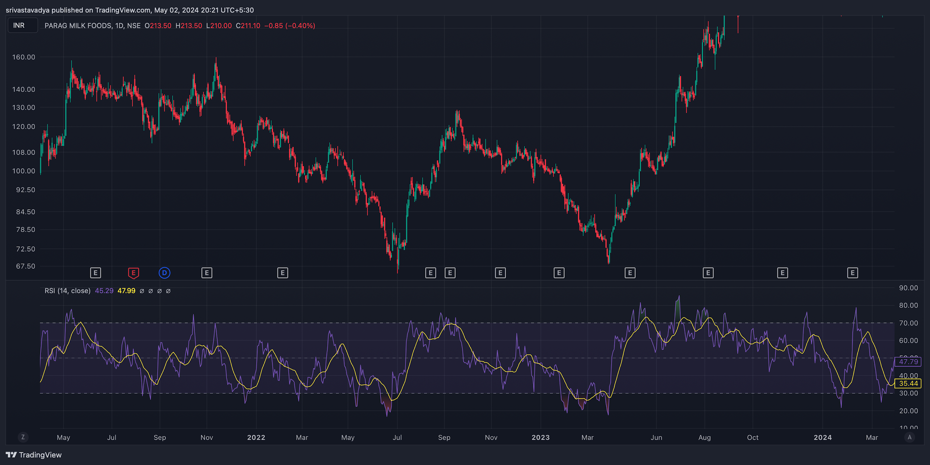
 |  |  | 2021-08-13 | 131.4499978 | 4.850943784 | 134.2638308 | 130.9625818 | -3.301248994 | -2.151899641 | -1.149349353 | 141.1518854 | 121.7481102
 |  | RSI | 2021-08-16 | 130.2599984 | 4.811258289 | 133.581325 | 129.9806018 | -3.600723202 | -2.441664353 | -1.159058849 | 139.882515 | 120.6374818
 |  |  | 2021-08-17 | 128.8499993 | 4.957204169 | 132.727153 | 128.6898933 | -4.03725979 | -2.76078344 | -1.276476349 | 138.7644076 | 118.935591
 |  |  | 2021-08-18 | 127.3000001 | 5.349869079 | 131.7214381 | 127.1532784 | -4.568159706 | -3.122258693 | -1.445901012 | 137.9997383 | 116.6002619
 |  |  | 2021-08-20 | 125.3150003 | 5.835905203 | 130.4939244 | 125.2399959 | -5.253928446 | -3.548592644 | -1.705335803 | 136.9868107 | 113.6431899
 |  |  | 2021-08-23 | 124.1000009 | 4.789629917 | 129.9203003 | 124.7858982 | -5.134402099 | -3.865754535 | -1.268647564 | 133.6792607 | 114.5207411
 |  |  | 2021-08-24 | 122.885 | 4.177654587 | 129.1447223 | 123.8958787 | -5.248843649 | -4.142372358 | -1.106471291 | 131.2403092 | 114.5296908
 |  |  | 2021-08-25 | 122.26 | 4.611808131 | 128.2228908 | 122.7212986 | -5.501592246 | -4.414216335 | -1.087375911 | 131.4836163 | 113.0363837
 |  |  | 2021-08-26 | 121.41 | 4.649539214 | 127.4211953 | 121.8347112 | -5.586484096 | -4.648669887 | -0.9378142082 | 130.7090784 | 112.1109216
 |  |  | 2021-08-27 | 120.4000001 | 3.931567274 | 126.7677733 | 121.2684432 | -5.499330108 | -4.818801931 | -0.6805281763 | 128.2631346 | 112.5368656
 |  |  | 2021-08-30 | 119.4700006 | 3.003258195 | 126.1479384 | 120.7586396 | -5.389298766 | -4.932901298 | -0.4563974674 | 125.476517 | 113.4634842
 |  |  | 2021-08-31 | 120.2549997 | 4.991571765 | 126.6480907 | 122.5496454 | -4.098445284 | -4.766010095 | 0.6675648116 | 130.2381432 | 110.2718562
 |  |  | 2021-09-01 | 121.1199991 | 5.987355104 | 126.9482319 | 123.7279255 | -3.220306399 | -4.456869356 | 1.236562957 | 133.0947093 | 109.1452889
 |  |  | 2021-09-02 | 122.7599992 | 7.454185334 | 127.5854001 | 125.4682788 | -2.117121319 | -3.988919749 | 1.87179843 | 137.6683699 | 107.8516285
 |  |  | 2021-09-03 | 124.7849984 | 7.894689527 | 128.1642589 | 126.9178941 | -1.246364863 | -3.440408771 | 2.194043909 | 140.5743775 | 108.9956193
 |  |  | 2021-09-06 | 125.8049981 | 8.253329929 | 128.518758 | 127.7689868 | -0.7497712188 | -2.902281261 | 2.152510042 | 142.311658 | 109.2983382
 |  |  | 2021-09-07 | 127.0849984 | 8.150154035 | 128.7951463 | 128.4583735 | -0.3367728686 | -2.389179582 | 2.052406714 | 143.3853065 | 110.7846903
 |  |  | 2021-09-08 | 128.6849984 | 7.422975237 | 129.0843945 | 129.1109309 | 0.02653640137 | -1.906036386 | 1.932572787 | 143.5309489 | 113.8390479
 |  |  | 2021-09-09 | 130.0899979 | 6.293372968 | 129.2596243 | 129.4707872 | 0.2111629075 | -1.482596527 | 1.693759435 | 142.6767438 | 117.503252
 |  |  | 2021-09-13 | 131.5699975 | 4.87044235 | 129.5663184 | 130.0752806 | 0.5089622054 | -1.084284781 | 1.593246986 | 141.3108822 | 121.8291128
 |  |  | 2021-09-14 | 132.8399979 | 1.637544862 | 129.6799249 | 130.2329307 | 0.5530057783 | -0.7568266688 | 1.309832447 | 136.1150876 | 129.5649082
 |  |  | 2021-09-15 | 132.5449982 | 1.874158656 | 129.6999302 | 130.1894024 | 0.4894721812 | -0.5075668988 | 0.99703908 | 136.2933155 | 128.7966809
 |  |  | 2021-09-16 | 132.2749985 | 2.312675623 | 129.5740095 | 129.8525713 | 0.2785617997 | -0.3503411591 | 0.6289029588 | 136.9003497 | 127.6496473
 |  |  | 2021-09-17 | 131.6449982 | 2.17542268 | 129.5500088 | 129.759868 | 0.2098592296 | -0.2383010814 | 0.4481603109 | 135.9958436 | 127.2941528
 |  |  | 2021-09-20 | 130.7299988 | 2.338706851 | 129.3055637 | 129.2198883 | -0.08567536786 | -0.2077759387 | 0.1221005708 | 135.4074125 | 126.0525851
 |  |  | 2021-09-21 | 130.0549988 | 2.587624864 | 129.0755217 | 128.7552896 | -0.320232054 | -0.2302671617 | -0.08996489226 | 135.2302485 | 124.8797491
 |  |  | 2021-09-22 | 129.2799988 | 2.986933644 | 128.7365942 | 128.1006297 | -0.6359644656 | -0.3114066225 | -0.3245578431 | 135.2538661 | 123.3061315
 |  |  | 2021-09-23 | 128.4899994 | 3.026346119 | 128.4449948 | 127.592841 | -0.8521538426 | -0.4195560665 | -0.432597776 | 134.5426916 | 122.4373072
 |  |  | Dividend Payment | 127.7449997 | 3.131864918 | 128.1157359 | 127.0400962 | -1.075639732 | -0.5507727997 | -0.5248669326 | 134.0087295 | 121.4812699
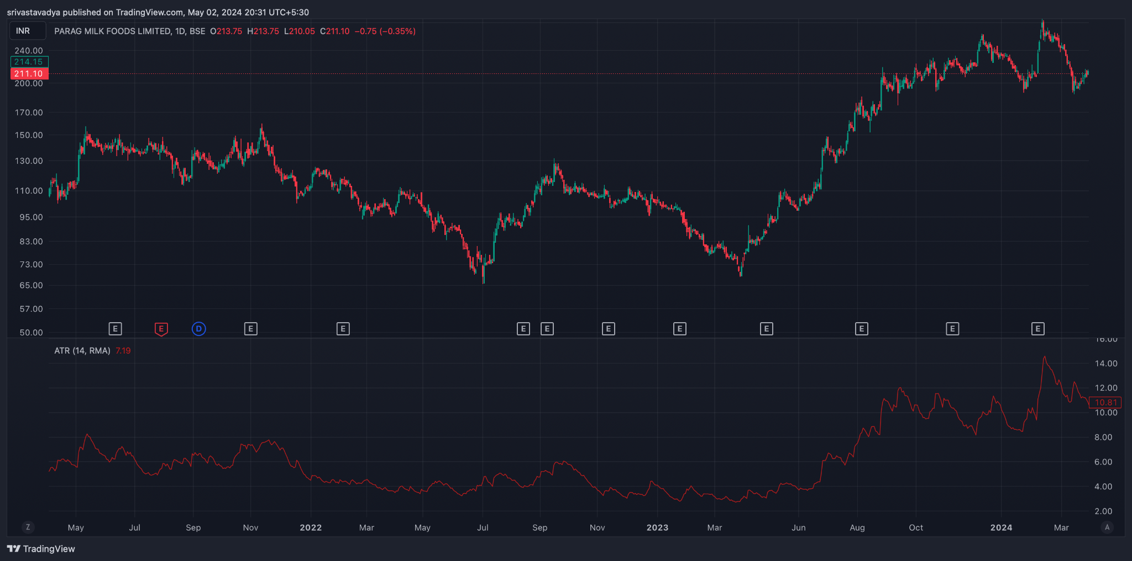
 |  |  | 2021-09-27 | 126.6350006 | 2.860171892 | 127.6849409 | 126.3108511 | -1.374089809 | -0.7154362014 | -0.6586536071 | 132.3553444 | 120.9146568
 |  | ATR | 2021-09-28 | 126.175 | 2.394233714 | 127.5971675 | 126.3399509 | -1.257216577 | -0.8237922765 | -0.4334243004 | 130.9634674 | 121.3865326
 |  |  | 2021-09-29 | 125.8300003 | 2.007097695 | 127.5158958 | 126.3645739 | -1.151321976 | -0.8892982164 | -0.2620237595 | 129.8441957 | 121.8158049
 |  |  | 2021-09-30 | 125.625 | 1.860143952 | 127.3999033 | 126.3007928 | -1.099110525 | -0.9312606782 | -0.167849847 | 129.3452879 | 121.9047121
 |  |  | 2021-10-01 | 125.3050003 | 1.380709325 | 127.2999107 | 126.2622098 | -1.037700955 | -0.9525487336 | -0.08515222164 | 128.066419 | 122.5435816
 |  |  | 2021-10-04 | 125.5150009 | 1.669838879 | 127.3776956 | 126.5834092 | -0.7942863696 | -0.9208962608 | 0.1266098912 | 128.8546787 | 122.1753231
 |  |  | 2021-10-05 | 125.9350006 | 2.278527726 | 127.6015695 | 127.1705761 | -0.4309934336 | -0.8229156953 | 0.3919222617 | 130.4920561 | 121.3779451
 |  |  | 2021-10-06 | 126.325 | 2.338593305 | 127.6607121 | 127.3597173 | -0.3009947694 | -0.7185315101 | 0.4175367407 | 131.0021866 | 121.6478134
 |  |  | 2021-10-07 | 127.1550003 | 3.089538859 | 128.0636227 | 128.2428386 | 0.1792159079 | -0.5389820265 | 0.7181979344 | 133.334078 | 120.9759226
 |  |  | 2021-10-08 | 128.1350006 | 3.504049742 | 128.4885398 | 129.097787 | 0.6092472145 | -0.3093361783 | 0.9185833928 | 135.1431001 | 121.1269011
 |  |  | 2021-10-11 | 129.4400009 | 3.519534841 | 128.9967965 | 130.0596668 | 1.062870304 | -0.03489488185 | 1.097765186 | 136.4790706 | 122.4009312
 |  |  | 2021-10-12 | 130.3600006 | 3.852330909 | 129.4933299 | 130.9274099 | 1.434080038 | 0.258900102 | 1.175179936 | 138.0646624 | 122.6553388
 |  |  | 2021-10-13 | 132.325 | 6.049574286 | 130.7271569 | 133.269346 | 2.542189076 | 0.7155578968 | 1.826631179 | 144.4241486 | 120.2258514
 |  |  | 2021-10-14 | 133.8699997 | 6.211286801 | 131.5177374 | 134.5202149 | 3.002477479 | 1.172941813 | 1.829535665 | 146.2925733 | 121.4474261
 |  |  | 2021-10-18 | 134.95 | 5.610355863 | 131.9127203 | 134.8786443 | 2.965924022 | 1.531538255 | 1.434385767 | 146.1707117 | 123.7292883
 |  |  | 2021-10-19 | 135.3049988 | 5.246874313 | 131.9117776 | 134.4203904 | 2.508612818 | 1.726953168 | 0.7816596506 | 145.7987474 | 124.8112502
 |  |  | 2021-10-20 | 135.8399994 | 4.955848488 | 132.1960904 | 134.6249457 | 2.42885537 | 1.867333608 | 0.5615217618 | 145.7516964 | 125.9283024
 |  |  | 2021-10-21 | 136.1899994 | 4.471997693 | 132.1741573 | 134.2057224 | 2.031565091 | 1.900179905 | 0.1313851866 | 145.1339948 | 127.246004
 |  |  | 2021-10-22 | 135.6599991 | 5.142673834 | 131.8501459 | 133.2202271 | 1.370081231 | 1.79416017 | -0.424078939 | 145.9453468 | 125.3746514
 |  |  | 2021-10-25 | 135.1699982 | 5.556386937 | 131.6316161 | 132.5555758 | 0.9239597538 | 1.620120087 | -0.696160333 | 146.2827721 | 124.0572243
 |  |  | 2021-10-26 | 135.199997 | 5.558276272 | 131.9292737 | 133.0316402 | 1.102366462 | 1.516569362 | -0.4142028995 | 146.3165495 | 124.0834445
 |  |  | 2021-10-27 | 135.274997 | 5.570818472 | 132.2641421 | 133.5575412 | 1.293399121 | 1.471935314 | -0.178536193 | 146.4166339 | 124.1333601
 |  |  | 2021-10-28 | 133.8799973 | 4.096556679 | 132.2593906 | 133.3486883 | 1.089297652 | 1.395407781 | -0.3061101293 | 142.0731107 | 125.6868839
 |  |  | 2021-10-29 | 133.1749985 | 3.157641777 | 132.414251 | 133.5027372 | 1.088486135 | 1.334023452 | -0.245537317 | 139.4902821 | 126.8597149
 |  |  | 2021-11-01 | 133.3849976 | 3.4823403 | 132.8983803 | 134.3407771 | 1.44239678 | 1.355698118 | 0.08669866213 | 140.3496782 | 126.420317
 |  |  | 2021-11-02 | 133.8299988 | 3.55505937 | 133.1540563 | 134.6498893 | 1.49583294 | 1.383725082 | 0.1121078577 | 140.9401175 | 126.7198801
 |  |  | 2021-11-03 | 133.6999985 | 3.500397065 | 133.2500519 | 134.6191366 | 1.369084678 | 1.380797001 | -0.01171232294 | 140.7007926 | 126.6992044
 |  |  | 2021-11-04 | 134.2049988 | 3.575335843 | 133.5241219 | 134.9777305 | 1.45360858 | 1.395359317 | 0.05824926279 | 141.3556705 | 127.0543271
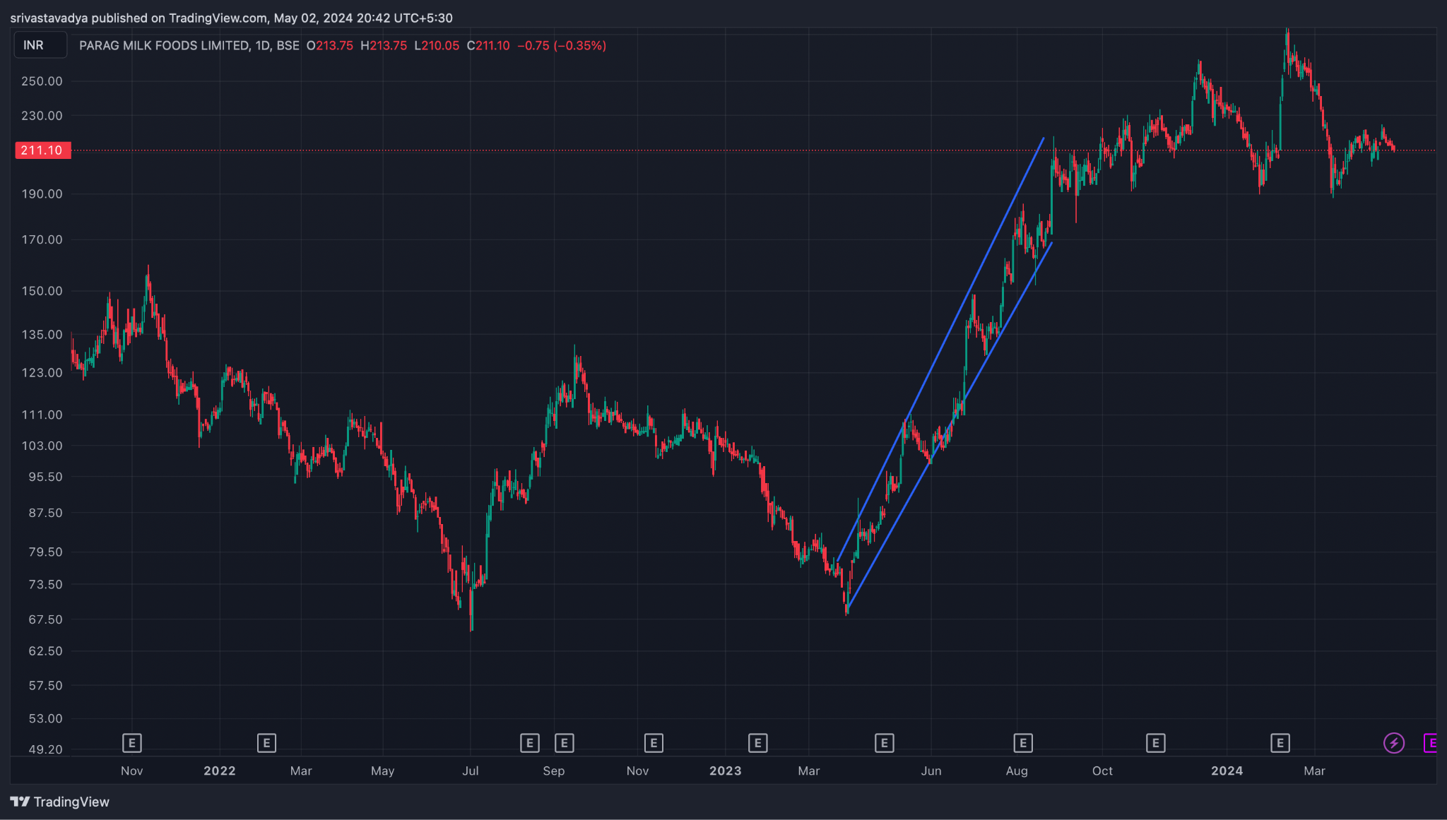
 |  |  | 2021-11-08 | 134.9599991 | 2.78156737 | 133.6593726 | 135.0350037 | 1.37563106 | 1.391413666 | -0.01578260556 | 140.5231338 | 129.3968644
 |  | RISING WEDGE | 2021-11-09 | 136 | 2.132552112 | 134.0771971 | 135.6911574 | 1.61396033 | 1.435922999 | 0.1780373317 | 140.2651042 | 131.7348958
 |  |  | 2021-11-10 | 136.9100006 | 3.481522519 | 134.8677751 | 137.0848255 | 2.217050427 | 1.592148484 | 0.6249019428 | 143.8730456 | 129.9469556
 |  |  | 2021-11-11 | 138.7800003 | 6.721489242 | 136.3701617 | 139.8640822 | 3.493920532 | 1.972502894 | 1.521417638 | 152.2229788 | 125.3370218
 |  |  | 2021-11-12 | 140.7400009 | 7.411805613 | 137.5131129 | 141.7003777 | 4.187264831 | 2.415455281 | 1.77180955 | 155.5636121 | 125.9163897
 |  |  | 2021-11-15 | 141.9850006 | 7.263341059 | 138.2010307 | 142.4849354 | 4.283904782 | 2.789145181 | 1.4947596 | 156.5116827 | 127.4583185
 |  |  | 2021-11-16 | 142.2900009 | 7.185354212 | 138.4824358 | 142.41033 | 3.927894193 | 3.016894984 | 0.9109992094 | 156.6607093 | 127.9192925
 |  |  | 2021-11-17 | 142.9550003 | 6.875577985 | 138.8170702 | 142.5010485 | 3.683978271 | 3.150311641 | 0.5336666298 | 156.7061563 | 129.2038443
 |  |  | 2021-11-18 | 143.625 | 6.252964846 | 138.9898794 | 142.2931939 | 3.303314568 | 3.180912227 | 0.1224023417 | 156.1309297 | 131.1190703
 |  |  | 2021-11-22 | 143.3600006 | 6.613066035 | 138.6424811 | 141.0634722 | 2.420991137 | 3.028928009 | -0.607936872 | 156.5861327 | 130.1338685
 |  |  | 2021-11-23 | 143.325 | 6.66092359 | 138.3726677 | 140.1306304 | 1.757962669 | 2.774734941 | -1.016772272 | 156.6468472 | 130.0031528
 |  |  | 2021-11-24 | 142.9349991 | 7.026894682 | 138.1524696 | 139.4028401 | 1.250370511 | 2.469862055 | -1.219491544 | 156.9887885 | 128.8812097
 |  |  | 2021-11-25 | 141.8849991 | 7.494481087 | 137.8633978 | 138.6100955 | 0.7466976976 | 2.125229183 | -1.378531486 | 156.8739613 | 126.8960369
 |  |  | 2021-11-26 | 139.0599999 | 7.259392877 | 137.0512944 | 136.8085427 | -0.2427517565 | 1.651632995 | -1.894384752 | 153.5787857 | 124.5412141
 |  |  | 2021-11-29 | 136.0749993 | 7.569172118 | 135.9326798 | 134.5226126 | -1.410067235 | 1.039292949 | -2.449360184 | 151.2133435 | 120.9366551
 |  |  | 2021-11-30 | 133.669999 | 7.603514805 | 134.956185 | 132.7114414 | -2.244743598 | 0.3824856397 | -2.627229238 | 148.8770286 | 118.4629694
 |  |  | 2021-12-01 | 131.6399987 | 7.838678712 | 133.9742451 | 131.017373 | -2.956872116 | -0.2853859113 | -2.671486204 | 147.3173561 | 115.9626413
 |  |  | 2021-12-02 | 129.519999 | 7.271220699 | 133.0724494 | 129.5993161 | -3.473133329 | -0.9229353948 | -2.550197934 | 144.0624404 | 114.9775576
 |  |  | 2021-12-03 | 127.0249993 | 7.116110741 | 131.8226381 | 127.5378824 | -4.284755745 | -1.595299465 | -2.68945628 | 141.2572208 | 112.7927778
 |  |  | 2021-12-06 | 125.2649987 | 7.291206737 | 130.7024425 | 125.8705154 | -4.831927089 | -2.24262499 | -2.589302099 | 139.8474122 | 110.6825852
 |  |  | 2021-12-07 | 123.4799989 | 6.812373868 | 129.698558 | 124.528898 | -5.169660055 | -2.828032003 | -2.341628052 | 137.1047466 | 109.8552512
 |  |  | 2021-12-08 | 121.6799997 | 5.579287563 | 128.7875539 | 123.4321447 | -5.355409131 | -3.333507428 | -2.021901702 | 132.8385748 | 110.5214246
 |  |  | 2021-12-09 | 119.9999994 | 3.52483337 | 127.9477348 | 122.5118143 | -5.435920525 | -3.753990048 | -1.681930477 | 127.0496661 | 112.9503327
 |  |  | 2021-12-10 | 119.169999 | 2.566472157 | 127.2553099 | 121.9099964 | -5.345313468 | -4.072254732 | -1.273058736 | 124.3029433 | 114.0370547
 |  |  | 2021-12-13 | 118.8299996 | 2.375360189 | 126.6104723 | 121.3930744 | -5.217397986 | -4.301283383 | -0.9161146031 | 123.58072 | 114.0792792
 |  |  | 2021-12-14 | 118.6199998 | 2.062523554 | 126.168956 | 121.2787555 | -4.890200488 | -4.419066804 | -0.4711336844 | 122.7450469 | 114.4949527
 |  |  | 2021-12-15 | 118.3050004 | 1.757912312 | 125.6045891 | 120.8589475 | -4.74564168 | -4.484381779 | -0.2612599007 | 121.820825 | 114.7891758
 |  |  | 2021-12-16 | 117.7650003 | 1.34619942 | 124.9227679 | 120.1729558 | -4.749812018 | -4.537467827 | -0.2123441917 | 120.4573991 | 115.0726015
 |  |  | 2021-12-17 | 117.4450006 | 1.987244613 | 124.0395999 | 119.0694242 | -4.970175697 | -4.624009401 | -0.3461662961 | 121.4194898 | 113.4705114
 |  |  | 2021-12-20 | 116.2900011 | 4.381957859 | 122.6403704 | 116.9279746 | -5.71239579 | -4.841686679 | -0.8707091115 | 125.0539168 | 107.5260854
 |  |  | 2021-12-21 | 115.1650011 | 5.45048644 | 121.4003431 | 115.2313634 | -6.168979672 | -5.107145277 | -1.061834395 | 126.065974 | 104.2640282
 |  |  | 2021-12-22 | 114.2250009 | 5.820235103 | 120.4077251 | 114.118846 | -6.288879116 | -5.343492045 | -0.9453870709 | 125.8654711 | 102.5845307
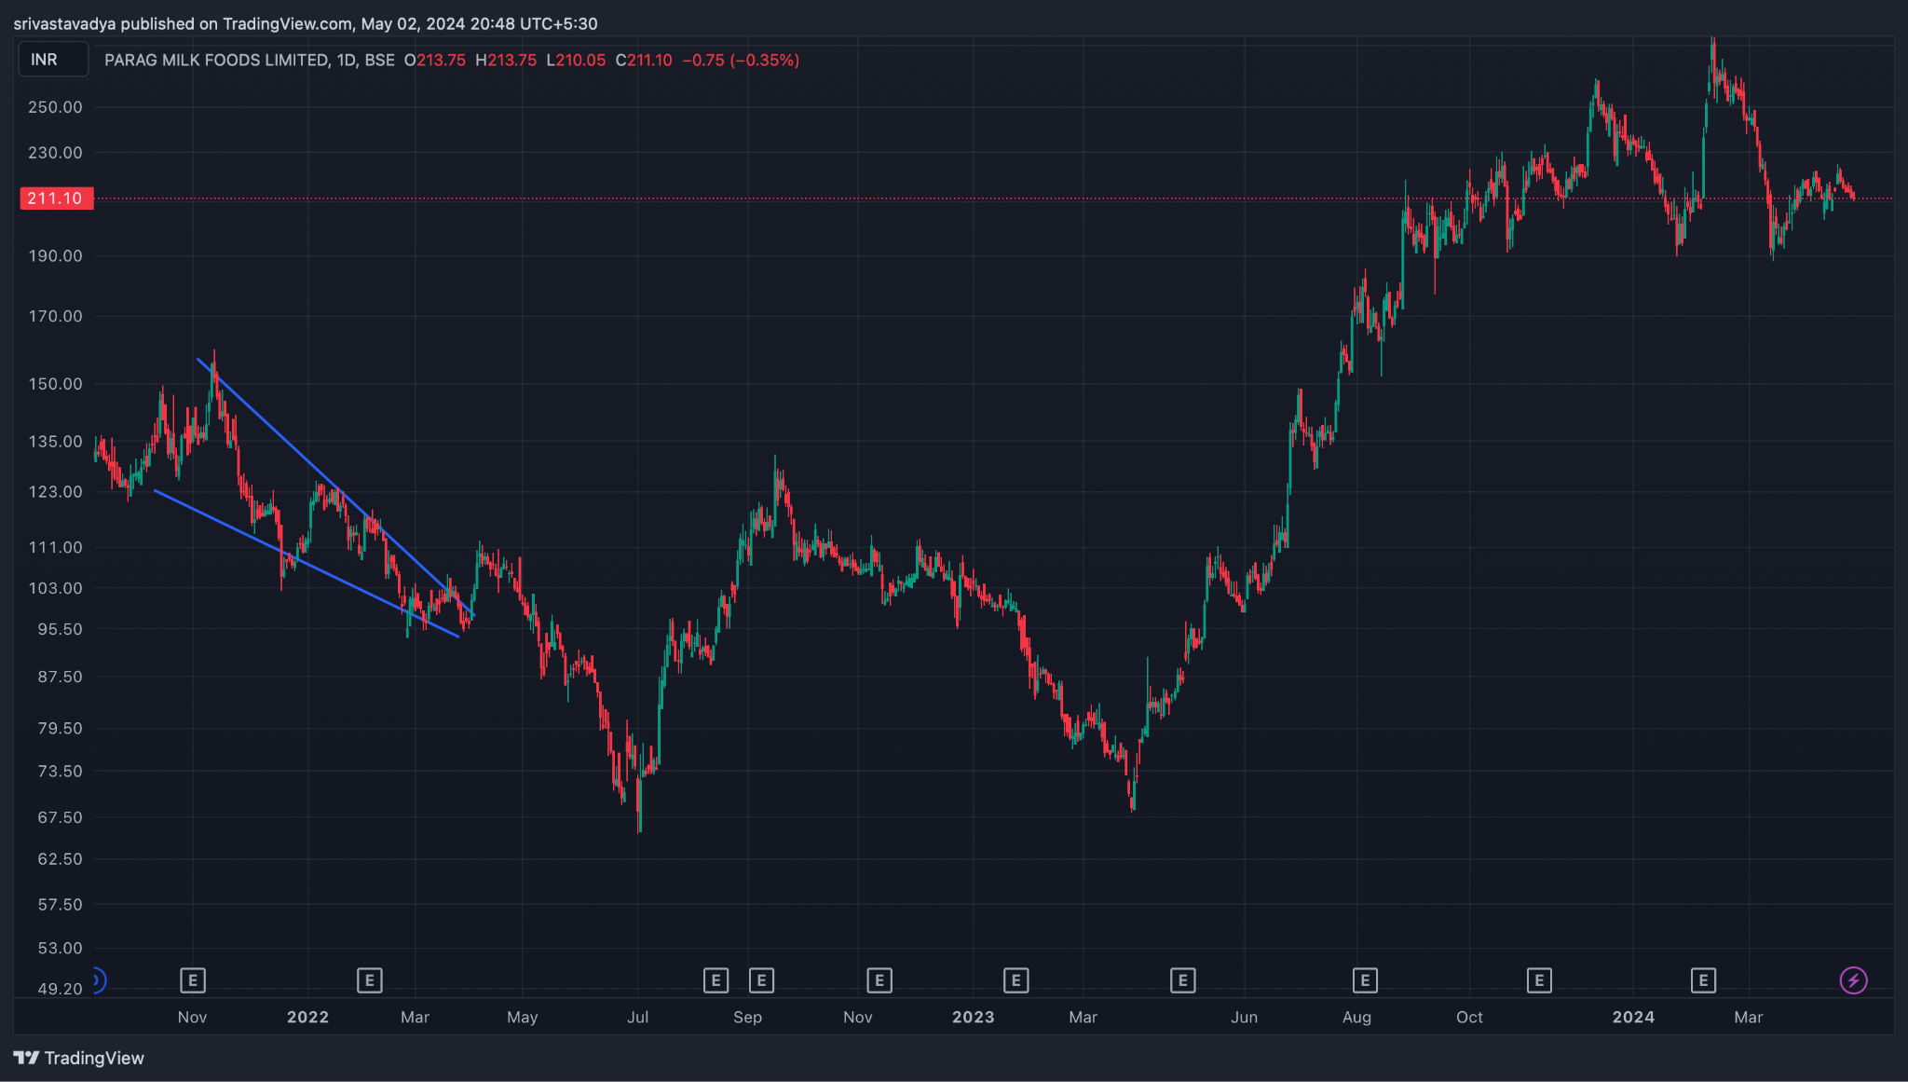
 |  |  | 2021-12-23 | 113.340001 | 5.946838931 | 119.5330787 | 113.2697925 | -6.2632862 | -5.527450876 | -0.7358353242 | 125.2336789 | 101.4463231
 |  | DESCENDING TRIANGLE | 2021-12-24 | 112.240001 | 5.882781895 | 118.6491468 | 112.3975164 | -6.251630369 | -5.672286775 | -0.5793435947 | 124.0055648 | 100.4744372
 |  |  | 2021-12-27 | 111.1550004 | 5.582585556 | 117.8380986 | 111.6748211 | -6.163277529 | -5.770484926 | -0.3927926035 | 122.3201715 | 99.98982929
 |  |  | 2021-12-28 | 110.1650002 | 4.480765305 | 117.3130543 | 111.5325409 | -5.780513355 | -5.772490611 | -0.008022743349 | 119.1265308 | 101.2034696
 |  |  | 2021-12-29 | 109.4750001 | 3.461394652 | 116.8935689 | 111.5506119 | -5.342957066 | -5.686583902 | 0.3436268364 | 116.3977894 | 102.5522108
 |  |  | 2021-12-30 | 108.8500001 | 2.503885929 | 116.3940454 | 111.3351334 | -5.05891203 | -5.561049528 | 0.502137498 | 113.857772 | 103.8422282
 |  |  | 2021-12-31 | 108.7300004 | 2.303644971 | 116.053746 | 111.4066518 | -4.647094192 | -5.378258461 | 0.7311642686 | 113.3372903 | 104.1227105
 |  |  | 2022-01-03 | 109.5050004 | 2.26880527 | 115.8201353 | 111.636398 | -4.183737343 | -5.139354237 | 0.9556168944 | 114.0426109 | 104.9673899
 |  |  | 2022-01-04 | 110.975 | 3.870418671 | 116.1741992 | 113.0154134 | -3.158785858 | -4.743240561 | 1.584454703 | 118.7158373 | 103.2341627
 |  |  | 2022-01-05 | 112.2599998 | 4.795530116 | 116.5205547 | 114.2207341 | -2.299820612 | -4.254556571 | 1.95473596 | 121.85106 | 102.6689396
 |  |  | 2022-01-06 | 113.7 | 5.658719596 | 117.0005136 | 115.5713904 | -1.429123229 | -3.689469903 | 2.260346674 | 125.0174392 | 102.3825608
 |  |  | 2022-01-07 | 115.1650002 | 5.79866064 | 117.3893645 | 116.5988688 | -0.7904956704 | -3.109675056 | 2.319179386 | 126.7623215 | 103.5676789
 |  |  | 2022-01-10 | 116.6600007 | 5.583397026 | 117.7790413 | 117.5298124 | -0.2492289543 | -2.537585836 | 2.288356882 | 127.8267948 | 105.4932066
 |  |  | 2022-01-11 | 117.5000009 | 5.215201029 | 117.880594 | 117.7790723 | -0.101521653 | -2.050372999 | 1.948851346 | 127.930403 | 107.0695988
 |  |  | 2022-01-12 | 118.3800004 | 4.847919309 | 118.0709201 | 118.1899838 | 0.1190636873 | -1.616485662 | 1.735549349 | 128.075839 | 108.6841618
 |  |  | 2022-01-13 | 119.4849999 | 3.937429546 | 118.3027036 | 118.6530628 | 0.3503591684 | -1.223116696 | 1.573475864 | 127.359859 | 111.6101408
 |  |  | 2022-01-14 | 120.3599999 | 2.866452843 | 118.4691702 | 118.9448997 | 0.4757295063 | -0.8833474555 | 1.359076962 | 126.0929056 | 114.6270942
 |  |  | 2022-01-17 | 121.3799995 | 1.308136767 | 118.8121945 | 119.5841456 | 0.7719511157 | -0.5522877413 | 1.324238857 | 123.996273 | 118.763726
 |  |  | 2022-01-18 | 121.2099999 | 1.514888438 | 118.8186987 | 119.4788927 | 0.6601939935 | -0.3097913943 | 0.9699853879 | 124.2397768 | 118.180223
 |  |  | 2022-01-19 | 121.0699998 | 1.613346811 | 118.8654616 | 119.4744472 | 0.6089856615 | -0.1260359832 | 0.7350216446 | 124.2966934 | 117.8433062
 |  |  | 2022-01-20 | 120.7649995 | 1.491652516 | 118.9457975 | 119.5476087 | 0.6018112057 | 0.0195334546 | 0.5822777511 | 123.7483045 | 117.7816945
 |  |  | 2022-01-21 | 120.2849992 | 1.716108558 | 118.8349975 | 119.2248992 | 0.3899017466 | 0.09360711299 | 0.2962946336 | 123.7172163 | 116.8527821
 |  |  | 2022-01-24 | 119.2549988 | 2.853209787 | 118.3546272 | 118.1672221 | -0.1874050348 | 0.03740468344 | -0.2248097182 | 124.9614184 | 113.5485792
 |  |  | 2022-01-25 | 118.7949989 | 3.219337697 | 118.0728032 | 117.6107269 | -0.4620762733 | -0.06249150791 | -0.3995847654 | 125.2336743 | 112.3563235
 |  |  | 2022-01-27 | 118.0499992 | 3.629661216 | 117.69704 | 116.9013843 | -0.7956556736 | -0.2091243411 | -0.5865313326 | 125.3093216 | 110.7906768
 |  |  | 2022-01-28 | 117.2999992 | 3.680956969 | 117.4009627 | 116.4088632 | -0.992099538 | -0.3657193804 | -0.6263801575 | 124.6619131 | 109.9380853
 |  |  | 2022-01-31 | 116.2399986 | 4.138826898 | 116.8490393 | 115.4151914 | -1.43384787 | -0.5793450784 | -0.8545027917 | 124.5176524 | 107.9623448
 |  |  | 2022-02-01 | 114.919999 | 3.798844393 | 116.3342958 | 114.5667008 | -1.767595049 | -0.8169950725 | -0.9505999765 | 122.5176878 | 107.3223102
 |  |  | 2022-02-02 | 114.7349991 | 3.624533871 | 116.3873112 | 114.9487473 | -1.438563898 | -0.9413088376 | -0.4972550605 | 121.9840668 | 107.4859314
 |  |  | 2022-02-03 | 114.2749992 | 3.230088277 | 116.2734361 | 114.9335551 | -1.339881043 | -1.021023279 | -0.3188577644 | 120.7351758 | 107.8148226
 |  |  | 2022-02-04 | 113.9149993 | 2.681319186 | 116.2791074 | 115.1514694 | -1.127637997 | -1.042346222 | -0.08529177442 | 119.2776377 | 108.5523609
 |  |  | 2022-02-07 | 113.6299994 | 2.400602199 | 116.1547289 | 115.0666276 | -1.088101274 | -1.051497233 | -0.03660404119 | 118.4312038 | 108.828795
 |  |  | 2022-02-08 | 113.7249999 | 2.36281991 | 115.9432677 | 114.7948392 | -1.148428499 | -1.070883486 | -0.07754501323 | 118.4506397 | 108.9993601
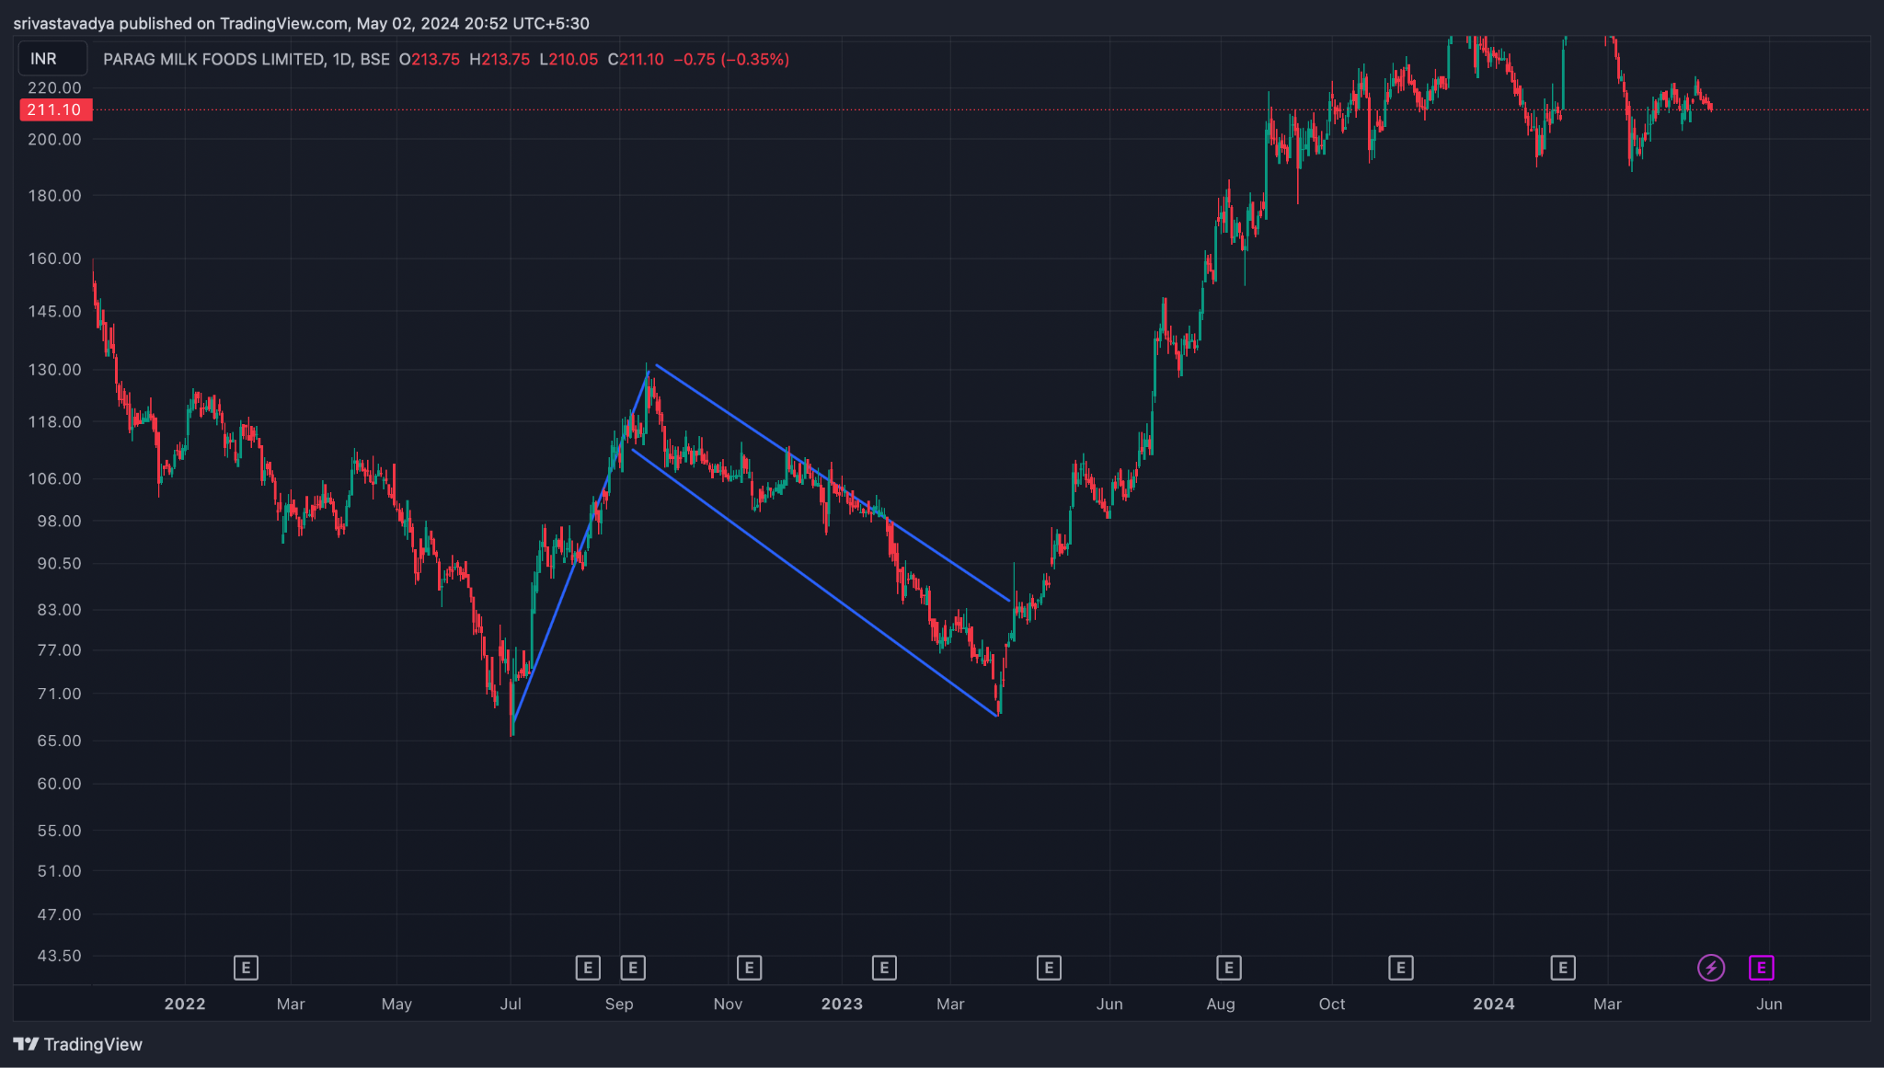
 |  |  | 2022-02-09 | 113.7849998 | 2.393515832 | 115.8845073 | 114.8494796 | -1.035027647 | -1.063712318 | 0.02868467095 | 118.5720315 | 108.9979681
 |  | BULLISH FLAG | 2022-02-10 | 113.9699996 | 2.397591605 | 115.807877 | 114.8495594 | -0.9583175821 | -1.042633371 | 0.08431578888 | 118.7651828 | 109.1748164
 |  |  | 2022-02-11 | 113.8400001 | 2.448559711 | 115.5554418 | 114.4727044 | -1.082737382 | -1.050654173 | -0.0320832088 | 118.7371195 | 108.9428807
 |  |  | 2022-02-14 | 113.4200004 | 3.37492357 | 114.8291128 | 113.1307499 | -1.698362885 | -1.180195915 | -0.5181669692 | 120.1698475 | 106.6701533
 |  |  | 2022-02-15 | 113.1499999 | 3.772414977 | 114.2639931 | 112.2183264 | -2.045666719 | -1.353290076 | -0.6923766425 | 120.6948299 | 105.6051699
 |  |  | 2022-02-16 | 112.1349998 | 3.966949995 | 113.7185123 | 111.4001226 | -2.318389646 | -1.54630999 | -0.7720796557 | 120.0688998 | 104.2010998
 |  |  | 2022-02-17 | 111.3050003 | 4.19738295 | 113.1875116 | 110.6539504 | -2.533561208 | -1.743760234 | -0.7898009745 | 119.6997662 | 102.9102344
 |  |  | 2022-02-18 | 110.2600007 | 4.101544098 | 112.647696 | 109.9225737 | -2.725122356 | -1.940032658 | -0.7850896977 | 118.4630889 | 102.0569125
 |  |  | 2022-02-21 | 108.9800012 | 4.56746919 | 111.8441632 | 108.6729474 | -3.171215798 | -2.186269286 | -0.9849465118 | 118.1149396 | 99.84506282
 |  |  | 2022-02-22 | 107.6400011 | 5.094484386 | 110.9594105 | 107.3232635 | -3.636147027 | -2.476244834 | -1.159902193 | 117.8289699 | 97.45103233
 |  |  | 2022-02-23 | 106.1550012 | 4.81902655 | 110.1698248 | 106.2427619 | -3.927062901 | -2.766408448 | -1.160654454 | 115.7930543 | 96.5169481
 |  |  | 2022-02-24 | 104.2250017 | 4.814574964 | 109.086875 | 104.5977221 | -4.489152969 | -3.110957352 | -1.378195617 | 113.8541516 | 94.59585177
 |  |  | 2022-02-25 | 102.9500017 | 4.034089889 | 108.3878474 | 103.8365344 | -4.55131304 | -3.399028489 | -1.15228455 | 111.0181815 | 94.88182192
 |  |  | 2022-02-28 | 102.4250017 | 3.97032323 | 107.8035624 | 103.3232214 | -4.480341026 | -3.615290997 | -0.8650500294 | 110.3656482 | 94.48435524
 |  |  | 2022-03-02 | 101.6200022 | 3.701591248 | 107.1625579 | 102.6811876 | -4.481370303 | -3.788506858 | -0.692863445 | 109.0231847 | 94.2168197
 |  |  | 2022-03-03 | 100.8750017 | 3.242020412 | 106.5912571 | 102.1840814 | -4.407175744 | -3.912240635 | -0.4949351091 | 107.3590425 | 94.39096088
 |  |  | 2022-03-04 | 100.1300012 | 2.581795415 | 106.036349 | 101.709607 | -4.326742028 | -3.995140914 | -0.3316011139 | 105.293592 | 94.96641037
 |  |  | 2022-03-07 | 99.2200013 | 1.810647173 | 105.3521753 | 100.9542833 | -4.397891942 | -4.075691119 | -0.3222008222 | 102.8412956 | 95.59870695
 |  |  | 2022-03-08 | 98.6800012 | 1.76023909 | 104.6890513 | 100.2536247 | -4.435426661 | -4.147638228 | -0.2877884334 | 102.2004794 | 95.15952302
 |  |  | 2022-03-09 | 98.6100007 | 1.71978577 | 104.2824547 | 100.0915281 | -4.190926608 | -4.156295904 | -0.0346307039 | 102.0495722 | 95.17042916
 |  |  | 2022-03-10 | 98.5000001 | 1.632651368 | 103.9059764 | 99.95436946 | -3.951606889 | -4.115358101 | 0.1637512116 | 101.7653028 | 95.23469736
 |  |  | 2022-03-11 | 98.8500001 | 1.263371798 | 103.5462746 | 99.81523616 | -3.731038462 | -4.038494173 | 0.3074557114 | 101.3767437 | 96.3232565
 |  |  | 2022-03-14 | 98.7449997 | 1.232757608 | 103.1798838 | 99.62827645 | -3.551607318 | -3.941116802 | 0.3895094841 | 101.2105149 | 96.27948448
 |  |  | 2022-03-15 | 98.6299995 | 1.09701455 | 102.8961885 | 99.58546438 | -3.310724145 | -3.81503827 | 0.5043141258 | 100.8240286 | 96.4359704
 |  |  | 2022-03-16 | 98.784999 | 1.273891976 | 102.7335077 | 99.75693093 | -2.976576734 | -3.647345963 | 0.6707692293 | 101.332783 | 96.23721505
 |  |  | 2022-03-17 | 98.884999 | 1.367690791 | 102.5643587 | 99.86355648 | -2.700802247 | -3.45803722 | 0.757234973 | 101.6203806 | 96.14961742
 |  |  | 2022-03-21 | 99.2749992 | 1.891537 | 102.5966285 | 100.3460863 | -2.250542199 | -3.216538216 | 0.965996017 | 103.0580732 | 95.4919252
 |  |  | 2022-03-22 | 99.6749992 | 1.725663814 | 102.4635451 | 100.4159196 | -2.047625486 | -2.98275567 | 0.9351301834 | 103.1263268 | 96.22367157
 |  |  | 2022-03-23 | 100.2299987 | 1.420915365 | 102.4255045 | 100.6519315 | -1.77357298 | -2.740919132 | 0.9673461521 | 103.0718294 | 97.38816797
 |  |  | 2022-03-24 | 100.4499992 | 1.414017378 | 102.3495413 | 100.7670193 | -1.582522064 | -2.509239718 | 0.9267176539 | 103.278034 | 97.62196444
 |  |  | 2022-03-25 | 100.5099998 | 1.367032274 | 102.1606866 | 100.6182475 | -1.542439107 | -2.315879596 | 0.7734404888 | 103.2440643 | 97.77593525
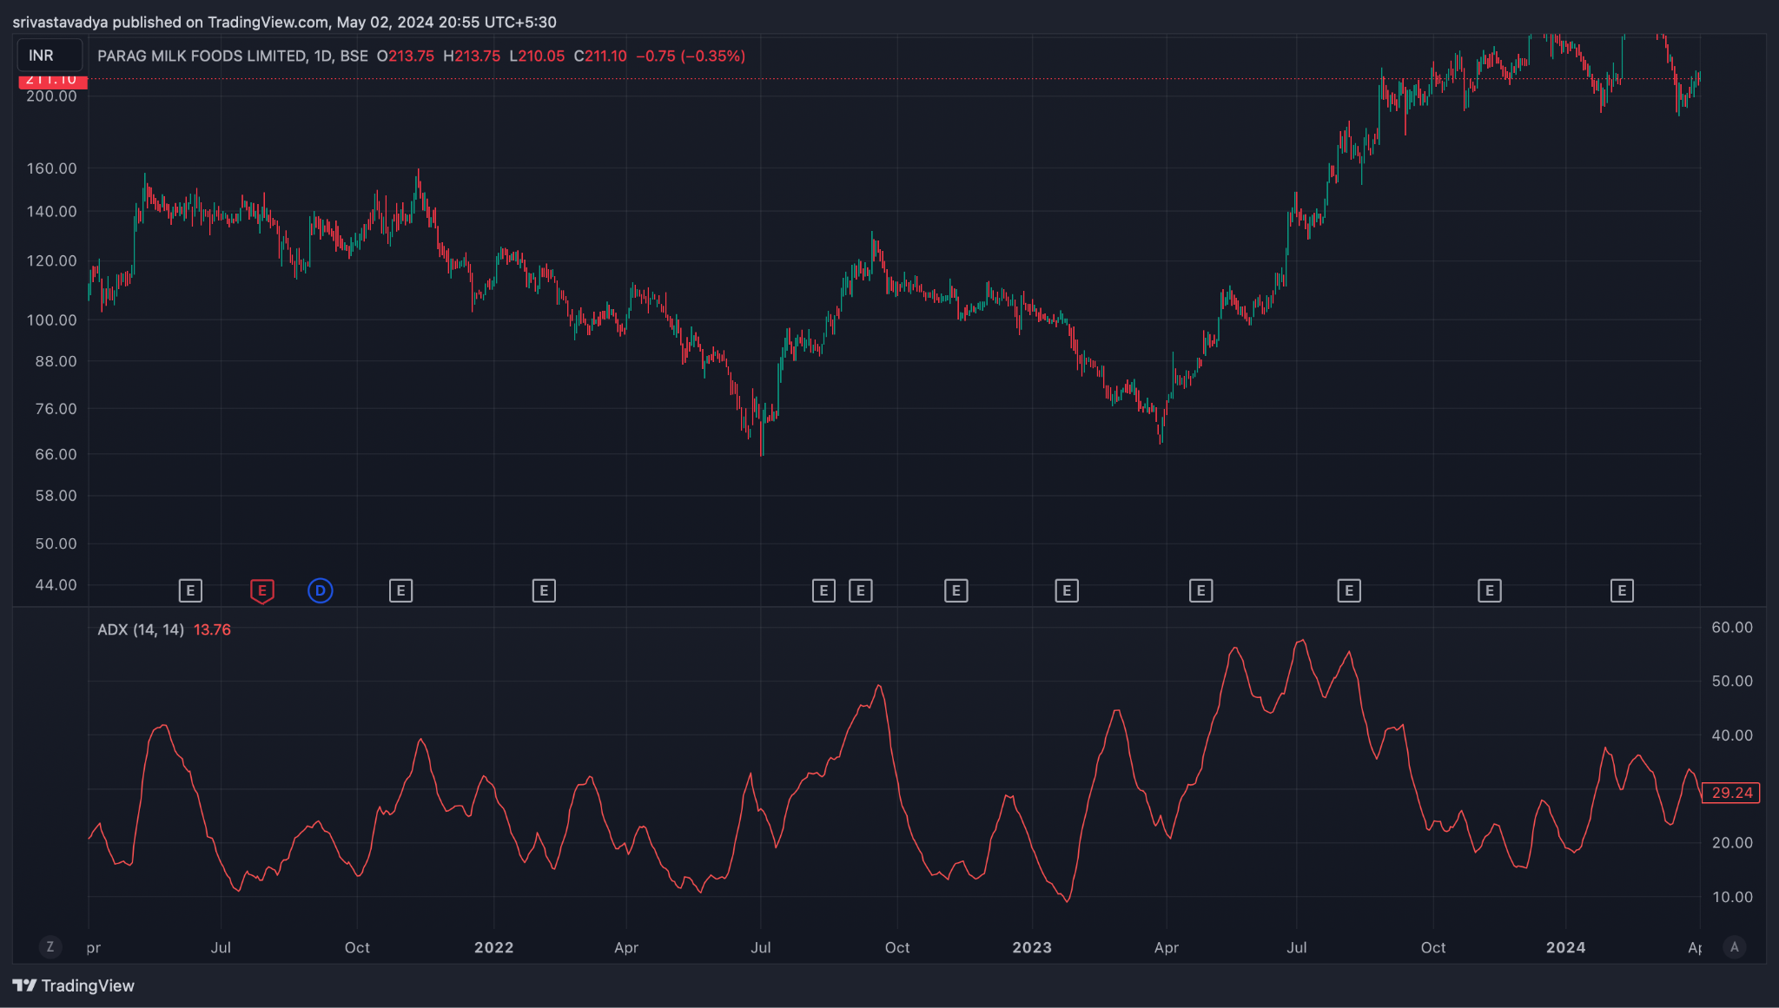
 |  |  | 2022-03-28 | 100.2649993 | 1.806631799 | 101.7487838 | 100.0000553 | -1.748728481 | -2.202449373 | 0.4537208916 | 103.8782629 | 96.6517357
 |  | ADX | 2022-03-29 | 99.9849998 | 2.254753782 | 101.3081334 | 99.35389341 | -1.954239946 | -2.152807488 | 0.1985675418 | 104.4945074 | 95.47549224
 |  |  | 2022-03-30 | 99.7300003 | 2.468601975 | 100.9741978 | 98.96098719 | -2.013210581 | -2.124888106 | 0.1116775254 | 104.6672043 | 94.79279635
 |  |  | 2022-03-31 | 99.3350006 | 2.60821825 | 100.6612942 | 98.62083532 | -2.040458918 | -2.108002269 | 0.06754335062 | 104.5514371 | 94.1185641
 |  |  | 2022-04-01 | 99.3400009 | 2.610640164 | 100.6493465 | 98.90993758 | -1.739408938 | -2.034283603 | 0.2948746645 | 104.5612812 | 94.11872057
 |  |  | 2022-04-04 | 99.3250007 | 2.58760324 | 100.8123577 | 99.51610072 | -1.296257017 | -1.886678285 | 0.5904212683 | 104.5002072 | 94.14979422
 |  |  | 2022-04-05 | 100.0500007 | 3.785278474 | 101.3484796 | 100.8290088 | -0.5194708453 | -1.613236797 | 1.093765952 | 107.6205576 | 92.47944375
 |  |  | 2022-04-06 | 100.7950012 | 4.798347852 | 101.9448887 | 102.1476231 | 0.2027344328 | -1.250042551 | 1.452776984 | 110.3916969 | 91.1983055
 |  |  | 2022-04-07 | 101.455001 | 5.316716441 | 102.3934154 | 103.0479888 | 0.6545733439 | -0.8691193723 | 1.523692716 | 112.0884339 | 90.82156812
 |  |  | 2022-04-08 | 102.3850005 | 5.787584734 | 102.8901993 | 103.9790671 | 1.088867792 | -0.4775219396 | 1.566389731 | 113.96017 | 90.80983103
 |  |  | 2022-04-11 | 103.5150009 | 5.633680581 | 103.2612958 | 104.5822879 | 1.320992048 | -0.1178191421 | 1.43881119 | 114.7823621 | 92.24763974
 |  |  | 2022-04-12 | 104.5950004 | 4.988623027 | 103.5086071 | 104.8927048 | 1.384097718 | 0.18256423 | 1.201533488 | 114.5722465 | 94.61775435
 |  |  | 2022-04-13 | 105.6099998 | 4.196016948 | 103.7635249 | 105.2092113 | 1.445686438 | 0.4351886715 | 1.010497766 | 114.0020337 | 97.2179659
 |  |  | 2022-04-18 | 106.5 | 2.829213165 | 103.9032639 | 105.2770253 | 1.373761344 | 0.6229032059 | 0.7508581377 | 112.1584263 | 100.8415737
 |  |  | 2022-04-19 | 106.9349998 | 2.024030153 | 103.9733924 | 105.2113288 | 1.237936392 | 0.7459098431 | 0.4920265485 | 110.9830601 | 102.8869395
 |  |  | 2022-04-20 | 107.275 | 1.471819214 | 104.14203 | 105.3711243 | 1.229094365 | 0.8425467474 | 0.3865476174 | 110.2186384 | 104.3313616
 |  |  | 2022-04-21 | 107.1799995 | 1.446682462 | 104.3611387 | 105.6371049 | 1.275966186 | 0.9292306351 | 0.3467355507 | 110.0733644 | 104.2866346
 |  |  | 2022-04-22 | 106.9149993 | 1.219756292 | 104.5380914 | 105.8083195 | 1.270228129 | 0.9974301339 | 0.2727979951 | 109.3545119 | 104.4754867
 |  |  | 2022-04-25 | 106.684999 | 1.20923536 | 104.6241585 | 105.7916545 | 1.167496043 | 1.031443316 | 0.1360527274 | 109.1034697 | 104.2665283
 |  |  | 2022-04-26 | 106.3149994 | 0.9195561417 | 104.6816284 | 105.7314003 | 1.049771918 | 1.035109036 | 0.01466288206 | 108.1541117 | 104.4758871
 |  |  | 2022-04-27 | 105.8199989 | 1.245926895 | 104.5533594 | 105.3034921 | 0.7501327104 | 0.9781137711 | -0.2279810607 | 108.3118527 | 103.3281451
 |  |  | 2022-04-28 | 105.4099991 | 1.588290492 | 104.4012587 | 104.8721856 | 0.4709269297 | 0.8766764028 | -0.4057494731 | 108.5865801 | 102.2334181
 |  |  | 2022-04-29 | 104.8099991 | 2.017259565 | 104.1456097 | 104.268772 | 0.1231623102 | 0.7259735843 | -0.602811274 | 108.8445182 | 100.77548
 |  |  | 2022-05-02 | 104.2599991 | 2.463263271 | 103.8496387 | 103.6351151 | -0.2145236715 | 0.5378741331 | -0.7523978046 | 109.1865256 | 99.33347256
 |  |  | 2022-05-04 | 103.6849991 | 2.935988498 | 103.4978135 | 102.9374047 | -0.5604087492 | 0.3182175567 | -0.8786263058 | 109.5569761 | 97.8130221
 |  |  | 2022-05-05 | 102.8149994 | 3.351122679 | 103.0572349 | 102.1085737 | -0.9486612317 | 0.06484179898 | -1.013503031 | 109.5172448 | 96.11275404
 |  |  | 2022-05-06 | 101.9199998 | 3.273817917 | 102.6937362 | 101.4995627 | -1.194173527 | -0.1869612663 | -1.007212261 | 108.4676356 | 95.37236397
 |  |  | 2022-05-09 | 101.1549996 | 2.891216755 | 102.4275334 | 101.1303989 | -1.297134494 | -0.4089959118 | -0.888138582 | 106.9374331 | 95.37256609
 |  |  | 2022-05-10 | 100.1949997 | 2.8069804 | 101.958827 | 100.3564911 | -1.602335997 | -0.6476639289 | -0.9546720685 | 105.8089605 | 94.5810389
 |  |  | 2022-05-11 | 99.0049995 | 2.876769368 | 101.3322473 | 99.30164627 | -2.030600993 | -0.9242513418 | -1.106349651 | 104.7585382 | 93.25146076
 |  |  | 2022-05-12 | 97.5349998 | 4.122839309 | 100.3631919 | 97.601393 | -2.761798913 | -1.291760856 | -1.470038057 | 105.7806784 | 89.28932118
 |  |  | 2022-05-13 | 96.1150001 | 4.636212333 | 99.46962237 | 96.17040992 | -3.299212441 | -1.693251173 | -1.605961268 | 105.3874248 | 86.84257543
 |  |  | 2022-05-16 | 95.1150001 | 4.55521978 | 98.838539 | 95.36726947 | -3.47126953 | -2.048854844 | -1.422414686 | 104.2254397 | 86.00456054
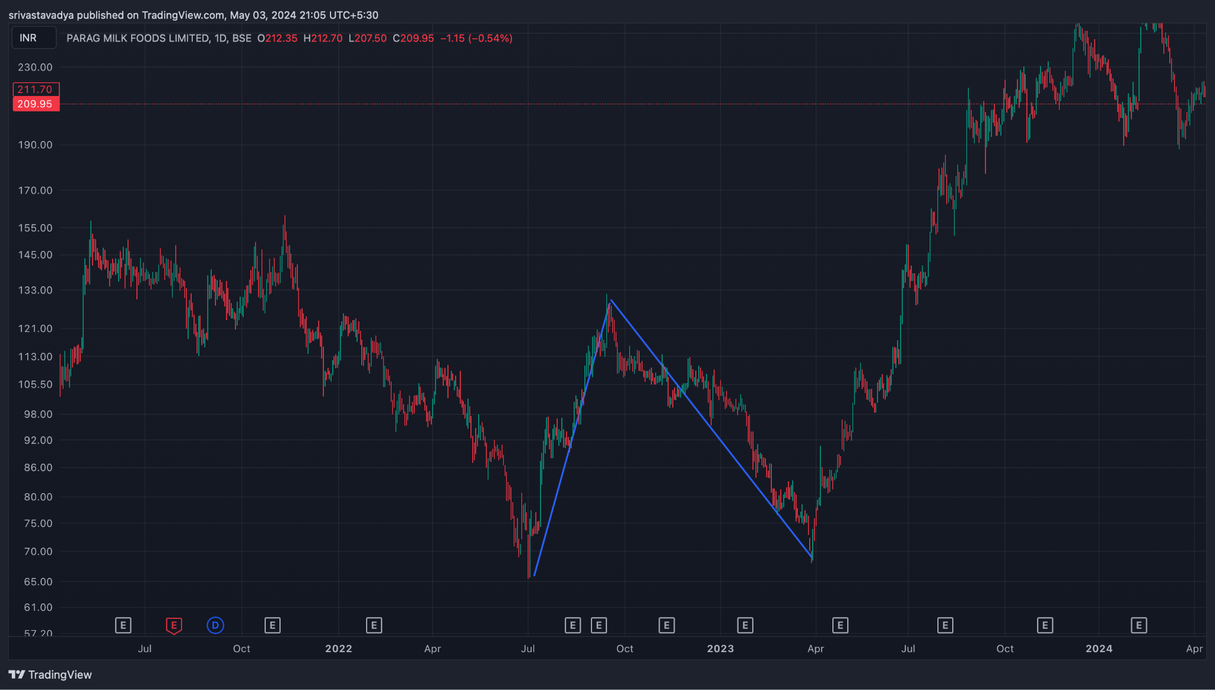
 |  | Double Top and Bottom signifying bullish run | 2022-05-17 | 94.2900001 | 4.2808224 | 98.3245733 | 94.83384371 | -3.490729592 | -2.337229794 | -1.153499798 | 102.8516449 | 85.7283553
 |  |  | 2022-05-18 | 94.025 | 4.024318025 | 98.1857158 | 95.08248268 | -3.10323312 | -2.490430459 | -0.6128026609 | 102.0736361 | 85.97636395
 |  |  | 2022-05-19 | 93.575 | 3.833423087 | 97.80529263 | 94.7697935 | -3.035499131 | -2.599444194 | -0.4360549375 | 101.2418462 | 85.90815383
 |  |  | 2022-05-20 | 93.2049995 | 3.507486689 | 97.55675221 | 94.72059403 | -2.836158175 | -2.64678699 | -0.1893711853 | 100.2199729 | 86.19002612
 |  |  | 2022-05-23 | 92.5149994 | 2.832748708 | 97.15995553 | 94.33280988 | -2.827145652 | -2.682858722 | -0.1442869298 | 98.18049682 | 86.84950198
 |  |  | 2022-05-24 | 92.0049996 | 2.56173113 | 96.70366253 | 93.82006989 | -2.883592631 | -2.723005504 | -0.1605871269 | 97.12846186 | 86.88153734
 |  |  | 2022-05-25 | 91.3699998 | 2.912919984 | 95.99598397 | 92.7939056 | -3.202078365 | -2.818820076 | -0.3832582888 | 97.19583977 | 85.54415983
 |  |  | 2022-05-26 | 91.1899995 | 3.171294044 | 95.28887382 | 91.81791966 | -3.470954158 | -2.949246893 | -0.5217072656 | 97.53258759 | 84.84741141
 |  |  | 2022-05-27 | 91.1249994 | 3.242961705 | 94.72303147 | 91.17670156 | -3.546329903 | -3.068663495 | -0.4776664084 | 97.61092281 | 84.63907599
 |  |  | 2022-05-30 | 90.9199999 | 3.319152255 | 94.29169595 | 90.82644009 | -3.465255858 | -3.147981967 | -0.3172738909 | 97.55830441 | 84.28169539
 |  |  | 2022-05-31 | 90.6649995 | 3.333419916 | 93.92564425 | 90.59929515 | -3.326349095 | -3.183655393 | -0.1426937024 | 97.33183933 | 83.99815967
 |  |  | 2022-06-01 | 89.9649995 | 2.648169809 | 93.59411482 | 90.42248005 | -3.17163477 | -3.181251268 | 0.009616498294 | 95.26133912 | 84.66865988
 |  |  | 2022-06-02 | 89.619999 | 2.416171354 | 93.29825432 | 90.29594435 | -3.002309965 | -3.145463008 | 0.1431530426 | 94.45234171 | 84.78765629
 |  |  | 2022-06-03 | 89.069999 | 1.720335177 | 92.97616118 | 90.08887553 | -2.887285654 | -3.093827537 | 0.206541883 | 92.51066935 | 85.62932865
 |  |  | 2022-06-06 | 88.744999 | 1.32485811 | 92.6779268 | 89.91366345 | -2.764263352 | -3.0279147 | 0.2636513484 | 91.39471522 | 86.09528278
 |  |  | 2022-06-07 | 88.4599992 | 1.06739476 | 92.34252496 | 89.64233092 | -2.700194045 | -2.962370569 | 0.262176524 | 90.59478872 | 86.32520968
 |  |  | 2022-06-08 | 88.594999 | 0.9636298333 | 92.05789348 | 89.4665877 | -2.591305784 | -2.888157612 | 0.2968518277 | 90.52225867 | 86.66773933
 |  |  | 2022-06-09 | 88.6099991 | 0.927001587 | 91.65360493 | 89.0255739 | -2.62803103 | -2.836132296 | 0.2081012657 | 90.46400227 | 86.75599593
 |  |  | 2022-06-10 | 88.3799987 | 1.370766143 | 91.18667108 | 88.46010068 | -2.726570399 | -2.814219916 | 0.08764951761 | 91.12153099 | 85.63846641
 |  |  | 2022-06-13 | 87.5249983 | 2.863782451 | 90.38395456 | 87.21239258 | -3.171561979 | -2.885688329 | -0.2858736504 | 93.2525632 | 81.7974334
 |  |  | 2022-06-14 | 86.5549987 | 3.698155695 | 89.58884696 | 86.04894787 | -3.539899087 | -3.01653048 | -0.5233686064 | 93.95131009 | 79.15868731
 |  |  | 2022-06-15 | 85.6149993 | 4.057710974 | 88.88226593 | 85.12603328 | -3.756232649 | -3.164470914 | -0.5917617346 | 93.73042125 | 77.49957735
 |  |  | 2022-06-16 | 84.4799995 | 4.392745531 | 88.09469067 | 84.068182 | -4.026508668 | -3.336878465 | -0.6896302035 | 93.26549056 | 75.69450844
 |  |  | 2022-06-17 | 83.2400001 | 4.728094535 | 87.23952862 | 82.91153908 | -4.327989542 | -3.53510068 | -0.7928888619 | 92.69618917 | 73.78381103
 |  |  | 2022-06-20 | 81.5050002 | 5.517419276 | 86.08104487 | 81.17130199 | -4.909742882 | -3.810029121 | -1.099713761 | 92.53983875 | 70.47016165
 |  |  | 2022-06-21 | 80.0050002 | 5.549045816 | 85.12318985 | 79.93725584 | -5.185934007 | -4.085210098 | -1.100723909 | 91.10309183 | 68.90690857
 |  |  | 2022-06-22 | 78.2450004 | 5.34256662 | 84.06962038 | 78.54690909 | -5.522711281 | -4.372710335 | -1.150000947 | 88.93013364 | 67.55986716
 |  |  | 2022-06-23 | 76.5700004 | 5.049763396 | 83.01631501 | 77.20892277 | -5.807392242 | -4.659646716 | -1.147745526 | 86.66952719 | 66.47047361
 |  |  | 2022-06-24 | 75.1050003 | 4.287025936 | 82.10399516 | 76.20754958 | -5.896445585 | -4.90700649 | -0.9894390952 | 83.67905217 | 66.53094843
 |  |  | 2022-06-27 | 74.8650002 | 4.019609257 | 81.79629159 | 76.47561841 | -5.320673183 | -4.989739829 | -0.3309333546 | 82.90421871 | 66.82578169
 |  |  | 2022-06-28 | 74.4599998 | 3.673010475 | 81.33730688 | 76.34090758 | -4.996399305 | -4.991071724 | -0.005327581114 | 81.80602075 | 67.11397885
 |  |  | 2022-06-29 | 74.0499992 | 3.174726664 | 80.93824689 | 76.28076749 | -4.657479403 | -4.92435326 | 0.266873857 | 80.39945253 | 67.70054587
 |  |  | 2022-06-30 | 73.6499992 | 2.818786147 | 80.4428212 | 75.96834172 | -4.474479474 | -4.834378503 | 0.3598990281 | 79.28757149 | 68.01242691
 |  |  | 2022-07-01 | 72.8249992 | 3.07166595 | 79.54335318 | 74.7885973 | -4.754755879 | -4.818453978 | 0.06369809909 | 78.9683311 | 66.6816673
 |  |  | 2022-07-04 | 72.8899994 | 3.049661753 | 79.0031048 | 74.39804387 | -4.605060926 | -4.775775367 | 0.1707144413 | 78.98932291 | 66.79067589
 |  |  | 2022-07-05 | 72.9399994 | 3.058484263 | 78.60657866 | 74.28296051 | -4.323618158 | -4.685343926 | 0.3617257677 | 79.05696793 | 66.82303087
 |  |  | 2022-07-06 | 73.2249992 | 2.979022894 | 78.2468321 | 74.20096658 | -4.045865514 | -4.557448243 | 0.511582729 | 79.18304499 | 67.26695341
 |  |  | 2022-07-07 | 73.6249992 | 2.733967142 | 77.92114068 | 74.14697142 | -3.774169266 | -4.400792448 | 0.6266231816 | 79.09293348 | 68.15706492
 |  |  | 2022-07-08 | 73.8949997 | 2.539404352 | 77.58624152 | 74.03205304 | -3.554188476 | -4.231471654 | 0.6772831773 | 78.9738084 | 68.816191
 |  |  | 2022-07-11 | 73.5449997 | 2.125955708 | 77.35392711 | 74.09635211 | -3.257574997 | -4.036692322 | 0.779117325 | 77.79691112 | 69.29308828
 |  |  | 2022-07-12 | 73.3549996 | 2.003252767 | 77.08326562 | 74.0353744 | -3.047891217 | -3.838932101 | 0.7910408839 | 77.36150513 | 69.34849407
 |  |  | 2022-07-13 | 74.0849999 | 3.68126204 | 77.54006076 | 75.45300911 | -2.08705165 | -3.488556011 | 1.401504361 | 81.44752398 | 66.72247582
 |  |  | 2022-07-14 | 75.3400002 | 5.455466506 | 78.22598241 | 77.19870048 | -1.027281929 | -2.996301195 | 1.969019265 | 86.25093321 | 64.42906719
 |  |  | 2022-07-15 | 77.3949997 | 6.312133674 | 79.01294653 | 78.99120779 | -0.0217387364 | -2.401388703 | 2.379649967 | 90.01926705 | 64.77073235
 |  |  | 2022-07-18 | 79.4399994 | 7.634271896 | 80.02680212 | 81.10025228 | 1.073450167 | -1.706420929 | 2.779871096 | 94.70854319 | 64.17145561
 |  |  | 2022-07-19 | 81.5299995 | 8.664397787 | 81.10259478 | 83.1694447 | 2.066849927 | -0.9517667579 | 3.018616685 | 98.85879507 | 64.20120393
 |  |  | 2022-07-20 | 83.4899993 | 8.921970891 | 82.00980983 | 84.73568367 | 2.725873842 | -0.2162386379 | 2.94211248 | 101.3339411 | 65.64605752
 |  |  | 2022-07-21 | 85.1399993 | 8.454578236 | 82.62760155 | 85.59942434 | 2.971822792 | 0.421373648 | 2.550449144 | 102.0491558 | 68.23084283
 |  |  | 2022-07-22 | 86.8049994 | 7.467540014 | 83.17740906 | 86.28412875 | 3.106719686 | 0.9584428556 | 2.148276831 | 101.7400794 | 71.86991937
 |  |  | 2022-07-25 | 88.7049994 | 6.300681564 | 83.9383415 | 87.38657002 | 3.448228516 | 1.456399988 | 1.991828528 | 101.3063625 | 76.10363627
 |  |  | 2022-07-26 | 90.7999999 | 3.705701036 | 84.73179783 | 88.50402109 | 3.772223257 | 1.919564642 | 1.852658616 | 98.21140197 | 83.38859783
 |  |  | 2022-07-27 | 91.7949996 | 2.634118555 | 85.35907185 | 89.22647892 | 3.867407077 | 2.309133129 | 1.558273948 | 97.06323671 | 86.52676249
 |  |  | 2022-07-28 | 92.3699996 | 1.965282399 | 85.89173341 | 89.73779032 | 3.846056906 | 2.616517884 | 1.229539022 | 96.3005644 | 88.4394348
 |  |  | 2022-07-29 | 92.6150001 | 1.595662286 | 86.29234597 | 89.97813073 | 3.685784757 | 2.830371259 | 0.8554134981 | 95.80632467 | 89.42367553
 |  |  | 2022-08-01 | 92.6000007 | 1.5954795 | 86.75587612 | 90.37380339 | 3.617927264 | 2.98788246 | 0.6300448038 | 95.7909597 | 89.4090417
 |  |  | 2022-08-02 | 92.6100006 | 1.609312824 | 87.34062619 | 91.0316801 | 3.691053908 | 3.128516749 | 0.5625371588 | 95.82862625 | 89.39137495
 |  |  | 2022-08-03 | 92.3750008 | 1.660028333 | 87.61169092 | 91.02680624 | 3.41511532 | 3.185836464 | 0.2292788567 | 95.69505747 | 89.05494413
 |  |  | 2022-08-04 | 92.5050012 | 1.529605341 | 87.91082507 | 91.12268251 | 3.211857437 | 3.191040658 | 0.02081677891 | 95.56421188 | 89.44579052
 |  |  | 2022-08-05 | 92.6750009 | 1.304319497 | 88.1952084 | 91.21919289 | 3.023984493 | 3.157629425 | -0.1336449326 | 95.28363989 | 90.06636191
 |  |  | 2022-08-08 | 92.4250009 | 1.376842751 | 88.39926681 | 91.17777814 | 2.778511325 | 3.081805805 | -0.30329448 | 95.1786864 | 89.6713154
 |  |  | 2022-08-10 | 91.9450005 | 1.351430101 | 88.50672838 | 90.97350427 | 2.466775888 | 2.958799822 | -0.4920239335 | 94.6478607 | 89.2421403
 |  |  | 2022-08-11 | 91.865001 | 1.291221678 | 88.79511902 | 91.19296546 | 2.397846439 | 2.846609145 | -0.4487627062 | 94.44744436 | 89.28255764
 |  |  | 2022-08-12 | 92.1550004 | 1.717467543 | 89.28807295 | 91.84789339 | 2.559820444 | 2.789251405 | -0.2294309611 | 95.58993549 | 88.72006531
 |  |  | 2022-08-16 | 92.9500001 | 2.785578065 | 90.02599347 | 92.98667902 | 2.960685554 | 2.823538235 | 0.137147319 | 98.52115623 | 87.37884397
 |  |  | 2022-08-17 | 93.8750001 | 3.936175669 | 90.89814232 | 94.34257502 | 3.444432696 | 2.947717127 | 0.4967155691 | 101.7473514 | 86.00264876
 |  |  | 2022-08-18 | 94.3250001 | 4.277087887 | 91.50939119 | 95.08217917 | 3.572787982 | 3.072731298 | 0.5000566841 | 102.8791759 | 85.77082433
 |  |  | 2022-08-19 | 94.9750001 | 4.209002598 | 91.95313999 | 95.4541516 | 3.501011617 | 3.158387362 | 0.3426242549 | 103.3930053 | 86.5569949
 |  |  | 2022-08-22 | 95.8599999 | 4.359906866 | 92.58624073 | 96.23043597 | 3.644195243 | 3.255548938 | 0.3886463054 | 104.5798136 | 87.14018617
 |  |  | 2022-08-23 | 96.9500001 | 4.575418814 | 93.33170453 | 97.21806152 | 3.886356988 | 3.381710548 | 0.5046464401 | 106.1008377 | 87.79916247
 |  |  | 2022-08-24 | 98.0300004 | 4.265964412 | 93.95528197 | 97.91528282 | 3.960000851 | 3.497368609 | 0.4626322424 | 106.5619292 | 89.49807158
 |  |  | 2022-08-25 | 99.9100008 | 4.400934887 | 95.04377975 | 99.56677808 | 4.522998329 | 3.702494553 | 0.8205037765 | 108.7118706 | 91.10813103
 |  |  | 2022-08-26 | 101.9850008 | 5.272100053 | 96.3849814 | 101.6565048 | 5.271523438 | 4.01630033 | 1.255223108 | 112.5292009 | 91.44080069
 |  |  | 2022-08-29 | 103.6950014 | 5.674771919 | 97.58239041 | 103.3324276 | 5.750037225 | 4.363047709 | 1.386989516 | 115.0445452 | 92.34545756
 |  |  | 2022-08-30 | 104.8800012 | 5.877083734 | 98.58369467 | 104.5274385 | 5.943743785 | 4.679186924 | 1.264556861 | 116.6341687 | 93.12583373
 |  |  | 2022-09-01 | 105.5650011 | 5.877407662 | 99.32934707 | 105.161679 | 5.832331935 | 4.909815926 | 0.9225160089 | 117.3198164 | 93.81018578
 |  |  | 2022-09-02 | 107.1550012 | 6.095784808 | 100.4938401 | 106.6829596 | 6.189119518 | 5.165676645 | 1.023442874 | 119.3465708 | 94.96343158
 |  |  | 2022-09-05 | 109.1050012 | 5.774534951 | 101.7165186 | 108.2701966 | 6.553677989 | 5.443276914 | 1.110401075 | 120.6540711 | 97.5559313
 |  |  | 2022-09-06 | 110.5300012 | 5.138320098 | 102.6819617 | 109.2670894 | 6.585127754 | 5.671647082 | 0.9134806724 | 120.8066414 | 100.253361
 |  |  | 2022-09-07 | 112.1950013 | 4.99685781 | 103.9129277 | 110.8106146 | 6.897686895 | 5.916855044 | 0.9808318504 | 122.1887169 | 102.2012857
 |  |  | 2022-09-08 | 113.640001 | 3.5083866 | 104.823081 | 111.6397503 | 6.816669368 | 6.096817909 | 0.7198514589 | 120.6567742 | 106.6232278
 |  |  | 2022-09-09 | 114.2000008 | 3.038914276 | 105.5213713 | 112.0413272 | 6.51995594 | 6.181445515 | 0.3385104244 | 120.2778294 | 108.1221722
 |  |  | 2022-09-12 | 114.5150009 | 3.080949726 | 106.3197884 | 112.6965081 | 6.376719664 | 6.220500345 | 0.1562193195 | 120.6769004 | 108.3531014
 |  |  | 2022-09-13 | 114.7750008 | 3.005481494 | 106.9738783 | 113.0739687 | 6.10009037 | 6.19641835 | -0.09632797986 | 120.7859638 | 108.7640378
 |  |  | 2022-09-14 | 115.1600007 | 2.714958562 | 107.5647019 | 113.3625884 | 5.797886503 | 6.116711981 | -0.3188254777 | 120.5899178 | 109.7300836
 |  |  | 2022-09-15 | 116.9650002 | 3.72006869 | 108.9821312 | 115.4144975 | 6.432366248 | 6.179842834 | 0.2525234138 | 124.4051376 | 109.5248628
 |  |  | 2022-09-16 | 117.6500001 | 3.95172226 | 109.9390105 | 116.4122674 | 6.47325686 | 6.238525639 | 0.2347312208 | 125.5534446 | 109.7465556
 |  |  | 2022-09-19 | 118.5099999 | 4.665820749 | 111.0990837 | 117.8257644 | 6.726680732 | 6.336156658 | 0.3905240739 | 127.8416414 | 109.1783584
 |  |  | 2022-09-20 | 119.3900002 | 4.707546849 | 112.021374 | 118.7064165 | 6.685042503 | 6.405933827 | 0.2791086762 | 128.8050939 | 109.9749065
 |  |  | 2022-09-21 | 119.5150002 | 4.721466734 | 112.6531243 | 118.9900452 | 6.336920899 | 6.392131241 | -0.05521034198 | 128.9579337 | 110.0720667
 |  |  | 2022-09-22 | 119.8700005 | 4.575732602 | 113.1788188 | 119.1069613 | 5.928142527 | 6.299333498 | -0.3711909713 | 129.0214657 | 110.7185353
 |  |  | 2022-09-23 | 120.1650002 | 4.257153776 | 113.4766838 | 118.8135822 | 5.336898349 | 6.106846469 | -0.7699481193 | 128.6793078 | 111.6506926
 |  |  | 2022-09-26 | 119.6650002 | 4.991773192 | 113.3154482 | 117.6576469 | 4.342198707 | 5.753916916 | -1.411718209 | 129.6485466 | 109.6814538
 |  |  | 2022-09-27 | 119.225 | 5.591821553 | 113.125415 | 116.594932 | 3.469516997 | 5.297036932 | -1.827519936 | 130.4086431 | 108.0413569
 |  |  | 2022-09-28 | 118.8050003 | 6.08460892 | 112.9494584 | 115.6957117 | 2.746253355 | 4.786880217 | -2.040626862 | 130.9742181 | 106.6357825
 |  |  | 2022-09-29 | 117.1350006 | 5.967600102 | 112.73098 | 114.8194484 | 2.088468412 | 4.247197856 | -2.158729444 | 129.0702008 | 105.1998004
 |  |  | 2022-09-30 | 116.0950004 | 5.951117991 | 112.6397963 | 114.308764 | 1.668967748 | 3.731551834 | -2.062584086 | 127.9972364 | 104.1927644
 |  |  | 2022-10-03 | 114.3700004 | 5.360618547 | 112.3220334 | 113.3920308 | 1.069997351 | 3.199240938 | -2.129243587 | 125.0912375 | 103.6487633
 |  |  | 2022-10-04 | 113.0349998 | 4.395961473 | 112.1648455 | 112.9009487 | 0.7361031151 | 2.706613373 | -1.970510258 | 121.8269227 | 104.2430769
 |  |  | 2022-10-06 | 112.1149993 | 3.52483639 | 112.1044865 | 112.6623409 | 0.5578543993 | 2.276861578 | -1.719007179 | 119.1646721 | 105.0653265
 |  |  | 2022-10-07 | 111.5999991 | 2.517714462 | 112.2893392 | 112.960442 | 0.6711027912 | 1.955709821 | -1.28460703 | 116.635428 | 106.5645702
 |  |  | 2022-10-10 | 111.0499991 | 1.587275727 | 112.2456842 | 112.7665273 | 0.5208431576 | 1.668736488 | -1.147893331 | 114.2245506 | 107.8754476
 |  |  | 2022-10-11 | 110.859999 | 1.665799314 | 112.0348929 | 112.2486004 | 0.2137074542 | 1.377730681 | -1.164023227 | 114.1915976 | 107.5284004
 |  |  | 2022-10-12 | 110.9499992 | 1.683415536 | 112.0063825 | 112.1565083 | 0.1501258353 | 1.132209712 | -0.9820838769 | 114.3168303 | 107.5831681
 |  |  | 2022-10-13 | 110.9499992 | 1.683415536 | 111.9133171 | 111.9401224 | 0.02680530954 | 0.9111288317 | -0.8843235222 | 114.3168303 | 107.5831681
 |  |  | 2022-10-14 | 111.1699989 | 1.68921376 | 111.9345527 | 111.9801031 | 0.04555046674 | 0.7380131587 | -0.692462692 | 114.5484264 | 107.7915714
 |  |  | 2022-10-17 | 111.0099991 | 1.729771346 | 111.7838452 | 111.6600876 | -0.1237576348 | 0.565659 | -0.6894166348 | 114.4695418 | 107.5504564
 |  |  | 2022-10-18 | 111.1499993 | 1.536408926 | 111.63319 | 111.3662279 | -0.2669620604 | 0.3991347879 | -0.6660968483 | 114.2228172 | 108.0771814
 |  |  | 2022-10-19 | 111.0849999 | 1.593744928 | 111.4788799 | 111.0868087 | -0.3920711339 | 0.2408936036 | -0.6329647374 | 114.2724898 | 107.89751
 |  |  | 2022-10-20 | 110.7250001 | 1.903686711 | 111.2026665 | 110.5734535 | -0.629212999 | 0.06687228305 | -0.6960852821 | 114.5323735 | 106.9176267
 |  |  | 2022-10-21 | 109.9250001 | 1.770632073 | 110.8617281 | 109.9621527 | -0.8995754404 | -0.1264172616 | -0.7731581788 | 113.4662642 | 106.383736
 |  |  | 2022-10-24 | 109.6300004 | 1.685757478 | 110.7053038 | 109.7756677 | -0.929636163 | -0.2870610419 | -0.6425751211 | 113.0015154 | 106.2584854
 |  |  | 2022-10-25 | 109.4450005 | 1.810685713 | 110.4715778 | 109.4332577 | -1.038320123 | -0.4373128582 | -0.6010072651 | 113.0663719 | 105.8236291
 |  |  | 2022-10-27 | 109.05 | 1.703916939 | 110.2662755 | 109.1666022 | -1.099673333 | -0.5697849531 | -0.5298883798 | 112.4578339 | 105.6421661
 |  |  | 2022-10-28 | 108.65 | 1.729803984 | 110.0058107 | 108.7948173 | -1.210993433 | -0.6980266492 | -0.5129667843 | 112.109608 | 105.190392
 |  |  | 2022-10-31 | 108.0950005 | 1.301591558 | 109.7572323 | 108.4648457 | -1.29238659 | -0.8168986374 | -0.4754879526 | 110.6981836 | 105.4918174
 |  |  | 2022-11-01 | 107.6800003 | 1.323547863 | 109.4604002 | 108.0471771 | -1.413223136 | -0.9361635371 | -0.477059599 | 110.327096 | 105.0329046
 |  |  | 2022-11-02 | 107.375 | 1.130941908 | 109.2559259 | 107.8399186 | -1.4160073 | -1.03213229 | -0.3838750106 | 109.6368838 | 105.1131162
 |  |  | 2022-11-03 | 107.0699997 | 0.8573863073 | 109.0517833 | 107.6337773 | -1.418005967 | -1.109307025 | -0.3086989417 | 108.7847723 | 105.3552271
 |  |  | 2022-11-04 | 106.9699997 | 0.8270429869 | 108.8812808 | 107.4978116 | -1.383469242 | -1.164139468 | -0.2193297731 | 108.6240857 | 105.3159137
 |  |  | 2022-11-07 | 106.9849999 | 0.82092424 | 108.7234082 | 107.3827636 | -1.340644522 | -1.199440479 | -0.1412040432 | 108.6268484 | 105.3431514
 |  |  | 2022-11-09 | 107.1599999 | 1.290951407 | 108.8550076 | 107.8623385 | -0.9926690926 | -1.158086202 | 0.1654171093 | 109.7419027 | 104.5780971
 |  |  | 2022-11-10 | 107.2399994 | 1.341599115 | 108.8175994 | 107.937363 | -0.8802364329 | -1.102516248 | 0.2222798152 | 109.9231976 | 104.5568012
 |  |  | 2022-11-11 | 107.2699997 | 1.356302024 | 108.7570365 | 107.9469995 | -0.8100370507 | -1.044020409 | 0.2339833579 | 109.9826037 | 104.5573957
 |  |  | 2022-11-14 | 107.2849999 | 1.350730057 | 108.6194784 | 107.7859229 | -0.8335554715 | -1.001927421 | 0.1683719497 | 109.98646 | 104.5835398
 |  |  | 2022-11-15 | 106.8949997 | 1.97377938 | 108.1847022 | 107.0111656 | -1.173536668 | -1.03624927 | -0.1372873971 | 110.8425585 | 102.9474409
 |  |  | 2022-11-16 | 106.3199997 | 2.943655926 | 107.578428 | 105.9325247 | -1.645903284 | -1.158180073 | -0.4877232106 | 112.2073116 | 100.4326878
 |  |  | 2022-11-17 | 105.8050003 | 3.298858703 | 107.131878 | 105.2582906 | -1.873587393 | -1.301261537 | -0.5723258557 | 112.4027177 | 99.20728289
 |  |  | 2022-11-18 | 105.2200005 | 3.660767283 | 106.651739 | 104.5493231 | -2.102415907 | -1.461492411 | -0.6409234958 | 112.5415351 | 97.89846593
 |  |  | 2022-11-21 | 104.7400002 | 3.751428994 | 106.3034618 | 104.1494268 | -2.154035046 | -1.600000938 | -0.5540341077 | 112.2428582 | 97.23714221
 |  |  | 2022-11-22 | 104.325 | 3.733872491 | 106.0291312 | 103.9110531 | -2.118078051 | -1.703616361 | -0.4144616908 | 111.792745 | 96.85725502
 |  |  | 2022-11-23 | 103.6699997 | 3.040394388 | 105.8751212 | 103.9170445 | -1.958076748 | -1.754508438 | -0.2035683096 | 109.7507885 | 97.58921092
 |  |  | 2022-11-24 | 103.1349999 | 2.557782242 | 105.6621493 | 103.7759607 | -1.886188572 | -1.780844465 | -0.1053441074 | 108.2505644 | 98.01943542
 |  |  | 2022-11-25 | 102.7049996 | 1.934546836 | 105.5168047 | 103.764274 | -1.752530685 | -1.775181709 | 0.02265102407 | 106.5740933 | 98.83590593
 |  |  | 2022-11-28 | 102.4099991 | 1.364793984 | 105.4007449 | 103.7928468 | -1.607898087 | -1.741724985 | 0.1338268974 | 105.1395871 | 99.68041113
 |  |  | 2022-11-29 | 102.6199989 | 1.569180906 | 105.3599488 | 103.9554854 | -1.404463373 | -1.674272662 | 0.2698092894 | 105.7583607 | 99.48163709
 |  |  | 2022-11-30 | 103.1099991 | 1.417900497 | 105.3258787 | 104.1007957 | -1.225082997 | -1.584434729 | 0.3593517322 | 105.9458001 | 100.2741981
 |  |  | 2022-12-01 | 103.5099991 | 1.491233925 | 105.3424805 | 104.3237506 | -1.018729825 | -1.471293748 | 0.4525639233 | 106.492467 | 100.5275312
 |  |  | 2022-12-02 | 104.5699989 | 2.592854333 | 105.7800745 | 105.3893275 | -0.3907470399 | -1.255184407 | 0.8644373667 | 109.7557076 | 99.38429023
 |  |  | 2022-12-05 | 105.1899994 | 2.637634639 | 105.9556247 | 105.8140466 | -0.1415780653 | -1.032463138 | 0.890885073 | 110.4652687 | 99.91473012
 |  |  | 2022-12-06 | 105.8099999 | 2.689363017 | 106.1663194 | 106.2734245 | 0.1071051491 | -0.8045494809 | 0.91165463 | 111.1887259 | 100.4312739
 |  |  | 2022-12-07 | 106.075 | 2.615260697 | 106.1984437 | 106.3236666 | 0.1252228795 | -0.6185950088 | 0.7438178883 | 111.3055214 | 100.8444786
 |  |  | 2022-12-08 | 106.4550003 | 2.384726834 | 106.2430037 | 106.3969491 | 0.153945456 | -0.4640869158 | 0.6180323718 | 111.224454 | 101.6855466
 |  |  | 2022-12-09 | 106.6250008 | 2.221517879 | 106.1805591 | 106.2435726 | 0.06301354345 | -0.358666824 | 0.4216803674 | 111.0680366 | 102.181965
 |  |  | 2022-12-12 | 106.8050011 | 2.046738739 | 106.1486658 | 106.1676384 | 0.01897255737 | -0.2831389477 | 0.3021115051 | 110.8984786 | 102.7115236
 |  |  | 2022-12-13 | 107.2300011 | 2.036908846 | 106.367283 | 106.6187706 | 0.2514876075 | -0.1762136367 | 0.4277012442 | 111.3038188 | 103.1561834
 |  |  | 2022-12-14 | 107.4750007 | 1.865661463 | 106.4400767 | 106.7312672 | 0.2911904233 | -0.08273282467 | 0.373923248 | 111.2063236 | 103.7436778
 |  |  | 2022-12-15 | 107.5750007 | 1.775645074 | 106.4482194 | 106.7033804 | 0.2551609437 | -0.01515407099 | 0.2703150147 | 111.1262908 | 104.0237106
 |  |  | 2022-12-16 | 106.8950004 | 1.491168931 | 106.3002029 | 106.356706 | 0.0565030558 | -0.0008226456336 | 0.05732570143 | 109.8773383 | 103.9126625
 |  |  | 2022-12-19 | 106.6350005 | 1.474609272 | 106.2446326 | 106.2325978 | -0.01203473168 | -0.003065062843 | -0.008969668838 | 109.584219 | 103.685782
 |  |  | 2022-12-20 | 106.3100005 | 1.29116598 | 106.1931785 | 106.1275833 | -0.06559528048 | -0.01557110637 | -0.05002417411 | 108.8923325 | 103.7276685
 |  |  | 2022-12-21 | 105.8350005 | 1.901907231 | 105.8714615 | 105.4694932 | -0.4019682429 | -0.09285053367 | -0.3091177092 | 109.638815 | 102.031186
 |  |  | 2022-12-22 | 105.29 | 2.327827366 | 105.5365382 | 104.8357247 | -0.7008135183 | -0.2144431306 | -0.4863703877 | 109.9456547 | 100.6343453
 |  |  | 2022-12-23 | 104.365 | 3.707952942 | 104.8412393 | 103.4994597 | -1.341779572 | -0.4399104188 | -0.9018691528 | 111.7809059 | 96.94909412
 |  |  | 2022-12-26 | 104.3700003 | 3.710061302 | 104.9122588 | 103.8533894 | -1.058869367 | -0.5637022085 | -0.4951671589 | 111.7901229 | 96.9498777
 |  |  | 2022-12-27 | 104.0100005 | 3.358058571 | 104.9557952 | 104.1067141 | -0.8490810494 | -0.6207779767 | -0.2283030727 | 110.7261176 | 97.29388336
 |  |  | 2022-12-28 | 103.630001 | 3.14644481 | 104.8516624 | 104.0210663 | -0.8305961616 | -0.6627416137 | -0.1678545479 | 109.9228906 | 97.33711138
 |  |  | 2022-12-29 | 103.2850005 | 2.975180154 | 104.7219095 | 103.8793635 | -0.842546051 | -0.6987025011 | -0.1438435499 | 109.2353608 | 97.33464019
 |  |  | 2022-12-30 | 103.1250006 | 2.948470097 | 104.5832494 | 103.7209995 | -0.8622498555 | -0.731411972 | -0.1308378835 | 109.0219408 | 97.22806041
 |  |  | 2023-01-02 | 102.9000006 | 2.826167849 | 104.4881941 | 103.6562308 | -0.8319632653 | -0.7515222307 | -0.08044103462 | 108.5523363 | 97.2476649
 |  |  | 2023-01-03 | 102.6550001 | 2.672956253 | 104.3853648 | 103.5706566 | -0.8147082072 | -0.764159426 | -0.05054878125 | 108.0009126 | 97.30908759
 |  |  | 2023-01-04 | 102.6200003 | 2.68692313 | 104.171634 | 103.252094 | -0.9195400312 | -0.795235547 | -0.1243044842 | 107.9938466 | 97.24615404
 |  |  | 2023-01-05 | 102.5350005 | 2.744393253 | 103.8996611 | 102.8286949 | -1.070966218 | -0.8503816812 | -0.2205845365 | 108.023787 | 97.04621399
 |  |  | 2023-01-06 | 102.94 | 1.85079678 | 103.625612 | 102.4242799 | -1.201332088 | -0.9205717625 | -0.2807603253 | 106.6415936 | 99.23840644
 |  |  | 2023-01-09 | 102.4699995 | 1.627063613 | 103.4385294 | 102.2205442 | -1.217985244 | -0.9800544589 | -0.2379307855 | 105.7241267 | 99.21587227
 |  |  | 2023-01-10 | 101.9399992 | 1.373925 | 103.1986381 | 101.9096908 | -1.288947367 | -1.04183304 | -0.2471143265 | 104.6878492 | 99.1921492
 |  |  | 2023-01-11 | 101.5749991 | 1.383484118 | 102.9542947 | 101.6005079 | -1.353786838 | -1.1042238 | -0.2495630379 | 104.3419673 | 98.80803086
 |  |  | 2023-01-12 | 101.1649993 | 1.485120837 | 102.661384 | 101.2004298 | -1.460954254 | -1.175569891 | -0.2853843634 | 104.135241 | 98.19475763
 |  |  | 2023-01-13 | 100.8549995 | 1.416264992 | 102.4457259 | 100.9772867 | -1.468439219 | -1.234143756 | -0.2342954622 | 103.6875295 | 98.02246952
 |  |  | 2023-01-16 | 100.4699989 | 1.181618196 | 102.2238201 | 100.7423191 | -1.48150102 | -1.283615209 | -0.1978858109 | 102.8332353 | 98.10676251
 |  |  | 2023-01-17 | 100.0699989 | 0.8114459823 | 101.9924259 | 100.4896543 | -1.502771571 | -1.327446481 | -0.1753250893 | 101.6928909 | 98.44710694
 |  |  | 2023-01-18 | 99.9799987 | 0.6733825708 | 101.8892831 | 100.5066302 | -1.382652811 | -1.338487747 | -0.04416506334 | 101.3267638 | 98.63323356
 |  |  | 2023-01-19 | 100.009999 | 0.7050612503 | 101.8085956 | 100.5517645 | -1.256831129 | -1.322156424 | 0.06532529472 | 101.4201215 | 98.5998765
 |  |  | 2023-01-20 | 100.009999 | 0.7050612503 | 101.6894402 | 100.4976464 | -1.191793753 | -1.296083889 | 0.1042901366 | 101.4201215 | 98.5998765
 |  |  | 2023-01-23 | 99.8399994 | 0.6118280605 | 101.5198522 | 100.3287781 | -1.191074113 | -1.275081934 | 0.0840078208 | 101.0636555 | 98.61634328
 |  |  | 2023-01-24 | 99.7349999 | 0.6329166498 | 101.3443077 | 100.1474279 | -1.196879819 | -1.259441511 | 0.06256169204 | 101.0008332 | 98.4691666
 |  |  | 2023-01-25 | 99.3599999 | 1.292026213 | 100.9595443 | 99.5324393 | -1.427105032 | -1.292974215 | -0.1341308169 | 101.9440523 | 96.77594747
 |  |  | 2023-01-27 | 98.6549996 | 2.683949711 | 100.2921705 | 98.36590971 | -1.92626074 | -1.41963152 | -0.5066292198 | 104.022899 | 93.28710018
 |  |  | 2023-01-30 | 97.8149994 | 3.495080568 | 99.62978731 | 97.28653868 | -2.343248628 | -1.604354942 | -0.7388936863 | 104.8051605 | 90.82483826
 |  |  | 2023-01-31 | 96.9649994 | 4.043792697 | 98.98683988 | 96.31168611 | -2.675153764 | -1.818514706 | -0.8566390578 | 105.0525848 | 88.87741401
 |  |  | 2023-02-01 | 95.7749993 | 4.986719974 | 98.11374041 | 94.90988779 | -3.203852617 | -2.095582289 | -1.108270328 | 105.7484392 | 85.80155935
 |  |  | 2023-02-02 | 94.4799997 | 5.268049543 | 97.33864867 | 93.79298228 | -3.545666389 | -2.385599109 | -1.160067281 | 105.0160988 | 83.94390061
 |  |  | 2023-02-03 | 92.8649996 | 5.581470074 | 96.39874892 | 92.38636993 | -4.012378987 | -2.710955084 | -1.301423903 | 104.0279397 | 81.70205945
 |  |  | 2023-02-06 | 91.5149996 | 5.231903668 | 95.68032285 | 91.51154333 | -4.168779524 | -3.002519972 | -1.166259552 | 101.9788069 | 81.05119226
 |  |  | 2023-02-07 | 90.3699991 | 4.518862482 | 95.10770612 | 90.96361312 | -4.144092998 | -3.230834577 | -0.9132584208 | 99.40772406 | 81.33227414
 |  |  | 2023-02-08 | 89.2999986 | 3.3154522 | 94.61454248 | 90.57690295 | -4.037639532 | -3.392195568 | -0.6454439639 | 95.930903 | 82.6690942
 |  |  | 2023-02-09 | 88.4699982 | 2.290583577 | 94.11346511 | 90.15737911 | -3.956086002 | -3.504973655 | -0.4511123467 | 93.05116535 | 83.88883105
 |  |  | 2023-02-10 | 87.9249985 | 2.000589154 | 93.54950473 | 89.5947054 | -3.954799332 | -3.59493879 | -0.3598605419 | 91.92617681 | 83.92382019
 |  |  | 2023-02-13 | 87.4349984 | 1.63521047 | 93.02361527 | 89.11090411 | -3.912711163 | -3.658493265 | -0.2542178982 | 90.70541934 | 84.16457746
 |  |  | 2023-02-14 | 86.8549989 | 1.227790188 | 92.44038466 | 88.50153455 | -3.938850106 | -3.714564633 | -0.2242854725 | 89.31057928 | 84.39941852
 |  |  | 2023-02-15 | 86.644999 | 1.33696271 | 91.89665231 | 87.97822124 | -3.918431077 | -3.755337922 | -0.1630931547 | 89.31892442 | 83.97107358
 |  |  | 2023-02-16 | 86.5049988 | 1.292594988 | 91.47838177 | 87.71234105 | -3.766040725 | -3.757478483 | -0.008562242683 | 89.09018878 | 83.91980882
 |  |  | 2023-02-17 | 86.1549988 | 2.082925129 | 90.7133166 | 86.70275042 | -4.01056618 | -3.808096022 | -0.2024701576 | 90.32084906 | 81.98914854
 |  |  | 2023-02-20 | 85.4849991 | 2.831277392 | 89.9197376 | 85.67155805 | -4.248179545 | -3.896112726 | -0.3520668184 | 91.14755388 | 79.82244432
 |  |  | 2023-02-21 | 84.6499992 | 3.22714115 | 89.15531244 | 84.73747189 | -4.417840551 | -4.000458291 | -0.4173822599 | 91.1042815 | 78.1957169
 |  |  | 2023-02-22 | 83.6049995 | 3.536982743 | 88.328993 | 83.70093775 | -4.628055248 | -4.125977683 | -0.5020775654 | 90.67896499 | 76.53103401
 |  |  | 2023-02-23 | 82.6299995 | 3.580363135 | 87.57128967 | 82.83925471 | -4.732034954 | -4.247189137 | -0.4848458167 | 89.79072577 | 75.46927323
 |  |  | 2023-02-24 | 81.8899993 | 3.454128051 | 86.94378658 | 82.26398445 | -4.679802131 | -4.333711736 | -0.3460903951 | 88.7982554 | 74.9817432
 |  |  | 2023-02-27 | 81.0449996 | 3.241694961 | 86.28128387 | 81.60798684 | -4.673297029 | -4.401628794 | -0.2716682345 | 87.52838952 | 74.56160968
 |  |  | 2023-02-28 | 80.3799994 | 2.977340378 | 85.70489247 | 81.12983502 | -4.575057453 | -4.436314526 | -0.1387429269 | 86.33468016 | 74.42531864
 |  |  | 2023-03-01 | 79.8449996 | 2.472903515 | 85.26378933 | 80.91755271 | -4.346236618 | -4.418298944 | 0.07206232676 | 84.79080663 | 74.89919257
 |  |  | 2023-03-02 | 79.2199996 | 1.060974979 | 84.87387901 | 80.77639075 | -4.097488252 | -4.354136806 | 0.2566485536 | 81.34194956 | 77.09804964
 |  |  | 2023-03-03 | 79.1449996 | 0.9274970836 | 84.54248071 | 80.71848479 | -3.823995918 | -4.248108628 | 0.4241127105 | 80.99999377 | 77.29000543
 |  |  | 2023-03-06 | 79.2199996 | 1.029077697 | 84.26155621 | 80.72333329 | -3.538222927 | -4.106131488 | 0.5679085609 | 81.27815499 | 77.16184421
 |  |  | 2023-03-08 | 79.2599998 | 1.052985694 | 83.94588538 | 80.61205124 | -3.333834141 | -3.951672019 | 0.617837878 | 81.36597119 | 77.15402841
 |  |  | 2023-03-09 | 79.5 | 1.006369404 | 83.68322735 | 80.57942828 | -3.103799073 | -3.782097429 | 0.6782983568 | 81.51273881 | 77.48726119
 |  |  | 2023-03-10 | 79.7 | 0.8891323111 | 83.41780296 | 80.50566978 | -2.912133181 | -3.60810458 | 0.6959713989 | 81.47826462 | 77.92173538
 |  |  | 2023-03-13 | 79.5650002 | 1.073688065 | 82.9979657 | 80.08172058 | -2.916245121 | -3.469732688 | 0.5534875669 | 81.71237633 | 77.41762407
 |  |  | 2023-03-14 | 79.3950005 | 1.425842311 | 82.50182032 | 79.49991788 | -3.001902441 | -3.376166639 | 0.374264198 | 82.24668512 | 76.54331588
 |  |  | 2023-03-15 | 79.1650002 | 1.737663078 | 82.03501859 | 78.99223774 | -3.042780848 | -3.30948948 | 0.2667086323 | 82.64032636 | 75.68967404
 |  |  | 2023-03-16 | 78.775 | 2.008351176 | 81.57686892 | 78.50881624 | -3.068052673 | -3.261202119 | 0.1931494456 | 82.79170235 | 74.75829765
 |  |  | 2023-03-17 | 78.475 | 2.028991813 | 81.23784159 | 78.27669067 | -2.961150922 | -3.20119188 | 0.2400409576 | 82.53298363 | 74.41701637
 |  |  | 2023-03-20 | 77.9900001 | 2.096266409 | 80.81652021 | 77.85720026 | -2.959319955 | -3.152817495 | 0.1934975394 | 82.18253292 | 73.79746728
 |  |  | 2023-03-21 | 77.4400001 | 2.011467038 | 80.40418538 | 77.45609252 | -2.948092857 | -3.111872567 | 0.1637797105 | 81.46293418 | 73.41706602
 |  |  | 2023-03-22 | 76.9950004 | 1.869409861 | 80.04461632 | 77.16284798 | -2.881768334 | -3.06585172 | 0.1840833869 | 80.73382012 | 73.25618068
 |  |  | 2023-03-23 | 76.49 | 1.491232972 | 79.69686681 | 76.88394799 | -2.812918826 | -3.015265142 | 0.2023463156 | 79.47246594 | 73.50753406
 |  |  | 2023-03-24 | 75.7700004 | 1.277410046 | 79.19339534 | 76.27103322 | -2.922362125 | -2.996684538 | 0.0743224129 | 78.32482049 | 73.21518031
 |  |  | 2023-03-27 | 75.0350006 | 1.949365286 | 78.54203287 | 75.36779765 | -3.174235228 | -3.032194676 | -0.1420405514 | 78.93373117 | 71.13627003
 |  |  | 2023-03-28 | 74.2600006 | 2.761821822 | 77.80188251 | 74.31890616 | -3.482976351 | -3.122351011 | -0.3606253395 | 79.78364424 | 68.73635696
 |  |  | 2023-03-29 | 73.8500007 | 2.746107629 | 77.3795207 | 73.97753568 | -3.401985021 | -3.178277813 | -0.2237072082 | 79.34221596 | 68.35778544
 |  |  | 2023-03-31 | 73.5400009 | 2.669144215 | 77.03659324 | 73.78868403 | -3.247909205 | -3.192204091 | -0.05570511324 | 78.87828933 | 68.20171247
 |  |  | 2023-04-03 | 73.5850006 | 2.736892065 | 77.06721574 | 74.35196295 | -2.715252788 | -3.096813831 | 0.3815610431 | 79.05878473 | 68.11121647
 |  |  | 2023-04-05 | 73.9050003 | 3.148318597 | 77.19186642 | 75.02858404 | -2.163282389 | -2.910107542 | 0.7468251532 | 80.20163749 | 67.60836311
 |  |  | 2023-04-06 | 74.3150001 | 3.580272604 | 77.35172802 | 75.69341695 | -1.65831107 | -2.659748248 | 1.001437178 | 81.47554531 | 67.15445489
 |  |  | 2023-04-10 | 75.0799995 | 4.557422081 | 77.78493313 | 76.84827542 | -0.9366577104 | -2.31513014 | 1.37847243 | 84.19484366 | 65.96515534
 |  |  | 2023-04-11 | 75.8 | 5.136740321 | 78.13790127 | 77.72546428 | -0.4124369906 | -1.93459151 | 1.52215452 | 86.07348064 | 65.52651936
 |  |  | 2023-04-12 | 76.8400001 | 5.522670093 | 78.52027918 | 78.58308562 | 0.06280644504 | -1.535111919 | 1.597918364 | 87.88534029 | 65.79465991
 |  |  | 2023-04-13 | 78.0449996 | 5.270222601 | 78.81136939 | 79.17799506 | 0.3666256787 | -1.1547644 | 1.521390078 | 88.5854448 | 67.5045544
 |  |  | 2023-04-17 | 79.4749991 | 4.248676655 | 79.11052706 | 79.74291859 | 0.6323915321 | -0.7973332133 | 1.429724745 | 87.97235241 | 70.97764579
 |  |  | 2023-04-18 | 80.3799995 | 3.377803627 | 79.26159928 | 79.95939296 | 0.6977936847 | -0.4983078337 | 1.196101518 | 87.13560675 | 73.62439225
 |  |  | 2023-04-19 | 81.5199997 | 2.253048257 | 79.62370318 | 80.60410205 | 0.980398862 | -0.2025664946 | 1.182965357 | 86.02609621 | 77.01390319
 |  |  | 2023-04-20 | 82.1150002 | 1.798618876 | 79.90342902 | 81.0342405 | 1.130811478 | 0.06410909998 | 1.066702378 | 85.71223795 | 78.51776245
 |  |  | 2023-04-21 | 82.5900002 | 1.39260016 | 80.16984169 | 81.41358812 | 1.243746429 | 0.3000365657 | 0.9437098629 | 85.37520052 | 79.80479988
 |  |  | 2023-04-24 | 83.0400002 | 0.8510775549 | 80.44244586 | 81.78842041 | 1.345974547 | 0.509224162 | 0.8367503851 | 84.74215531 | 81.33784509
 |  |  | 2023-04-25 | 83.2450005 | 1.103391033 | 80.79856098 | 82.32097111 | 1.522410132 | 0.7118613561 | 0.8105487763 | 85.45178257 | 81.03821843
 |  |  | 2023-04-26 | 83.7900002 | 1.829207416 | 81.33200091 | 83.19466786 | 1.862666957 | 0.9420224762 | 0.9206444807 | 87.44841503 | 80.13158537
 |  |  | 2023-04-27 | 84.1549996 | 2.06901036 | 81.74814877 | 83.77241081 | 2.024262042 | 1.158470389 | 0.8657916527 | 88.29302032 | 80.01697888
 |  |  | 2023-04-28 | 84.6599999 | 2.217580654 | 82.17421182 | 84.34588607 | 2.171674248 | 1.361111161 | 0.8105630869 | 89.09516121 | 80.22483859
 |  |  | 2023-05-02 | 85.4500001 | 2.825085383 | 82.80945539 | 85.33113437 | 2.521678976 | 1.593224724 | 0.9284542522 | 91.10017087 | 79.79982933
 |  |  | 2023-05-03 | 86.6799996 | 3.369980973 | 83.59764366 | 86.58019016 | 2.982546499 | 1.871089079 | 1.11145742 | 93.41996155 | 79.94003765
 |  |  | 2023-05-04 | 87.8399994 | 4.276797476 | 84.4978182 | 87.99093013 | 3.493111931 | 2.195493649 | 1.297618281 | 96.39359435 | 79.28640445
 |  |  | 2023-05-05 | 88.6949989 | 4.143096424 | 85.04983145 | 88.60001734 | 3.550185897 | 2.466432099 | 1.083753798 | 96.98119175 | 80.40880605
 |  |  | 2023-05-08 | 89.6349991 | 3.892232515 | 85.63132556 | 89.26155344 | 3.630227883 | 2.699191256 | 0.9310366273 | 97.41946413 | 81.85053407
 |  |  | 2023-05-09 | 90.569999 | 3.445544461 | 86.19196789 | 89.86746784 | 3.675499948 | 2.894452994 | 0.7810469534 | 97.46108792 | 83.67891008
 |  |  | 2023-05-10 | 91.4299988 | 3.016731072 | 86.75922938 | 90.48016478 | 3.720935406 | 3.059749477 | 0.6611859295 | 97.46346094 | 85.39653666
 |  |  | 2023-05-11 | 92.6049988 | 3.735078096 | 87.72150868 | 91.90629328 | 4.184784595 | 3.2847565 | 0.9000280951 | 100.075155 | 85.13484261
 |  |  | 2023-05-12 | 94.6599991 | 5.50967864 | 89.18658211 | 94.30532508 | 5.118742968 | 3.651553794 | 1.467189174 | 105.6793564 | 83.64064182
 |  |  | 2023-05-15 | 96.4199989 | 5.773127647 | 90.36535366 | 95.96604399 | 5.600690331 | 4.041381101 | 1.55930923 | 107.9662542 | 84.87374361
 |  |  | 2023-05-16 | 97.9199989 | 6.076924098 | 91.50495709 | 97.47126799 | 5.9663109 | 4.426367061 | 1.539943839 | 110.0738471 | 85.7661507
 |  |  | 2023-05-17 | 99.3799995 | 6.613799606 | 92.73051605 | 99.09876569 | 6.368249637 | 4.814743576 | 1.553506061 | 112.6075987 | 86.15240029
 |  |  | 2023-05-18 | 100.6899993 | 7.094787503 | 93.92455175 | 100.5989553 | 6.674403524 | 5.186675566 | 1.487727958 | 114.8795743 | 86.50042429
 |  |  | 2023-05-19 | 102.0549994 | 6.515897497 | 94.78939962 | 101.3683465 | 6.578946842 | 5.465129821 | 1.113817021 | 115.0867944 | 89.02320441
 |  |  | 2023-05-22 | 103.3149992 | 5.718297518 | 95.58277743 | 102.0039855 | 6.421208042 | 5.656345465 | 0.7648625767 | 114.7515942 | 91.87840416
 |  |  | 2023-05-23 | 104.3999998 | 4.481381689 | 96.20997932 | 102.3187574 | 6.108778075 | 5.746831987 | 0.3619460883 | 113.3627632 | 95.43723642
 |  |  | 2023-05-24 | 105.2200003 | 2.753603203 | 96.64257367 | 102.2774106 | 5.634836899 | 5.724432969 | -0.08959607083 | 110.7272067 | 99.71279389
 |  |  | 2023-05-25 | 105.4500006 | 2.305547744 | 97.04312399 | 102.2424248 | 5.199300798 | 5.619406535 | -0.4201057369 | 110.0610961 | 100.8389051
 |  |  | 2023-05-26 | 104.8400008 | 2.50153169 | 97.36585569 | 102.1128213 | 4.746965588 | 5.444918346 | -0.6979527577 | 109.8430642 | 99.83693742
 |  |  | 2023-05-29 | 104.4000007 | 2.817701569 | 97.61282912 | 101.8954637 | 4.282634576 | 5.212461592 | -0.9298270156 | 110.0354038 | 98.76459756
 |  |  | 2023-05-30 | 103.8250007 | 3.085562028 | 97.7896566 | 101.6038539 | 3.814197304 | 4.932808734 | -1.11861143 | 109.9961248 | 97.65387664
 |  |  | 2023-05-31 | 102.9100006 | 3.049935394 | 97.8719044 | 101.1878767 | 3.315972281 | 4.609441444 | -1.293469163 | 109.0098714 | 96.81012981
 |  |  | 2023-06-01 | 102.0250008 | 2.335028934 | 98.02954111 | 101.0051264 | 2.975585311 | 4.282670217 | -1.307084906 | 106.6950587 | 97.35494293
 |  |  | 2023-06-02 | 102.0050012 | 2.301624291 | 98.57550118 | 101.6812611 | 3.105759949 | 4.047288163 | -0.9415282143 | 106.6082498 | 97.40175262
 |  |  | 2023-06-05 | 101.8700014 | 2.105047683 | 98.98842717 | 102.0610674 | 3.07264025 | 3.852358581 | -0.7797183305 | 106.0800968 | 97.65990603
 |  |  | 2023-06-06 | 102.1200014 | 2.503465148 | 99.54854389 | 102.7516729 | 3.203128996 | 3.722512664 | -0.5193836677 | 107.1269317 | 97.1130711
 |  |  | 2023-06-07 | 102.4000009 | 2.647221273 | 99.9412442 | 103.0744921 | 3.13324794 | 3.604659719 | -0.4714117794 | 107.6944434 | 97.10555835
 |  |  | 2023-06-08 | 102.4150003 | 2.645442148 | 100.1085592 | 102.9399544 | 2.831395204 | 3.450006816 | -0.6186116122 | 107.7058846 | 97.124116
 |  |  | 2023-06-09 | 102.5000001 | 2.622764261 | 100.2671845 | 102.8338076 | 2.566623126 | 3.273330078 | -0.7067069518 | 107.7455286 | 97.25447158
 |  |  | 2023-06-12 | 103.0150002 | 2.733338517 | 100.6807262 | 103.2978369 | 2.617110677 | 3.142086198 | -0.5249755211 | 108.4816772 | 97.54832317
 |  |  | 2023-06-13 | 103.4099999 | 2.526833772 | 100.9228944 | 103.3981692 | 2.475274795 | 3.008723917 | -0.533449122 | 108.4636674 | 98.35633236
 |  |  | 2023-06-14 | 104.2099999 | 2.183372361 | 101.3656431 | 103.9369127 | 2.571269591 | 2.921233052 | -0.3499634606 | 108.5767446 | 99.84325518
 |  |  | 2023-06-15 | 104.9900002 | 1.885148159 | 101.8422624 | 104.5312343 | 2.688971924 | 2.874780826 | -0.1858089028 | 108.7602965 | 101.2197039
 |  |  | 2023-06-16 | 105.6800003 | 2.990560897 | 102.6169098 | 105.7264295 | 3.109519655 | 2.921728592 | 0.1877910627 | 111.6611221 | 99.69887851
 |  |  | 2023-06-19 | 106.4150001 | 3.441904269 | 103.2749165 | 106.6146711 | 3.339754593 | 3.005333792 | 0.334420801 | 113.2988086 | 99.53119156
 |  |  | 2023-06-20 | 107.25 | 4.366859132 | 104.136034 | 107.8893374 | 3.753303442 | 3.154927722 | 0.5983757195 | 115.9837183 | 98.51628174
 |  |  | 2023-06-21 | 108.1700005 | 4.756763023 | 104.870402 | 108.8371321 | 3.966730073 | 3.317288192 | 0.6494418804 | 117.6835265 | 98.65647445
 |  |  | 2023-06-22 | 109.1750008 | 4.403866334 | 105.4170389 | 109.3621887 | 3.945149786 | 3.442860511 | 0.5022892747 | 117.9827335 | 100.3672681
 |  |  | 2023-06-23 | 110.990001 | 4.940187882 | 106.526888 | 111.0603138 | 4.533425791 | 3.660973567 | 0.8724522242 | 120.8703768 | 101.1096252
 |  |  | 2023-06-26 | 114.1750009 | 9.458747384 | 108.8360072 | 115.1587266 | 6.322719405 | 4.193322735 | 2.12939667 | 133.0924957 | 95.25750613
 |  |  | 2023-06-27 | 117.6000009 | 11.35563786 | 111.0111176 | 118.7035374 | 7.692419878 | 4.893142163 | 2.799277715 | 140.3112766 | 94.88872517
 |  |  | 2023-06-28 | 120.9300004 | 12.67515278 | 113.1732568 | 122.0106851 | 8.837428284 | 5.681999387 | 3.155428897 | 146.280306 | 95.57969484
 |  |  | 2023-06-30 | 124.8500001 | 14.14024812 | 115.6789415 | 125.8551951 | 10.17625359 | 6.580850228 | 3.595403363 | 153.1304963 | 96.56950385
 |  |  | 2023-07-03 | 127.5000001 | 14.00949958 | 117.3916127 | 127.846704 | 10.45509128 | 7.355698439 | 3.099392842 | 155.5189993 | 99.48100094
 |  |  | 2023-07-04 | 130.0250001 | 13.04777951 | 118.8255673 | 129.2164418 | 10.39087451 | 7.962733654 | 2.428140861 | 156.1205591 | 103.9294411
 |  |  | 2023-07-05 | 132.2700005 | 12.04939292 | 120.197748 | 130.4677594 | 10.27001144 | 8.42418921 | 1.845822226 | 156.3687863 | 108.1712147
 |  |  | 2023-07-06 | 134.5150002 | 10.23184125 | 121.4053222 | 131.3957964 | 9.990474228 | 8.737446214 | 1.253028014 | 154.9786827 | 114.0513177
 |  |  | 2023-07-07 | 136.6450005 | 6.683704486 | 122.3049282 | 131.7272128 | 9.42228464 | 8.874413899 | 0.547870741 | 150.0124095 | 123.2775915
 |  |  | 2023-07-10 | 137.6350006 | 4.328268397 | 122.8971559 | 131.5076421 | 8.610486135 | 8.821628346 | -0.2111422111 | 146.2915374 | 128.9784638
 |  |  | 2023-07-11 | 137.2700012 | 4.473637639 | 123.7232928 | 131.8987745 | 8.175481767 | 8.69239903 | -0.5169172638 | 146.2172765 | 128.3227259
 |  |  | 2023-07-12 | 137.2250015 | 4.465499356 | 124.7623081 | 132.7989631 | 8.036654951 | 8.561250214 | -0.5245952638 | 146.1560002 | 128.2940028
 |  |  | 2023-07-13 | 136.7350021 | 4.370611289 | 125.5428781 | 133.1837384 | 7.640860335 | 8.377172239 | -0.7363119039 | 145.4762247 | 127.9937795
 |  |  | 2023-07-14 | 135.7200027 | 2.500244289 | 126.3804431 | 133.7477796 | 7.367336469 | 8.175205085 | -0.8078686154 | 140.7204913 | 130.7195141
 |  |  | 2023-07-17 | 135.6050018 | 2.3656619 | 127.2152247 | 134.3481203 | 7.132895601 | 7.966743188 | -0.8338475871 | 140.3363256 | 130.873678
 |  |  | 2023-07-18 | 135.4750015 | 2.331218347 | 127.8252078 | 134.5176398 | 6.692431962 | 7.711880943 | -1.019448981 | 140.1374382 | 130.8125648
 |  |  | 2023-07-19 | 135.3400009 | 2.248182989 | 128.430748 | 134.7456952 | 6.31494722 | 7.432494198 | -1.117546978 | 139.8363669 | 130.8436349
 |  |  | 2023-07-20 | 136.1650009 | 3.739952108 | 129.6395815 | 136.284819 | 6.645237553 | 7.275042869 | -0.6298053161 | 143.6449051 | 128.6850967
 |  |  | 2023-07-21 | 137.9050003 | 5.843962625 | 131.2181308 | 138.5410002 | 7.322869483 | 7.284608192 | 0.03826129117 | 149.5929256 | 126.217075
 |  |  | 2023-07-24 | 140.8300003 | 8.383058315 | 133.316788 | 141.7731545 | 8.456366551 | 7.518959864 | 0.9374066873 | 157.5961169 | 124.0638837
 |  |  | 2023-07-25 | 143.2899994 | 9.681304187 | 135.1933217 | 144.3695914 | 9.176269615 | 7.850421814 | 1.325847801 | 162.6526078 | 123.927391
 |  |  | 2023-07-26 | 145.1649994 | 10.2859404 | 136.7715942 | 146.2358081 | 9.464213866 | 8.173180224 | 1.291033642 | 165.7368802 | 124.5931186
 |  |  | 2023-07-27 | 146.9949997 | 9.958510044 | 138.0181432 | 147.3687616 | 9.350618372 | 8.408667854 | 0.9419505182 | 166.9120198 | 127.0779796
 |  |  | 2023-07-28 | 150.2999985 | 11.57120467 | 140.3797618 | 150.835105 | 10.45534324 | 8.818002932 | 1.637340311 | 173.4424078 | 127.1575892
 |  |  | 2023-07-31 | 153.7249985 | 12.44662354 | 142.7145938 | 154.0758572 | 11.36126338 | 9.32665502 | 2.034608355 | 178.6182456 | 128.8317514
 |  |  | 2023-08-01 | 157.6599991 | 12.24565127 | 145.0912908 | 157.2641873 | 12.17289652 | 9.895903321 | 2.276993202 | 182.1513016 | 133.1686966
 |  |  | 2023-08-02 | 161.2199997 | 10.26339756 | 147.0548993 | 159.4696979 | 12.41479856 | 10.39968237 | 2.015116188 | 181.7467948 | 140.6932046
 |  |  | 2023-08-03 | 164.675 | 9.912345407 | 149.4434255 | 162.5205141 | 13.07708853 | 10.9351636 | 2.14192493 | 184.4996908 | 144.8503092
 |  |  | 2023-08-04 | 167.3449997 | 9.386616366 | 151.532801 | 164.8481264 | 13.31532539 | 11.41119596 | 1.904129429 | 186.1182324 | 148.571767
 |  |  | 2023-08-07 | 168.0399994 | 8.994435973 | 152.6414824 | 165.1022608 | 12.46077838 | 11.62111244 | 0.8396659412 | 186.0288713 | 150.0511275
 |  |  | 2023-08-08 | 168.875 | 8.39335745 | 153.7050763 | 165.3942206 | 11.68914437 | 11.63471883 | 0.05442554094 | 185.6617149 | 152.0882851
 |  |  | 2023-08-09 | 170.3649994 | 7.188494134 | 155.0158109 | 166.3181858 | 11.30237485 | 11.56825003 | -0.2658751789 | 184.7419877 | 155.9880111
 |  |  | 2023-08-10 | 171.7549988 | 4.382950119 | 155.9405657 | 166.5000033 | 10.55943768 | 11.36648756 | -0.807049882 | 180.520899 | 162.9890986
 |  |  | 2023-08-11 | 171.0599991 | 5.187046192 | 156.4597828 | 165.9538485 | 9.494065723 | 10.9920032 | -1.497937472 | 181.4340915 | 160.6859067
 |  |  | 2023-08-14 | 170.2349991 | 5.672010891 | 156.992391 | 165.5994094 | 8.607018328 | 10.51500622 | -1.907987894 | 181.5790209 | 158.8909773
 |  |  | 2023-08-16 | 170.2399994 | 5.676502699 | 158.3151773 | 167.0225781 | 8.707400747 | 10.15348513 | -1.446084379 | 181.5930048 | 158.886994
 |  |  | 2023-08-17 | 170.7949982 | 6.081139483 | 159.7103489 | 168.5806421 | 8.87029313 | 9.896846727 | -1.026553597 | 182.9572772 | 158.6327192
 |  |  | 2023-08-18 | 169.8199982 | 5.297074382 | 160.4392122 | 168.7297745 | 8.290562317 | 9.575589845 | -1.285027528 | 180.414147 | 159.2258494
 |  |  | 2023-08-21 | 168.7799988 | 4.558399355 | 160.943715 | 168.5021169 | 7.558401899 | 9.172152256 | -1.613750357 | 177.8967975 | 159.6632001
 |  |  | 2023-08-22 | 169.4599991 | 4.685901804 | 161.8589956 | 169.2402532 | 7.38125763 | 8.813973331 | -1.432715701 | 178.8318027 | 160.0881955
 |  |  | 2023-08-23 | 170.3399994 | 4.989089542 | 162.8916628 | 170.2494455 | 7.357782688 | 8.522735202 | -1.164952515 | 180.3181785 | 160.3618203
 |  |  | 2023-08-24 | 170.775 | 5.273322722 | 163.8441322 | 171.0956847 | 7.25155242 | 8.268498646 | -1.016946225 | 181.3216454 | 160.2283546
 |  |  | 2023-08-25 | 174.375 | 11.45460312 | 166.7816039 | 176.0809639 | 9.299360018 | 8.47467092 | 0.8246890979 | 197.2842062 | 151.4657938
 |  |  | 2023-08-28 | 178.7100006 | 14.45923086 | 169.7088927 | 180.7300469 | 11.02115413 | 8.983967562 | 2.037186568 | 207.6284623 | 149.7915389
 |  |  | 2023-08-29 | 182.5000015 | 15.02902768 | 172.0674935 | 183.933117 | 11.86562354 | 9.560298759 | 2.305324786 | 212.5580569 | 152.4419461
 |  |  | 2023-08-30 | 184.9700012 | 15.64898361 | 174.1032349 | 186.3357149 | 12.23247994 | 10.09473499 | 2.137744944 | 216.2679684 | 153.672034
 |  |  | 2023-08-31 | 186.6700012 | 15.62844965 | 175.5881801 | 187.5379117 | 11.94973161 | 10.46573432 | 1.483997293 | 217.9269005 | 155.4131019
 |  |  | 2023-09-01 | 189.6350006 | 14.81077006 | 177.3372035 | 189.3320786 | 11.99487511 | 10.77156248 | 1.223312632 | 219.2565407 | 160.0134605
 |  |  | 2023-09-04 | 192.5850006 | 12.63478511 | 178.7751885 | 190.4732973 | 11.69810885 | 10.95687175 | 0.7412371031 | 217.8545708 | 167.3154304
 |  |  | 2023-09-05 | 194.8699997 | 10.67357063 | 180.0622111 | 191.3466353 | 11.28442417 | 11.02238224 | 0.2620419377 | 216.217141 | 173.5228584
 |  |  | 2023-09-06 | 196.5 | 8.450937297 | 180.9538996 | 191.4625385 | 10.50863885 | 10.91963356 | -0.4109947073 | 213.4018746 | 179.5981254
 |  |  | 2023-09-07 | 199.025 | 4.32943826 | 182.4387959 | 192.9298402 | 10.4910443 | 10.83391571 | -0.3428714055 | 207.6838765 | 190.3661235
 |  |  | 2023-09-08 | 199.25 | 4.635491953 | 184.1655518 | 194.9021725 | 10.73662072 | 10.81445671 | -0.07783599243 | 208.5209839 | 189.9790161
 |  |  | 2023-09-11 | 198.9050003 | 4.156084212 | 185.5495854 | 196.1249161 | 10.57533069 | 10.76663151 | -0.1913008185 | 207.2171687 | 190.5928319
 |  |  | 2023-09-12 | 197.6300003 | 5.102461333 | 185.7903571 | 194.9980064 | 9.207649305 | 10.45483507 | -1.247185761 | 207.834923 | 187.4250776
 |  |  | 2023-09-13 | 197.725 | 5.150795445 | 186.8799603 | 195.844467 | 8.96450668 | 10.15676939 | -1.192262708 | 208.0265909 | 187.4234091
 |  |  | 2023-09-14 | 197.975 | 5.016929267 | 187.6036665 | 195.9683942 | 8.364727715 | 9.798361053 | -1.433633338 | 208.0088585 | 187.9411415
 |  |  | 2023-09-15 | 197.9800003 | 5.018310591 | 188.4663579 | 196.4732566 | 8.006898775 | 9.440068598 | -1.433169823 | 208.0166215 | 187.9433791
 |  |  | 2023-09-18 | 198.7150009 | 5.345717714 | 189.6244059 | 197.6466027 | 8.022196821 | 9.156494242 | -1.134297421 | 209.4064363 | 188.0235655
 |  |  | 2023-09-20 | 199.4900009 | 5.492306983 | 190.6818568 | 198.6086629 | 7.92680605 | 8.910556604 | -0.9837505538 | 210.4746149 | 188.5053869
 |  |  | 2023-09-21 | 200.3400009 | 4.840615327 | 191.4165346 | 198.9150234 | 7.498488813 | 8.628143046 | -1.129654233 | 210.0212316 | 190.6587702
 |  |  | 2023-09-22 | 199.8100006 | 5.046110107 | 191.7338281 | 198.4204039 | 6.686575858 | 8.239829608 | -1.553253751 | 209.9022208 | 189.7177804
 |  |  | 2023-09-25 | 198.9300003 | 4.646636386 | 192.120211 | 198.1941875 | 6.073976524 | 7.806658991 | -1.732682468 | 208.2232731 | 189.6367275
 |  |  | 2023-09-26 | 198.4149994 | 4.444913091 | 192.5335284 | 198.1181582 | 5.584629735 | 7.36225314 | -1.777623405 | 207.3048256 | 189.5251732
 |  |  | 2023-09-27 | 199.4099991 | 2.897874644 | 192.9940078 | 198.2153646 | 5.221356795 | 6.934073871 | -1.712717076 | 205.2057484 | 193.6142498
 |  |  | 2023-09-28 | 199.4799988 | 2.935341888 | 193.6018589 | 198.6745388 | 5.072679958 | 6.561795088 | -1.48911513 | 205.3506826 | 193.609315
 |  |  | 2023-09-29 | 201.2099991 | 5.259795078 | 195.1091284 | 201.0246093 | 5.915480956 | 6.432532262 | -0.5170513062 | 211.7295893 | 190.6904089
 |  |  | 2023-10-03 | 202.8649994 | 6.917171514 | 196.6417857 | 203.2977468 | 6.655961065 | 6.477218022 | 0.1787430427 | 216.6993424 | 189.0306564
 |  |  | 2023-10-04 | 203.4449982 | 7.266569399 | 197.6238752 | 204.3134771 | 6.689601902 | 6.519694798 | 0.169907104 | 217.978137 | 188.9118594
 |  |  | 2023-10-05 | 204.0399994 | 7.546184591 | 198.5295146 | 205.1652508 | 6.635736258 | 6.54290309 | 0.09283316726 | 219.1323686 | 188.9476302
 |  |  | 2023-10-06 | 205.0699982 | 7.72529117 | 199.4458464 | 206.047519 | 6.60167263 | 6.554656998 | 0.04701563151 | 220.5205805 | 189.6194159
 |  |  | 2023-10-09 | 205.8299988 | 7.044943532 | 199.7313394 | 205.6248242 | 5.893484777 | 6.422422554 | -0.5289377767 | 219.9198859 | 191.7401117
 |  |  | 2023-10-10 | 206.6149994 | 6.348449192 | 200.106796 | 205.4979287 | 5.391132645 | 6.216164572 | -0.8250319274 | 219.3118978 | 193.918101
 |  |  | 2023-10-11 | 208.1199997 | 5.756503277 | 201.0433296 | 206.6136319 | 5.5703023 | 6.086992118 | -0.5166898177 | 219.6330063 | 196.6069931
 |  |  | 2023-10-12 | 209.7550003 | 5.081855455 | 202.0845649 | 207.9192279 | 5.834663024 | 6.036526299 | -0.2018632753 | 219.9187112 | 199.5912894
 |  |  | 2023-10-13 | 211.1400009 | 4.32170233 | 203.0449677 | 209.0162703 | 5.971302519 | 6.023481543 | -0.05217902388 | 219.7834056 | 202.4965962
 |  |  | 2023-10-16 | 210.8600006 | 4.208642159 | 203.6453401 | 209.3445355 | 5.699195394 | 5.958624313 | -0.259428919 | 219.2772849 | 202.4427163
 |  |  | 2023-10-17 | 211.45 | 5.260280144 | 204.9827221 | 211.2453757 | 6.262653637 | 6.019430178 | 0.2432234587 | 221.9705603 | 200.9294397
 |  |  | 2023-10-18 | 212.4450012 | 5.843250931 | 206.0840023 | 212.569165 | 6.485162623 | 6.112576667 | 0.3725859558 | 224.1315031 | 200.7584993
 |  |  | 2023-10-19 | 213.85 | 6.766214079 | 207.4037054 | 214.3123694 | 6.908664004 | 6.271794134 | 0.6368698693 | 227.3824282 | 200.3175718
 |  |  | 2023-10-20 | 214.4550003 | 6.743573641 | 208.1108381 | 214.7181583 | 6.607320151 | 6.338899338 | 0.2684208134 | 227.9421476 | 200.967853
 |  |  | 2023-10-23 | 213.6449997 | 8.492102519 | 207.1544795 | 211.7153642 | 4.560884709 | 5.983296412 | -1.422411703 | 230.6292047 | 196.6607947
 |  |  | 2023-10-25 | 213.1449997 | 9.189318761 | 206.6097035 | 209.8822317 | 3.272528249 | 5.441142779 | -2.16861453 | 231.5236372 | 194.7663622
 |  |  | 2023-10-26 | 212.1899994 | 9.71607495 | 206.3571326 | 208.8541956 | 2.497062986 | 4.852326821 | -2.355263835 | 231.6221493 | 192.7578495
 |  |  | 2023-10-27 | 211.2149994 | 9.879440679 | 206.2825307 | 208.3150895 | 2.032558863 | 4.288373229 | -2.255814366 | 230.9738808 | 191.456118
 |  |  | 2023-10-30 | 210.0199997 | 10.08461841 | 206.0467881 | 207.512769 | 1.465980887 | 3.723894761 | -2.257913874 | 230.1892365 | 189.8507629
 |  |  | 2023-10-31 | 209.2900009 | 10.25648146 | 205.8840635 | 206.949267 | 1.065203489 | 3.192156506 | -2.126953018 | 229.8029638 | 188.777038
 |  |  | 2023-11-01 | 208.6950012 | 9.60868847 | 206.6148736 | 208.3032259 | 1.688352302 | 2.891395665 | -1.203043363 | 227.9123781 | 189.4776243
 |  |  | 2023-11-02 | 208.1950012 | 9.079231484 | 207.2248834 | 209.3104229 | 2.085539432 | 2.730224419 | -0.644684987 | 226.3534642 | 190.0365382
 |  |  | 2023-11-03 | 207.7650024 | 8.323129386 | 208.1415592 | 210.8934356 | 2.751876477 | 2.73455483 | 0.01732164666 | 224.4112612 | 191.1187436
 |  |  | 2023-11-06 | 208.4600021 | 9.396299078 | 209.3088506 | 212.8944446 | 3.585593986 | 2.904762661 | 0.6808313243 | 227.2526003 | 189.6674039
 |  |  | 2023-11-07 | 211.1800018 | 9.062288051 | 210.278565 | 214.3568368 | 4.078271875 | 3.139464504 | 0.9388073704 | 229.3045779 | 193.0554257
 |  |  | 2023-11-08 | 213.5200012 | 8.815047252 | 211.2357081 | 215.717323 | 4.48161494 | 3.407894591 | 1.073720349 | 231.1500957 | 195.8899067
 |  |  | 2023-11-09 | 215.2800018 | 8.265493471 | 211.9441744 | 216.4992738 | 4.555099416 | 3.637335556 | 0.9177638599 | 231.8109887 | 198.7490149
 |  |  | 2023-11-10 | 217.3100006 | 8.045622766 | 212.9594203 | 217.9070769 | 4.947656628 | 3.899399771 | 1.048256857 | 233.4012461 | 201.2187551
 |  |  | 2023-11-13 | 219.2199997 | 6.395272246 | 213.6439074 | 218.5675261 | 4.92361871 | 4.104243558 | 0.8193751513 | 232.0105442 | 206.4294552
 |  |  | 2023-11-15 | 220.9699997 | 3.428164141 | 214.2147295 | 218.9956 | 4.780870418 | 4.23956893 | 0.5413014878 | 227.826328 | 214.1136714
 |  |  | 2023-11-16 | 221.1849991 | 3.117781888 | 214.4877121 | 218.8270452 | 4.339333102 | 4.259521765 | 0.07981133757 | 227.4205629 | 214.9494353
 |  |  | 2023-11-17 | 221.1949982 | 3.095286541 | 214.5219554 | 218.2305762 | 3.708620822 | 4.149341576 | -0.4407207539 | 227.3855713 | 215.0044251
 |  |  | 2023-11-20 | 220.5199982 | 4.065653339 | 214.3981073 | 217.4027962 | 3.00468889 | 3.920411039 | -0.915722149 | 228.6513049 | 212.3886915
 |  |  | 2023-11-21 | 219.3949982 | 4.553657603 | 214.2686174 | 216.6715959 | 2.402978426 | 3.616924516 | -1.213946091 | 228.5023134 | 210.287683
 |  |  | 2023-11-22 | 218.2199982 | 5.166785233 | 214.0005713 | 215.7451956 | 1.744624319 | 3.242464477 | -1.497840158 | 228.5535687 | 207.8864277
 |  |  | 2023-11-23 | 217.7799988 | 4.874662947 | 214.3560847 | 216.215166 | 1.859081229 | 2.965787827 | -1.106706598 | 227.5293247 | 208.0306729
 |  |  | 2023-11-24 | 217.2799988 | 4.786102655 | 214.4630416 | 216.1512947 | 1.688253096 | 2.710280881 | -1.022027785 | 226.8522041 | 207.7077935
 |  |  | 2023-11-28 | 216.8349991 | 4.075541226 | 214.9620754 | 216.9280182 | 1.965942792 | 2.561413263 | -0.5954704716 | 224.9860816 | 208.6839166
 |  |  | 2023-11-29 | 216.4899994 | 3.699611159 | 215.2426624 | 217.2083231 | 1.965660681 | 2.442262747 | -0.476602066 | 223.8892217 | 209.0907771
 |  |  | 2023-11-30 | 216.7099991 | 4.06781531 | 215.8580209 | 218.1839661 | 2.325945184 | 2.418999234 | -0.09305404995 | 224.8456297 | 208.5743685
 |  |  | 2023-12-01 | 216.9849991 | 4.246244282 | 216.2129819 | 218.563355 | 2.350373121 | 2.405274012 | -0.05490089066 | 225.4774877 | 208.4925105
 |  |  | 2023-12-04 | 217.6399994 | 4.399861869 | 216.6046129 | 219.0151466 | 2.410533685 | 2.406325946 | 0.004207738949 | 226.4397231 | 208.8402757
 |  |  | 2023-12-05 | 218.3699982 | 4.11307014 | 216.8672337 | 219.1897385 | 2.322504775 | 2.389561712 | -0.06705693715 | 226.5961385 | 210.1438579
 |  |  | 2023-12-06 | 220.8249985 | 6.780988586 | 218.3733643 | 221.9605475 | 3.587183164 | 2.629086002 | 0.9580971615 | 234.3869757 | 207.2630213
 |  |  | 2023-12-07 | 224.6649994 | 10.32526755 | 220.6457079 | 226.128156 | 5.482448099 | 3.199758422 | 2.282689678 | 245.3155345 | 204.0144643
 |  |  | 2023-12-08 | 227.9999985 | 13.20481774 | 222.9793587 | 230.1315157 | 7.152156968 | 3.990238131 | 3.161918837 | 254.409634 | 201.590363
 |  |  | 2023-12-11 | 232.2699982 | 15.52197772 | 225.6105174 | 234.4958979 | 8.885380555 | 4.969266616 | 3.916113939 | 263.3139536 | 201.2260428
 |  |  | 2023-12-12 | 235.1999985 | 15.95941085 | 227.4541827 | 236.9580675 | 9.503884726 | 5.876190238 | 3.627694488 | 267.1188202 | 203.2811768
 |  |  | 2023-12-13 | 238.2999985 | 15.41040502 | 229.1057248 | 238.9260571 | 9.820332328 | 6.665018656 | 3.155313672 | 269.1208085 | 207.4791885
 |  |  | 2023-12-14 | 240.6099976 | 14.66713766 | 230.4053003 | 240.1143551 | 9.709054815 | 7.273825888 | 2.435228928 | 269.9442729 | 211.2757223
 |  |  | 2023-12-15 | 242.6199982 | 12.89849766 | 231.1715743 | 240.2121466 | 9.040572288 | 7.627175168 | 1.41339712 | 268.4169935 | 216.8230029
 |  |  | 2023-12-18 | 245.4449982 | 10.6579002 | 232.547754 | 241.6795087 | 9.131754669 | 7.928091068 | 1.203663601 | 266.7607986 | 224.1291978
 |  |  | 2023-12-19 | 247.9299988 | 5.971469536 | 233.4701426 | 242.1903535 | 8.720210897 | 8.086515034 | 0.6336958635 | 259.8729379 | 235.9870597
 |  |  | 2023-12-20 | 247.0649994 | 7.985369224 | 233.1056878 | 240.091838 | 6.986150223 | 7.866442072 | -0.8802918489 | 263.0357378 | 231.094261
 |  |  | 2023-12-21 | 246.0399994 | 8.351704889 | 233.5274889 | 239.8930942 | 6.365605247 | 7.566274707 | -1.20066946 | 262.7434092 | 229.3365896
 |  |  | 2023-12-22 | 244.5600006 | 8.459306235 | 233.8106383 | 239.5018498 | 5.6912115 | 7.191262065 | -1.500050565 | 261.4786131 | 227.6413881
 |  |  | 2023-12-26 | 242.3650009 | 7.193322515 | 234.0135542 | 239.0477196 | 5.034165316 | 6.759842716 | -1.725677399 | 256.7516459 | 227.9783559
 |  |  | 2023-12-27 | 240.9350006 | 6.807471821 | 234.175513 | 238.6096084 | 4.434095431 | 6.294693259 | -1.860597828 | 254.5499442 | 227.320057
 |  |  | 2023-12-28 | 239.0600006 | 6.690946004 | 233.9402898 | 237.4388994 | 3.49860963 | 5.735476533 | -2.236866903 | 252.4418926 | 225.6781086
 |  |  | 2023-12-29 | 237.6300018 | 6.410805877 | 233.822491 | 236.6559927 | 2.83350175 | 5.155081576 | -2.321579826 | 250.4516136 | 224.80839
 |  |  | 2024-01-01 | 236.8750015 | 6.447016426 | 233.7763803 | 236.1243011 | 2.347920764 | 4.593649414 | -2.24572865 | 249.7690344 | 223.9809686
 |  |  | 2024-01-02 | 235.1800018 | 4.668880115 | 233.7040561 | 235.6128706 | 1.908814536 | 4.056682438 | -2.147867902 | 244.517762 | 225.8422416
 |  |  | 2024-01-03 | 233.7850021 | 3.28887447 | 233.5074595 | 234.910891 | 1.403431428 | 3.526032236 | -2.122600808 | 240.362751 | 227.2072532
 |  |  | 2024-01-04 | 234.1100021 | 2.844663881 | 233.3809813 | 234.4322928 | 1.051311541 | 3.031088097 | -1.979776556 | 239.7993299 | 228.4206743
 |  |  | 2024-01-05 | 233.4100021 | 2.386745827 | 233.2638718 | 234.0273252 | 0.7634533778 | 2.577561153 | -1.814107775 | 238.1834938 | 228.6365104
 |  |  | 2024-01-08 | 232.4350021 | 2.581885072 | 232.8443262 | 233.0385068 | 0.1941806591 | 2.100885054 | -1.906704395 | 237.5987722 | 227.271232
 |  |  | 2024-01-09 | 231.4900024 | 2.637209834 | 232.418821 | 232.1248913 | -0.2939296552 | 1.621922112 | -1.915851768 | 236.7644221 | 226.2155827
 |  |  | 2024-01-10 | 230.2800033 | 2.988513209 | 231.8026125 | 230.8902936 | -0.9123188797 | 1.115073914 | -2.027392794 | 236.2570297 | 224.3029769
 |  |  | 2024-01-11 | 229.0100036 | 4.79877207 | 230.8024192 | 228.9533258 | -1.849093367 | 0.5222404577 | -2.371333825 | 238.6075477 | 219.4124595
 |  |  | 2024-01-12 | 227.5600036 | 5.769833916 | 229.8429811 | 227.2451227 | -2.597858401 | -0.101779314 | -2.496079087 | 239.0996714 | 216.0203358
 |  |  | 2024-01-15 | 225.5650039 | 6.93449742 | 228.6138714 | 225.0920269 | -3.521844493 | -0.7857923498 | -2.736052144 | 239.4339987 | 211.6960091
 |  |  | 2024-01-16 | 223.675003 | 7.308986099 | 227.5239546 | 223.3701757 | -4.153778868 | -1.459389654 | -2.694389215 | 238.2929752 | 209.0570308
 |  |  | 2024-01-17 | 221.275003 | 8.466873358 | 226.0073656 | 220.8593799 | -5.147985665 | -2.197108856 | -2.950876809 | 238.2087497 | 204.3412563
 |  |  | 2024-01-18 | 218.575003 | 9.02429745 | 224.4364498 | 218.3887065 | -6.04774329 | -2.967235743 | -3.080507547 | 236.6235979 | 200.5264081
 |  |  | 2024-01-19 | 215.7800033 | 8.798650014 | 222.9115281 | 216.1519834 | -6.759544685 | -3.725697531 | -3.033847154 | 233.3773033 | 198.1827033
 |  |  | 2024-01-23 | 212.3600021 | 10.22488494 | 220.7254885 | 212.6516773 | -8.073811183 | -4.595320261 | -3.478490922 | 232.809772 | 191.9102322
 |  |  | 2024-01-24 | 209.8200012 | 9.2663453 | 219.3161928 | 210.9668034 | -8.349389412 | -5.346134092 | -3.003255321 | 228.3526918 | 191.2873106
 |  |  | 2024-01-25 | 206.9 | 8.85820652 | 217.5075855 | 208.4949866 | -9.012598926 | -6.079427058 | -2.933171867 | 224.616413 | 189.183587
 |  |  | 2024-01-29 | 205.8949997 | 7.944058439 | 216.8218384 | 208.4572963 | -8.364542095 | -6.536450066 | -1.82809203 | 221.7831166 | 190.0068828
 |  |  | 2024-01-30 | 204.8699997 | 6.810540859 | 216.1387397 | 208.3254055 | -7.813334219 | -6.791826896 | -1.021507322 | 218.4910814 | 191.248918
 |  |  | 2024-01-31 | 204.1050003 | 6.163579988 | 215.3580928 | 207.9061133 | -7.451979509 | -6.923857419 | -0.5281220904 | 216.4321603 | 191.7778403
 |  |  | 2024-02-01 | 203.7350006 | 5.595092591 | 214.9760116 | 208.2590185 | -6.716993153 | -6.882484566 | 0.1654914128 | 214.9251858 | 192.5448154
 |  |  | 2024-02-02 | 204.1699997 | 6.033390337 | 214.7111214 | 208.7422455 | -5.968875955 | -6.699762844 | 0.7308868889 | 216.2367804 | 192.103219
 |  |  | 2024-02-05 | 204.6549988 | 6.279573435 | 214.3362231 | 208.8818991 | -5.454324008 | -6.450675076 | 0.9963510687 | 217.2141457 | 192.0958519
 |  |  | 2024-02-06 | 205.0399979 | 6.342442049 | 213.8446508 | 208.700068 | -5.144582796 | -6.18945662 | 1.044873825 | 217.724882 | 192.3551138
 |  |  | 2024-02-07 | 209.3149979 | 10.60201793 | 215.4968984 | 212.9231335 | -2.573764902 | -5.466318277 | 2.892553374 | 230.5190338 | 188.110962
 |  |  | 2024-02-08 | 214.3499985 | 16.7544527 | 218.2045358 | 218.9426519 | 0.738116101 | -4.225431401 | 4.963547502 | 247.8589039 | 180.8410931
 |  |  | 2024-02-09 | 221.0249985 | 20.92270382 | 221.4227179 | 225.5130122 | 4.090294333 | -2.562286254 | 6.652580588 | 262.8704061 | 179.1795909
 |  |  | 2024-02-12 | 228.2549973 | 27.48157116 | 225.8025157 | 233.9802393 | 8.177723589 | -0.4142842857 | 8.592007874 | 283.2181396 | 173.291855
 |  |  | 2024-02-13 | 233.6199967 | 28.22792182 | 228.4282553 | 238.1755871 | 9.747331813 | 1.618038934 | 8.129292879 | 290.0758403 | 177.1641531
 |  |  | 2024-02-14 | 239.5299973 | 27.8944569 | 231.1150521 | 242.2562678 | 11.14121577 | 3.522674302 | 7.618541472 | 295.3189111 | 183.7410835
 |  |  | 2024-02-15 | 244.7699982 | 26.66730587 | 233.4472709 | 245.3860737 | 11.93880284 | 5.205900009 | 6.732902827 | 298.1046099 | 191.4353865
 |  |  | 2024-02-16 | 250.2599976 | 24.60553047 | 235.8808055 | 248.603599 | 12.72279351 | 6.709278709 | 6.0135148 | 299.4710585 | 201.0489367
 |  |  | 2024-02-19 | 255.2149994 | 20.09455483 | 237.6081541 | 250.2338164 | 12.62566226 | 7.89255542 | 4.733106844 | 295.4041091 | 215.0258897
 |  |  | 2024-02-20 | 259.7849991 | 11.40609011 | 238.77792 | 250.7209206 | 11.9430006 | 8.702644455 | 3.240356141 | 282.5971793 | 236.9728189
 |  |  | 2024-02-21 | 261.6300003 | 8.199731822 | 239.9499264 | 251.317703 | 11.36777659 | 9.235670883 | 2.132105711 | 278.0294639 | 245.2305367
 |  |  | 2024-02-22 | 262.4299988 | 7.523596452 | 241.4388198 | 252.6611315 | 11.2223116 | 9.632999027 | 1.589312578 | 277.4771917 | 247.3828059
 |  |  | 2024-02-23 | 261.9549988 | 7.725548004 | 242.584092 | 253.3132642 | 10.72917215 | 9.852233651 | 0.8769384942 | 277.4060948 | 246.5039028
 |  |  | 2024-02-26 | 259.5100006 | 4.293198537 | 243.5852708 | 253.7419937 | 10.15672285 | 9.91313149 | 0.243591356 | 268.0963977 | 250.9236035
 |  |  | 2024-02-27 | 259.0100006 | 4.358694874 | 244.5233989 | 254.1278408 | 9.604441887 | 9.851393569 | -0.2469516826 | 267.7273903 | 250.2926109
 |  |  | 2024-02-28 | 257.1699997 | 5.439523725 | 244.6549992 | 252.9235581 | 8.268558846 | 9.534826625 | -1.266267779 | 268.0490472 | 246.2909522
 |  |  | 2024-02-29 | 255.2099991 | 6.659860399 | 244.5324067 | 251.3968568 | 6.86445014 | 9.000751328 | -2.136301187 | 268.5297199 | 241.8902783
 |  |  | 2024-03-01 | 253.0850006 | 6.0943065 | 244.5707471 | 250.4204178 | 5.849670623 | 8.370535187 | -2.520864564 | 265.2736136 | 240.8963876
 |  |  | 2024-03-04 | 251.175 | 6.904111842 | 244.2395811 | 248.8326621 | 4.593080977 | 7.615044345 | -3.021963368 | 264.9832237 | 237.3667763
 |  |  | 2024-03-05 | 249.2150009 | 8.740231376 | 243.4662791 | 246.5199453 | 3.053666275 | 6.702768731 | -3.649102456 | 266.6954637 | 231.7345381
 |  |  | 2024-03-06 | 246.1650009 | 11.52901889 | 242.0317403 | 243.0707239 | 1.038983585 | 5.570011702 | -4.531028117 | 269.2230387 | 223.1069631
 |  |  | 2024-03-07 | 242.5750015 | 12.28934134 | 240.7071665 | 240.1598424 | -0.5473241366 | 4.346544534 | -4.893868671 | 267.1536842 | 217.9963188
 |  |  | 2024-03-11 | 238.7550018 | 13.24192688 | 239.0770058 | 236.8583277 | -2.218678105 | 3.033500006 | -5.252178111 | 265.2388556 | 212.271148
 |  |  | 2024-03-12 | 234.0650009 | 14.64705394 | 236.863894 | 232.6031999 | -4.260694141 | 1.574661177 | -5.835355318 | 263.3591088 | 204.770893
 |  |  | 2024-03-13 | 227.7250015 | 17.43359272 | 233.603606 | 226.4873239 | -7.116282122 | -0.163527483 | -6.952754639 | 262.5921869 | 192.8578161
 |  |  | 2024-03-14 | 223.3250015 | 17.77379865 | 231.2848206 | 222.7661976 | -8.518623007 | -1.834546588 | -6.684076419 | 258.8725988 | 187.7774042
 |  |  | 2024-03-15 | 219.0300018 | 17.68024959 | 228.9711304 | 219.2713984 | -9.699731984 | -3.407583667 | -6.292148317 | 254.390501 | 183.6695026
 |  |  | 2024-03-18 | 214.1550018 | 16.38182313 | 226.5510469 | 215.7373376 | -10.81370931 | -4.888808795 | -5.924900513 | 246.9186481 | 181.3913555
 |  |  | 2024-03-19 | 209.6200012 | 14.57938312 | 224.1954138 | 212.5085164 | -11.68689737 | -6.248426511 | -5.438470863 | 238.7787674 | 180.461235
 |  |  | 2024-03-20 | 206.3250015 | 12.0032209 | 222.4661243 | 210.7148994 | -11.7512249 | -7.348986189 | -4.402238709 | 230.3314433 | 182.3185597
 |  |  | 2024-03-21 | 203.9050003 | 10.34655974 | 220.7945591 | 209.0510678 | -11.74349129 | -8.22788721 | -3.515604084 | 224.5981198 | 183.2118808
 |  |  | 2024-03-22 | 201.7500015 | 7.519343417 | 219.4468145 | 208.0585968 | -11.38821767 | -8.859953302 | -2.528264368 | 216.7886883 | 186.7113147
 |  |  | 2024-03-26 | 200.4350021 | 4.929617503 | 218.417421 | 207.6726593 | -10.74476173 | -9.236914988 | -1.507846746 | 210.2942371 | 190.5757671
 |  |  | 2024-03-27 | 200.6100021 | 5.293013117 | 217.8642785 | 208.1768651 | -9.687413412 | -9.327014673 | -0.3603987389 | 211.1960283 | 190.0239759
 |  |  | 2024-03-28 | 202.1150009 | 4.971252013 | 217.1261833 | 208.1342695 | -8.991913815 | -9.259994501 | 0.268080686 | 212.0575049 | 192.1724969

Company Stock Analysis Fundamen
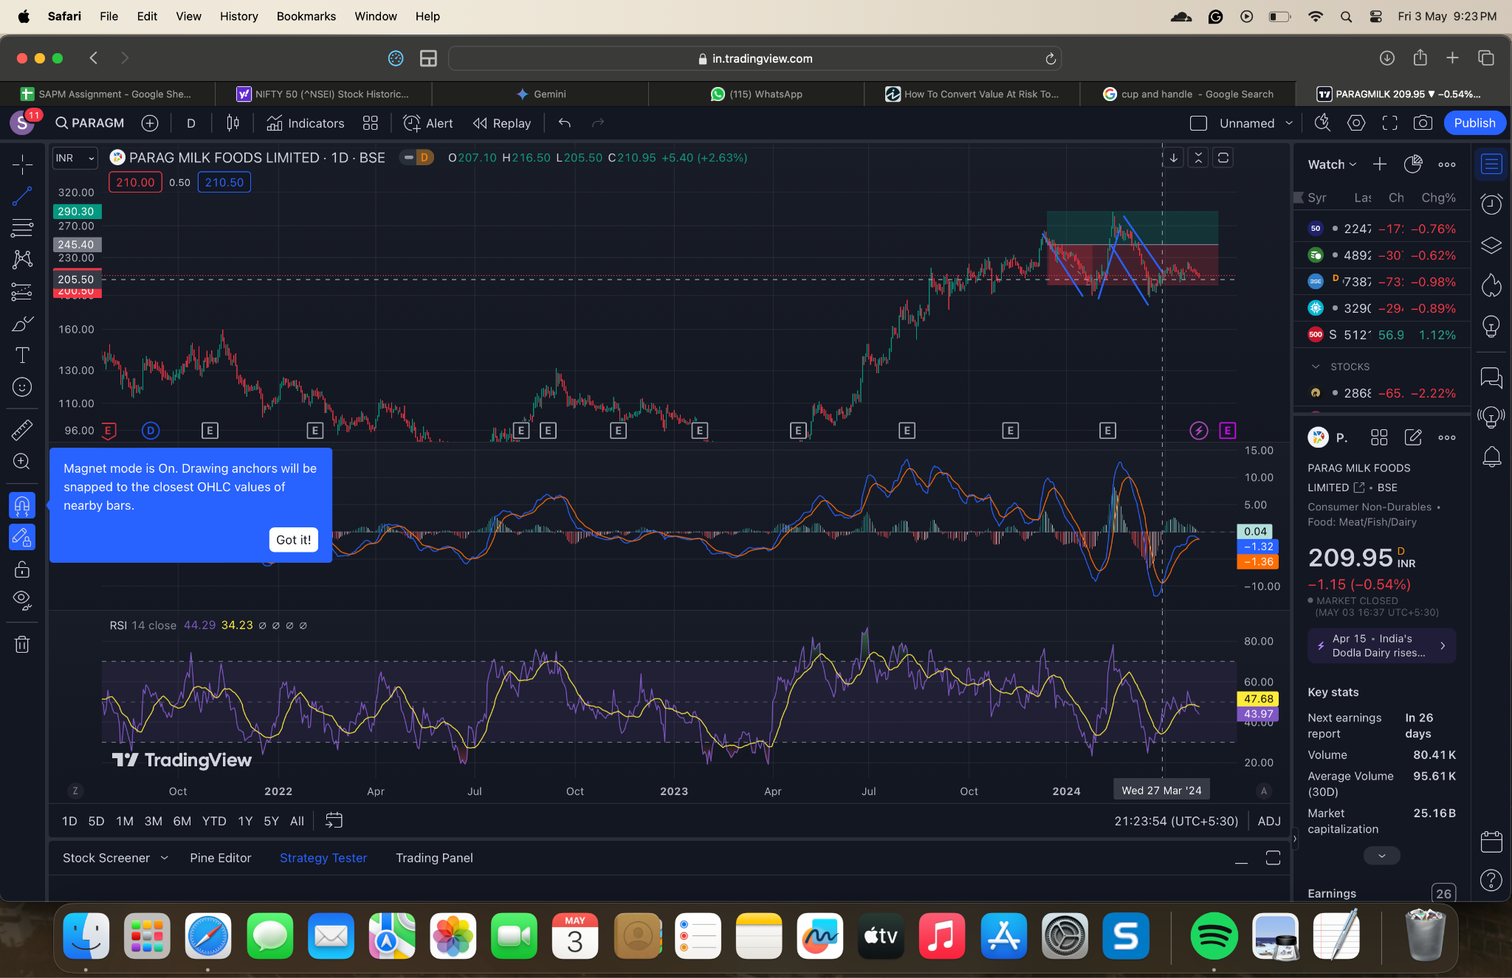
FUNDAMENTAL ANALYSIS | Significant Weaknesses: Profitability: Negative profitability ratios (ROCE, ROE, ROA, Net Margin) in 2022 indicate substantial losses, raising serious doubts about the company's ability to generate sustainable profits. While there's some improvement in 2023, it's too early to determine its sustainability. Liquidity: Consistently low cash and quick ratios suggest difficulty meeting short-term obligations, raising concerns about the company's ability to pay its bills on time. Operational Inefficiency: Declining inventory and accounts receivable turnovers indicate challenges in managing inventory and collecting payments from customers. This can strain cash flow and limit operational efficiency. High Leverage (Partially Mitigated): Debt-to-total-assets ratio shows some improvement, but the historical data is limited for a more definitive assessment. However, the company still relies on debt financing, which can magnify risks. Limited Positives: High Asset Turnover: The company generates more sales per dollar of assets compared to the industry average (further industry benchmark analysis recommended). However, this might indicate over-leveraging assets, requiring careful management. Investment Decision: Considering the substantial profitability and liquidity concerns, operational inefficiencies, and potential leverage risks, this company appears to be a poor investment choice at this time. The potential for future growth is uncertain, and the risks seem to outweigh any potential rewards. Predictive Analysis: Short-term: The stock price is likely to remain volatile and could experience downward pressure in the near future due to the significant financial weaknesses. Long-term: Predicting the long-term movement is difficult. If the company can demonstrably improve its profitability, liquidity, operational efficiency, and manage its debt effectively, there's a chance for future growth. However, this is a highly speculative scenario, and significant and sustained improve
TECHNICAL ANALYSIS | On the basis of MACD, RSI and recent formation of cup and Handle, the signal is bulllish.
Descriptive Stats | Positive signs: Low Volatility: The exceptionally low standard deviation indicates minimal daily price fluctuations, making it a potentially attractive option for risk-averse investors seeking stability. Minimal Market Correlation (Beta): The beta close to zero suggests the stock's price movements are largely independent of the overall market. This can be beneficial during market downturns. Negative signs: Negative Returns (Alpha): The negative alpha implies the stock underperforms relative to the expected return based on its beta. This is a major concern for any investor. Strong Correlation with NIFTY 50 (at least on a monthly basis): This contradicts the initial suggestion of minimal market correlation. It indicates the stock might still be vulnerable to broader market trends, especially in the long run. Uncertainties: Limited Sentiment Impact: While positive, this doesn't guarantee future performance or identify clear drivers of price movements. Investment Prediction (Cautious): Predicting future price movements with certainty is impossible. However, given the mixed signals: Short-term: The low volatility suggests minimal downside risk in the near future. However, the lack of a clear driver for price appreciation makes significant upside unlikely. Long-term: The negative alpha raises concerns. Investment Suitability: Risk-averse investors: The low volatility might be appealing, but the negative returns are a significant drawback. Growth investors: The stock doesn't seem like a good fit due to the lack of a clear growth story and negative alpha. Value investors: The negative alpha suggests the stock might already be overvalued.

Investment Decision | Fundamental Analysis (Strong Sell Signal): The fundamental weaknesses outweigh any technical positives. The company struggles with profitability, liquidity, operational efficiency, and potential leverage risks. These factors significantly increase the risk of the company failing or its stock price experiencing a major decline. Technical Analysis (Mixed Signals): The low volatility and minimal market correlation might be attractive to risk-averse investors in the short term. However, the negative alpha, potentially conflicting market correlation data, and limited upside potential paint a concerning picture. Overall Recommendation (Cautious - Avoid for Now): Given the significant fundamental weaknesses, the negative alpha in technical analysis, and the lack of a clear growth story, this company appears to be a poor investment choice at this time. The potential rewards don't seem to justify the high risks involved.

