Chairman Command Center
ADYPU CHAIRMAN COMMAND CENTER 2026-27

 |  |  |  |  |  | Status | Value
Admissions | Placements |  | Publications | Patents | MoUs | Green | 70
4250 | 92% |  | 356 | 42 | 120 | Amber | 20
🟢 | 🟢 |  | 🟡 | 🟡 | 🟢 | Red | 10

Institution Health Index
Quick Navigation |  | Chairman AI Alerts
Chairman Dashboard |  | Admissions progressing toward target
Admission MIS | Rebekah Gaware | Placement target achieved
Partners Admission MIS | Ms.Aditya Khole & Ms.Deepti Mishra
Student Achievement | School Deans | Research output needs monitoring
Faculty Achievement | School Deans | NIRF benchmarking review recommended
School Events | School Deans | Industry collaborations increasing
Leadership Representation | IQAC & RO
Placement Internship | SPCR Team
University Ranking & Accreditat | IQAC
Strategic Initiatives | Dean Academics & IQAC |  |  |  |  | Metric | ADYPU | Benchmark
HR Dashboard | HR team |  |  |  |  | Placement | 92 | 90
Media & Branding | Mr.Thorat & Ankita Soni |  |  |  |  | Patents | 42 | 60
MoU & Collaborations | RO |  |  |  |  | MoUs | 120 | 80
Examination MIS | COE & Mr.Heman Tambe
Sports | Ms.Sheetal Gorule
Internationa acheivement and activities | Ms.Manjari Desai
NSS | Dr.Shital Solanki

Chairman Dashboard
ADYPU CHAIRMAN STRATEGIC EXECUTIVE DASHBOARD
 |  |  |  |  |  |  |  | Status | Count
 |  |  |  |  |  |  |  | Green | 60
Admissions | Placements | Publications | Patents | MoUs | Events | Rankings | Startups | Amber | 25
Enter Value | Enter Value | Enter Value | Enter Value | Enter Value | Enter Value | Enter Value | Enter Value | Red | 15

Institution Health Index
Admissions Dashboard

Academic Excellence

Student Achievements

Placement Performance

Ranking & Accreditation

Finance & HR

Innovation & Startups

Risk & Escalation Tracker

University Acheivement and Acti
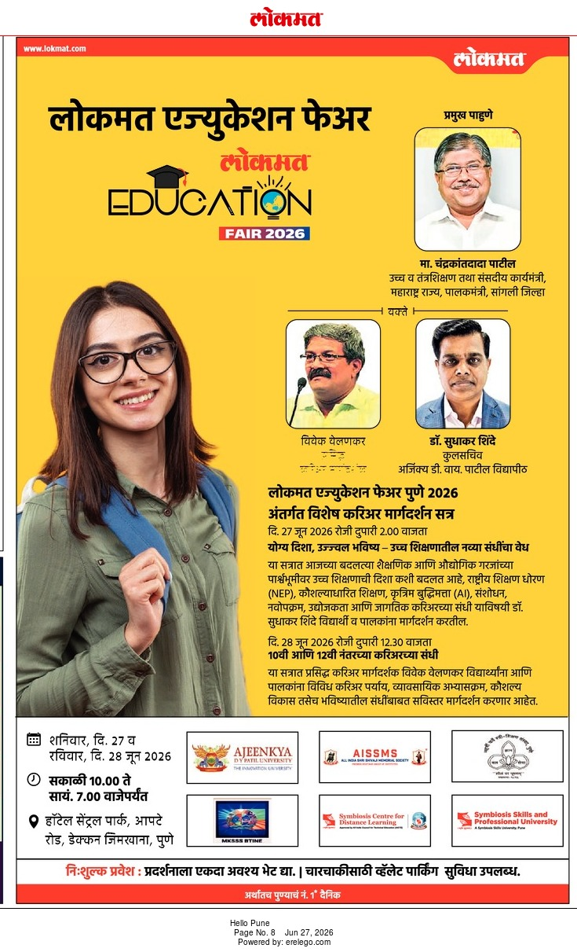
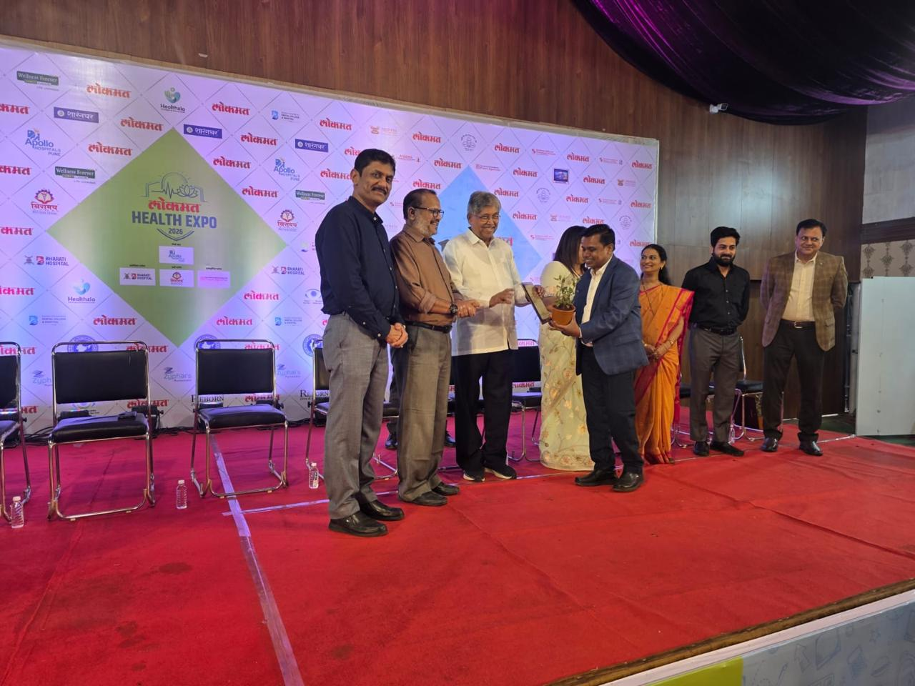
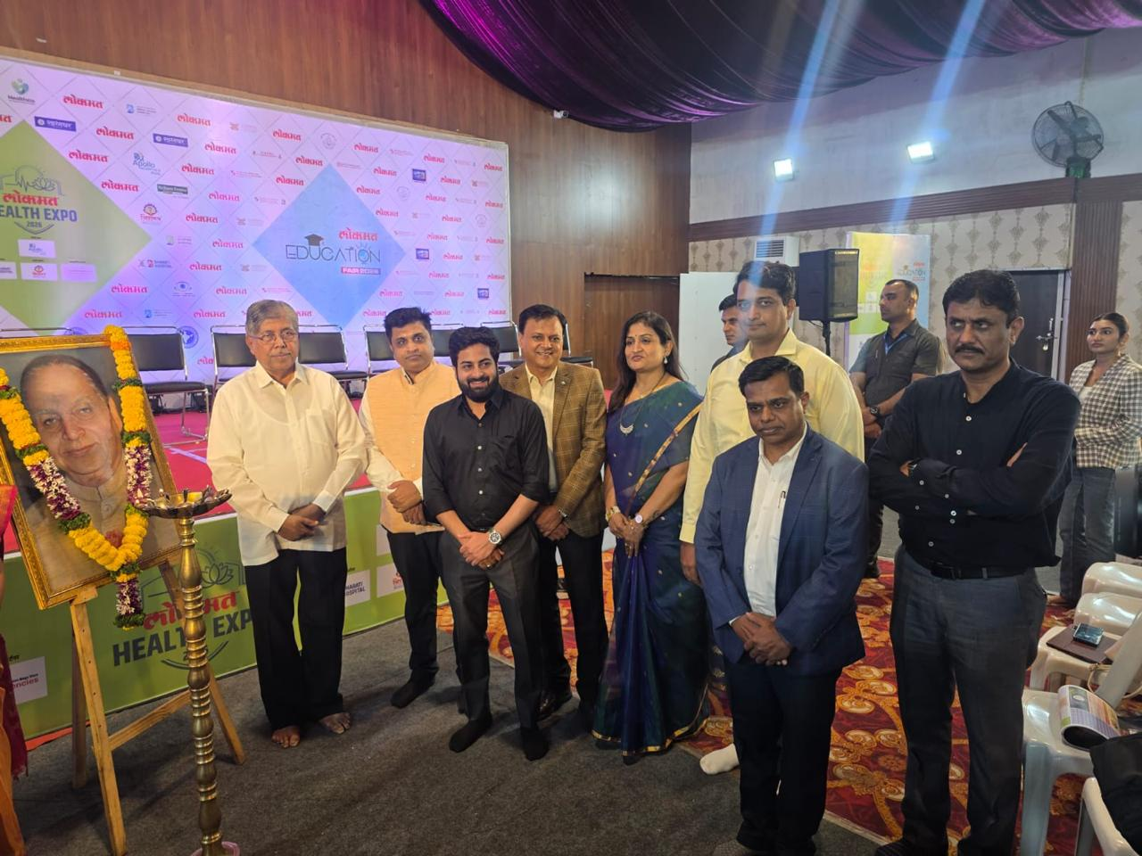
Name | Designation | Event | Role | Visibility/Outcome | Date
Dr. Deepa Joshi | Director IQAC and Dean SoE (Core) | Training Program on 'Mathematics: A Computational Approach' Organised by National Institute of Technical Teachers Training and Research in Association with COEP Pune | Resource Person | Representation of ADYPU at National Level Platform as Resource Person | 15th June 2026
Dr.Sudhakar Shinde | Registrar | Lokmat organized Education fair and Health Expo on 27th June at hotel Central Park Shivaji Nagar Pune | Speaker | ADYPU recieved award | 17th & 28th June 2026

University Ranking & Accreditat
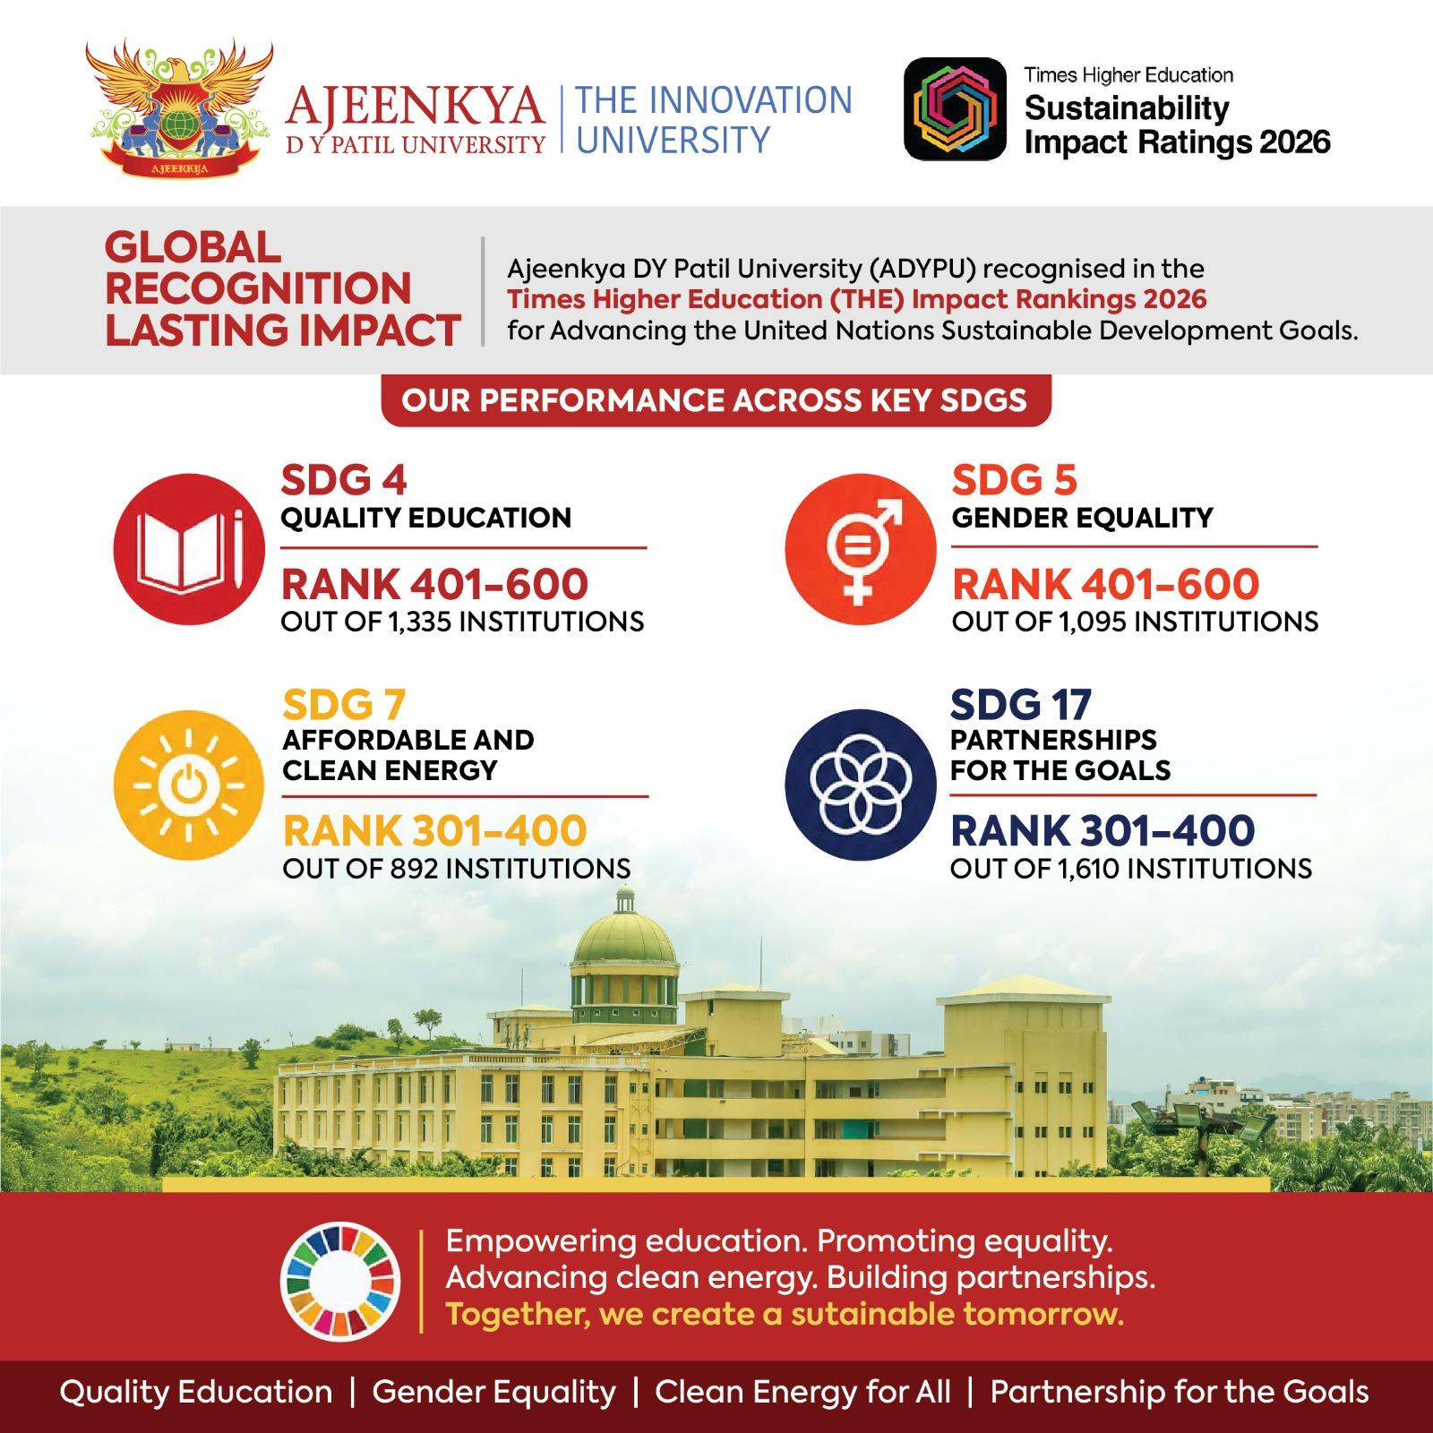
Category | Submission | Status | Progress % | Remarks
THE Sustainable Impact Rating 2026 | 17/11/2025 | Result Published on 24/06/2026 | 100% | Recognised Global Rank- 1001-1500th Band SDG4 - Rank 401-600 SDG5 - Rank 401-600 SDG7 - Rank 301-400 SDG17-Rank 301-400

International Affairs
Date
2026-06-29 | Meeting with Mr. Tomio Isogai, Consultant Japan to discuss Future Immersion programs with Universities in Japan and Industry visits for students in ADPYPU
3 -10 June | Outreach program in Nepal. Cities visited Kathmandu, Birgunj and Biratnagar to connect with prospective students for admissions. Visited Xaviers International School and College. Had an interaction with the owner Mr. Bhandari. They are keen to send their students to ADYPU for exchange programs and recommend our university for higher education. Two MoU’s were initiated for Immersion Programs and Student Exchange Programs 1. Xaviers International School and College 2. Pentagon International School and College

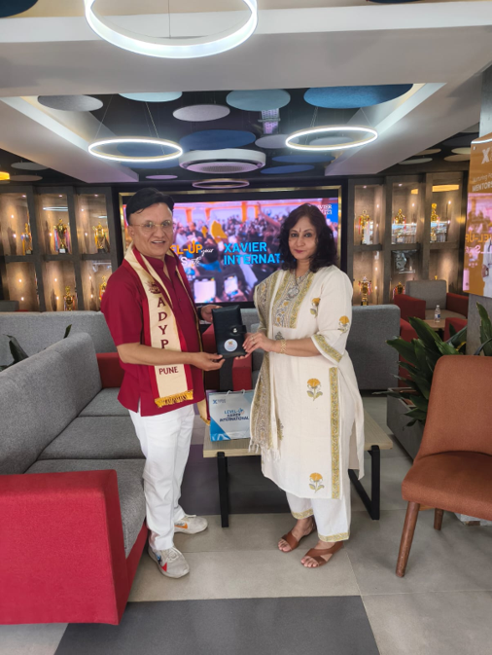
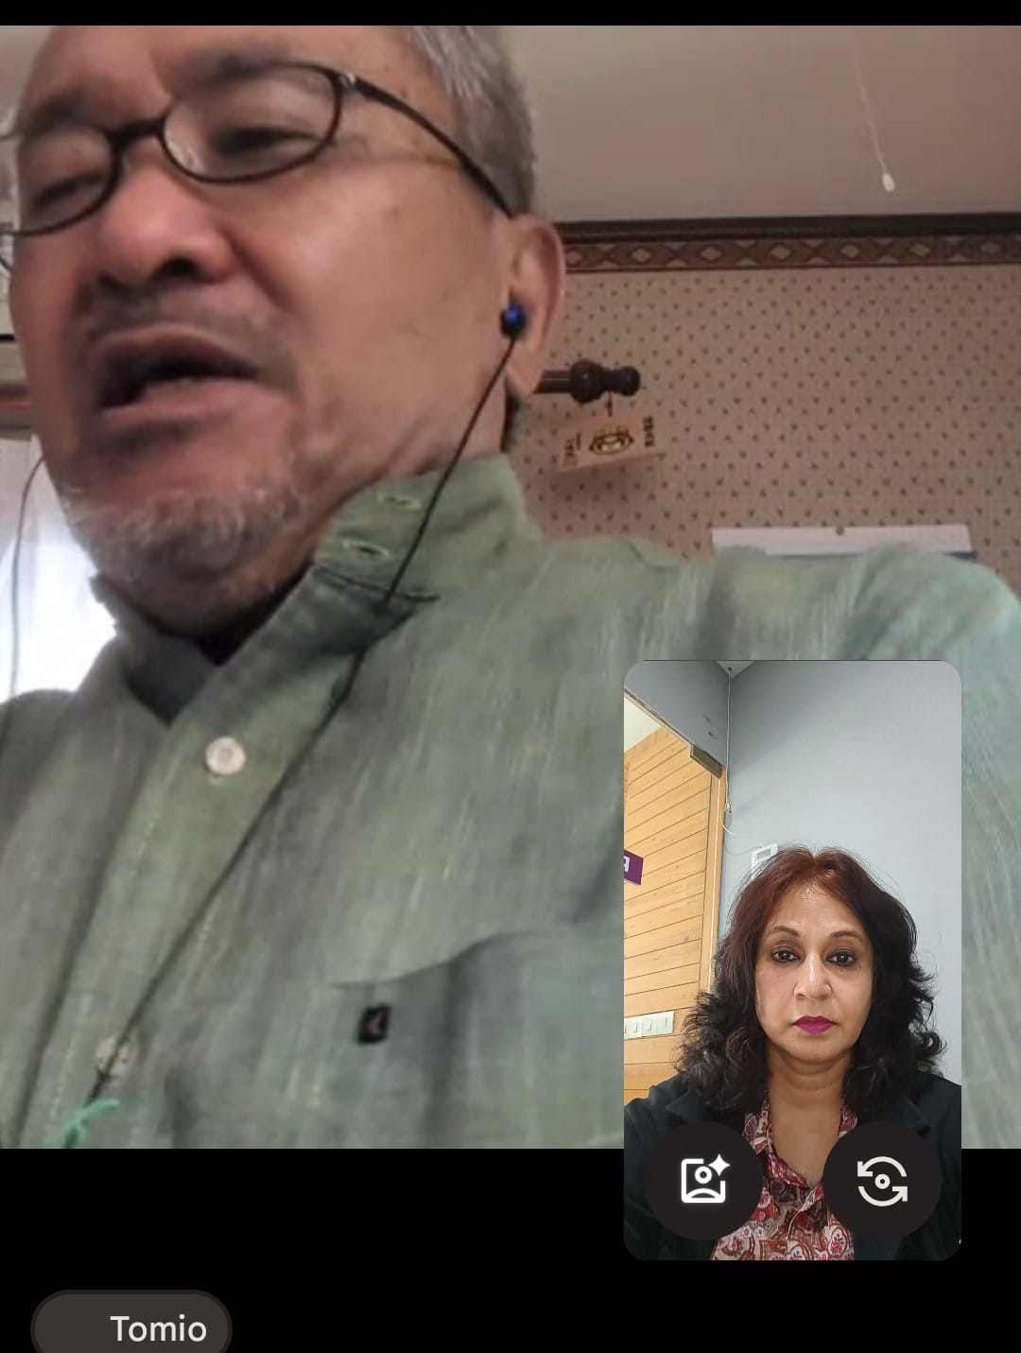

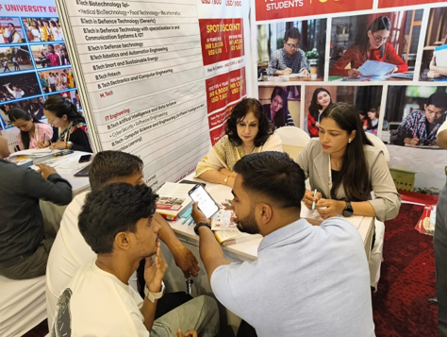

Student Outreach Kathmandu

 |  | With Mr. Bhandari Owner of Xaviers School | With Mr. Tomio Isogai

