Chairman Command Center
ADYPU CHAIRMAN COMMAND CENTER 2026-27

 |  |  |  |  |  | Status | Value
Admissions | Placements |  | Publications | Patents | MoUs | Green | 70
4250 | 92% |  | 356 | 42 | 120 | Amber | 20
🟢 | 🟢 |  | 🟡 | 🟡 | 🟢 | Red | 10
Institution Health Index

Quick Navigation |  | Chairman AI Alerts
Chairman Dashboard |  | Admissions progressing toward target
Admission MIS | Rebekah Gaware | Placement target achieved
Partners Admission MIS | Ms.Aditya Khole & Ms.Deepti Mishra
Student Achievement | School Deans | Research output needs monitoring
Faculty Achievement | School Deans | NIRF benchmarking review recommended
School Events | School Deans | Industry collaborations increasing
Leadership Representation | IQAC & RO
Placement Internship | SPCR Team
University Ranking & Accreditat | IQAC
Strategic Initiatives | Dean Academics & IQAC |  |  |  |  | Metric | ADYPU | Benchmark
HR Dashboard | HR team |  |  |  |  | Placement | 92 | 90
Media & Branding | Mr.Thorat & Ankita Soni |  |  |  |  | Patents | 42 | 60
MoU & Collaborations | RO |  |  |  |  | MoUs | 120 | 80
Examination MIS | COE & Mr.Heman Tambe
Sports | Ms.Sheetal Gorule
Internationa acheivement and activities | Ms.Manjari Desai
NSS | Dr.Shital Solanki

Chairman Dashboard
ADYPU CHAIRMAN STRATEGIC EXECUTIVE DASHBOARD
 |  |  |  |  |  |  |  | Status | Count
 |  |  |  |  |  |  |  | Green | 60
Admissions | Placements | Publications | Patents | MoUs | Events | Rankings | Startups | Amber | 25
Enter Value | Enter Value | Enter Value | Enter Value | Enter Value | Enter Value | Enter Value | Enter Value | Red | 15

Institution Health Index
Admissions Dashboard

Academic Excellence

Student Achievements

Placement Performance

Ranking & Accreditation

Finance & HR

Innovation & Startups

Risk & Escalation Tracker

University Acheivement and Acti
Name | Designation | Event | Role | Visibility/Outcome | Date
Dr. Deepa Joshi | Director IQAC and Dean SoE (Core) | Training Program on 'Mathematics: A Computational Approach' Organised by National Institute of Technical Teachers Training and Research in Association with COEP Pune | Resource Person | Representation of ADYPU at National Level Platform as Resource Person | 15th June 2026
Dr.Sudhakar Shinde | Registrar | Lokmat organized Education fair and Health Expo on 27th June at hotel Central Park Shivaji Nagar Pune | Speaker | ADYPU recieved award | 17th & 28th June 2026 | 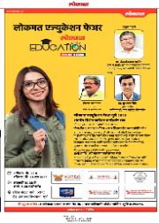 | 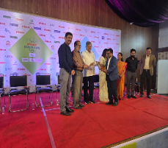 | 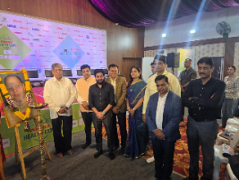
Dr. Deepa Joshi | Director IQAC and Dean SoE (Core) | Training Program on 'Innovative Teaching Pedagogies' Organised by National Institute of Technical Teachers Training and Research in Association with COEP Pune | Resource Person | Representation of ADYPU at National Level Platform as Resource Person | 2nd July 2026
Dr. Deepa Joshi | Director IQAC and Dean SoE (Core) | EPICS Workshop at Alliance University, Bengaluru | Director IQAC | Representation of ADYPU at International Level Platform, EPICS | 27th to 29th July 2026 | 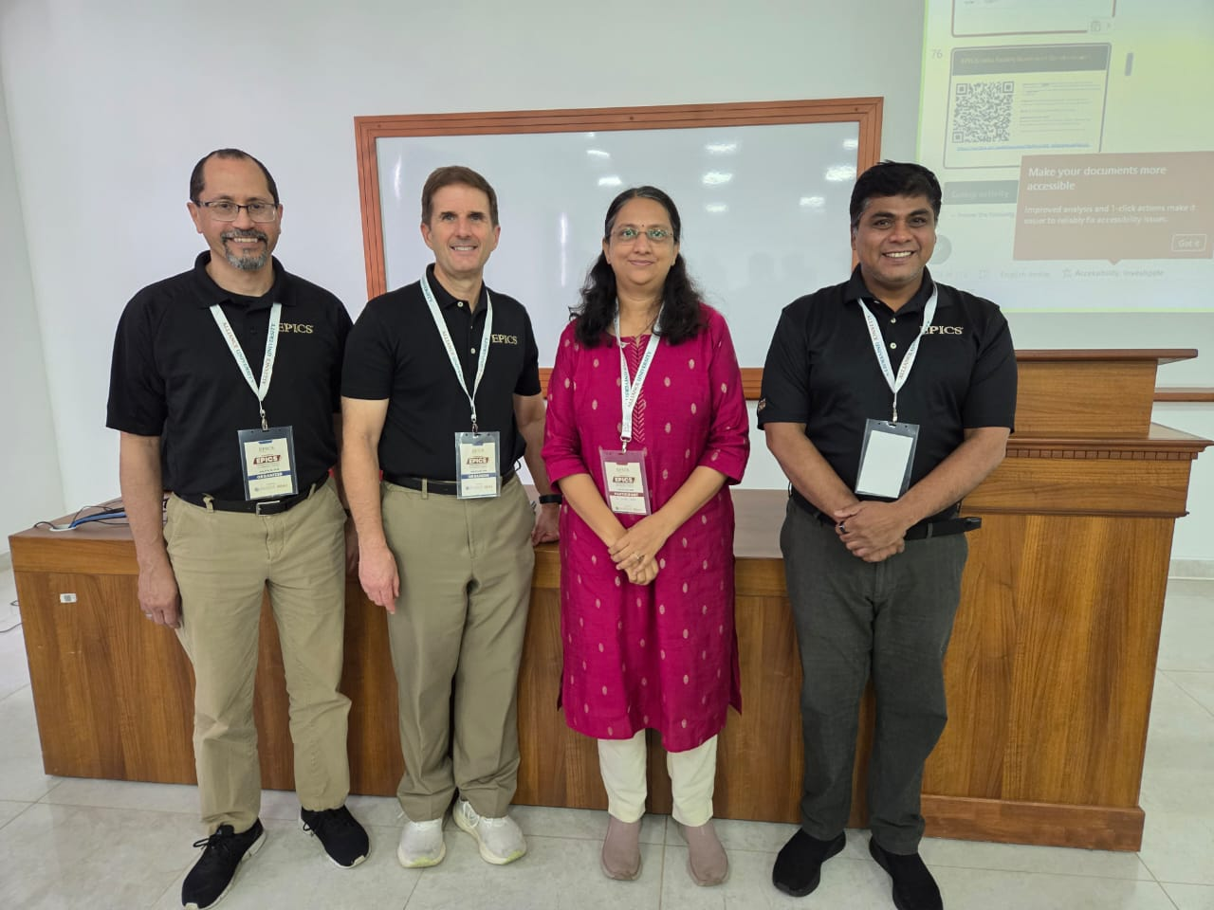
Dr. Deepa Joshi | Director IQAC and Dean SoE (Core) | Attended QS I-GAUGE "National Summit on AI in Indian Education" for Rating Award Ceremony at Gandhinagar, Gujarat. | Director IQAC | To receive the prestigious QS I-GAUGE Diamond Rating | 20th August 2026 | 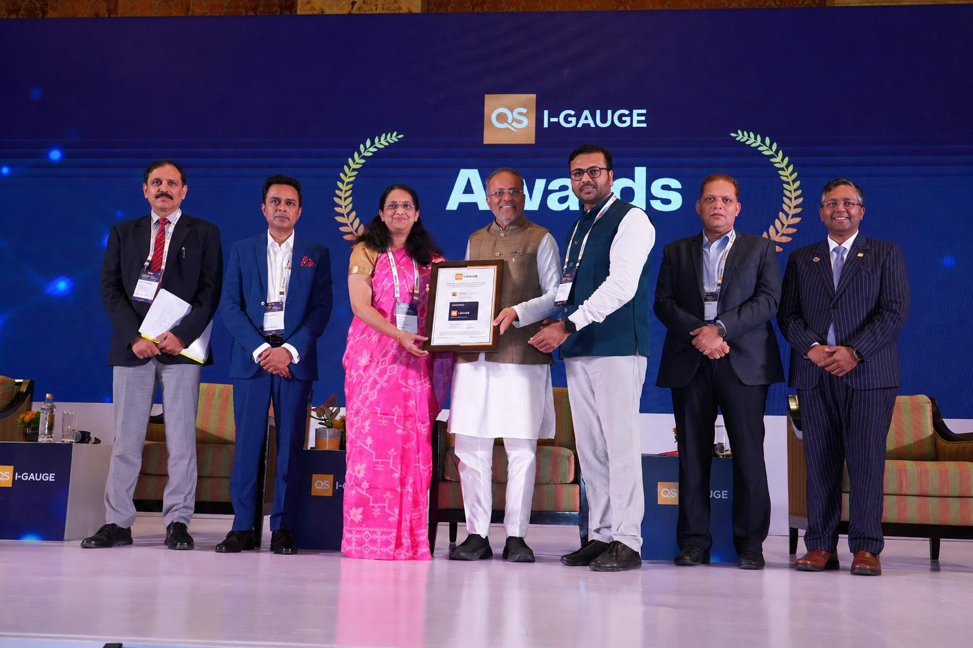
Dr. Bina Sarkar | Associate Professor | ACWA Panel Discussion - AI in Education : Transforming Teaching & learning | Speaker | Representation of ADYPU at National Level Platform | 30/09/2026
Dr Abhilasha Mane | School of Law | The School of Law, Ajeenkya DY Patil University, has proudly achieved a significant milestone by receiving a grant of ₹5 lakh under the Pro-Bono Club Scheme (PBCS) of the Nyaya Bandhu (Pro-Bono Legal Services) Programme, under the DISHA 2.0 Scheme of the Ministry of Law and Justice, Government of India. | Applicant for grant of ₹5 lakh under the Pro-Bono Club Scheme (PBCS) of the Nyaya Bandhu (Pro-Bono Legal Services) Programme, under the DISHA 2.0 Scheme of the Ministry of Law and Justice, Government of India. | 1 lakh received. every year 1 lakh grant will by granted to us | 23rd september 2026

University Ranking & Accreditat
Category | Submission | Status | Progress % | Remarks
THE Sustainable Impact Rating 2026 | 17/11/2025 | Completed Result Published on 24/06/2026 | 100% | Recognised Global Rank- 1001-1500th Band SDG4 - Rank 401-600 SDG5 - Rank 401-600 SDG7 - Rank 301-400 SDG17-Rank 301-400 | 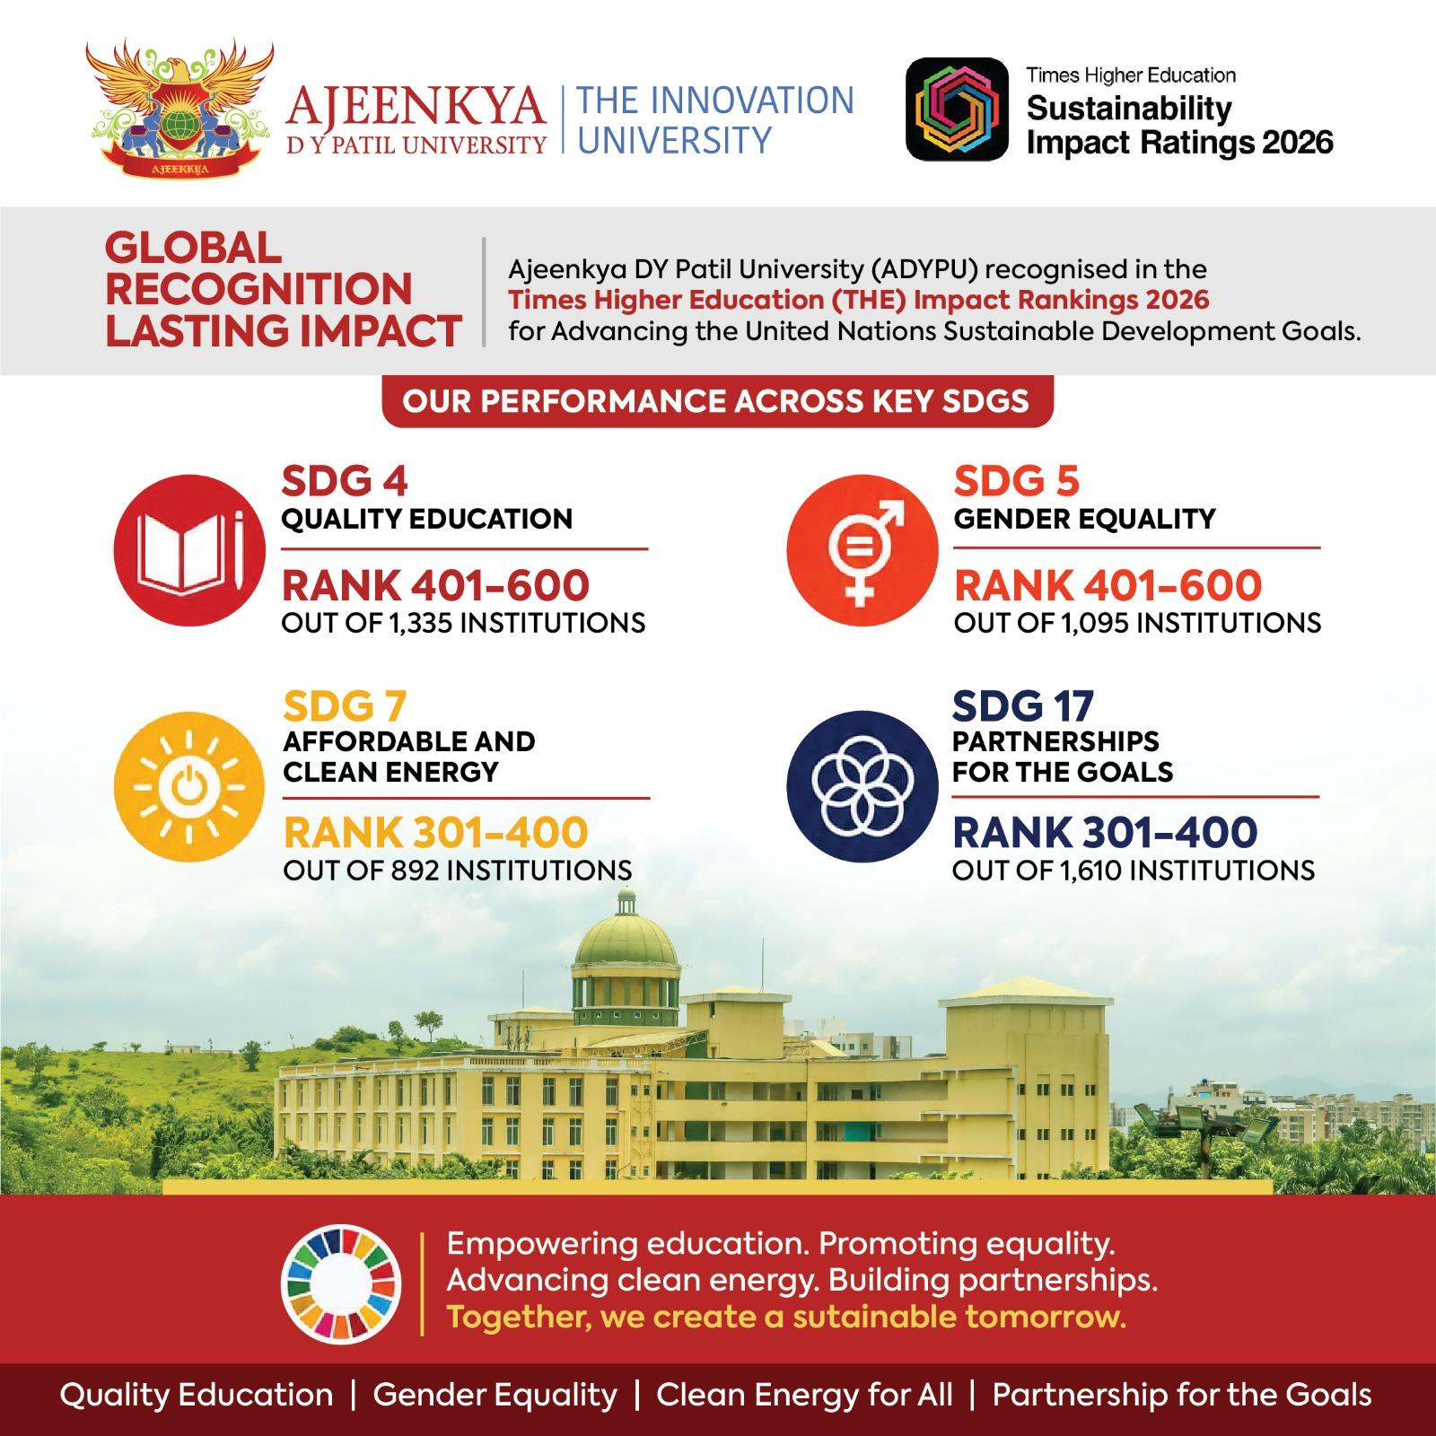
QS I-GAUGE Rating | 17-04-2026 | Completed Result Published on 10/07/2026 | 100% | Achieving an Overall Rating: DIAMOND | 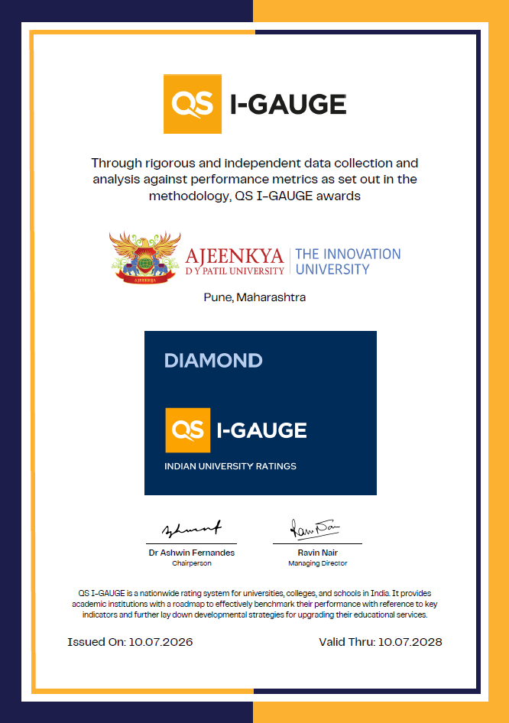

International Affairs
Date
29 March- 3 April | Immersion Program with Universitas Udayana Bali, Indonesia with UAS International Group of Companies for ADYPU
5th May, 2026 | Meeting with .E. Rasmus Abildgaard Kristensen, Ambassador of Denmark to India

2026-06-29 | Meeting with Mr. Tomio Isogai, Consultant Japan to discuss Future Immersion programs with Universities in Japan and Industry visits for students in ADPYPU
3 -10 June | Outreach program in Nepal. Cities visited Kathmandu, Birgunj and Biratnagar to connect with prospective students for admissions. Visited Xaviers International School and College. Had an interaction with the owner Mr. Bhandari. They are keen to send their students to ADYPU for exchange programs and recommend our university for higher education. Two MoU’s were initiated for Immersion Programs and Student Exchange Programs 1. Xaviers International School and College 2. Pentagon International School and College
2nd July, 2026, | ADYPU hosted the Fun Day for African Students in Collaboration with the Association of African Students in India, Pune Chapter
 | The event brought together close to 100 students from various African countries studying across Pune and the surrounding regions
6th July, 2026 | Event sponsored by ADYPU -Convocation Ceremony for Graduating African Students
 | Ms. Manjari Desai was invited as a guest to addresss the African students
21st July, 2026 | The International division arranged for a Master Class on Breaking Into Games Development with Mr. Jack Flitcher, Teesside University, UK . Engineering and Design Students participated in the program
28 - 29 July 2026 | Immersion program with FTP Education Global, Vietnam, for ADYPU students
2026-07-27 | Meeting with Malaysia University of Science and Technology, Malyasia with Dr. Thanga Thurai Vengadasalam, Director Global Engagement Office and his Team for Semester Exchange Program for MBA Pro students at ADYPU
2026-08-21 | Meeting with Malaysia University of Science and Technology, Malyasia with Dr. Thanga Thurai Vengadasalam, Director Global Engagement Office and his Team for Semester Exchange Program for MBA Pro students at ADYPU
2026-08-26 | Meeting with Malaysia University of Science and Technology, Malyasia with Dr. Thanga Thurai Vengadasalam, Director Global Engagement Office and his Team for Semester Exchange Program for MBA Pro students at ADYPU
2026-08-05 | Meeting with K.Kumar, Regional Head, International Relations and Collaborations Centre, INTI International University, Malaysia for Semester Exchange Program for MBA Pro students at ADYPU
15, 21 and 24 August 2026 | Meetings were held with Kingston University, to set up the British Council India TNE Grant application for the project “Bridging Futures: Advancing Intelligent Robotics and Artificial Intelligence through UK–India Transnational Education at ADYPU. The total grand comprises of 30,000 £.
 | Project Lead / Principal Investigator: Professor Mukeshchandra Limbachiya – Director of Strategic Partnering and Development o Co-Investigator / Deputy: Dr Jagadissen Munisami – Head of Department of Electrical, Electronic and Robotic Engineering

 | KU is the contracting and lead institution and will lead grant administration and areas requiring UK academic and TNE expertise, including TNE design, academic standards, validation and quality assurance. •

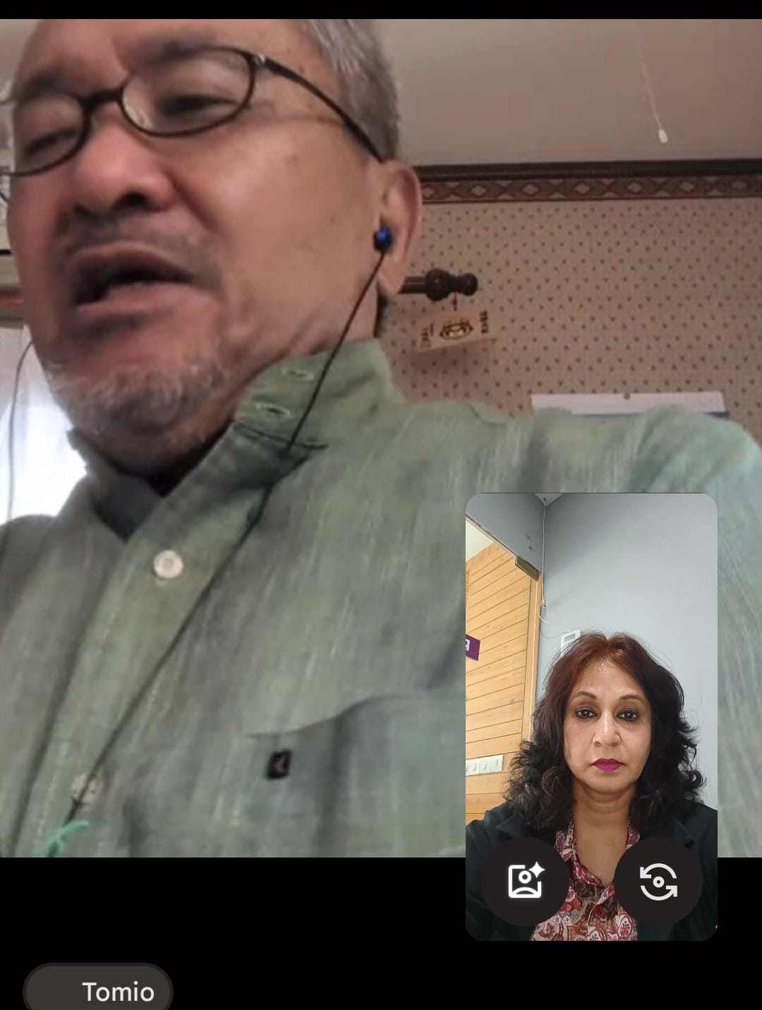
 | Collaborative Indian Institution – Ajeenkya DY Patil University (ADYPU), Pune • Indian Institutional Lead / Co-Investigator: Dr Atul B. Kathole – Associate Dean Academic & Dean–R&D Computer Engineering, School of Engineering , Dr Nikhil Mane and Ms. Manjari Salil Desai ADYPU will lead on Indian academic, regulatory, market and local implementation requirements.
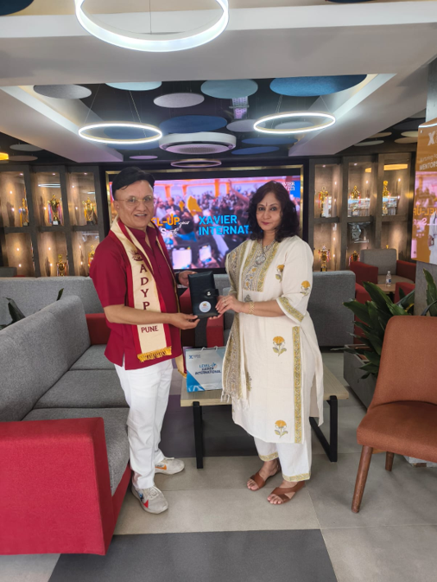
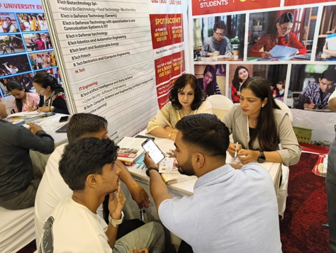
 | Strategic oversight will be shared through a Joint Steering Group, supported by a joint Academic Design Group, named work-package leads and regular delivery meetings.

June - Student Outreach Kathmandu

 |  | June event - Kathmandu Nepal -With Mr. Bhandari Owner of Xaviers School

 |  |  | With Mr. Tomio Isogai
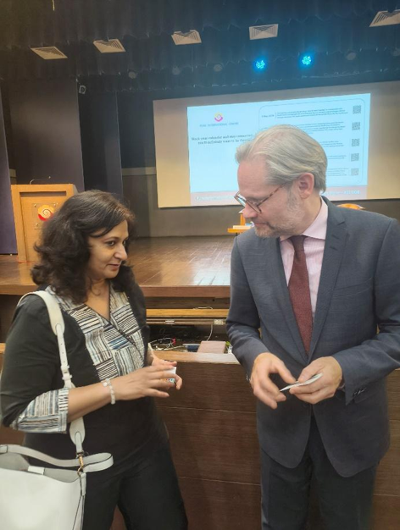
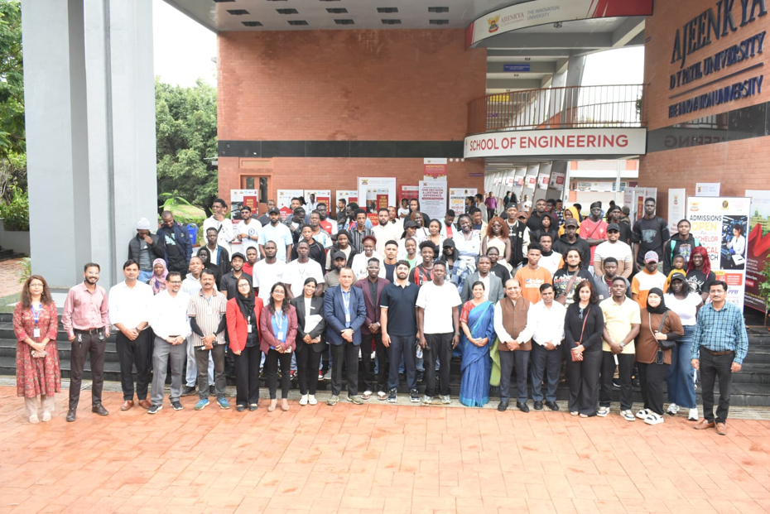

 |  | 2nd July Event hosted by the International Affairs Division for African Students studying in India

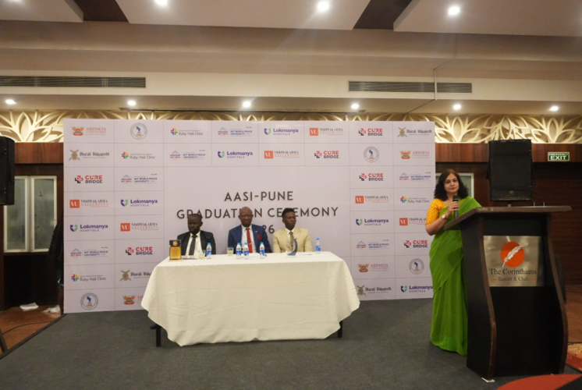

May 2026 With H.E. Rasmus Abildgaard Kristensen, Ambassador of Denmark to India

 |  | Associate Dean, International Affairs, was invited to address the graduating cohort

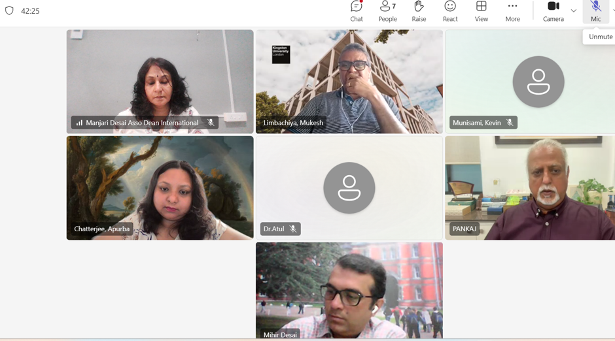

15, 21 and 24 August, 2026 Online Meetings with Kingston University

