Chairman Command Center
ADYPU CHAIRMAN COMMAND CENTER 2026-27

 |  |  |  |  |  | Status | Value
Admissions | Placements |  | Publications | Patents | MoUs | Green | 70
4250 | 92% |  | 356 | 42 | 120 | Amber | 20
🟢 | 🟢 |  | 🟡 | 🟡 | 🟢 | Red | 10

Institution Health Index
Quick Navigation |  | Chairman AI Alerts
Chairman Dashboard |  | Admissions progressing toward target
Admission MIS | Rebekah Gaware | Placement target achieved
Partners Admission MIS | Ms.Aditya Khole & Ms.Deepti Mishra
Student Achievement | School Deans | Research output needs monitoring
Faculty Achievement | School Deans | NIRF benchmarking review recommended
School Events | School Deans | Industry collaborations increasing
Leadership Representation | IQAC & RO
Placement Internship | SPCR Team
University Ranking & Accreditat | IQAC
Strategic Initiatives | Dean Academics & IQAC |  |  |  |  | Metric | ADYPU | Benchmark
HR Dashboard | HR team |  |  |  |  | Placement | 92 | 90
Media & Branding | Mr.Thorat & Ankita Soni |  |  |  |  | Patents | 42 | 60
MoU & Collaborations | RO |  |  |  |  | MoUs | 120 | 80
Examination MIS | COE & Mr.Heman Tambe
Sports | Ms.Sheetal Gorule
Internationa acheivement and activities | Ms.Manjari Desai
NSS | Dr.Shital Solanki

Chairman Dashboard
ADYPU CHAIRMAN STRATEGIC EXECUTIVE DASHBOARD
 |  |  |  |  |  |  |  | Status | Count
 |  |  |  |  |  |  |  | Green | 60
Admissions | Placements | Publications | Patents | MoUs | Events | Rankings | Startups | Amber | 25
Enter Value | Enter Value | Enter Value | Enter Value | Enter Value | Enter Value | Enter Value | Enter Value | Red | 15

Institution Health Index
Admissions Dashboard

Academic Excellence

Student Achievements

Placement Performance

Ranking & Accreditation

Finance & HR

Innovation & Startups

Risk & Escalation Tracker

University Ranking & Accreditat
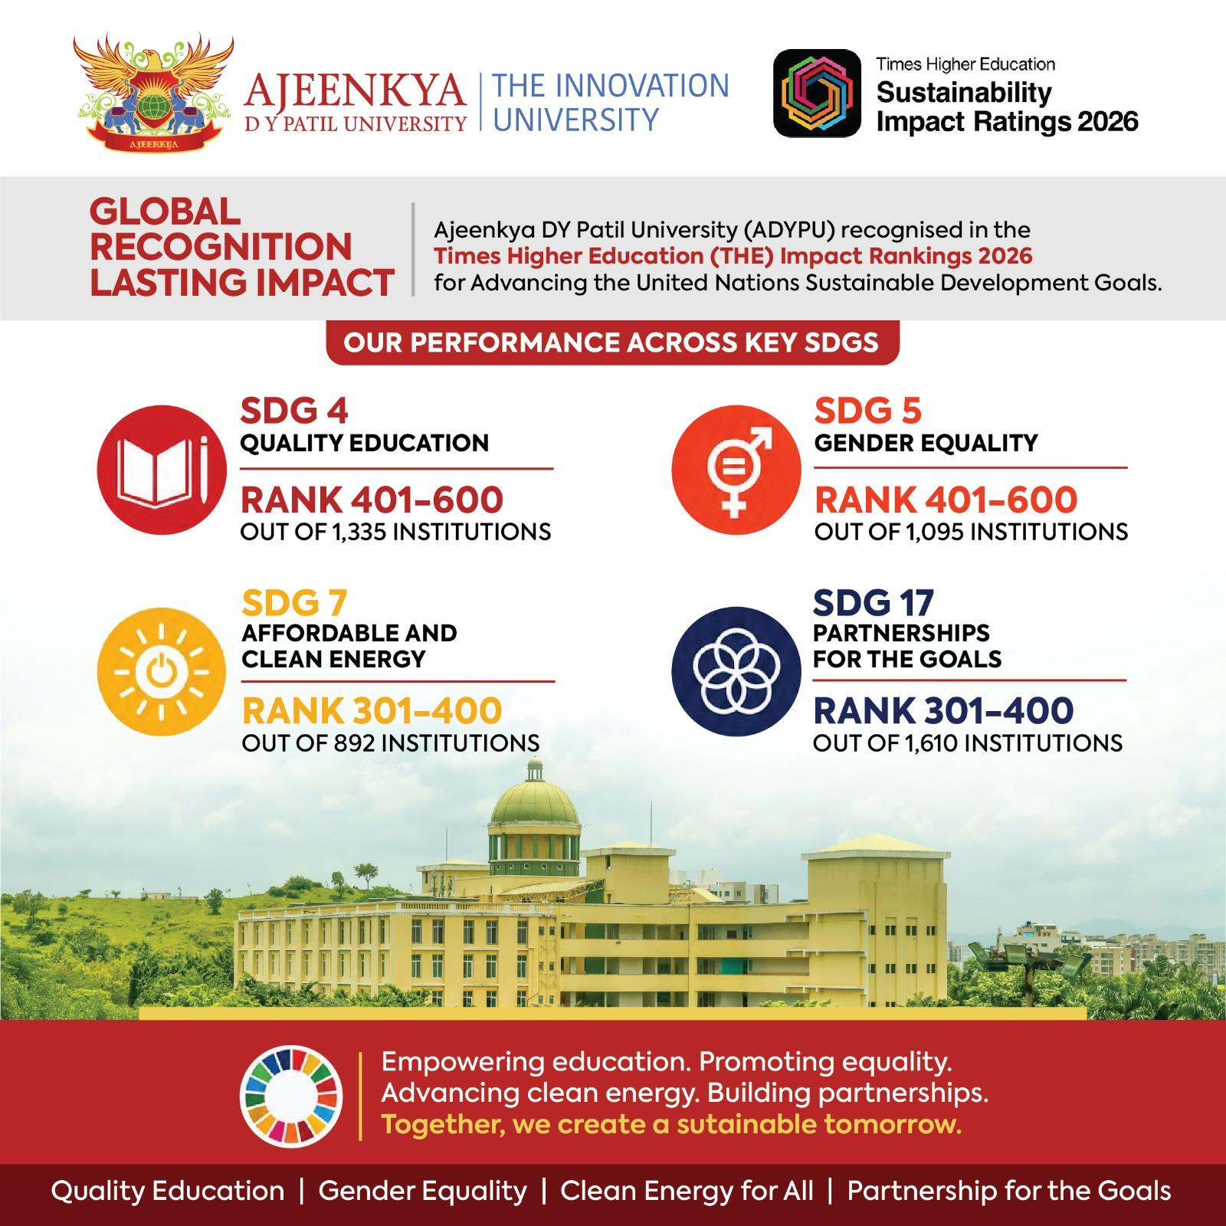
Category | Submission | Status | Progress % | Remarks
THE Sustainable Impact Rating 2026 | 17/11/2025 | Result Published on 24/06/2026 | 100% | Recognised Global Rank- 1001-1500th Band SDG4 - Rank 401-600 SDG5 - Rank 401-600 SDG7 - Rank 301-400 SDG17-Rank 301-400

