H2 Emission factors
Synthesis of emission factors for various hydrogen production pathways using all references except [9]
Processes | Min | Median | Max | Mean | Nb of values
SMR (w/o CCS) | 8.9 | 12.0 | 13.8 | 11.8 | 6
SMR (w/ CCS) | 1.0 | 3.7 | 5.6 | 3.4 | 3
CG (w/o CCS) | 12.0 | 23.0 | 24.2 | 20.6 | 6
CG (w/ CCS) | 2.1 | 4.9 | 6.2 | 4.4 | 3
Electrolysis | 0.05801279*CI | 0.06562173*CI | 0.08673913*CI | - | 12
NB: for electrolysis, a Q1 and Q3 envelope is drawn, supported by the median line, based on the carbon intensity (CI) of wind, PV and grid mix electrolyses
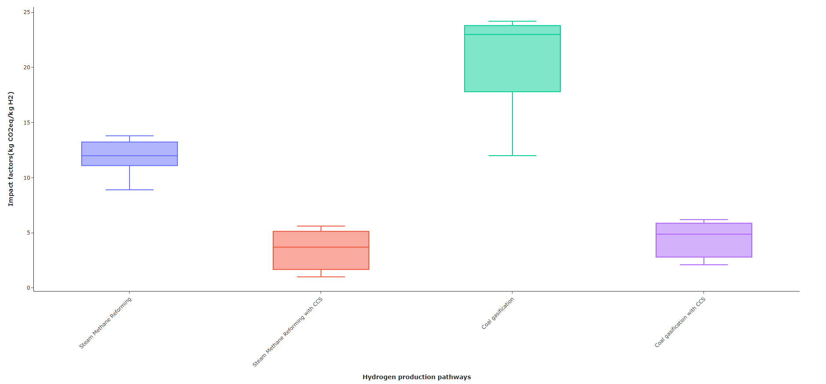

Analysis of emission factors for Steam Methane Reforming (w/o CCS) using [3] [4] [5] [6] [7] & [8] |  |  | Analysis of emission factors for Steam Methane Reforming (w/ CCS) using [3] [7] & [8] |  |  | Analysis of emission factors for Coal Gasification (w/o CCS) using [1] [3] [4] [5] [6] [7] & [8] |  | Analysis of efficiency for Coal Gasification (w/ CCS) using [3] [7] & [8]
Reference | Emission factors (kgCO2e/kgH2) |  | Reference | Emission factors (kgCO2e/kgH2) |  | Reference | Emission factors (kgCO2e/kgH2) | Reference | Emission factors (kgCO2e/kgH2)
[3] | 11.98 |  | [3] | 3.7 |  | [1] | 12 | [3] | 4.87
[4] | 11.1 |  | [7] | 5.61 |  | [3] | 22.99 | [7] | 6.2
[5] | 12 |  | [8] | 1 |  | [4] | 24.2 | [8] | 2.1
[6] | 13.8 |  |  |  |  | [5] | 17
[7] | 13.24 |  |  |  |  | [6] | 23.7
[8] | 8.9 |  |  |  |  | [7] | 23.85
 |  |  |  |  |  | [8] | 20.2

Analysis of electrolysis emission factors based on electricity mix, using [1] [2] [3] [4] [5] [6] & [8]
Reference | Type | Electricity carbon intensity (gCO2e/kWh) | Emission factor (kgCO2e/kgH2)
[2] | Wind | 11.5 | 2
[3] | Wind | 11.5 | 1.08
[4] | Wind | 11.5 | 0.7
[5] | Wind | 11.5 | 0.97
[1] | Solar PV | 45 | 3
[2] | Solar PV | 45 | 2.5
[3] | Solar PV | 45 | 1.82
[4] | Solar PV | 45 | 2.58
[2] | EU electricity mix | 328 | 31
[3] | World electricity mix | 439 | 29.21
[6] | US electricity mix | 442 | 28.6
[8] | World electricity mix | 443 | 25.8

For graph
Slope points |  | Q1 | med | Q3
0.174 |  | Slope | Slope | Slope
0.094 |  | 0.058 | 0.066 | 0.087
0.061 | Data
0.084 | 0 | 0.000 | 0.000 | 0.000
0.067 | 5 | 0.290 | 0.328 | 0.434
0.056 | 10 | 0.580 | 0.656 | 0.867
0.040 | 15 | 0.870 | 0.984 | 1.301
0.057 | 20 | 1.160 | 1.312 | 1.735
0.095 | 25 | 1.450 | 1.641 | 2.168
0.067 | 30 | 1.740 | 1.969 | 2.602
0.065 | 35 | 2.030 | 2.297 | 3.036
0.058 | 40 | 2.321 | 2.625 | 3.470
 | 45 | 2.611 | 2.953 | 3.903
 | 50 | 2.901 | 3.281 | 4.337
 | 55 | 3.191 | 3.609 | 4.771
 | 60 | 3.481 | 3.937 | 5.204
 | 65 | 3.771 | 4.265 | 5.638
 | 70 | 4.061 | 4.594 | 6.072
 | 75 | 4.351 | 4.922 | 6.505
 | 80 | 4.641 | 5.250 | 6.939
 | 85 | 4.931 | 5.578 | 7.373
 | 90 | 5.221 | 5.906 | 7.807
 | 95 | 5.511 | 6.234 | 8.240
 | 100 | 5.801 | 6.562 | 8.674
 | 105 | 6.091 | 6.890 | 9.108
 | 110 | 6.381 | 7.218 | 9.541
 | 115 | 6.671 | 7.546 | 9.975
 | 120 | 6.962 | 7.875 | 10.409
 | 125 | 7.252 | 8.203 | 10.842
 | 130 | 7.542 | 8.531 | 11.276
 | 135 | 7.832 | 8.859 | 11.710
 | 140 | 8.122 | 9.187 | 12.143
 | 145 | 8.412 | 9.515 | 12.577
 | 150 | 8.702 | 9.843 | 13.011
 | 155 | 8.992 | 10.171 | 13.445
 | 160 | 9.282 | 10.499 | 13.878
 | 165 | 9.572 | 10.828 | 14.312
 | 170 | 9.862 | 11.156 | 14.746
 | 175 | 10.152 | 11.484 | 15.179
 | 180 | 10.442 | 11.812 | 15.613
 | 185 | 10.732 | 12.140 | 16.047
 | 190 | 11.022 | 12.468 | 16.480
 | 195 | 11.312 | 12.796 | 16.914
 | 200 | 11.603 | 13.124 | 17.348
 | 205 | 11.893 | 13.452 | 17.782
 | 210 | 12.183 | 13.781 | 18.215
 | 215 | 12.473 | 14.109 | 18.649
 | 220 | 12.763 | 14.437 | 19.083
 | 225 | 13.053 | 14.765 | 19.516
 | 230 | 13.343 | 15.093 | 19.950
 | 235 | 13.633 | 15.421 | 20.384
 | 240 | 13.923 | 15.749 | 20.817
 | 245 | 14.213 | 16.077 | 21.251
 | 250 | 14.503 | 16.405 | 21.685
 | 255 | 14.793 | 16.734 | 22.118
 | 260 | 15.083 | 17.062 | 22.552
 | 265 | 15.373 | 17.390 | 22.986
 | 270 | 15.663 | 17.718 | 23.420
 | 275 | 15.954 | 18.046 | 23.853
 | 280 | 16.244 | 18.374 | 24.287
 | 285 | 16.534 | 18.702 | 24.721
 | 290 | 16.824 | 19.030 | 25.154
 | 295 | 17.114 | 19.358 | 25.588
 | 300 | 17.404 | 19.687 | 26.022
 | 305 | 17.694 | 20.015 | 26.455
 | 310 | 17.984 | 20.343 | 26.889
 | 315 | 18.274 | 20.671 | 27.323
 | 320 | 18.564 | 20.999 | 27.757
 | 325 | 18.854 | 21.327 | 28.190
 | 330 | 19.144 | 21.655 | 28.624
 | 335 | 19.434 | 21.983 | 29.058
 | 340 | 19.724 | 22.311 | 29.491
 | 345 | 20.014 | 22.639 | 29.925
 | 350 | 20.304 | 22.968 | 30.359
 | 355 | 20.595 | 23.296 | 30.792
 | 360 | 20.885 | 23.624 | 31.226
 | 365 | 21.175 | 23.952 | 31.660
 | 370 | 21.465 | 24.280 | 32.093
 | 375 | 21.755 | 24.608 | 32.527
 | 380 | 22.045 | 24.936 | 32.961
 | 385 | 22.335 | 25.264 | 33.395
 | 390 | 22.625 | 25.592 | 33.828
 | 395 | 22.915 | 25.921 | 34.262
 | 400 | 23.205 | 26.249 | 34.696
 | 405 | 23.495 | 26.577 | 35.129
 | 410 | 23.785 | 26.905 | 35.563
 | 415 | 24.075 | 27.233 | 35.997
 | 420 | 24.365 | 27.561 | 36.430
 | 425 | 24.655 | 27.889 | 36.864
 | 430 | 24.946 | 28.217 | 37.298
 | 435 | 25.236 | 28.545 | 37.732
 | 440 | 25.526 | 28.874 | 38.165
 | 445 | 25.816 | 29.202 | 38.599
 | 450 | 26.106 | 29.530 | 39.033
 | 455 | 26.396 | 29.858 | 39.466
 | 460 | 26.686 | 30.186 | 39.900
 | 465 | 26.976 | 30.514 | 40.334
 | 470 | 27.266 | 30.842 | 40.767
 | 475 | 27.556 | 31.170 | 41.201
 | 480 | 27.846 | 31.498 | 41.635
 | 485 | 28.136 | 31.827 | 42.068
 | 490 | 28.426 | 32.155 | 42.502
 | 495 | 28.716 | 32.483 | 42.936
 | 500 | 29.006 | 32.811 | 43.370

PtL
RENEWABLE ELECTRICITY INPUT
H2 PRODUCTION
ELECTROFUEL SYNTHESIS
η =0,44
η = 0.6
η = 0.74
ENERGY EFFICIENCIES FROM REF [9]
Legend
Red | Calculated value

PtL energy efficiencies
MJ H2/MJ RE | 60%
MJ e-fuel/MJ RE | 44% | Modified from 0.4 of [9]to remove transport and distribution losses.
MJ e-fuel/MJ H2 | 74%

