Feuil1
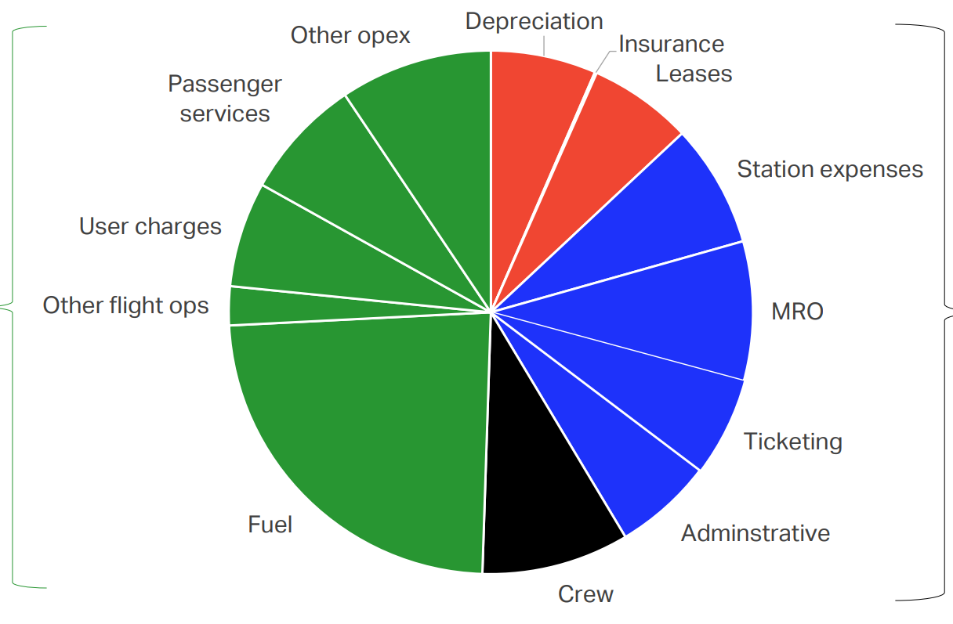
Cost item | Share of expenses (%) | Value (B USD) | DOC | IOC | DOC/IOC/NOC categorisation based on https://doi.org/10.2514/6.2023-1357
Station expenses | 7.5974528744 | 51.822985801 | no | yes
Leases + ins | 6.4911056175 | 44.276480527 | yes | no
Depreciation + ins | 6.5361154905 | 44.583497372 | yes | no
Other opex | 9.3826505363 | 63.999997573 | no | yes
Passenger services | 7.5125641018 | 51.243950995 | no | yes
User charges | 6.4836930421 | 44.22591861 | no | yes
Other flight ops | 2.4074816748 | 16.421673252 | yes | no
Fuel | 23.690549918 | 161.59561004 | yes | no
Crew | 9.1315797806 | 62.287418841 | yes | no
Administrative | 6.088763812 | 41.532066838 | no | yes
Ticketing | 6.0766314105 | 41.449310514 | no | yes
MRO | 8.6014117419 | 58.671089633 | yes | no

 | SUMMARY
 | Total system expenses (B USD) | 795 |  | Total system revenue (B USD) | 838
 |  |  |  | Share of PAX Revenues over PAX + CARGO | 85.8
 | Total 'PAX' expenses (B USD) | 682.11 |  | Total 'PAX' revenues (B USD) | 719.004 | Sources | ALL VALUES ARE FOR 2019
 |  |  |  | Total sytem operating profit (B USD) | 43.2 | Pie Chart | https://www.iata.org/en/iata-repository/publications/economic-reports/covid-19-cash-burn-analysis/
 | Total PAX DOC (B USD) | 387.83576967 |  | Total 'PAX' Op.Prof (B USD) | 37.0656 | Stats | https://www.iata.org/en/iata-repository/pressroom/fact-sheets/industry-statistics/
 | Total PAX IOC (B USD) | 294.27423033 |  | Total system net profit (B USD) | 26.4 | RPK & LF | https://www.iata.org/en/iata-repository/publications/economic-reports/global-outlook-for-air-transport---december-2023---report/
 | RPK (Bn) | 8668 |  | Total 'Pax' Nprof (B USD) | 22.6512
 | LF (%) | 82.6
 | ASK (Bn) | 10493.946731

 | DOC/ASK | 0.036958046348 |  | REV/ASK | 0.068516071066
 | IOC/ASK | 0.028042283601 |  | OPP/ASK | 0.003532093401
 | (DOC+IOC)/ASK | 0.065000329949

 |  |  |  | 0.0035157411168

 |  |  |  | Initial AVG price | 0.082949238579

