Recap 2019
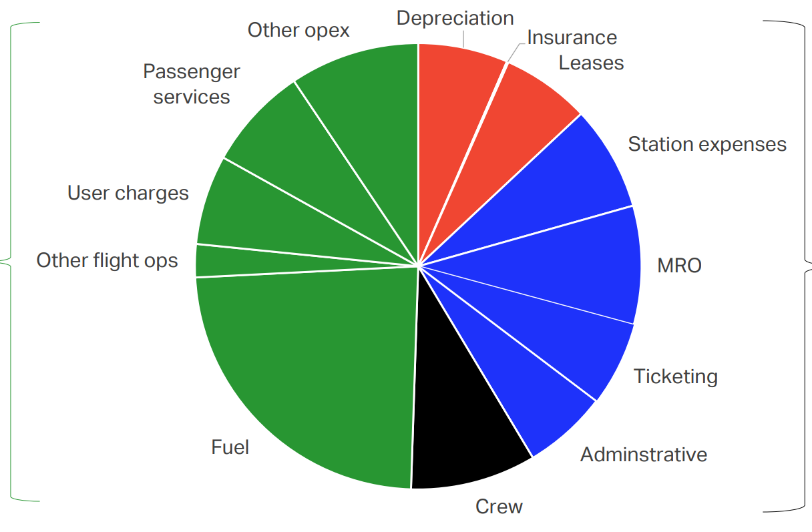
Cost item | Share of expenses (%) | Value (B USD) | DOC | IOC | DOC/IOC/NOC categorisation based on https://doi.org/10.2514/6.2023-1357
Station expenses | 7.5974528744 | 51.822985801 | no | yes
Leases + ins | 6.4911056175 | 44.276480527 | yes | no
Depreciation + ins | 6.5361154905 | 44.583497372 | yes | no
Other opex | 9.3826505363 | 63.999997573 | no | yes
Passenger services | 7.5125641018 | 51.243950995 | no | yes
User charges | 6.4836930421 | 44.22591861 | no | yes
Other flight ops | 2.4074816748 | 16.421673252 | yes | no
Fuel | 23.690549918 | 161.59561004 | yes | no
Crew | 9.1315797806 | 62.287418841 | yes | no
Administrative | 6.088763812 | 41.532066838 | no | yes
Ticketing | 6.0766314105 | 41.449310514 | no | yes
MRO | 8.6014117419 | 58.671089633 | yes | no

 | SUMMARY
 | Total system expenses (B USD) | 795 |  | Total system revenue (B USD) | 838
 |  |  |  | Share of PAX Revenues over PAX + CARGO | 85.8
 | Total 'PAX' expenses (B USD) | 682.11 |  | Total 'PAX' revenues (B USD) | 719.004 | Sources | ALL VALUES ARE FOR 2019
 |  |  |  | Total sytem operating profit (B USD) | 43.2 | Pie Chart | https://www.iata.org/en/iata-repository/publications/economic-reports/covid-19-cash-burn-analysis/
 | Total PAX DOC (B USD) | 387.83576967 |  | Total 'PAX' Op.Prof (B USD) | 37.0656 | Stats | https://www.iata.org/en/iata-repository/pressroom/fact-sheets/industry-statistics/
 | Total PAX IOC (B USD) | 294.27423033 |  | Total system net profit (B USD) | 26.4 | RPK & LF | https://www.iata.org/en/iata-repository/publications/economic-reports/global-outlook-for-air-transport---december-2023---report/
 | RPK (Bn) | 8668 |  | Total 'Pax' Nprof (B USD) | 22.6512
 | LF (%) | 82.6
 | ASK (Bn) | 10493.946731

 | DOC/ASK | 0.036958046348 |  | REV/ASK | 0.068516071066
 | IOC/ASK | 0.028042283601 |  | OPP/ASK | 0.003532093401
 | (DOC+IOC)/ASK | 0.065000329949

 |  |  |  | 0.0035157411168

 |  |  |  | Initial AVG price | 0.082949238579

 |  |  | 0.078692893401

Exploration
 | 2004 | 2005 | 2006 | 2007 | 2008 | 2009 | 2010 | 2011 | 2012 | 2013 | 2014 | 2015 | 2016 | 2017 | 2018 | 2019 | 2020 | 2021 | 2022 | 2023 | 2024 | 2025
REVENUES, $ billion | 379 | 413 | 465 | 510 | 570 | 476 | 564 | 642 | 706 | 720 | 767 | 721 | 709 | 754 | 812 | 838 | 384 | 513 | 738 | 909 | 966 | 979
Passenger, $ billion | 294 | 323 | 365 | 399 | 444 | 374 | 445 | 509 | 528 | 537 | 537 | 538 | 509 | 534 | 561 | 607 | 189 | 242 | 437 | 648 | 682 | 693
Cargo, $ billion | 66.7 | 68.6 | 76.2 | 84.1 | 87.9 | 70.6 | 88.6 | 96.1 | 95.1 | 92.1 | 92.9 | 83.8 | 80.8 | 95.9 | 111.3 | 101 | 140 | 210 | 206 | 139 | 149 | 142
Cargo + anx (share), $ billion | 70.084003327 | 72.348825332 | 80.310516772 | 88.782860691 | 94.196277496 | 75.586144849 | 93.647676162 | 101.96033713 | 107.75252768 | 105.40772532 | 113.12001905 | 97.169186234 | 97.129874534 | 114.79377679 | 134.42748773 | 119.54519774 | 163.40425532 | 238.34070796 | 236.43545879 | 160.5476493 | 173.20577617 | 166.48862275
Passenger + anx (share), $ billion | 308.91599667 | 340.65117467 | 384.68948323 | 421.21713931 | 475.8037225 | 400.41385515 | 470.35232384 | 540.03966287 | 598.24747232 | 614.59227468 | 653.87998095 | 623.83081377 | 611.87012547 | 639.20622321 | 677.57251227 | 718.45480226 | 220.59574468 | 274.65929204 | 501.56454121 | 748.4523507 | 792.79422383 | 812.51137725
RPKs, billion | 3,608.71 | 3,913.61 | 4,164.80 | 4,513.10 | 4,608.47 | 4,561.41 | 4,930.25 | 5,254.56 | 5,535.64 | 5,839.70 | 6,188.74 | 6,652.79 | 7,144.50 | 7,716.54 | 8,278.78 | 8688 | 2974 | 3623 | 5974 | 8271 | 9082 | 9608.756
PLF, % | 73.7 | 75.2 | 76.3 | 77.3 | 76.3 | 76.4 | 78.9 | 78.7 | 79.5 | 79.9 | 80 | 80.6 | 80.5 | 81.5 | 81.7 | 82.6 | 65.2 | 66.9 | 78.7 | 82.2 | 83.5 | 84
ASKs, billion | 4896.4857531 | 5204.268617 | 5458.4534731 | 5838.4217335 | 6039.9344692 | 5970.4319372 | 6248.7325729 | 6676.6963151 | 6963.0691824 | 7308.7609512 | 7735.925 | 8254.0818859 | 8875.1552795 | 9468.1472393 | 10133.145655 | 10518.159806 | 4561.3496933 | 5415.5455904 | 7590.8513342 | 10062.043796 | 10876.646707 | 11438.995238
Avg price, $/RPK | 0.081469555603 | 0.082532495573 | 0.08763926239 | 0.088409297379 | 0.096344339879 | 0.081992191011 | 0.090259114649 | 0.096868243963 | 0.095381925125 | 0.091956778602 | 0.086770489631 | 0.080868327424 | 0.071243613969 | 0.06920199986 | 0.067763607681 | 0.069866482505 | 0.063550773369 | 0.066795473365 | 0.073150318045 | 0.078346028292 | 0.07509359172 | 0.072121718982
Avg price (incl. anx), $/RPK | 0.085602887645 | 0.087042698345 | 0.092366856326 | 0.093332108597 | 0.10324548549 | 0.087782912554 | 0.095401313085 | 0.10277542989 | 0.10807196138 | 0.10524380956 | 0.10565639871 | 0.093769803912 | 0.085642119878 | 0.082835859493 | 0.08184448823 | 0.082695073925 | 0.074174762838 | 0.075809906717 | 0.083957907803 | 0.09049115593 | 0.087292911674 | 0.084559476507
Scheduled passenger numbers, millions | 1994 | 2135 | 2255 | 2452 | 2489 | 2479 | 2695 | 2859 | 2991 | 3143 | 3326 | 3565 | 3815 | 4093 | 4378 | 4560 | 1779 | 2304 | 3452 | 4426 | 4779 | 4988
Freight tonnes, millions | 40.9 | 41.9 | 44.6 | 46.7 | 46.4 | 42.3 | 50.5 | 50.7 | 50.7 | 51.7 | 54 | 54.8 | 57 | 61.5 | 63.3
World economic growth, % | 4 | 3.5 | 4 | 4 | 1.5 | -2 | 4.1 | 2.5 | 2.5 | 2.7 | 2.7 | 3.2 | 3.4 | 3.4 | 3.1 | 2.9 | -2.7 | 6.6 | 3.6 | 3.5 | 3.3 | 2.5
EXPENSES, $ billion | 376 | 409 | 450 | 490 | 571 | 474 | 536 | 623 | 687 | 695 | 731 | 659 | 649 | 697 | 766 | 795 | 495 | 556 | 727 | 846 | 904 | 913
Cargo + anx (share) expenses, $ billion | 56.269239399 | 58.25872093 | 63.359201774 | 69.363743478 | 76.289557684 | 61.222832053 | 72.769843702 | 81.114076683 | 81.554986893 | 78.819726635 | 78.974183045 | 68.618538767 | 66.395543175 | 78.647252618 | 92.338134951 | 85.511182109 | 132.2519084 | 161.49377593 | 158.64618644 | 112.20801527 | 120.80358744 | 115.65209634
Passenger + anx (share) expenses, $ billion | 306.47075132 | 337.35188968 | 372.28014506 | 404.69882012 | 476.63846588 | 398.73144399 | 447.00149925 | 524.05718063 | 582.14732788 | 593.25226514 | 623.18939514 | 570.18655516 | 560.08986097 | 590.88426734 | 639.18786256 | 681.58898305 | 284.36170213 | 297.68141593 | 494.08864697 | 696.5794155 | 741.91095066 | 757.73532934
Avg cost, $/RPK | 0.084925292228 | 0.086199669789 | 0.089387280316 | 0.089672025907 | 0.10342661792 | 0.087414076786 | 0.090665077684 | 0.099733789438 | 0.10516350917 | 0.10158951062 | 0.10069729786 | 0.085706381107 | 0.078394549789 | 0.076573732184 | 0.077207977813 | 0.078451770609 | 0.095615905221 | 0.082164343342 | 0.082706502673 | 0.084219491658 | 0.081690261029 | 0.078858837642
Fuel, $ billion | 65 | 91 | 127 | 146 | 203 | 134 | 151 | 191 | 228 | 230 | 224 | 174 | 135 | 149 | 180 | 190 | 80 | 106 | 215 | 269 | 261 | 236
Jet kerosene price, $/b | 49.7 | 71 | 81.9 | 90 | 126.7 | 91.4 | 112.7 | 129.6 | 124.5 | 114.8 | 99.9 | 66.7 | 52.1 | 66.7 | 86.1 | 80 | 47 | 78 | 139 | 112 | 99 | 86
Non-fuel, $ billion | 311 | 318 | 324 | 344 | 367 | 340 | 385 | 431 | 459 | 464 | 507 | 485 | 514 | 548 | 586 | 605 | 415 | 450 | 512 | 577 | 643 | 677
OPERATING PROFIT, $ billion | 3.3 | 4.4 | 15 | 19.9 | -1.1 | 1.9 | 27.6 | 19.8 | 18.4 | 25.3 | 35.5 | 62 | 60.1 | 56.3 | 45.9 | 43.1 | -110.9 | -43.5 | 11.3 | 62.9 | 61.9 | 66
% gross margin | 0.9 | 1.1 | 3.2 | 3.9 | -0.2 | 0.4 | 4.9 | 3.1 | 2.6 | 3.5 | 4.6 | 8.6 | 8.5 | 7.5 | 5.7 | 5.1 | -28.8 | -8.5 | 1.5 | 6.9 | 6.4 | 6.7
NET PROFIT, $ billion | -5.6 | -4.1 | 5 | 14.7 | -26.1 | -4.6 | 17.3 | 8.3 | 9.2 | 10.7 | 13.8 | 36 | 34.2 | 38 | 27.3 | 26.4 | -138.7 | -40.4 | -3.5 | 37.3 | 32.4 | 36
% net margin | -1.5 | -1 | 1.1 | 2.9 | -4.6 | -1 | 3.1 | 1.3 | 1.3 | 1.5 | 1.8 | 5 | 4.8 | 5 | 4.1 | 3.1 | -35.8 | -7.9 | -0.5 | 4.1 | 3.4 | 3.7
 |  |  |  |  |  |  |  |  |  |  |  |  |  |  |  |  |  |  |  |  | Estimated | Forecast

Margin vs year

REFS | All but RPK -until 2019 | https://www.iata.org/en/iata-repository/publications/economic-reports/airline-industry-economic-performance---2018-mid-year---table/
 | All but RPK from 2019 | https://www.iata.org/en/iata-repository/pressroom/fact-sheets/industry-statistics
 | RPK 2000-2018 | https://www.statista.com/statistics/1261233/air-revenue-passenger-kilometers-worldwide/
 | RPK from 2019 | https://www.iata.org/en/iata-repository/publications/economic-reports/global-outlook-for-air-transport---december-2023---report/

