Full 1
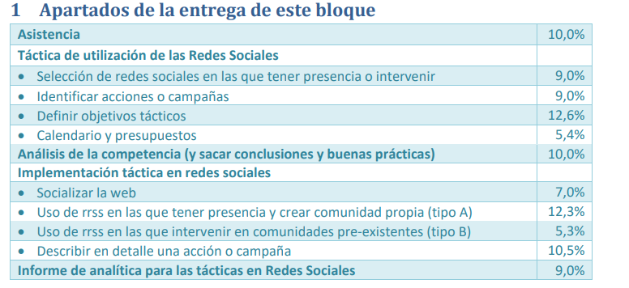

-
-
Soukaina
Haris
Haris
Haris
Soukaina
-
Manuel
Andreu
Andreu
Arnau
Arnau

