Analysis1
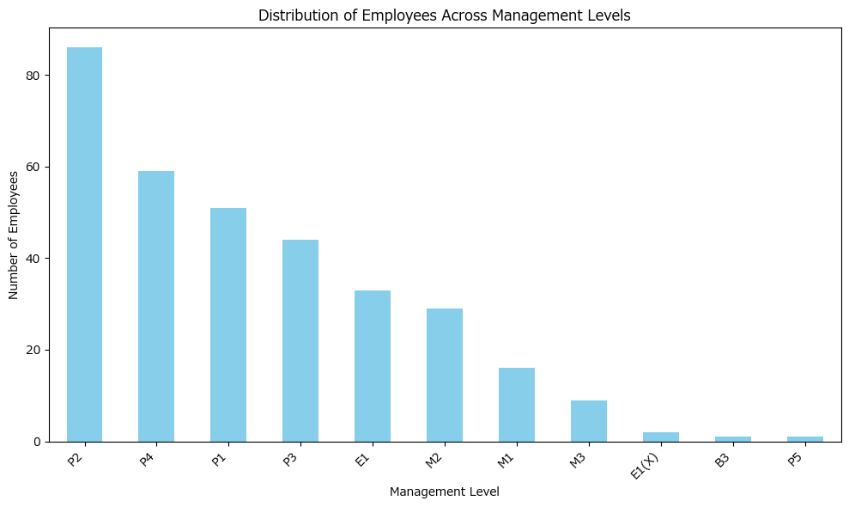
Analysis Sheet
This sheet will include all the Python formulas generated by Copilot.

Load data from Disney_Production Data, A2:I333

Preview
 | Employee ID | Legal Name - First Name | Worker Position (Filled) or Hiring Restriction (Open) Management Level | Hiring Restrictions Job Profile | Compensation Grade Profile | Bonus Plan | Target Bonus - Percent | LTI Plan | LTI Target Percent
0 | 84003 | Miguel Stuart | P3 | Production Management - P3 | Production Management - P3_US_Z2_24 | Bonus - ESPN Discretionary Bonus | 0.03 | 0 | 0
1 | 93515 | Marlina Evans | M2 | Production Management - Sports - M2 | Production Management - Sports - M2_US_Z2_26 | Bonus - Annual Bonus Plan (Discretionary) | 0.12 | 0 | 0
2 | 101851 | Kelly Howard | E1(X) | Production Management - E1X | Production Management - E1X_US_Z2_32 | Bonus - Annual Bonus Plan (Discretionary) | 0.21 | Exec LTI | 0.29
3 | 111609 | Mario Nyuyen | E1 | Digital Content Editorial - E1 | Digital Content Editorial - E1_US_Z2_29 | Bonus - Annual Bonus Plan (Discretionary) | 0.21 | Exec LTI | 0.29
4 | 136098 | Eric Ward | M2 | Production Management - Sports - M2 | Production Management - Sports - M2_US_Z2_26 | Bonus - Annual Bonus Plan (Discretionary) | 0.12 | 0 | 0
... | ... | ... | ... | ... | ... | ... | ... | ... | ...
326 | 94004987 | Norah Klink | P4 | Digital Content Editorial - P4 | Digital Content Editorial - P4_US_Z2_23 | Bonus - Annual Bonus Plan (Discretionary) | 0.03 | 0 | 0
327 | 94013964 | Si-Qing Jones | P4 | Digital Content Editorial - P4 | Digital Content Editorial - P4_US_Z2_23 | Bonus - Annual Bonus Plan (Discretionary) | 0.03 | 0 | 0
328 | 94017942 | Ashley Montague | P2 | Production Management - Sports - P2 | Production Management - Sports - P2_US_Z2_19 | Bonus - ESPN Discretionary Bonus | 0.03 | 0 | 0
329 | 94018064 | Lydia Marin | E1 | Digital Content Editorial - E1 | Digital Content Editorial - E1_US_Z2_29 | Bonus - Annual Bonus Plan (Discretionary) | 0.21 | Exec LTI | 0.29
330 | 94019828 | Ben CIpollone | M2 | Digital Content Editorial - M2 | DIGITAL CONTENT EDITORIAL - M2_US_Z2_26 | Bonus - Annual Bonus Plan (Discretionary) | 0.12 | 0 | 0

Analyze and visualize employee distribution across management levels

