DASHBOARD
Şirket Satış Raporu
Bölge Raporu
Satışçı Raporu
$30.171.771,00
$17.788.458,00
$38.563.077,00
$22.939.296,00
$35.219.513,00
MERCEDES | $30,171,771.00
BMW | $17,788,458.00
FORD | $38,563,077.00
MAZDA | $22,939,296.00
CHEVROLET | $35,219,513.00
2020 |  | Alaska
 |  | 2018
 |  | Jenny Hhapman
 |  | Alaska
 |  | 2018
 |  | 0.60
 |  | 1.00
 |  | 0.66
Toplam Satış
 |  | 0.81
 |  | 0.49

$144.682.115,00

Toplam Hedef

$110.504.039,55

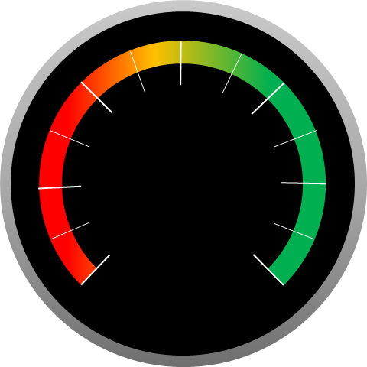

 | 100%

131%

 | 2018 | 2019 | 2020 | Toplam
MERCEDES | $11,651,494.90 | $17,119,042.84 | $30,171,771.00 | $58,942,308.74
BMW | $7,830,346.97 | $9,696,997.90 | $17,788,458.00 | $35,315,802.87
FORD | $16,905,078.70 | $21,034,718.77 | $38,563,077.00 | $76,502,874.47
MAZDA | $10,361,173.48 | $12,920,499.39 | $22,939,296.00 | $46,220,968.87
CHEVROLET | $15,846,811.01 | $20,032,255.05 | $35,219,513.00 | $71,098,579.06

