nmdp_table1_racegroups
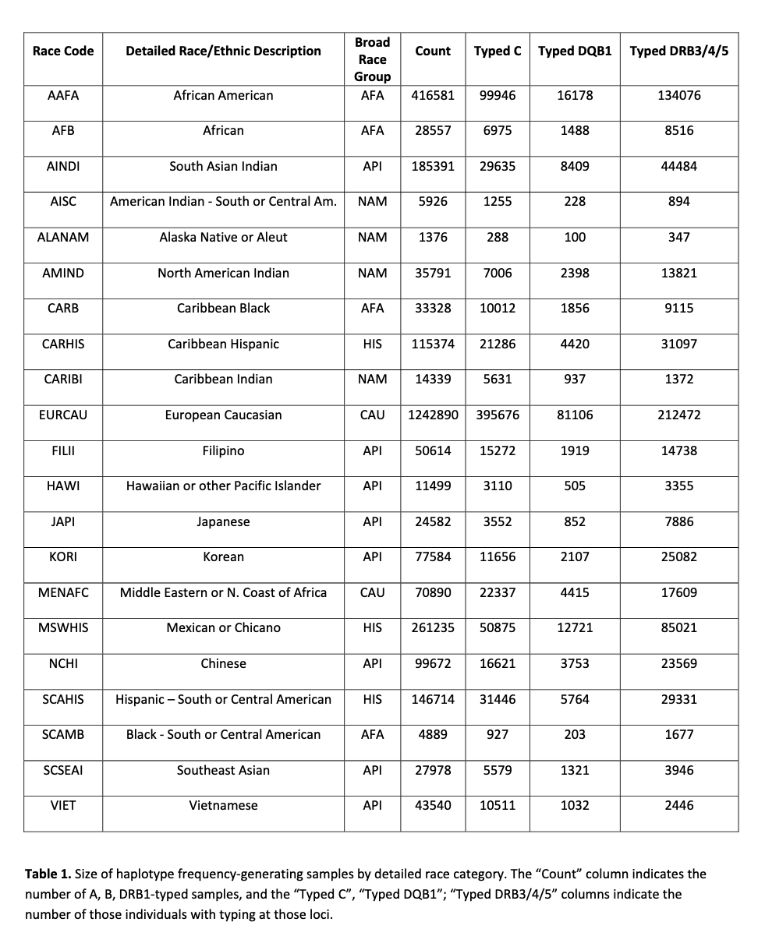
nmdp_broad_race_group | nmdp_race_code | Detailed Race/ Ethnic Description | Count | Typed C | Typed DQB1 | Typed DRB3/4/5
AFA | AAFA | African American | 416581 | 99946 | 16178 | 134076
AFA | AFB | African | 28557 | 6975 | 1488 | 8516
AFA | CARB | Caribbean Black | 33328 | 10012 | 1856 | 9115
AFA | SCAMB | Black ‐ South or Central American | 4889 | 927 | 203 | 1677
API | AINDI | South Asian Indian | 185391 | 29635 | 8409 | 44484
API | FILII | Filipino | 50614 | 15272 | 1919 | 14738
API | HAWI | Hawaiian or other Pacific Islander | 11499 | 3110 | 505 | 3355
API | JAPI | Japanese | 24582 | 3552 | 852 | 7886
API | KORI | Korean | 77584 | 11656 | 2107 | 25082
API | NCHI | Chinese | 99672 | 16621 | 3753 | 23569
API | SCSEAI | Southeast Asian | 27978 | 5579 | 1321 | 3946
API | VIET | Vietnamese | 43540 | 10511 | 1032 | 2446
CAU | EURCAU | European Caucasian | 1242890 | 395676 | 81106 | 212472
CAU | MENAFC | Middle Eastern or N. Coast of Africa | 70890 | 22337 | 4415 | 17609
HIS | CARHIS | Caribbean Hispanic | 115374 | 21286 | 4420 | 31097
HIS | MSWHIS | Mexican or Chicano | 261235 | 50875 | 12721 | 85021
HIS | SCAHIS | Hispanic – South or Central American | 146714 | 31446 | 5764 | 29331
NAM | AISC | American Indian ‐ South or Central Am. | 5926 | 1255 | 228 | 894
NAM | ALANAM | Alaska Native or Aleut | 1376 | 288 | 100 | 347
NAM | AMIND | North American Indian | 35791 | 7006 | 2398 | 13821
NAM | CARIBI | Caribbean Indian | 14339 | 5631 | 937 | 1372

