DBSCAN_events_population
RAW DATA FROM CODE

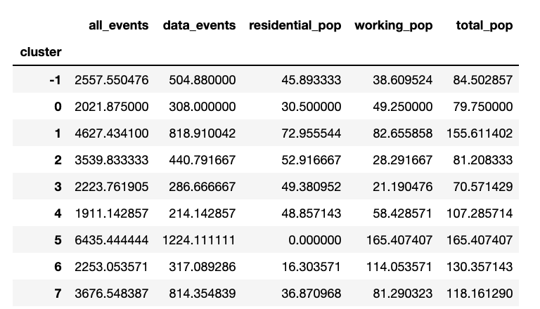

Mean value of data events, working population and total population

 | total_pop | working_pop | data_events
Westbury-on-Trym | 107 | 58 | 214
Bishopsworth | 71 | 21 | 287
Avonmouth | 80 | 49 | 308
Almondsbury | 130 | 114 | 317
Henbury | 81 | 28 | 441
Keynsham | 118 | 81 | 814
Great Central Bristol | 156 | 83 | 819
Patchway | 165 | 165 | 1224

kmeans_events_population
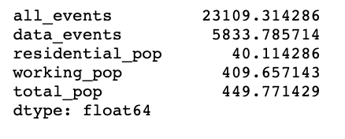
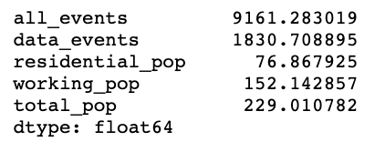
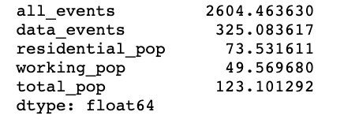
Cluster3
all_events | 23109.314286 | RAW DATA FROM CODE
data_events | 5833.785714
residential_pop | 40.114286
working_pop | 409.657143
total_pop | 449.771429

Cluster2 |  |  | working_pop | residential_pop | percentage |  | data_events | other_events | percentahe | all_events
all_events | 9161.283019 | cluster3 | 410 | 40 | 0.91081184038 | cluster3 | 5834 | 17276 | 0.25244304707 | 23109
data_events | 1830.708895 | cluster2 | 152 | 77 | 0.66434800873 | cluster2 | 1831 | 7331 | 0.19983105982 | 9161
residential_pop | 76.867925 | cluster1 | 50 | 74 | 0.40267392484 | cluster1 | 325 | 2279 | 0.12481787546 | 2604
working_pop | 152.142857
The mean population of each cluster
The mean events of each cluster
total_pop | 229.010782

Cluster!
all_events | 2604.46363
data_events | 325.083617
residential_pop | 73.531611
working_pop | 49.56968
total_pop | 123.101292

kmeans_latency
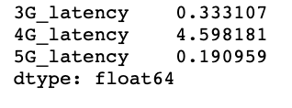
RAW DATA FROM CODE

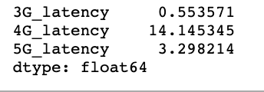
cluster3 |  | 3G_latency | 4G_latency | 5G_latency
 | Cluster1 | 0.333 | 4.598 | 0.191
 | Cluster2 | 0.651 | 10.528 | 1.101
 | Cluster3 | 0.554 | 14.145 | 3.298

The Mean of Latency in Each Cluster

cluster2

cluster1

