Sheet1
Current v. Voltage & Resistance
Current v. Voltage
 | I/P Calculations |  |  |  |  | Discrete voltages for current values |  |  | Linear Transducer mA/mm Calculation |  |  |  | Total Travel (3/4in = 19.05mm) | 19.05
 | Current(mA) | Voltage(V) | Ohm |  |  | Power supply must be set at 18V 25mA |  |  | Input Current (mA) | Output Current (mA) | Difference | Calculated Travel (mm) | Total Current Difference (mA) | 3.8602
 | 4.00 | 2.203 | 550.75 |  |  | Output Voltage(V) | Output Current(mA) |  | 4 | 8.4002 | 0 | 0 | mm/mA | 4.9349774623
 | 5.00 | 2.351 | 470.20 |  |  | 1.105 | 4 | Difference | 5 | 8.4 | 0.0002 | 0
 | 6.00 | 2.484 | 414.00 |  |  | 1.215 | 5 | 0.11 | 6 | 8.183 | 0.217 | 1.0718771048 | Find difference in current and multiply by mm/mA
 | 7.00 | 2.611 | 373.00 |  |  | 1.325 | 6 | 0.11 | 7 | 7.9095 | 0.2735 | 2.4215934408
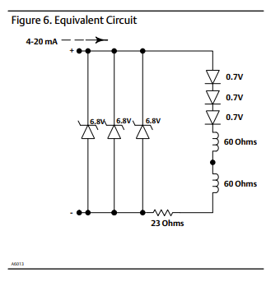
 | 8.00 | 2.736 | 342.00 |  |  | 1.435 | 7 | 0.11 | 8 | 7.6428 | 0.2667 | 3.73775193
 | 9.00 | 2.858 | 317.56 |  |  | 1.545 | 8 |  | 9 | 7.378 | 0.2648 | 5.044533962
 | 10.00 | 2.978 | 297.80 |  |  | 1.655 | 9 |  | 10 | 7.114 | 0.264 | 6.347368012
 | 11.00 | 3.096 | 281.45 |  |  | 1.765 | 10 |  | 11 | 6.854 | 0.26 | 7.6304621522
 | 12.00 | 3.212 | 267.67 |  |  | 1.875 | 11 |  | 12 | 6.594 | 0.26 | 8.9135562924
 | 13.00 | 3.328 | 256.00 |  |  | 1.985 | 12 |  | 13 | 6.338 | 0.256 | 10.176910523
 | 14.00 | 3.442 | 245.86 |  |  | 2.095 | 13 |  | 14 | 6.08 | 0.258 | 11.450134708
 | 15.00 | 3.556 | 237.07 |  |  | 2.205 | 14 |  | 15 | 5.825 | 0.255 | 12.708553961
 | 16.00 | 3.669 | 229.31 |  |  | 2.315 | 15 |  | 16 | 5.57 | 0.255 | 13.966973214
 | 17.00 | 3.782 | 222.47 |  |  | 2.425 | 16 |  | 17 | 5.31 | 0.26 | 15.250067354
 | 18.00 | 3.895 | 216.39 |  |  | 2.535 | 17 |  | 18 | 5.06 | 0.25 | 16.48381172
Current v. Resistance
 | 19.00 | 4.006 | 210.84 |  |  | 2.645 | 18 | (Max is 18.5) | 19 | 4.8 | 0.26 | 17.76690586
 | 20.00 | 4.12 | 206.00 |  |  | 2.755 | 19 |  | 20 | 4.54 | 0.26 | 19.05
 |  |  |  |  |  | 2.865 | 20

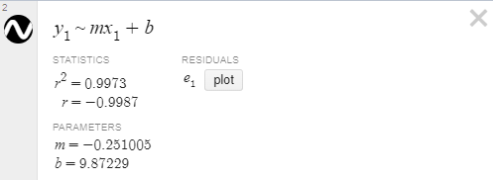

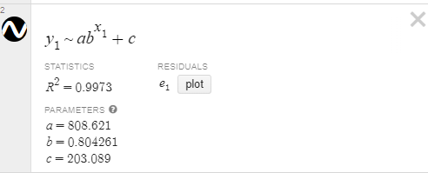

 |  |  |  | Equation for resistance | Equation for Voltage

 |  |  |  | Link to Desmos graph

Percentage Equations
Parameter | Low End | High End | Equation
Travel | 0mA | 2.9mA | x/2.9mA
Setpoint | 0.66V | 3.3V | (x - 0.66)/2.64V

