all_metrics
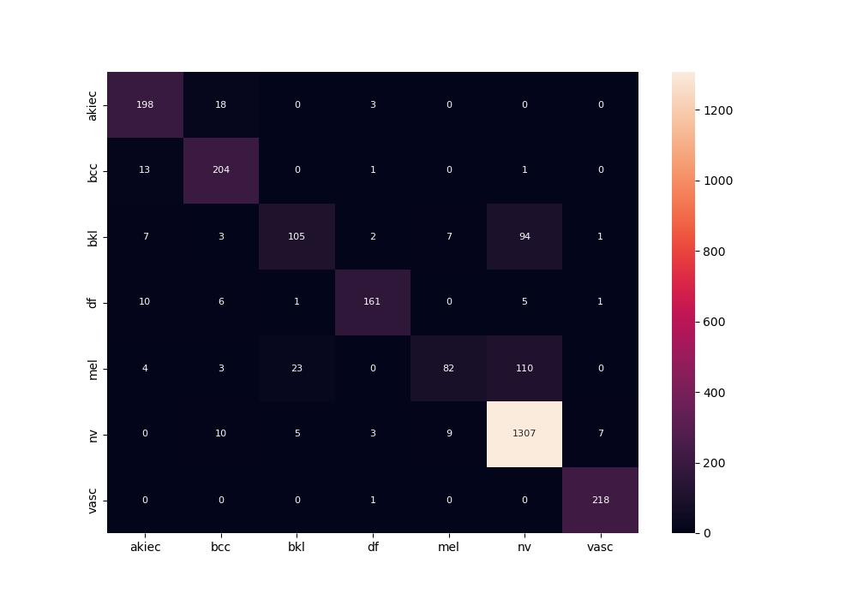
 | 0
pre | 0.86761034425
acc | 0.86732748761
recall | 0.78993106274

