all_metrics
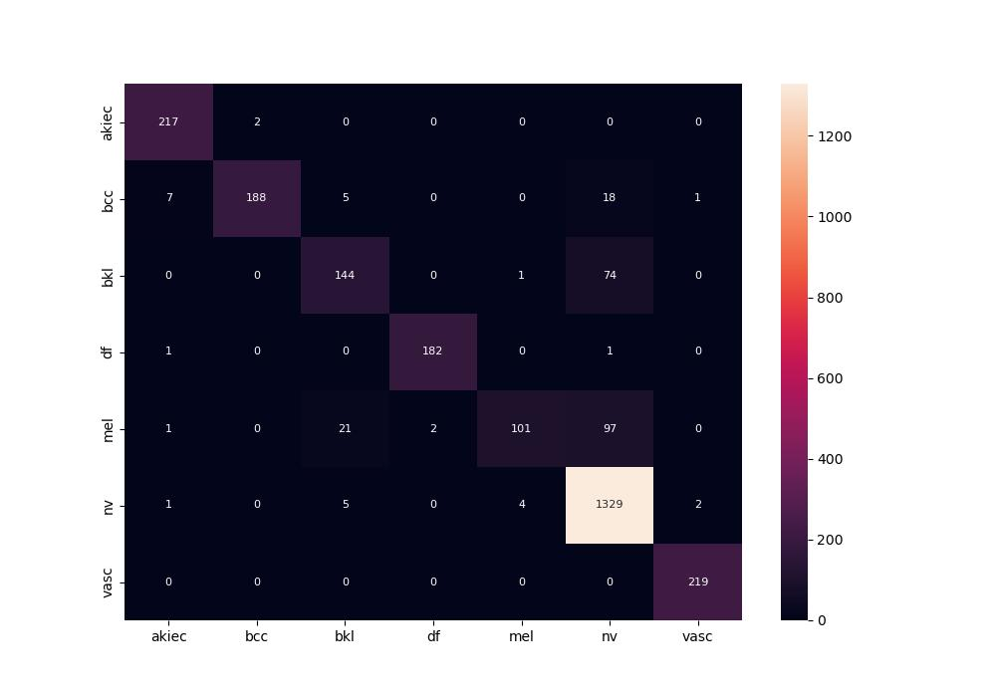
 | 0
pre | 0.9388061118
acc | 0.90735798704
recall | 0.84885516556

