all_metrics
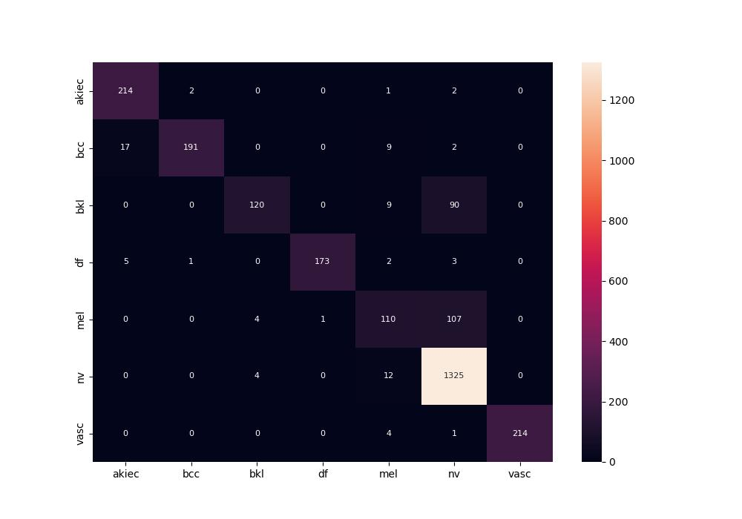
 | 0
pre | 0.91962585838
acc | 0.89477697293
recall | 0.82831581658

