all_metrics
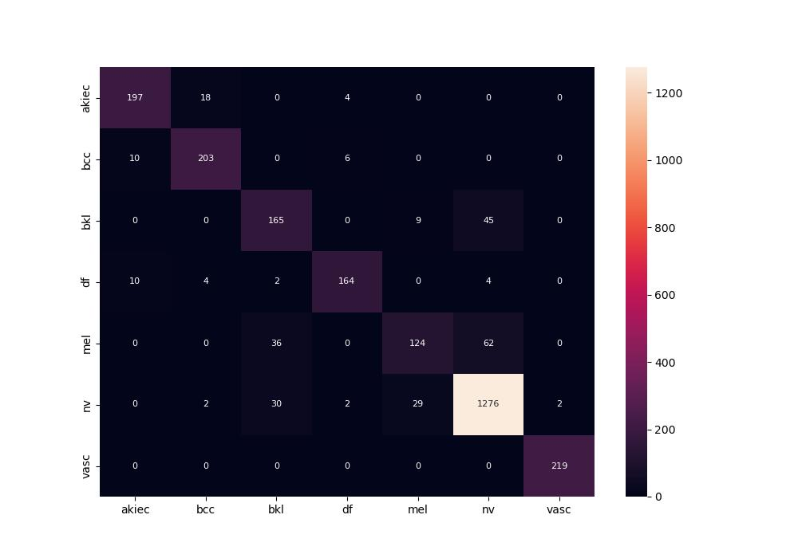
 | 0
pre | 0.87406191474
acc | 0.89515821578
recall | 0.8544714703

