all_metrics
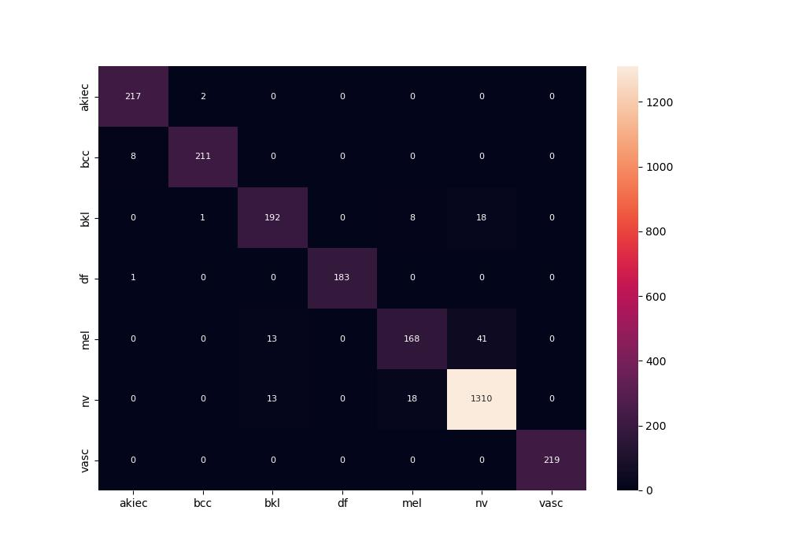
 | 0
pre | 0.94996778211
acc | 0.95310712924
recall | 0.93703644652

