all_metrics
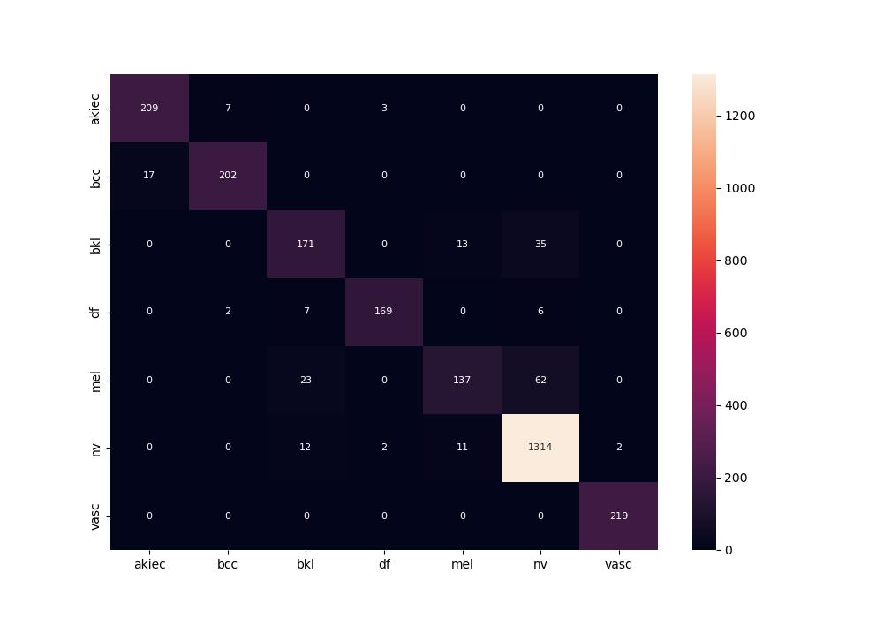
 | 0
pre | 0.91791416086
acc | 0.92298894396
recall | 0.8818564852

