all_metrics
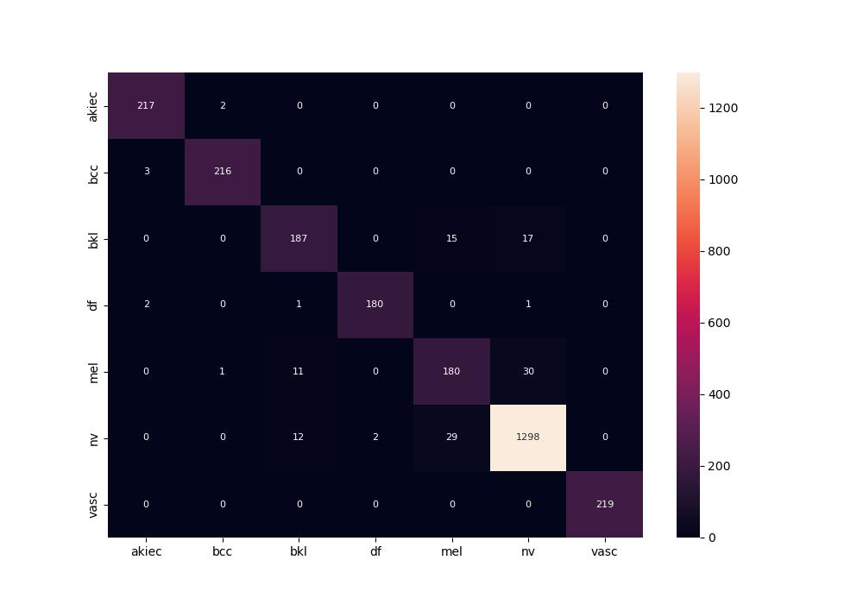
 | 0
pre | 0.94385085295
acc | 0.95196340069
recall | 0.941150898

